Sheet1
1 | NaphthaleneOnGlassSite3Snapshot1.out:! | total energy | = | -11682.161015 | Ry |  | 0 | -0.16101461
2 | NaphthaleneOnGlassSite3Snapshot2.out:! | total energy | = | -11682.158776 | Ry |  | 0.5 | -0.15877601
4 | NaphthaleneOnGlassSite3Snapshot4.out:! | total energy | = | -11682.13706 | Ry |  | 1.5 | -0.13705994
5 | NaphthaleneOnGlassSite3Snapshot5.out:! | total energy | = | -11682.130275 | Ry |  | 2 | -0.13027461
7 | NaphthaleneOnGlassSite3Snapshot7.out:! | total energy | = | -11682.122711 | Ry |  | 3 | -0.12271139
9 | NaphthaleneOnGlassSite3Snapshot9.out:! | total energy | = | -11682.118823 | Ry |  | 4 | -0.1188228
10 | NaphthaleneOnGlassSite3Snapshot10.out:! | total energy | = | -11682.117494 | Ry |  | 4.5 | -0.11749394
11 | NaphthaleneOnGlassSite3Snapshot11.out:! | total energy | = | -11682.116403 | Ry |  | 5 | -0.11640284
13 | NaphthaleneOnGlassSite3Snapshot13.out:! | total energy | = | -11682.114684 | Ry |  | 6 | -0.11468429
14 | NaphthaleneOnGlassSite3Snapshot14.out:! | total energy | = | -11682.11398 | Ry |  | 6.5 | -0.11398021
15 | NaphthaleneOnGlassSite3Snapshot15.out:! | total energy | = | -11682.113352 | Ry |  | 7 | -0.11335208
16 | NaphthaleneOnGlassSite3Snapshot16.out:! | total energy | = | -11682.11279 | Ry |  | 7.5 | -0.1127897
17 | NaphthaleneOnGlassSite3Snapshot17.out:! | total energy | = | -11682.112286 | Ry |  | 8 | -0.11228604

1 | NaphthaleneOnGlassSite2Snapshot1.out:! | total | energy | = | -11682.062615 | Ry | 0 | -0.062615160001
2 | NaphthaleneOnGlassSite2Snapshot2.out:! | total | energy | = | -11682.09884 | Ry | 0.5 | -0.098839980001
3 | NaphthaleneOnGlassSite2Snapshot3.out:! | total | energy | = | -11682.106948 | Ry | 1 | -0.10694849
4 | NaphthaleneOnGlassSite2Snapshot4.out:! | total | energy | = | -11682.106994 | Ry | 1.5 | -0.10699401
5 | NaphthaleneOnGlassSite2Snapshot5.out:! | total | energy | = | -11682.105943 | Ry | 2 | -0.10594291
6 | NaphthaleneOnGlassSite2Snapshot6.out:! | total | energy | = | -11682.10516 | Ry | 2.5 | -0.10515982
7 | NaphthaleneOnGlassSite2Snapshot7.out:! | total | energy | = | -11682.104702 | Ry | 3 | -0.10470188
8 | NaphthaleneOnGlassSite2Snapshot8.out:! | total | energy | = | -11682.104489 | Ry | 3.5 | -0.10448932
9 | NaphthaleneOnGlassSite2Snapshot9.out:! | total | energy | = | -11682.104423 | Ry | 4 | -0.10442284
10 | NaphthaleneOnGlassSite2Snapshot10.out:! | total | energy | = | -11682.104437 | Ry | 4.5 | -0.10443734
11 | NaphthaleneOnGlassSite2Snapshot11.out:! | total | energy | = | -11682.104491 | Ry | 5 | -0.10449147
12 | NaphthaleneOnGlassSite2Snapshot12.out:! | total | energy | = | -11682.104556 | Ry | 5.5 | -0.10455628
13 | NaphthaleneOnGlassSite2Snapshot13.out:! | total | energy | = | -11682.104623 | Ry | 6 | -0.10462298
14 | NaphthaleneOnGlassSite2Snapshot14.out:! | total | energy | = | -11682.104681 | Ry | 6.5 | -0.10468104
15 | NaphthaleneOnGlassSite2Snapshot15.out:! | total | energy | = | -11682.104734 | Ry | 7 | -0.10473394
16 | NaphthaleneOnGlassSite2Snapshot16.out:! | total | energy | = | -11682.10478 | Ry | 7.5 | -0.10478009
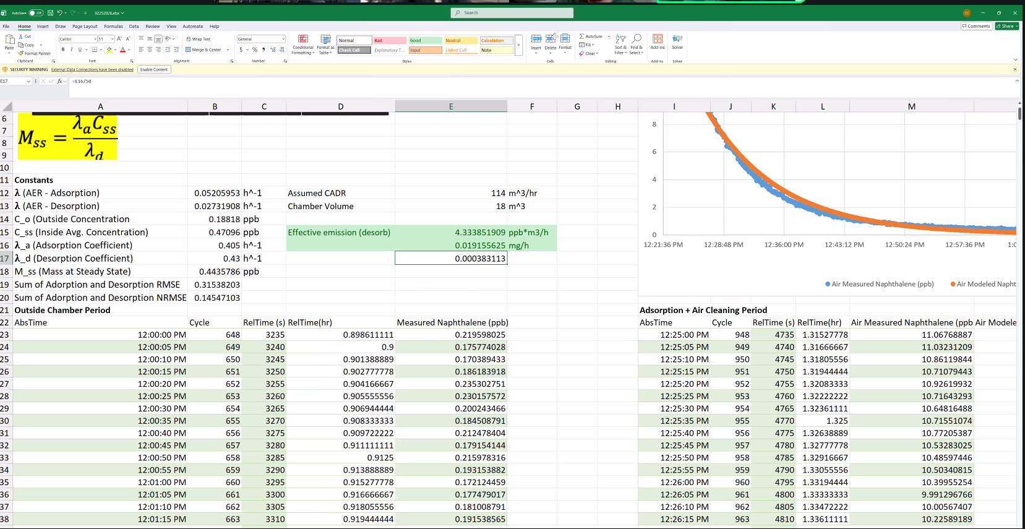
17 | NaphthaleneOnGlassSite2Snapshot17.out:! | total | energy | = | -11682.104822 | Ry | 8 | -0.1048221
18 | NaphthaleneOnGlassSite2Snapshot18.out:! | total | energy | = | -11682.104864 | Ry | 8.5 | -0.10486405
20 | NaphthaleneOnGlassSite2Snapshot20.out:! | total | energy | = | -11682.104949 | Ry | 9.5 | -0.10494865
21 | NaphthaleneOnGlassSite2Snapshot21.out:! | total | energy | = | -11682.10499 | Ry | 10 | -0.10498953
22 | NaphthaleneOnGlassSite2Snapshot22.out:! | total | energy | = | -11682.105032 | Ry | 10.5 | -0.1050324
23 | NaphthaleneOnGlassSite2Snapshot23.out:! | total | energy | = | -11682.105078 | Ry | 11 | -0.10507758
24 | NaphthaleneOnGlassSite2Snapshot24.out:! | total | energy | = | -11682.105127 | Ry | 11.5 | -0.1051267
25 | NaphthaleneOnGlassSite2Snapshot25.out:! | total | energy | = | -11682.105177 | Ry | 12 | -0.10517684
26 | NaphthaleneOnGlassSite2Snapshot26.out:! | total | energy | = | -11682.10523 | Ry | 12.5 | -0.10522977
27 | NaphthaleneOnGlassSite2Snapshot27.out:! | total | energy | = | -11682.105283 | Ry | 13 | -0.10528334

 | The surface accommodation coefficient α to calculate the adsorption flux from gas-phase collisions
 | The desorption lifetime τ_d to calculate the desorption flux back to the gas phase
 | The partition coefficient to determine steady-state surface coverage
 | ΔG_ads | -45.90251215
 | The equilibrium adsorption distance z0

