Sheet1
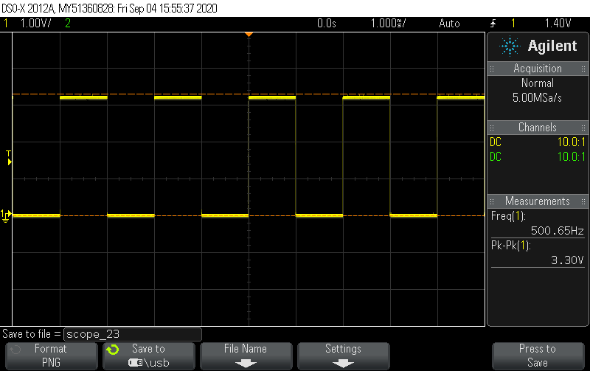
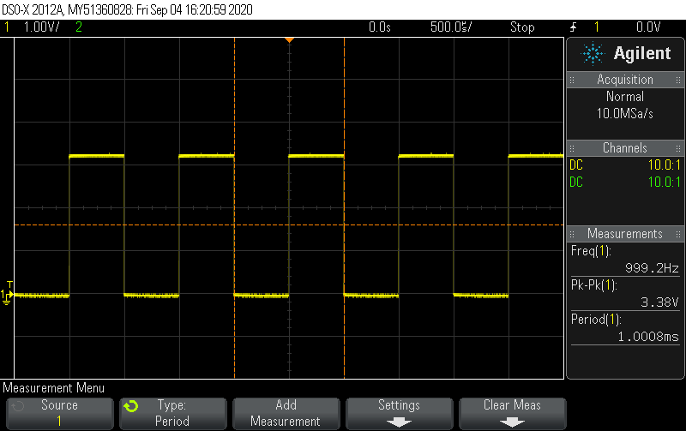
Fill all chapters and show to the supervising teacher

3.2
Frequency (Hz) | Period
1 | 1000
10 | 0.1
500 | 0.002

3.3
Frequency (Hz) | Period
1000 | 0.0001

3.4
Oscilloscope figure here

3.2 oscilloscope

Sheet2
Submit last code here:
3.6
/*This code tests NUCLEO-L152RE board transmitter UART communication by using
9600 BAUD and float print with sprintf
*/
/* Includes */
#include <stddef.h>
#include "stm32l1xx.h"
#include "nucleo152start.h"
#include <stdio.h>
#include <stdlib.h>
/* Private typedef */
/* Private define */
/* Private macro */
/* Private variables */
/* Private function prototypes */
/* Private functions */
void USART2_Init(void);
void USART2_write(char data);
void delay_Ms(int delay);
/**
**===========================================================================
**
** Abstract: main program
**
**===========================================================================
*/
int main(void)
{
int count = 0; // Counter for button pushing times
/* Configure the system clock to 32 MHz and update SystemCoreClock */
SetSysClock();
SystemCoreClockUpdate();
USART2_Init();
/* TODO - Add your application code here */
char table[35]={6,6,6,6,6,'G', 'h','E','M','N','Q','S','T','Y','A','B','Q','S','J','A','X','Ã…','W','L','<','>','QQ','MM','N','ui','bb','qq','ss','ht'};
RCC->AHBENR|=0x1; //GPIOA enable. p154
RCC->AHBENR|=0x4; //GPIOC enable. p154
GPIOA->MODER|=0x400; //GPIOA pin 5 to output. p184
GPIOC->MODER&=~0xC000000; //PC13 configured to input, C=1100. p184
/* Infinite loop */
while (1)
{
if(GPIOC->IDR & 0x2000) //if PC13 is high state (button released)
{
}
else //(button pressed)
{
count++;
delay_Ms(50);
while(!(GPIOC->IDR & 0x2000)){} //stays here until release button
}
while(count%2==1)
{
if(GPIOC->IDR & 0x2000) //if PC13 is high state (button released)
{
}
else //(button pressed)
{
count++;
delay_Ms(50); // Bouncing prevention
//while(!(GPIOC->IDR & 0x2000)){} //stays here until release button
}
for(int i=0;i<35;i++)
{
GPIOA->BSRR=0x20;//turn led on (PA5=high state)
USART2_write(table[i]);
}
USART2_write('\n');
USART2_write('\r');
delay_Ms(50);
GPIOA->ODR&=~0x20; //0000 0000 clear bit 5. p186
delay_Ms(50);
}
}
return 0;
}
void USART2_Init(void)
{
RCC->APB1ENR|=0x00020000; //set bit 17 (USART2 EN)
RCC->AHBENR|=0x00000001; //enable GPIOA port clock bit 0 (GPIOA EN)
GPIOA->AFR[0]=0x00000700;//GPIOx_AFRL p.188,AF7 p.177
GPIOA->AFR[0]|=0x00007000;//GPIOx_AFRL p.188,AF7 p.177
GPIOA->MODER|=0x00000020; //MODER2=PA2(TX) to mode 10=alternate function mode. p184
GPIOA->MODER|=0x00000080; //MODER2=PA3(RX) to mode 10=alternate function mode. p184
GPIOA->MODER|=1<<10;
USART2->BRR = 0x00000341;// 38400 BAUD and crystal 32MHz. p710, D05
USART2->CR1 = 0x00000008;//TE bit. p739-740. Enable transmit
USART2->CR1 |= 0x00000004;//RE bit. p739-740. Enable receiver
USART2->CR1 |= 0x00002000;//UE bit. p739-740. Uart enable
}
void USART2_write(char data)
{
//wait while TX buffer is empty
while(!(USART2->SR&0x0080)){} //6. p736-737
USART2->DR=(data);//p739
}
void delay_Ms(int delay)
{
int i=0;
for(; delay>0;delay--)
for(i=0;i<2460;i++); //measured with oscilloscope
}

