registers_detailed (2)
Register | Name | Description | Detailed description
GPIOx->MODER | Port mode register | These bits are written by software to configure the I/O direction mode. Input (reset state), general purpose output mode, alternate function mode and analog mode. | These bits are written by software to configure the I/O direction mode. 00: Input (reset state) 01: General purpose output mode 10: Alternate function mode 11: Analog mode
GPIOx->ODR | Port output data register | These bits can be read and written by software. This register controls pin output state (high/low). | These bits can be read and written by software. This register controls pin output state (high/low)
GPIOx->IDR | Port input data register | Input pin state (high/low) can be read by using this register. | These bits are read-only and can be accessed in word (16-bit) mode only.
GPIOx->AFR[0] | Alternate function low register | Alternate function selection for pins. Each pin has its own alternate function. | GPIOx_AFRL register can be accessed GPIOx->AFR[0]. For example "GPIOA->AFR[0]=0x700;" AFRL2 alternate selection for port bit 2 (PA2), activates AF7 (USART1..3). STM32L152 reference manual alternate function block diagram shows alternate functions. Pin definition from STM32L152RET6 datasheet (page 37-55) shows that one PA2 alternate function is for example TIM2_CH3/TIM5_CH3/TIM9_CH1/ USART2_TX (LPQF64 case model in NUCLEO-L152RE board)
GPIOx->AFR[1] | Alternate function high register | Alternate function selection for pins. Each pin has its own alternate function. | GPIOx_AFRL register can be accessed GPIOx->AFR[1]. For example I2C1 signals. Pin definition from STM32L152RET6 datasheet (page 37-55) shows that one alternate function is for example PB8=I2C1_SCL and PB9=I2C1_SDA
GPIOx->PUPDR | GPIO port pull-up/pull-down register (GPIOx_PUPDR) (x = A..H) | Input pin pull-up/pull-down/no pull-up or pull-down selection. | These bits are written by software to configure the I/O pull-up or pull-down 00: No pull-up, pull-down 01: Pull-up 10: Pull-down 11: Reserved
GPIOx->OTYPER | GPIO port output type register | Output configuratio for output pin(s). Output can be configure to push-pull or open-drain. | These bits are written by software to configure the output type of the I/O port. 0: Output push-pull (reset state) 1: Output open-drain
RCC->AHBENR | Peripheral clock enable register | Input/Output GPIO clock enable. | Bit 0 GPIOAEN port A clock enable. From block diagram can be found GPIOX bus clocks
RCC->APB1ENR | Peripheral clock enable register 1 | Peripheral clock enable register. Enables for example USARTX and timers TIMx etc… | For example bit 17 USART2EN enable clock can be activated. See all peripherals in block diagram. Enable bits for timers 2-7. Bit 29 DACEN: DAC interface clock enable and bit 21 I2C1EN I2C enable.
$$USARTDIV=\frac{f_{CK}}{8∙\left(2−OVER8\right)∙BAUD}$$
USART2->BRR | Baud rate register (USART2) | Baudrate must be calculated to this register in order to use USART2. Same method for other USARTx can be used. | When OVER8=0, the fractional part is coded on 4 bits and programmed by the DIV_fraction in the USART_BRR register. Select oversampling by 16 (OVER8=0) to increase the tolerance of the receiver to clock deviations. BRR register mantissa bits 4-15 and fraction bits 0-3.
USART2->CR1 | USART2 control register 1 | Controls USART2 and for example this register determines word lenght. Same method for other USARTx can be used. | For example this register can configure USART: TX transmitter bit 3, RX receiver bit 2, RXNE interrupt enable bit 5, UE Usart enable bit 13 and M bit 12 can be used to program word lenght 8 bit (low state) or 9 bit (high state).
USART2->SR | USART2 status register | USART2 status. For example indication for transmit data register empty and indication when received data transferred to USART_DR register. | Bit 7 TXE: Transmit data register empty, This bit is set by hardware when the content of the TDR register has been transferred into the shift register. Bit 5 RXNE: Read data register not empty and this bit is set by hardware when the content of the RDR shift register has been transferred to the USART_DR register.
USART2->DR | USART2 data register | Contains the Received or Transmitted data character, depending on whether it is read from or written to. | Contains the Received or Transmitted data character, depending on whether it is read from or written to. The Data register (DR) performs a double function (read and write).
USART2->CR2 | USART2 control register 2 | For example USART2 stop bit configuration. Same method for other USARTx can be used. | Bits 12-13: These bits are used for programming the stop bits. 00: 1 Stop bit 01: 0.5 Stop bit 10: 2 Stop bits 11: 1.5 Stop bit
SysTick->CTRL | Systick control and status register | This timer (systick) is dedicated to the OS, but could also be used as a standard downcounter.It is based on a 24-bit downcounter with autoreload capability and a programmable clock source. | This timer (systick) is dedicated to the OS, but could also be used as a standard downcounter.It is based on a 24-bit downcounter with autoreload capability and a programmable clock source. For example bit2 CLKSOURCE is clock source selection, bit 0 ENABLE is counter enable and bit 16 COUNTFLAG returns 1 if timer counted to 0 since last time this was read.
SysTick->LOAD | SysTick reload value register | The LOAD register specifies the start value for the Systick downcounter. | bits 0-23 is reload value for systick timer. Systick timer is standard 24-bit downcounter.
SysTick->VAL | SysTick current value register | Current counter value for Systick timer. | bits 0-23 is current counter value for systick timer. Systick timer is standard 24-bit downcounter.
RCC->APB2ENR | Peripheral clock enable register 2 | For example timers 9-11 clocks can be enabled or USART1EN can be enabled. | For example timers 9-11 clocks can be enabled or USART1EN enable clock bit 14 can be activated or ADC1 clock can be activated bit 9.
TIMx->PSC | TIMx prescaler | Timer x prescaler (divider) for ABP1 bus frequency. | The counter clock frequency CK_CNT is equal to fCK_PSC/(PSC[15:0] + 1). Check timer block sheet. CK_CNT signal goes to timer.
TIMx->ARR | TIMx auto-reload register | For example in TIMx upcounting mode, the counter counts from 0 to the auto-reload value (content of the TIMx_ARR register), then restarts from 0 and generates a counter overflow event. | Bits 0-15 is the value to be loaded in the actual auto-reload register. For example in upcounting mode, the counter counts from 0 to the auto-reload value (content of the TIMx_ARR register), then restarts from 0 and generates a counter overflow event.
TIMx->SR | TIMx status register | When an update event occurs, all the registers are updated and the update flag (UIF bit in TIMx_SR register) is set. The buffer of the prescaler is reloaded with the preload value (content of the TIMx_PSC register) | When an update event occurs, all the registers are updated and the update flag (UIF bit in TIMx_SR register) is set. The buffer of the prescaler is reloaded with the preload value (content of the TIMx_PSC register)
TIMx->CR1 | TIMx control register 1 | For example selection for TIMx up/down mode and TIMx counter enable. | For example bit 4 DIR direction up/down (1:down, 0:up) selection and bit 0 CEN counter enable (1: Counter enabled)
TIMx->CNT | TIMx counter | Current timer x counter value. | Bits 0-15 holds counter value
TIMx->CCMR1 | TIMx capture/compare mode register 1 | For example output pin Toggle can be selected in CCMR1 register. Toggle event when TIMx_CNT=TIMx_CCRx. | The channels can be used in input (capture mode) or in output (compare mode). The direction of a channel is defined by configuring the corresponding CCxS bits. All the other bits of this register have a different function in input and in output mode. For example CC1S bits 0-1 state 00: CC1 channel is configured as output (compare mode).
TIMx->CCR2 | TIMx capture/compare register 2 | Capture/Compare value. Can locate CCR1 depending output Channel (see in timer block diagram) | Bits 0-15 CCR2[15:0]: Capture/Compare 2 value If channel CC2 is configured as output: CCR2 is the value to be loaded in the actual capture/compare 2 register (preload value).
TIMx->CCER | TIMx capture/compare enable register | For example Capture/Compare 2 output enable. For example OC2 signal is output on the corresponding output pin. Corresponding output pin must be configured with MODER register alternate function. | For example bit 4, CC2E: Capture/Compare 2 output enable. 0: Off - OC2 is not active 1: On - OC2 signal is output on the corresponding output pin. Corresponding output pin must be configured with MODER register for example alternate function AF1 (TIM2).
TIMx->DIER | TIMx DMA/Interrupt enable register | Timer interrupt enable register. | For example Timer interrupt: Bit 0 UIE: Update interrupt enable 0: Update interrupt disabled 1: Update interrupt enabled
void __disable_irq(); | Disable interrupts | Disables all interrupts | Disable interrupts, page 127 programmin manual.
void __enable_irq(); | Enable interrupts | Enables all interrupts | Enable interrupts, page 127 programming manual.
SYSCFG->EXTICR[3] | External interrupt configuration register 4 (access must be EXTICR[n-1] where n is register number) | This register bits are written by software to select the source input for the EXTIx external interrupt. For example port C (PC13) for EXTI13 can be selected "SYSCFG->EXTICR[3] |= 0x0020;". | This register bits are written by software to select the source input for the EXTIx external interrupt. For example port C (PC13) for EXTI13 can be selected "SYSCFG->EXTICR[3] |= 0x0020;".
EXTI->IMR | Interrupt mask register | Interrupts must be masked. For example in Nucleo board EXTI13 (MR13). | For example in Nucleo board EXTI13 (MR13) can be unmasked "EXTI->IMR |= 0x2000;"
EXTI->FTSR | Falling edge trigger selection register | External interrupt falling edge selection. | For example in Nucleo board falling edge interrupt for PC13 pin can be selected "EXTI->FTSR |= 0x2000;"
EXTI->RTSR | Rising edge trigger selection register | External interrupt rising edge selection. | For example in Nucleo board rising edge interrupt for PC13 pin can be selected "EXTI->RTSR |= 0x2000;"
void NVIC_EnableIRQ(IRQn_t IRQn) | Enable IRQn (function) | Specified interrupt enable. | Enables an interrupt or exception. For example "NVIC_EnableIRQ(EXTI15_10_IRQn);"
EXTI->PR | EXTI pending register | This register is software controlled and used interrupt corresbonding bit have to be cleared after each interrupt event. | Bits 0-23 PRx: Pending bit 0: No trigger request occurred 1: The selected trigger request occurred This bit is set when the selected edge event arrives on the external interrupt line. This bit is cleared by writing a ‘1’ to the bit and it have to be done after each external interrupt.
ADC1->SMPR3 | ADC sample time register 3 | Sampling time can be selected. Reference manual page 280 shows sampling time versus resolution | Sampling time can be selected. Reference manual page 280 shows sampling time versus resolution
ADC1->CR1 | ADC control register 1 | Bits 25:24 RES[1:0]: Resolution can be selected 6,8,10 or 12-bits. | Resolution can be selected 6,8,10 or 12-bits.
ADC1->CR2 | ADC control register 2 | A/D Converter ON/OFF swich, mode selection, start conversion switch for regular channels and Data alignment selection. | Bit 0 ADON: A/D Converter ON / OFF and Bit 1 CONT: Continuous conversion. Bit 30 SWSTART: Start conversion of regular channels. Bit 11 ALIGN: Data alignment and 1:left, 0:right.
ADC1->SR | ADC status register | ADC status can be read from this register. | Bit 1 EOC: Regular channel end of conversion. This bit is set by hardware at the end of the conversion of a regular group of channels. It is cleared by software or by reading the ADC_DR register.
ADC1->DR | ADC regular data register | These bits are read-only. They contain the conversion result from the regular channels. | These bits are read-only. They contain the conversion result from the regular channels.
ADC1->SQR5 | Regular sequence register 5 | Select an ADC input channel. STM32L152RET6 datasheet pages 37-55 shows ADC_INx numbers. The temperature sensor is internally connected to the ADC_IN16 input channel which is used to convert the sensor output voltage into a digital value. | Select an input channel. STM32L152RET6 datasheet pages 37-55 shows ADC_INx numbers. The temperature sensor is internally connected to the ADC_IN16 input channel which is used to convert the sensor output voltage into a digital value.
ADC->CCR | ADC common control register | For example internal temperature sensor activation. | Bit 23 TSVREFE: Internal Temperature sensor and VREFINT enable
DAC->CR | DAC control register | DAC channel enable and output buffer ON/OFF selection. | Bit 1 BOFF1: DAC channel1 output buffer disable, Bit 0 EN1: DAC channel1 enable
DAC->DHR12R1 | DAC channel1 12-bit right-aligned data holding register | Software controlled DAC output register. | DAC channel1 12-bit right-aligned data. These bits are written by software which specifies 12-bit data for DAC channel1.
I2C1->CR1 | I2C Control register 1 | I2C Control register 1 | Software reset, peripheral enable (I2C1), POS, Start, Stop
I2C1->CR2 | I2C Control register 2 | For example peripheral clock frequency have to be written to this register. | peripheral clock frequency (for example 32 MHz in Nucleo) "I2C1->CR2 = 32;"
I2C1->CCR | I2C Control register | I2C bus frequency selection | Used bus frequency gives CCR value. Equation can be found from reference manual page 693.
I2C1->TRISE | I2C TRISE register | I2C bus risetime selection | Maximum risetime for bus
I2C1->SR1 | I2C Status register 1 | I2C Status register 1 | For example status for bits: Start bit, Address sent, Byte transfer finished, Data register empty, Data register not empty
I2C1->SR2 | I2C Status register 2 | I2C Status register 2 | For example bus busy bit status. Note: Reading I2C_SR2 after reading I2C_SR1 clears the ADDR flag
I2C1->DR | I2C Data register | Byte received or to be transmitted to the bus. | Byte received or to be transmitted to the bus.

registers_detailed
Register | Name | Description | Detailed description
GPIOx->MODER | Port mode register | These bits are written by software to configure the I/O direction mode. Input (reset state), general purpose output mode, alternate function mode and analog mode. | These bits are written by software to configure the I/O direction mode. 00: Input (reset state) 01: General purpose output mode 10: Alternate function mode 11: Analog mode
GPIOx->ODR | Port output data register | These bits can be read and written by software. This register controls pin output state (high/low). | These bits can be read and written by software. This register controls pin output state (high/low)
GPIOx->IDR | Port input data register | Input pin state (high/low) can be read by using this register. | These bits are read-only and can be accessed in word (16-bit) mode only.
GPIOx->AFR[0] | Alternate function low register | Alternate function selection for pins. Each pin has its own alternate function. | GPIOx_AFRL register can be accessed GPIOx->AFR[0]. For example "GPIOA->AFR[0]=0x700;" AFRL2 alternate selection for port bit 2 (PA2), activates AF7 (USART1..3). STM32L152 reference manual alternate function block diagram shows alternate functions. Pin definition from STM32L152RET6 datasheet (page 37-55) shows that one PA2 alternate function is for example TIM2_CH3/TIM5_CH3/TIM9_CH1/ USART2_TX (LPQF64 case model in NUCLEO-L152RE board)
GPIOx->AFR[1] | Alternate function high register | Alternate function selection for pins. Each pin has its own alternate function. | GPIOx_AFRL register can be accessed GPIOx->AFR[1]. For example I2C1 signals. Pin definition from STM32L152RET6 datasheet (page 37-55) shows that one alternate function is for example PB8=I2C1_SCL and PB9=I2C1_SDA
GPIOx->PUPDR | GPIO port pull-up/pull-down register (GPIOx_PUPDR) (x = A..H) | Input pin pull-up/pull-down/no pull-up or pull-down selection. | These bits are written by software to configure the I/O pull-up or pull-down 00: No pull-up, pull-down 01: Pull-up 10: Pull-down 11: Reserved
GPIOx->OTYPER | GPIO port output type register | Output configuratio for output pin(s). Output can be configure to push-pull or open-drain. | These bits are written by software to configure the output type of the I/O port. 0: Output push-pull (reset state) 1: Output open-drain
RCC->AHBENR | Peripheral clock enable register | Input/Output GPIO clock enable. | Bit 0 GPIOAEN port A clock enable. From block diagram can be found GPIOX bus clocks
RCC->APB1ENR | Peripheral clock enable register 1 | Peripheral clock enable register. Enables for example USARTX and timers TIMx etc… | For example bit 17 USART2EN enable clock can be activated. See all peripherals in block diagram. Enable bits for timers 2-7. Bit 29 DACEN: DAC interface clock enable and bit 21 I2C1EN I2C enable.
$$USARTDIV=\frac{f_{CK}}{8∙\left(2−OVER8\right)∙BAUD}$$
USART2->BRR | Baud rate register (USART2) | Baudrate must be calculated to this register in order to use USART2. Same method for other USARTx can be used. | When OVER8=0, the fractional part is coded on 4 bits and programmed by the DIV_fraction in the USART_BRR register. Select oversampling by 16 (OVER8=0) to increase the tolerance of the receiver to clock deviations. BRR register mantissa bits 4-15 and fraction bits 0-3.
USART2->CR1 | USART2 control register 1 | Controls USART2 and for example this register determines word lenght. Same method for other USARTx can be used. | For example this register can configure USART: TX transmitter bit 3, RX receiver bit 2, RXNE interrupt enable bit 5, UE Usart enable bit 13 and M bit 12 can be used to program word lenght 8 bit (low state) or 9 bit (high state).
USART2->SR | USART2 status register | USART2 status. For example indication for transmit data register empty and indication when received data transferred to USART_DR register. | Bit 7 TXE: Transmit data register empty, This bit is set by hardware when the content of the TDR register has been transferred into the shift register. Bit 5 RXNE: Read data register not empty and this bit is set by hardware when the content of the RDR shift register has been transferred to the USART_DR register.
USART2->DR | USART2 data register | Contains the Received or Transmitted data character, depending on whether it is read from or written to. | Contains the Received or Transmitted data character, depending on whether it is read from or written to. The Data register (DR) performs a double function (read and write).
USART2->CR2 | USART2 control register 2 | For example USART2 stop bit configuration. Same method for other USARTx can be used. | Bits 12-13: These bits are used for programming the stop bits. 00: 1 Stop bit 01: 0.5 Stop bit 10: 2 Stop bits 11: 1.5 Stop bit
SysTick->CTRL | Systick control and status register | This timer (systick) is dedicated to the OS, but could also be used as a standard downcounter.It is based on a 24-bit downcounter with autoreload capability and a programmable clock source. | This timer (systick) is dedicated to the OS, but could also be used as a standard downcounter.It is based on a 24-bit downcounter with autoreload capability and a programmable clock source. For example bit2 CLKSOURCE is clock source selection, bit 0 ENABLE is counter enable and bit 16 COUNTFLAG returns 1 if timer counted to 0 since last time this was read.
SysTick->LOAD | SysTick reload value register | The LOAD register specifies the start value for the Systick downcounter. | bits 0-23 is reload value for systick timer. Systick timer is standard 24-bit downcounter.
SysTick->VAL | SysTick current value register | Current counter value for Systick timer. | bits 0-23 is current counter value for systick timer. Systick timer is standard 24-bit downcounter.
RCC->APB2ENR | Peripheral clock enable register 2 | For example timers 9-11 clocks can be enabled or USART1EN can be enabled. | For example timers 9-11 clocks can be enabled or USART1EN enable clock bit 14 can be activated or ADC1 clock can be activated bit 9.
TIMx->PSC | TIMx prescaler | Timer x prescaler (divider) for ABP1 bus frequency. | The counter clock frequency CK_CNT is equal to fCK_PSC/(PSC[15:0] + 1). Check timer block sheet. CK_CNT signal goes to timer.
TIMx->ARR | TIMx auto-reload register | For example in TIMx upcounting mode, the counter counts from 0 to the auto-reload value (content of the TIMx_ARR register), then restarts from 0 and generates a counter overflow event. | Bits 0-15 is the value to be loaded in the actual auto-reload register. For example in upcounting mode, the counter counts from 0 to the auto-reload value (content of the TIMx_ARR register), then restarts from 0 and generates a counter overflow event.
TIMx->SR | TIMx status register | When an update event occurs, all the registers are updated and the update flag (UIF bit in TIMx_SR register) is set. The buffer of the prescaler is reloaded with the preload value (content of the TIMx_PSC register) | When an update event occurs, all the registers are updated and the update flag (UIF bit in TIMx_SR register) is set. The buffer of the prescaler is reloaded with the preload value (content of the TIMx_PSC register)
TIMx->CR1 | TIMx control register 1 | For example selection for TIMx up/down mode and TIMx counter enable. | For example bit 4 DIR direction up/down (1:down, 0:up) selection and bit 0 CEN counter enable (1: Counter enabled)
TIMx->CNT | TIMx counter | Current timer x counter value. | Bits 0-15 holds counter value
TIMx->CCMR1 | TIMx capture/compare mode register 1 | For example output pin Toggle can be selected in CCMR1 register. Toggle event when TIMx_CNT=TIMx_CCRx. | The channels can be used in input (capture mode) or in output (compare mode). The direction of a channel is defined by configuring the corresponding CCxS bits. All the other bits of this register have a different function in input and in output mode. For example CC1S bits 0-1 state 00: CC1 channel is configured as output (compare mode).
TIMx->CCR2 | TIMx capture/compare register 2 | Capture/Compare value. Can locate CCR1 depending output Channel (see in timer block diagram) | Bits 0-15 CCR2[15:0]: Capture/Compare 2 value If channel CC2 is configured as output: CCR2 is the value to be loaded in the actual capture/compare 2 register (preload value).
TIMx->CCER | TIMx capture/compare enable register | For example Capture/Compare 2 output enable. For example OC2 signal is output on the corresponding output pin. Corresponding output pin must be configured with MODER register alternate function. | For example bit 4, CC2E: Capture/Compare 2 output enable. 0: Off - OC2 is not active 1: On - OC2 signal is output on the corresponding output pin. Corresponding output pin must be configured with MODER register for example alternate function AF1 (TIM2).
TIMx->DIER | TIMx DMA/Interrupt enable register | Timer interrupt enable register. | For example Timer interrupt: Bit 0 UIE: Update interrupt enable 0: Update interrupt disabled 1: Update interrupt enabled
void __disable_irq(); | Disable interrupts | Disables all interrupts | Disable interrupts, page 127 programmin manual.
void __enable_irq(); | Enable interrupts | Enables all interrupts | Enable interrupts, page 127 programming manual.
SYSCFG->EXTICR[3] | External interrupt configuration register 4 (access must be EXTICR[n-1] where n is register number) | This register bits are written by software to select the source input for the EXTIx external interrupt. For example port C (PC13) for EXTI13 can be selected "SYSCFG->EXTICR[3] |= 0x0020;". | This register bits are written by software to select the source input for the EXTIx external interrupt. For example port C (PC13) for EXTI13 can be selected "SYSCFG->EXTICR[3] |= 0x0020;".
EXTI->IMR | Interrupt mask register | Interrupts must be masked. For example in Nucleo board EXTI13 (MR13). | For example in Nucleo board EXTI13 (MR13) can be unmasked "EXTI->IMR |= 0x2000;"
EXTI->FTSR | Falling edge trigger selection register | External interrupt falling edge selection. | For example in Nucleo board falling edge interrupt for PC13 pin can be selected "EXTI->FTSR |= 0x2000;"
EXTI->RTSR | Rising edge trigger selection register | External interrupt rising edge selection. | For example in Nucleo board rising edge interrupt for PC13 pin can be selected "EXTI->RTSR |= 0x2000;"
void NVIC_EnableIRQ(IRQn_t IRQn) | Enable IRQn (function) | Specified interrupt enable. | Enables an interrupt or exception. For example "NVIC_EnableIRQ(EXTI15_10_IRQn);"
EXTI->PR | EXTI pending register | This register is software controlled and used interrupt corresbonding bit have to be cleared after each interrupt event. | Bits 0-23 PRx: Pending bit 0: No trigger request occurred 1: The selected trigger request occurred This bit is set when the selected edge event arrives on the external interrupt line. This bit is cleared by writing a ‘1’ to the bit and it have to be done after each external interrupt.
ADC1->SMPR3 | ADC sample time register 3 | Sampling time can be selected. Reference manual page 280 shows sampling time versus resolution | Sampling time can be selected. Reference manual page 280 shows sampling time versus resolution
ADC1->CR1 | ADC control register 1 | Bits 25:24 RES[1:0]: Resolution can be selected 6,8,10 or 12-bits. | Resolution can be selected 6,8,10 or 12-bits.
ADC1->CR2 | ADC control register 2 | A/D Converter ON/OFF swich, mode selection, start conversion switch for regular channels and Data alignment selection. | Bit 0 ADON: A/D Converter ON / OFF and Bit 1 CONT: Continuous conversion. Bit 30 SWSTART: Start conversion of regular channels. Bit 11 ALIGN: Data alignment and 1:left, 0:right.
ADC1->SR | ADC status register | ADC status can be read from this register. | Bit 1 EOC: Regular channel end of conversion. This bit is set by hardware at the end of the conversion of a regular group of channels. It is cleared by software or by reading the ADC_DR register.
ADC1->DR | ADC regular data register | These bits are read-only. They contain the conversion result from the regular channels. | These bits are read-only. They contain the conversion result from the regular channels.
ADC1->SQR5 | Regular sequence register 5 | Select an ADC input channel. STM32L152RET6 datasheet pages 37-55 shows ADC_INx numbers. The temperature sensor is internally connected to the ADC_IN16 input channel which is used to convert the sensor output voltage into a digital value. | Select an input channel. STM32L152RET6 datasheet pages 37-55 shows ADC_INx numbers. The temperature sensor is internally connected to the ADC_IN16 input channel which is used to convert the sensor output voltage into a digital value.
ADC->CCR | ADC common control register | For example internal temperature sensor activation. | Bit 23 TSVREFE: Internal Temperature sensor and VREFINT enable
DAC->CR | DAC control register | DAC channel enable and output buffer ON/OFF selection. | Bit 1 BOFF1: DAC channel1 output buffer disable, Bit 0 EN1: DAC channel1 enable
DAC->DHR12R1 | DAC channel1 12-bit right-aligned data holding register | Software controlled DAC output register. | DAC channel1 12-bit right-aligned data. These bits are written by software which specifies 12-bit data for DAC channel1.
I2C1->CR1 | I2C Control register 1 | I2C Control register 1 | Software reset, peripheral enable (I2C1), POS, Start, Stop
I2C1->CR2 | I2C Control register 2 | For example peripheral clock frequency have to be written to this register. | peripheral clock frequency (for example 32 MHz in Nucleo) "I2C1->CR2 = 32;"
I2C1->CCR | I2C Control register | I2C bus frequency selection | Used bus frequency gives CCR value. Equation can be found from reference manual page 693.
I2C1->TRISE | I2C TRISE register | I2C bus risetime selection | Maximum risetime for bus
I2C1->SR1 | I2C Status register 1 | I2C Status register 1 | For example status for bits: Start bit, Address sent, Byte transfer finished, Data register empty, Data register not empty
I2C1->SR2 | I2C Status register 2 | I2C Status register 2 | For example bus busy bit status. Note: Reading I2C_SR2 after reading I2C_SR1 clears the ADDR flag
I2C1->DR | I2C Data register | Byte received or to be transmitted to the bus. | Byte received or to be transmitted to the bus.

block_diagram
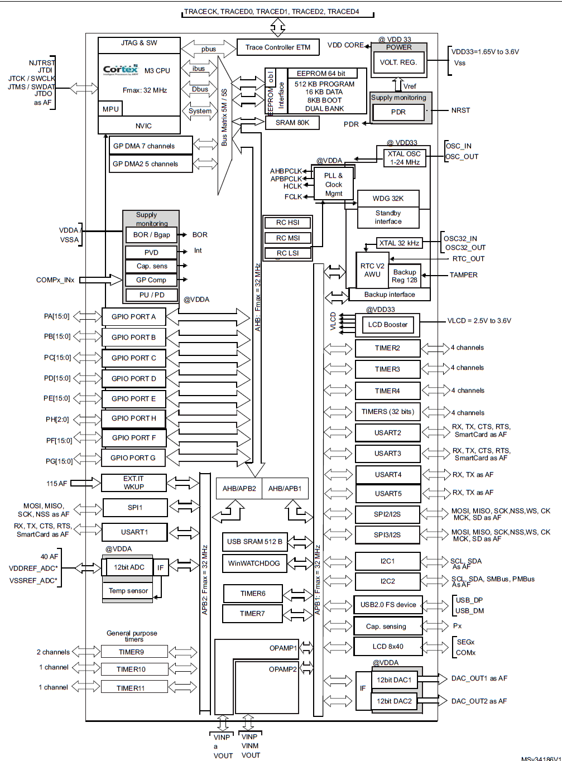
STM32L152 Block diagram

BAUD_I2C_calc
USART
Baud | fKC | OVER8 | Usartdiv(dec) | Mantissa (hex) | Fraction (hex) | BRR (hex)
115200 | 32000000 | 0 | 17.3611 | 11 | 6 | 116

 | STM32L152 reference manual page 716
 | STM32L152 reference manual oversampling page 705
 | STM32L152 reference manual USART equation1 page 708
$$USARTDIV=\frac{f_{CK}}{8∙\left(2−OVER8\right)∙BAUD}$$

I2C
Bus f (Hz) | fPCLK (Hz) | TPCLK (ns) | THIGH(ns) | CCR(DEC) | TRISE(DEC)
100000 | 32000000 | 31.25 | 5000.00 | 160 | 33

 |  | Sm mode selected with Bit 15 in CCR register

 |  | /*how to calculate CCR
 |  | TPCLK1=1/32MHz=31,25ns
 |  | tI2C_bus=1/100kHz=10us=10000ns
 |  | tI2C_bus_div2=10000ns/2=5000ns
 |  | CCR value=tI2C_bus_div2/TPCLK1=5000ns/31,25ns=160
 |  | p. 692*/

Cube_block
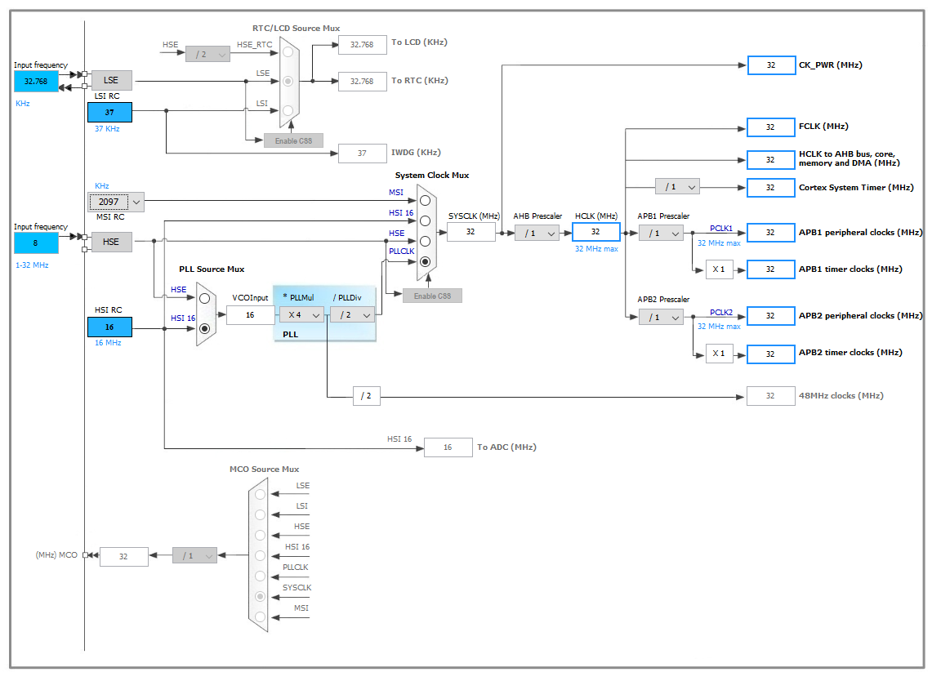

Nucleo_Board_GPIO
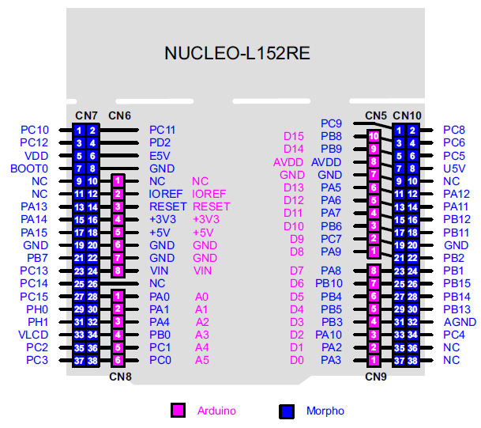

ADC_block
