Foglio1
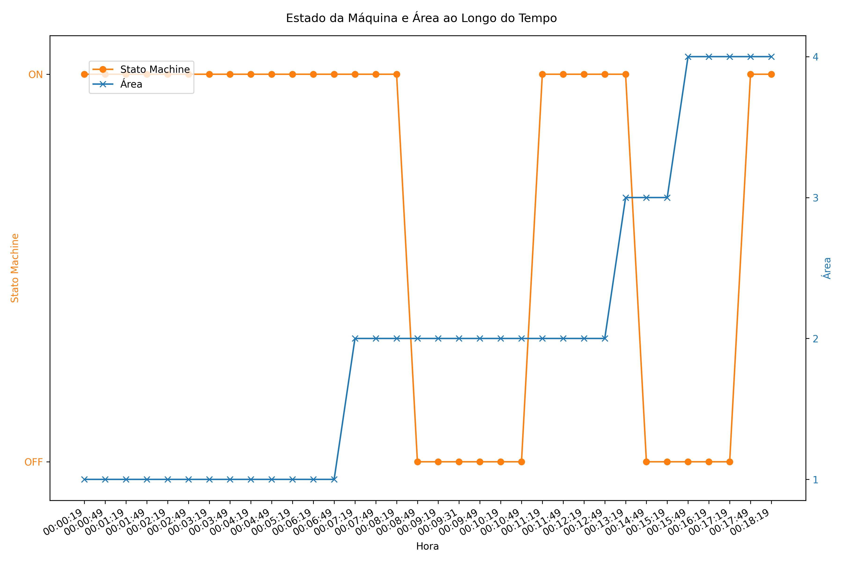
hors | area | stato machine
1900-01-01 00:00:19 | 1 | ON
1900-01-01 00:00:49 | 1 | ON
1900-01-01 00:01:19 | 1 | ON
1900-01-01 00:01:49 | 1 | ON
1900-01-01 00:02:19 | 1 | ON
1900-01-01 00:02:49 | 1 | ON
1900-01-01 00:03:19 | 1 | ON
1900-01-01 00:03:49 | 1 | ON
1900-01-01 00:04:19 | 1 | ON
1900-01-01 00:04:49 | 1 | ON
1900-01-01 00:05:19 | 1 | ON
1900-01-01 00:06:19 | 1 | ON
1900-01-01 00:06:49 | 1 | ON
1900-01-01 00:07:19 | 2 | ON
1900-01-01 00:07:49 | 2 | ON
1900-01-01 00:08:19 | 2 | ON
1900-01-01 00:08:49 | 2 | OFF
1900-01-01 00:09:19 | 2 | OFF
1900-01-01 00:09:31 | 2 | OFF
1900-01-01 00:09:49 | 2 | OFF
1900-01-01 00:10:19 | 2 | OFF
1900-01-01 00:10:49 | 2 | OFF
1900-01-01 00:11:19 | 2 | ON
1900-01-01 00:11:49 | 2 | ON
1900-01-01 00:12:19 | 2 | ON
1900-01-01 00:12:49 | 2 | ON
1900-01-01 00:13:19 | 3 | ON
1900-01-01 00:14:49 | 3 | OFF
1900-01-01 00:15:19 | 3 | OFF
1900-01-01 00:15:49 | 4 | OFF
1900-01-01 00:16:19 | 4 | OFF
1900-01-01 00:17:19 | 4 | OFF
1900-01-01 00:17:49 | 4 | ON
1900-01-01 00:18:19 | 4 | ON

