Arkusz1
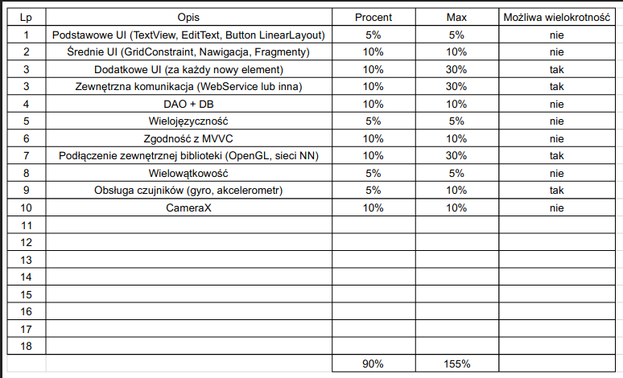

5
10
20 | recyler | menu | alert dialog | toast
10
5
0
0
5
0
0

55

