Sheet4 (2)
 | Brazil | Columbia | Russia | Thailand
Iron |  | 188 | 59 | 205
Toaster | 175 | 179 | 149 | 197
Vacuum Cleaner | 1307 | 920 | 250 | 498
Sum of Actual Price | Column Labels
Row Labels | Brazil | Columbia | Russia | Thailand | Grand Total
Iron |  | 188 | 59 | 205 | 452
Toaster | 175 | 179 | 149 | 197 | 700
Vacuum Cleaner | 1307 | 920 | 250 | 498 | 2975
Grand Total | 1482 | 1287 | 458 | 900 | 4127

Answers
 | You are the proud owner of a multinational home appliances retailer.

 | You have decided to use Pivot Table to analyze your data and see how business can be improved.
 | Your data contains information about the type of product sold, the Date each product was sold, its List Price, its actual Sale Price, the Discount %,
 | And also - Where it was sold - City, Country and Region (APAC = Asia Pacific, EMEA - Europe, Middle East and Africa, NA = North America, LATAM = Latin America)
 | The data is located in the following sheet: |  |  |  | Data

 | Now, time to answer some questions… (You can place your pivot tables in a new worksheet)

1 | How much in $ did you sell in each city?

Answer | (Scroll down for detailed explanations!)

 | Row Labels | Sum of Actual Price
 | Amsterdam | 14850
 | Athens | 11167
 | Bangalore | 16255
 | Bangkok | 13302
 | Berlin | 16397
 | Birmingham | 12568
 | Bogota | 16247
 | Bucharest | 13102
 | Buenos Aires | 15724
 | Cairo | 12816
 | Capetown | 15686
 | Chicago | 12852
 | Delhi | 16552
 | Dubai | 11520
 | Dublin | 17896
 | Guangzhou | 10641
 | Ho Chi Minh City | 10698
 | Houston | 3671
 | Istanbul | 12263
 | Jerusalem | 10932
 | Kansas City | 15163
 | Kuala Lumpur | 12700
 | Lima | 11257
 | London | 16987
 | Los Angeles | 15424
 | Madria | 17477
 | Mexico City | 11917
 | Moscow | 21083
 | New York | 14197
 | Osaka | 14835
 | Paris | 16374
 | Prague | 16686
 | Riyadh | 12205
 | Rochester | 3095
 | Rome | 11910
 | San Fransisco | 15800
 | Santiago | 13040
 | Sao Paolo | 13051
 | Seattle | 9990
 | Seoul | 15677
 | Shanghai | 15643
 | Shenzhen | 9957
 | Sydney | 14886
 | Tel Aviv | 15277
 | Tijuana | 17253
 | Tokyo | 15884
 | Toronto | 11938
 | Vancouver | 4653
 | Vienna | 13672
 | Warsaw | 14846
 | Grand Total | 678016

 | Pivot Table is a great tool for summarizing and analyzing data.
 | We can use it to perform calculations on our data based on certain criteria. For example - Sales per Store, Sales per Year, Average Discount per Region, and many more…

 | To create a new Pivot Table, we need to click on one of the desired cells in our data range, then click Insert tab, then Pivot Table

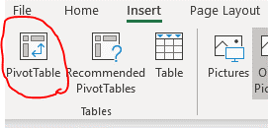

 | After we click this, the following dialog box will open:

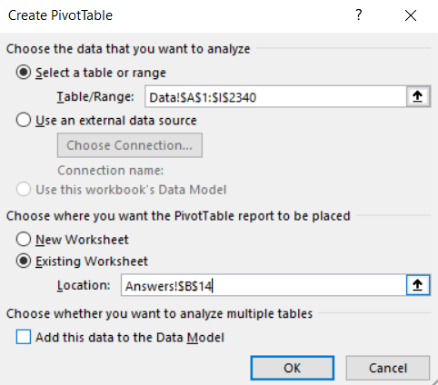

 | In this dialog box, we do to following:
 | Select a table or range - This will be the source of our Pivot Table report. It automatically identifies the table range if a specific cell was already selected.
 | Choose where you want the PivotTable report to be placed: We can place our new Pivot Table in a new worksheet, or in an existing one. Up to you to decide.
 | If we select "Existing Worksheet", we need to specify the first cell from which we want to build the report. Make sure you have a couple of free rows from above (For future filters, as will be explained later). So A1 is not a good idea.

 | After our Pivot Table is in place, the empty report will look like this:


 | Take a look at the right corner - This is where we build our Pivot Table.
 | On the upper side, we can see different field names - These are based on the headers of our original data range.
 | Now, we can start calculating and slicing our data based on these fields - by dragging the fields to one of the following areas in the bottom-right corner:

 | Rows | Here we'll drag the fields which we want to aggregate by their values, and display them as rows.
 | Columns | Here we'll drag the fields which we want to aggregate by their values, and display them as columns.
 | Values | Here is where the magic happens. This area will perform calculations on the desired field - Sum, Count, Average, Max, Min, Standard Deviation and many more…
 | Filters | Here we can drag fields which we want to use as external filters, meaning that only specific data will be shown, based on these filters.

 | Now, let's see how this works:
 | We were asked calculate the sum of sells in each city. Our city field is called "Store", and our actual sales are presented in "Actual Price" field.
 | So basically, what we need to do is to drag the "Store" Field to the rows area (just click and drag), and drag the "Actual Price" field to the Values area.

 | After dragging the fields to their areas, it should like this:
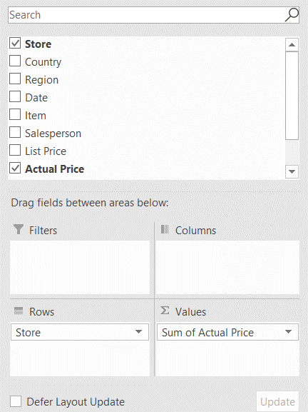

 | We can see that Actual Price is shown as "Sum of Actual Price". This means that Excel decided by default to sum the Actual Price field.

 | Other than summing a field, Excel might sometimes decide by default to count a field. In case we want to change the way Excel calculates a field, we can:

 | Clich here:

 | Then click "Value Field Settings"

 | The following dialog box appears:

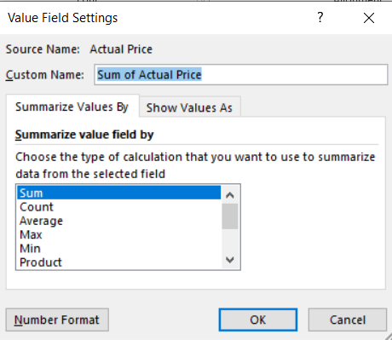

 | Here we can decide whether we want to Sum, Count or perform other actions on our data!

2 | Per each home appliance item, how many items were sold by your company?

Answer | As mentioned before, we can use Pivot Table not only to sum, but also to count.
 | Let's drag the "Item" field to the Rows area. Now, what should we do if we want to count the number of items? That's right - Let's drag the "Item" field (again), but now - to the Values area:
 | Row Labels | Count of Item
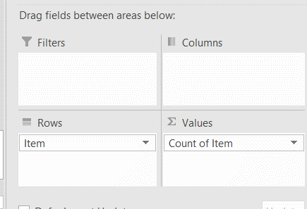
 | Air conditioner | 195
 | Blender | 196
 | Ceiling fan | 180
 | Coffee grinder | 189
 | Dishwasher | 174
 | Iron | 239
 | Microwave | 203
 | Oven | 194
 | Refrigerator | 184
 | Toaster | 190
 | Vacuum Cleaner | 196
 | Washing Machine | 199
 | Grand Total | 2339

 | As we can see, when we drag "Item" field to Values, it automaticaly changed to "Count of Item". Excel automatically detected that based on the data we have chosen, we would want to count our items.
 | As mentioned before, in case Excel makes a wrong guess (happens sometimes), just click on the field once in the relevant area -> Value Field Settings -> Choose the correct action.

3 | Now, create a table which shows a breakdown of Total Revenue from each of Items Sold (in Rows), and the Regions each item was sold (in Columns).

Answer | For that, we will drag "Item" field into Rows, and Region field into Columns. The Value to be calculated is the Sum of Actual Price:
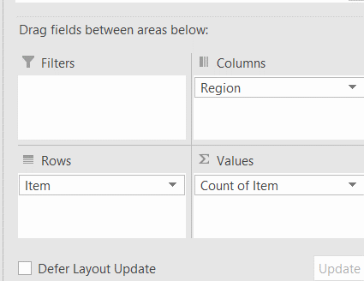
 | Count of Item | Column Labels
 | Row Labels | APAC | EMEA | LATAM | NA | Grand Total
 | Air conditioner | 54 | 82 | 26 | 33 | 195
 | Blender | 43 | 88 | 34 | 31 | 196
 | Ceiling fan | 40 | 82 | 24 | 34 | 180
 | Coffee grinder | 53 | 77 | 27 | 32 | 189
 | Dishwasher | 37 | 90 | 27 | 20 | 174
 | Iron | 60 | 100 | 35 | 44 | 239
 | Microwave | 52 | 90 | 30 | 31 | 203
 | Oven | 48 | 78 | 31 | 37 | 194
 | Refrigerator | 49 | 84 | 26 | 25 | 184
 | Toaster | 45 | 72 | 30 | 43 | 190
 | Vacuum Cleaner | 41 | 92 | 32 | 31 | 196
 | Washing Machine | 48 | 89 | 30 | 32 | 199
 | Grand Total | 570 | 1024 | 352 | 393 | 2339

4 | Now, based on your last Pivot Table, Apply filter so only Microwave, Oven and Refrigerators will show in "Item".
 | Additionally, remove NA from the "Region" field.

Answer | In order to filter existing fields in our Pivot Table, we just need to click the triangles next to "Row Labels" and "Column Labels", and filter the values as we wish:
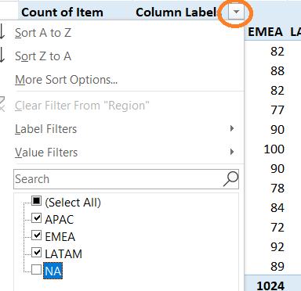
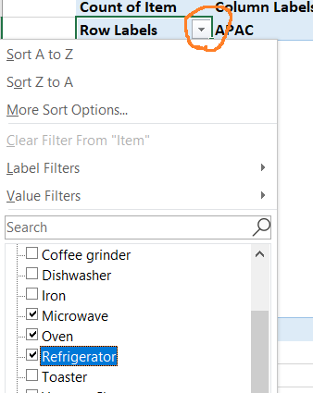

 | And this is the result:

 | Count of Item | Column Labels
 | Row Labels | APAC | EMEA | LATAM | Grand Total
 | Microwave | 52 | 90 | 30 | 172
 | Oven | 48 | 78 | 31 | 157
 | Refrigerator | 49 | 84 | 26 | 159
 | Grand Total | 149 | 252 | 87 | 488

5 | Now, show the Average Discount % per Sales Person. Apply an external filter that will show only sales made in Columbia. Sort the results in Ascending Order. Who's the best sales agent?

Answer | First, we need to understand how to apply External Filter. An External Filter allows us to filter on a field which doesn't appear in the Pivot Table.
 | To add such a filter, we will drag the "Country" field to the Filter area.
 | Then, we will drag the "Salesperson" field to the Rows area, and the Discount % to the Values area.
 | In order to calculate the average Discount %, we will click on the Discount % field in Values area -> Value Field Settings -> Average.
 | Now, let's format the numbers as % -> Right click on of the Pivot Table % cells -> Number Format -> Percentage:
 | To sort items in a Ascending Order, Right Click the values column -> Sort Smallest to Largest

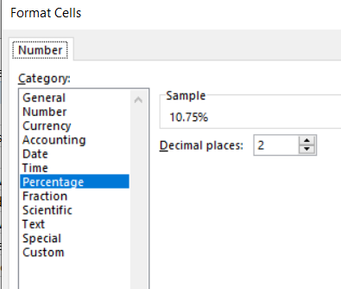
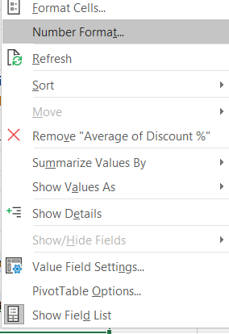
 |  |  |  | Format as %:
 | Country | Czech Republic

 | Row Labels | Average of Discount %
 | Alison Hallows | 3.75%
 | Maureen Haymes | 5.67%
 | Terence Mirza | 7.46%
 | Andrew Waddell | 8.00%
 | Rachel Blane | 8.78%
 | David Stewart | 10.95%
 | Stephen Nolan | 11.01%
 | Christopher Martin | 12.63%
 | Christopher Lloyd | 13.67%
 | Edward Khan | 14.29%
 | Nick Denny | 14.72%
 | Pauline Pluck | 19.67%
 | Grand Total | 11.67% |  |  |  |  |  |  |  | Sort Ascending:

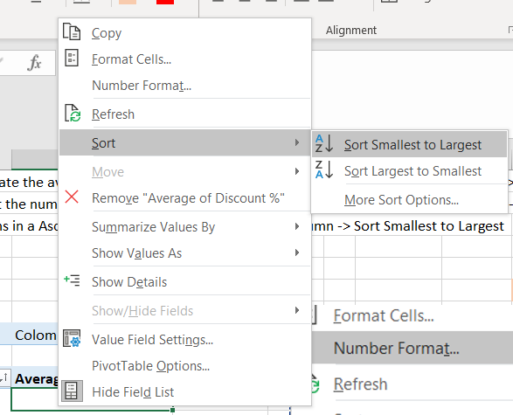
 | So, it looks like Gary Percival is our winner, as he gives less discounts on average compared to his colleagues!
 | Wait, but is it all? We were asked - Who's the best sales agent, not who gives less discounts!

 | Let's dig deeper, by dragging Item (Count) and Actual Price (Sum) - To see how Gary performed quantity-wise:

 | Country | Czech Republic

 | Row Labels | Average of Discount % | Count of Item | Sum of Actual Price
 | Edward Khan | 14.29% | 7 | 3785
 | David Stewart | 10.95% | 7 | 2717
 | Nick Denny | 14.72% | 7 | 1941
 | Maureen Haymes | 5.67% | 3 | 1607
 | Andrew Waddell | 8.00% | 3 | 1218 |  |  |  |  | As you can see, we can drag multiple fields to Values area to perform multiple calculations:
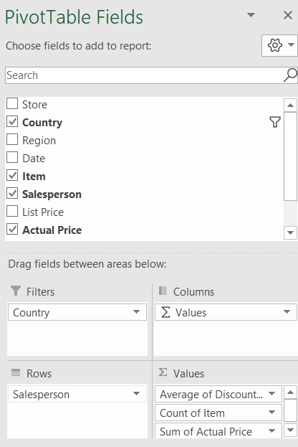
 | Pauline Pluck | 19.67% | 3 | 1169
 | Terence Mirza | 7.46% | 4 | 1055
 | Stephen Nolan | 11.01% | 6 | 883
 | Rachel Blane | 8.78% | 4 | 803
 | Christopher Martin | 12.63% | 5 | 758
 | Christopher Lloyd | 13.67% | 3 | 673
 | Alison Hallows | 3.75% | 1 | 77
 | Grand Total | 11.67% | 53 | 16686

 | Now, if we sort the Sum of Actual Price column from Largest to Smallest, we can see that Anthony Westlake sold 4 times more in $ than Gary!
 | Additionally, Many other sales agents sold more items than Gary. We could understand it quite easily using Pivot Table!

6 | Create a report detailing the $ Sales by Region, Country and Store, in the following format:

 | Region | Country | Store | Sales
 | EMEA | Russia | Moscow | 123
 | APAC | Japan | Tokyo | 456

 | and so on…

Answer | To solve this, we can insert multiple fields into our Rows area, by dragging them one after the other.
 | We will start by dragging the Region, Country and Store fields to the Rows area:

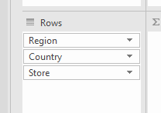

 | Please note - The order of the fields is important - We start from the "Region" Field, then drill down by "Country", and then finally "Store".
 | Afterwards, we need to drag the "Sales" field to the Values area.

 | Now our Pivot looks like this:

 | Row Labels | Sum of Actual Price
 | APAC | 167030
 | Australia | 14886
 | Sydney | 14886
 | China | 36241
 | Guangzhou | 10641
 | Shanghai | 15643
 | Shenzhen | 9957
 | India | 32807
 | Bangalore | 16255
 | Delhi | 16552
 | Japan | 30719
 | Osaka | 14835
 | Tokyo | 15884
 | Malaysia | 12700
 | Kuala Lumpur | 12700
 | South Korea | 15677
 | Seoul | 15677
 | Thailand | 13302
 | Bangkok | 13302
 | Vietnam | 10698
 | Ho Chi Minh City | 10698
 | EMEA | 305714
 | Austria | 13672
 | Vienna | 13672
 | Czech Republic | 16686
 | Prague | 16686
 | Egypt | 12816
 | Cairo | 12816
 | France | 16374
 | Paris | 16374
 | Germany | 16397
 | Berlin | 16397
 | Greece | 11167
 | Athens | 11167
 | Ireland | 17896
 | Dublin | 17896
 | Israel | 26209
 | Jerusalem | 10932
 | Tel Aviv | 15277
 | Italy | 11910
 | Rome | 11910
 | Netherlands | 14850
 | Amsterdam | 14850
 | Poland | 14846
 | Warsaw | 14846
 | Romania | 13102
 | Bucharest | 13102
 | Russia | 21083
 | Moscow | 21083
 | Saudi Arabia | 12205
 | Riyadh | 12205
 | South Africa | 15686
 | Capetown | 15686
 | Spain | 17477
 | Madria | 17477
 | Turkey | 12263
 | Istanbul | 12263
 | UAE | 11520
 | Dubai | 11520
 | UK | 29555
 | Birmingham | 12568
 | London | 16987
 | LATAM | 98489
 | Argentina | 15724
 | Buenos Aires | 15724
 | Brazil | 13051
 | Sao Paolo | 13051
 | Chile | 13040
 | Santiago | 13040
 | Mexico | 29170
 | Mexico City | 11917
 | Tijuana | 17253
 | Peru | 11257
 | Lima | 11257
 | Columbia2 | 16247
 | Bogota | 16247
 | NA | 106783
 | Canada | 16591
 | Toronto | 11938
 | Vancouver | 4653
 | USA | 90192
 | Chicago | 12852
 | Houston | 3671
 | Kansas City | 15163
 | Los Angeles | 15424
 | New York | 14197
 | Rochester | 3095
 | San Fransisco | 15800
 | Seattle | 9990
 | Grand Total | 678016

 | Can we agree this looks pretty ugly?
 | So to fix this, first we need to change the layout of the Pivot Table:
 | Select one of the Pivot Table cells, then go to Design tab under PivotTable Tools:

 | Now, change Report Layout to "Show in Tabular Form"
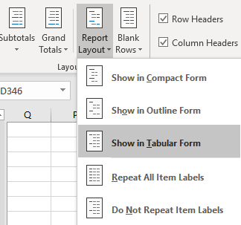

 | Next, under Report Layout, Click "Repeat All Item Labels"

 | Finally, if the Subtotals are a pain in the eye, we can remove them by clicking Subtotal - Do Not Show Subtotals:

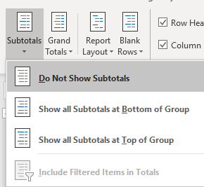

 | Now, our result will look like this (Nice, right?):

 | Region | Country | Store | Sum of Actual Price
 | APAC | Australia | Sydney | 14886
 | APAC | China | Guangzhou | 10641
 | APAC | China | Shanghai | 15643
 | APAC | China | Shenzhen | 9957
 | APAC | India | Bangalore | 16255
 | APAC | India | Delhi | 16552
 | APAC | Japan | Osaka | 14835
 | APAC | Japan | Tokyo | 15884
 | APAC | Malaysia | Kuala Lumpur | 12700
 | APAC | South Korea | Seoul | 15677
 | APAC | Thailand | Bangkok | 13302
 | APAC | Vietnam | Ho Chi Minh City | 10698
 | EMEA | Austria | Vienna | 13672
 | EMEA | Czech Republic | Prague | 16686
 | EMEA | Egypt | Cairo | 12816
 | EMEA | France | Paris | 16374
 | EMEA | Germany | Berlin | 16397
 | EMEA | Greece | Athens | 11167
 | EMEA | Ireland | Dublin | 17896
 | EMEA | Israel | Jerusalem | 10932
 | EMEA | Israel | Tel Aviv | 15277
 | EMEA | Italy | Rome | 11910
 | EMEA | Netherlands | Amsterdam | 14850
 | EMEA | Poland | Warsaw | 14846
 | EMEA | Romania | Bucharest | 13102
 | EMEA | Russia | Moscow | 21083
 | EMEA | Saudi Arabia | Riyadh | 12205
 | EMEA | South Africa | Capetown | 15686
 | EMEA | Spain | Madria | 17477
 | EMEA | Turkey | Istanbul | 12263
 | EMEA | UAE | Dubai | 11520
 | EMEA | UK | Birmingham | 12568
 | EMEA | UK | London | 16987
 | LATAM | Argentina | Buenos Aires | 15724
 | LATAM | Brazil | Sao Paolo | 13051
 | LATAM | Chile | Santiago | 13040
 | LATAM | Mexico | Mexico City | 11917
 | LATAM | Mexico | Tijuana | 17253
 | LATAM | Peru | Lima | 11257
 | LATAM | Columbia2 | Bogota | 16247
 | NA | Canada | Toronto | 11938
 | NA | Canada | Vancouver | 4653
 | NA | USA | Chicago | 12852
 | NA | USA | Houston | 3671
 | NA | USA | Kansas City | 15163
 | NA | USA | Los Angeles | 15424
 | NA | USA | New York | 14197
 | NA | USA | Rochester | 3095
 | NA | USA | San Fransisco | 15800
 | NA | USA | Seattle | 9990
 | Grand Total |  |  | 678016

7 | Based on the table from the previous question, and without removing any field - How can you change the pivot to group the values to be shown on a Region basis only? For Example:

Answer | EMEA | 123
 | APAC | 456

 | For that, we can click on one of the cells under Region in the Pivot Table, then click Analyze, then click Collapse:

 | Region | Country | Store | Sum of Actual Price
 | APAC |  |  | 167030
 | EMEA |  |  | 305714
 | LATAM |  |  | 98489
 | NA |  |  | 106783
 | Grand Total |  |  | 678016

 | We can expand the table again by clicking Expand Field.

8 | As part of a re-organization process, you have decided that NA (North America) and LATAM (Latin America) should be consolidated into one entity called "Americas".
 | Rename the data accordingly to have the Pivot from previous question show the new "Americas" value instead of LATAM and NA.

Answer | First, let's change our Data labels for NA and LATAM to Americas.
 | We can do it easily by selecting the Region column in our original data, then clicking CTRL + H, opening the dialog box of Find and Replace.
 | To make sure that our values are replaced only within the relevant column and not in the whole workbook, click Options, then make sure "Sheet" is selected in the "Within" option.

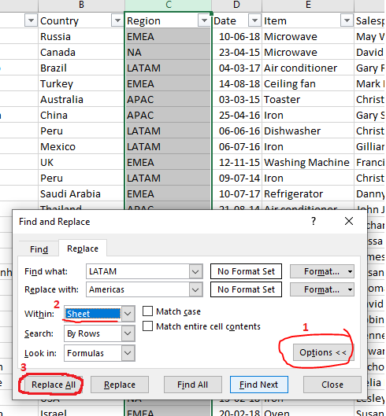

 | Now, after asking to find LATAM and replace with Americas, Click Replace All to replace all values.
 | Do the same with NA -> Americas

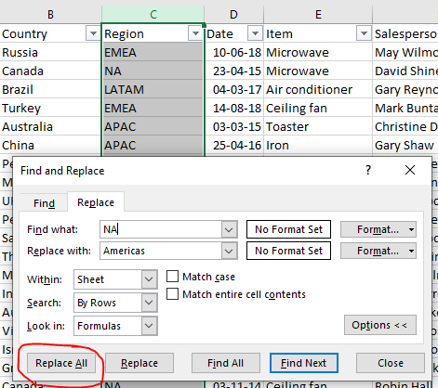

 | Now, after changing our data,if we go back to our Pivot Table, we'll notice nothing has changed. Why?
 | The reason for this is because Pivot Tables need to be Refreshed in order to show the updated data.
 | To refresh a Pivot Table, right click on the Pivot, then click Refresh:

 | Now your Pivot looks like this: (Note - you need to Collapse your data again after refreshing…)

 | Region | Country | Store | Sum of Actual Price
 | Americas |  |  | 205272 |  | Please note - the following Pivot Table is based on the ammended data in the following sheet: |  |  |  |  |  |  | Data for answer 8
 | APAC |  |  | 167030
 | EMEA |  |  | 305714
 | Grand Total |  |  | 678016

9 | You found out that your Financial Controller, whom you fired last week for falling asleep during work hours, has ommitted the following transactions from APAC and EMEA from your books. Add them to the bottom of your data, and make sure that the last Pivot Table includes these rows!

 | Store | Country | Region | Date | Item | Salesperson | List Price | Actual Price | Discount % |  | No need to copy this row!
 | Capetown | South Africa | EMEA | 2018-06-10 | Coffee grinder | Noel Bull | 50 | 20 | 60.00%
 | Sydney | Australia | APAC | 2018-06-12 | Iron | Christine Davies | 50 | 18 | 64.00%
 | Sydney | Australia | APAC | 2018-06-13 | Toaster | Susan Luker | 150 | 68 | 54.67%
 | Riyadh | Saudi Arabia | EMEA | 2018-06-14 | Toaster | Victoria Sherwin | 500 | 175 | 65.00%
 | Tel Aviv | Israel | EMEA | 2018-06-15 | Toaster | David Isaacs | 30 | 14 | 53.33%
 | Istanbul | Turkey | EMEA | 2018-06-16 | Ceiling fan | George Sherwin | 700 | 315 | 55.00%
 | Kuala Lumpur | Malaysia | APAC | 2018-06-17 | Washing Machine | Valerie Hook | 1000 | 360 | 64.00%
 | Dublin | Ireland | EMEA | 2018-06-18 | Blender | Robert Harris | 70 | 28 | 60.00%
 | Madria | Spain | EMEA | 2018-06-20 | Iron | Roy Nunes | 150 | 65 | 56.67%
 | Kuala Lumpur | Malaysia | APAC | 2018-06-21 | Microwave | Ian Baker | 700 | 273 | 61.00%
 | Sydney | Australia | APAC | 2018-06-22 | Blender | Richard Manning | 150 | 45 | 70.00%
 | London | UK | EMEA | 2018-06-23 | Vacuum Cleaner | Claire Brooks | 50 | 20 | 60.00%

Answer | First, let's copy the missing data and add it to the bottom of our Data (Please note - we added the data to "Data for answer 9" sheet) |  |  |  |  |  |  |  |  |  |  | Data for answer 9
 | Note that there's no need to copy the header row again, as we already have that in our data.

 | Now, after copying our data, what's next?

 | If we hit refresh on our Pivot table, will notice that nothing changes…

 | Region | Country | Store | Sum of Actual Price
 | Americas |  |  | 205272
 | APAC |  |  | 167030
 | EMEA |  |  | 305714
 | Grand Total |  |  | 678016

 | This is due to the fact that our Pivot Table doesn't take into consideration our new rows.
 | In order to make sure these rows are contained in the Pivot Table, we can do one of the following:

A | Manually changing the data source
 | Click on the Pivot Table, then click on Analyze tab, then "Change Data Source".
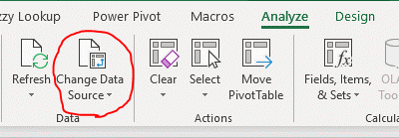

 | Now, we can change the data range to include the new rows as well (we can type it or just select all data by clicking one of the cells, then clicking CTRL + A (Select all)

 | Before (2340 rows): |  |  |  |  | After (2352 rows):
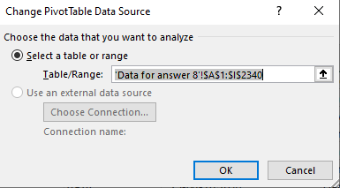
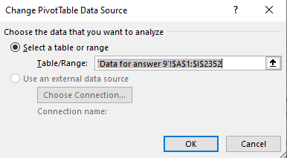

 | Now, here's our new data:

 | Region | Country | Store | Sum of Actual Price
 | Americas |  |  | 205272
 | APAC |  |  | 167794
 | EMEA |  |  | 306351
 | Grand Total |  |  | 679417

B | Transform your data into a Table and never worry again about ranges

 | Table is a feature which tells Excel to treat a specific range as one data unit, and allows the user to perform quick calculations and formatting on this data.
 | We can convert our normal data rang into a Table by clicking our data, and then clicking Insert - Table:
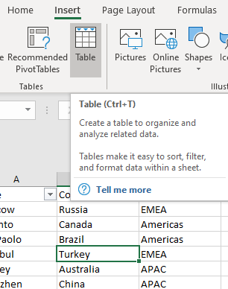

 | After we Click OK (Keep the V on "My table as headers), our data looks like this: |  |  |  |  |  | Table-answer 9

 | Now, if we try to create a Pivot Table based on our table, we will see that we no more have to deal with ranges!

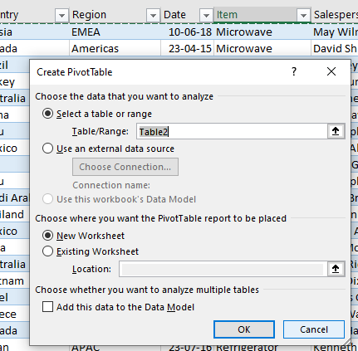

 | From now on, Excel refers to the range as Table2. Now - try to add a new row to your data - You will see that the table immediately expands downwards.
 | When we work with tables as our source for Pivot Tables, we don't need to change the Data Source each time - We just need to hit Refresh to see the new data!

10 | Create a Pie Chart showing the $ amount of sales per store in the USA.

Answer | We can easily create charts based on our Pivot Tables, or even from scratch, using the Pivot Chart tool.
 | Pivot Chart is basically a chart which is based on a Pivot Table as its source.
 | To create one from an existing Pivot Table, we can just click Analyze - Pivot Chart:

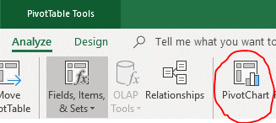

 | We can also create a Pivot Chart from scratch, by selecting our desired data range, then clicking Insert -> Pivot Chart

 | Now, we can build our Chart by dragging the relevant fields to their corresponding areas:

 | We want to sum our Actual Price by Store, with a Filter showing only the USA:

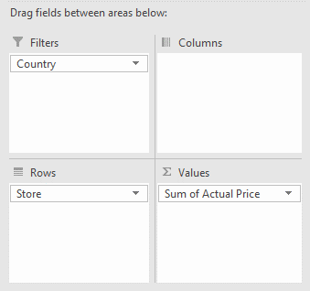

 | Note that if you drag the items to the Pivot Chart itself, the area labels will look a little bit different:

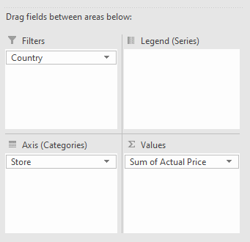

 | Now, let's filter out all countries except USA, and this is how our Chart will look like:

 | Country | USA

 | Row Labels | Sum of Actual Price
 | Chicago | 12852
 | Houston | 3671
 | Kansas City | 15163
 | Los Angeles | 15424
 | New York | 14197
 | Rochester | 3095
 | San Fransisco | 15800
 | Seattle | 9990
 | Grand Total | 90192

 | Now, all we need to do is to change our chart type to Pie Chart:
 | Select the chart, click Design - Change Chart Type:

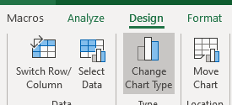

 | Now, select Pie Chart:

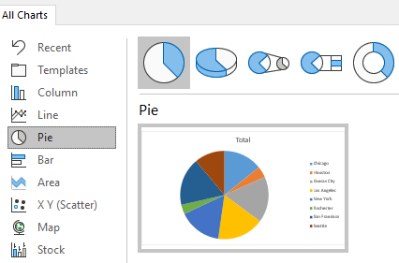

 | And that's it, now we have a Pie Chart, summing the revenue in the USA by stores!

 | Country | USA

 | Row Labels | Sum of Actual Price
 | Chicago | 12852
 | Houston | 3671
 | Kansas City | 15163
 | Los Angeles | 15424
 | New York | 14197
 | Rochester | 3095
 | San Fransisco | 15800
 | Seattle | 9990
 | Grand Total | 90192

11 | Add a Slicer to your last Pivot Chart that allows you to filter your chart by Item.

Answer | To add a Slicer, which allows you to perform a visual filtering on your data, select your Pivot Table, then click Analyze -> Insert Slicer:

 | Now, select "Item" and click OK:

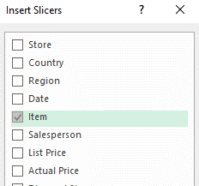

 | That's it! Now you have a Slicer! When you click any of the items, your Pivot Table and Pivot Chart will be filtered automatically!
 | If you want to filter multiple items at once - Use the Ctrl or Shift buttons. Click |  |  |  |  |  | to stop filtering
 | Feel free to add as many slicers as you want!

 | Country | USA

 | Row Labels | Sum of Actual Price
 | Chicago | 158
 | Kansas City | 219
 | Los Angeles | 296
 | New York | 349
 | San Fransisco | 219
 | Seattle | 332
 | Grand Total | 1573

Sheet2
Row Labels | Sum of Actual Price
Argentina | 15724
Buenos Aires | 15724
Australia | 14886
Sydney | 14886
Austria | 13672
Vienna | 13672
Brazil | 13051
Sao Paolo | 13051
Canada | 16591
Toronto | 11938
Vancouver | 4653
Chile | 13040
Santiago | 13040
China | 36241
Guangzhou | 10641
Shanghai | 15643
Shenzhen | 9957
Columbia | 16247
Bogota | 16247
Czech Republic | 16686
Prague | 16686
Egypt | 12816
Cairo | 12816
France | 16374
Paris | 16374
Germany | 16397
Berlin | 16397
Greece | 11167
Athens | 11167
India | 32807
Bangalore | 16255
Delhi | 16552
Ireland | 17896
Dublin | 17896
Israel | 26209
Jerusalem | 10932
Tel Aviv | 15277
Italy | 11910
Rome | 11910
Japan | 30719
Osaka | 14835
Tokyo | 15884
Malaysia | 12700
Kuala Lumpur | 12700
Mexico | 29170
Mexico City | 11917
Tijuana | 17253
Netherlands | 14850
Amsterdam | 14850
Peru | 11257
Lima | 11257
Poland | 14846
Warsaw | 14846
Romania | 13102
Bucharest | 13102
Russia | 21083
Moscow | 21083
Saudi Arabia | 12205
Riyadh | 12205
South Africa | 15686
Capetown | 15686
South Korea | 15677
Seoul | 15677
Spain | 17477
Madria | 17477
Thailand | 13302
Bangkok | 13302
Turkey | 12263
Istanbul | 12263
UAE | 11520
Dubai | 11520
UK | 29555
Birmingham | 12568
London | 16987
USA | 90192
Chicago | 12852
Houston | 3671
Kansas City | 15163
Los Angeles | 15424
New York | 14197
Rochester | 3095
San Fransisco | 15800
Seattle | 9990
Vietnam | 10698
Ho Chi Minh City | 10698
Grand Total | 678016

Sheet1
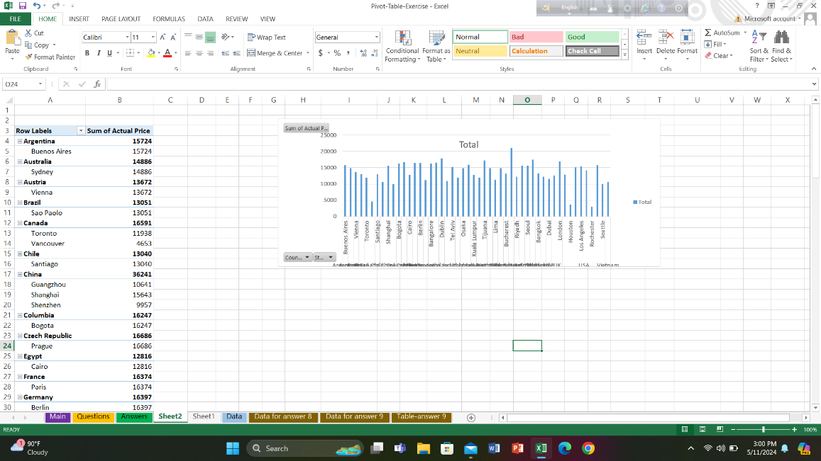
1)
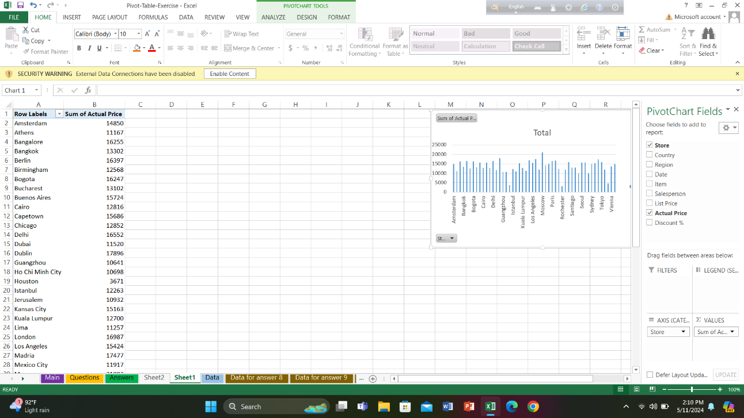

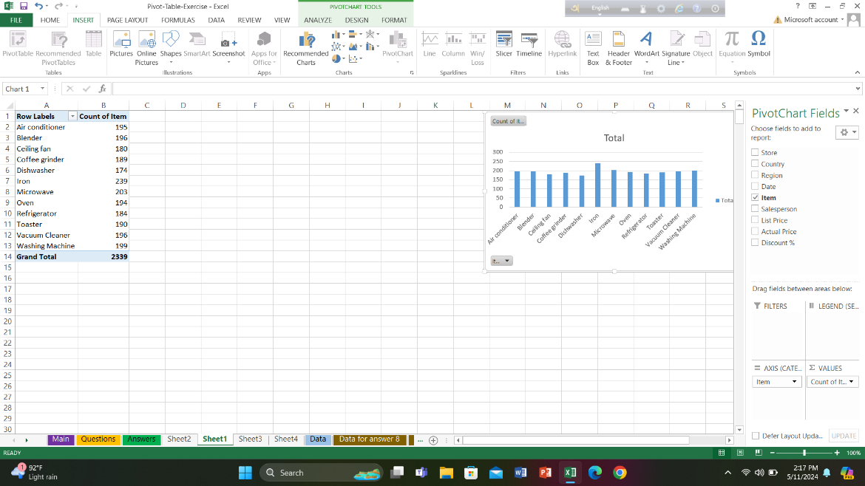
2)

3)
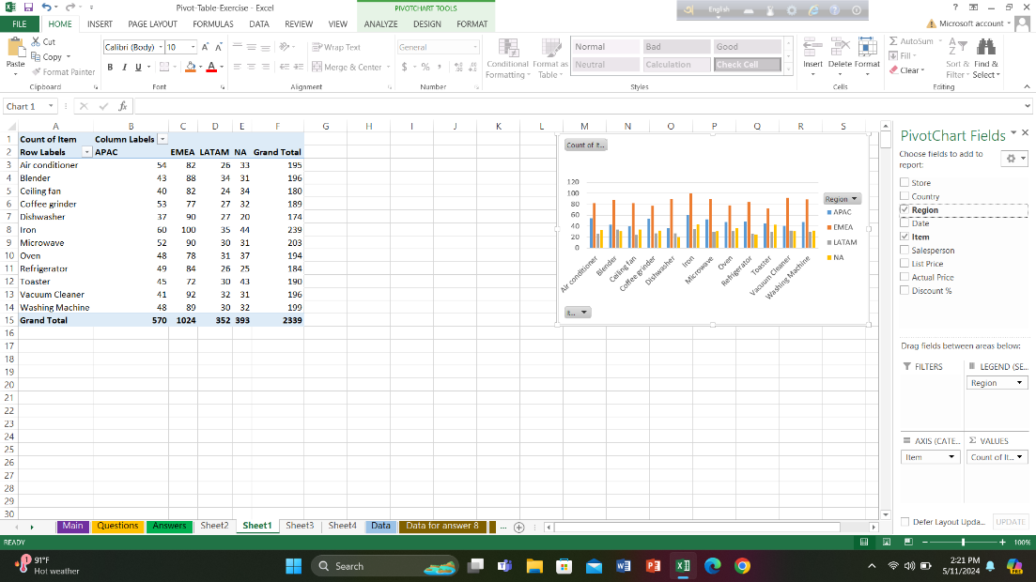

4)
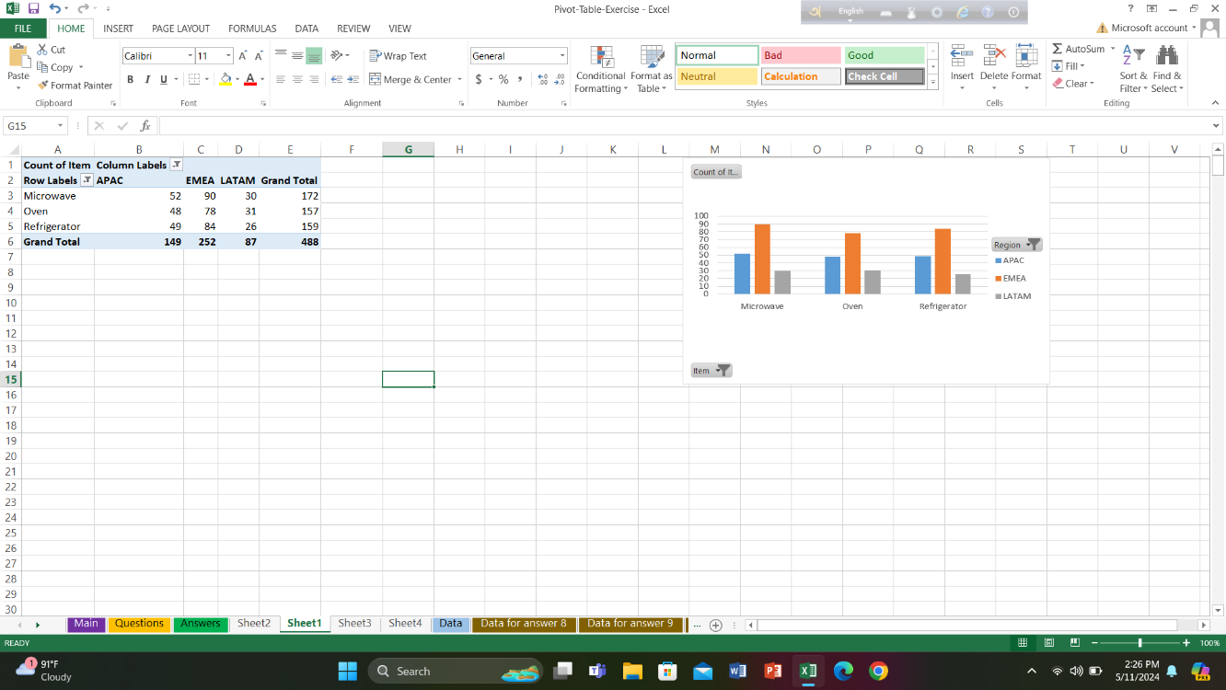

5)
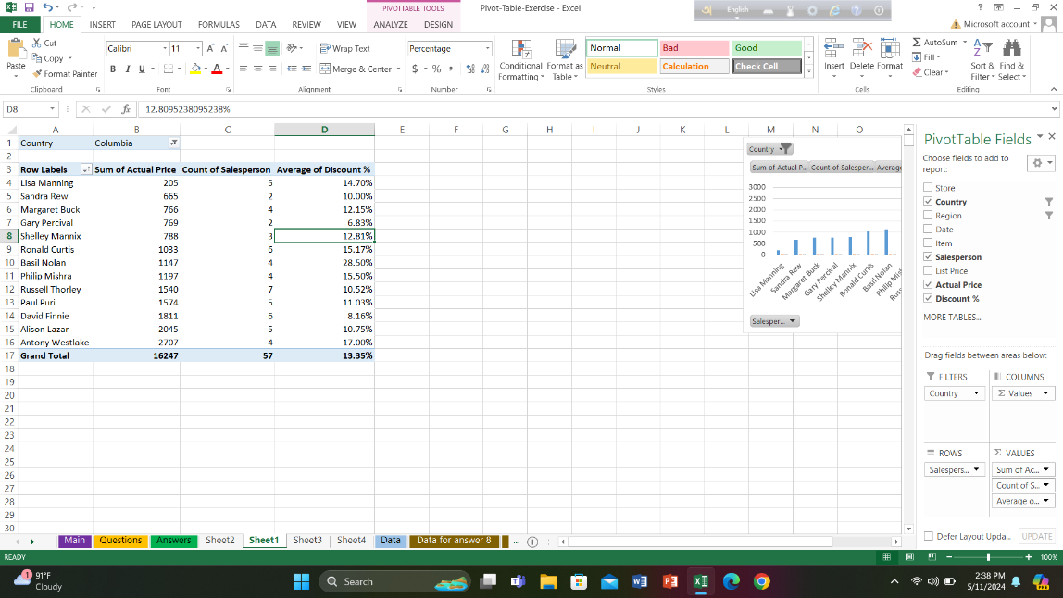

6)

Sheet4
Row Labels | Sum of Actual Price
LATAM | 16247
Columbia | 16247
Bogota | 16247
Grand Total | 16247

Sheet5
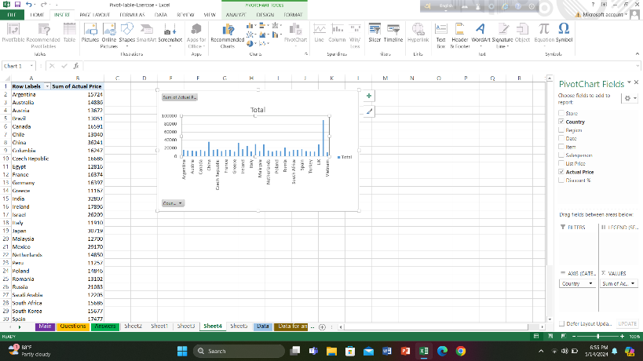

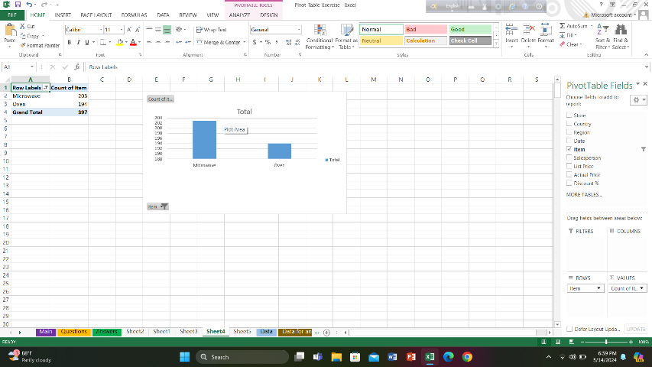

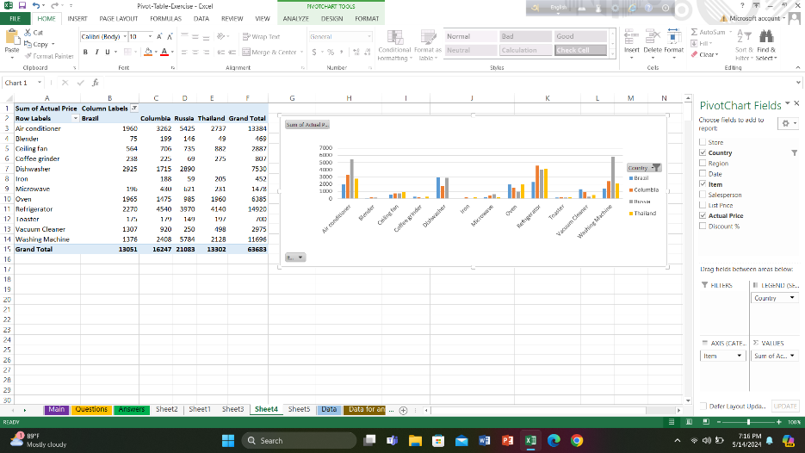

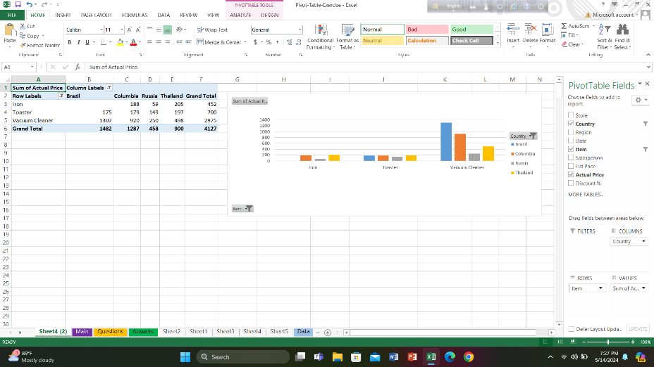

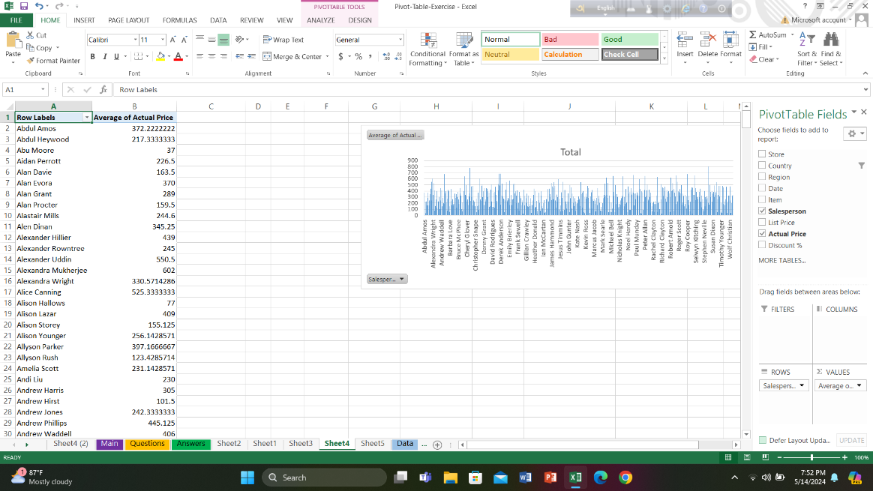

Sheet7
Region | Store | Sum of Actual Price
APAC |  | 167030
EMEA |  | 305714
LATAM |  | 98489
NA |  | 106783
Grand Total |  | 678016

