Sheet2
 |  |  |  |  | Key: | Good | Bad
 | GA2 Test Results

 | TEST Set : | Checking Completed EA2 | Test No. : 1 | ID:

 | Gen 1 | Gen 2 | Gen 3 | Gen 4 | Gen 5 | Gen 6 | Gen 7 | Gen 8 | Gen 9 | Gen 10 | Final

 | 1 0 1 0 | 1 0 1 0 | 1 1 0 1 | 1 1 1 1 | 1 1 1 1 | 1 1 1 1 | 1 1 1 1 | 1 1 1 1 | 1 1 1 1 | 1 1 1 0 | 1 1 1 1
 | 1 0 0 0 | 1 0 0 0 | 0 1 1 0 | 1 0 1 0 | 1 0 0 1 | 0 1 1 1 | 1 0 1 1 | 1 0 1 0 | 0 1 0 1 | 0 1 1 0 | 1 1 1 1
 | 0 0 1 1 | 1 0 0 0 | 0 1 1 0 | 1 0 1 0 | 0 0 1 1 | 1 0 1 0 | 1 1 1 0 | 1 1 1 1 | 0 0 0 1 | 0 0 0 0 | 1 0 0 0
 | 1 1 0 0 | 1 0 1 1 | 1 1 1 0 | 0 0 0 1 | 1 0 0 1 | 0 1 1 1 | 1 1 1 0 | 0 1 0 1 | 1 0 1 0 | 0 1 1 1 | 1 0 1 0
 | 0 1 1 1 | 1 0 1 1 | 1 1 1 1 | 1 1 1 1 | 1 1 1 1 | 0 0 1 1 | 1 0 1 0 | 0 0 0 1 | 0 0 0 1 | 0 0 0 0 | 0 0 1 0
 | 1 0 0 0 | 0 1 0 1 | 0 0 0 0 | 0 0 0 1 | 0 0 0 0 | 0 0 0 0 | 0 0 1 0 | 0 0 0 1 | 0 0 0 0 | 0 0 0 0 | 0 0 0 0

 | 3.75 | 4 | 4.5 | 4.5 | 4.5 | 4.5 | 5 | 4.5 | 3.5 | 3 |  | :Manual averaging calculations for checking
 | 5 | 6 | 6 | 5 | 6 | 6 | 7 | 6 | 5 | 4 |  | :Manual Largest Fitness checking

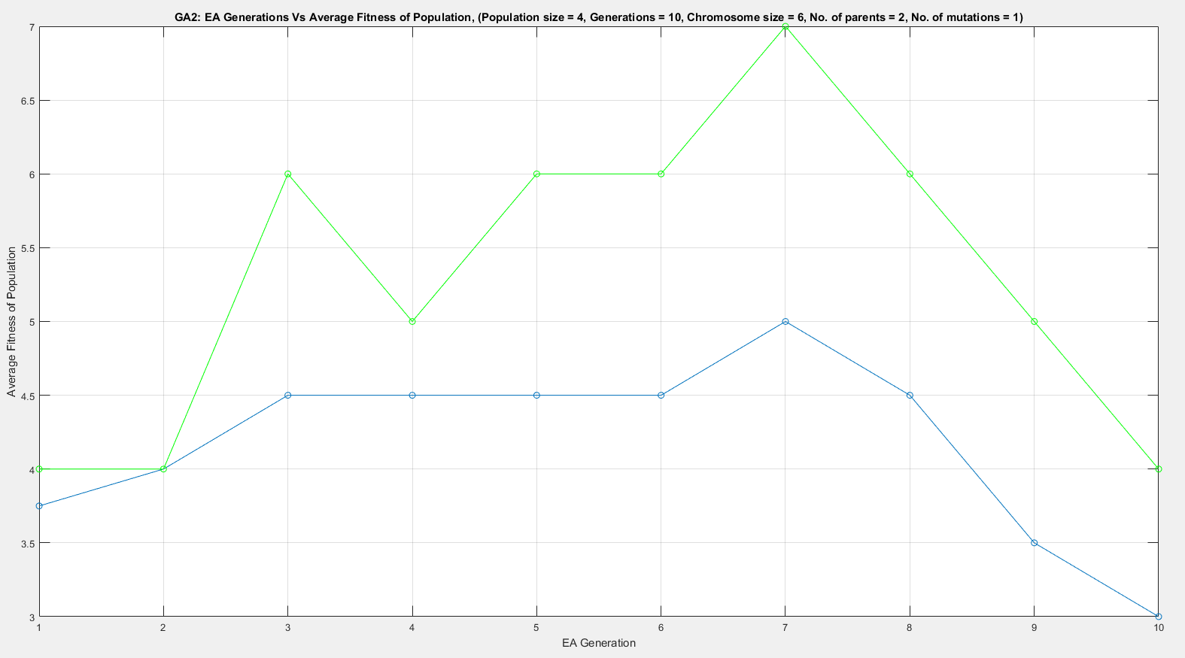
 |  |  |  |  |  |  |  |  |  |  | Reasons for test:
 |  |  |  |  |  |  |  |  |  |  | Test the graphical display of fitness each generation

 |  |  |  |  |  |  |  |  |  |  | Conclusion:
 |  |  |  |  |  |  |  |  |  |  | We can see that the graph is mapping correctly the average fitness (blue)
 |  |  |  |  |  |  |  |  |  |  | But there is a bug with the largest fitness (green) two values are wrong

 |  |  |  |  |  |  |  |  |  |  | Test Improvements needed:
 |  |  |  |  |  |  |  |  |  |  | Need to put a key onto the graph to distinguish the meaning of both the lines
 |  |  |  |  |  |  |  |  |  |  | Need to take multiple tests and look at the average
 |  |  |  |  |  |  |  |  |  |  | intreasted to see how the minimum fitness changes too

 |  |  |  |  |  |  |  |  |  |  | Resulting Software improvments:
 |  |  |  |  |  |  |  |  |  |  | key added to graph
 |  |  |  |  |  |  |  |  |  |  | minimum fitness line added to graph

 | TEST Set : | Checking Completed EA2 | Test No. : 1 | ID:

 | Gen 1 | Gen 2 | Gen 3 | Gen 4 | Gen 5 | Gen 6 | Gen 7 | Gen 8 | Gen 9 | Gen 10 | Final

 | 1 1 0 1 | 0 1 0 1 | 0 0 0 0 | 0 0 1 0 | 0 0 0 0 | 0 0 0 0 | 1 0 0 0 | 1 0 1 0 | 1 1 0 1 | 1 1 1 1 | 1 1 1 1
 | 0 0 0 0 | 1 0 1 0 | 1 1 1 1 | 1 1 1 1 | 1 0 1 1 | 0 1 0 1 | 0 1 0 0 | 1 0 0 1 | 0 1 0 1 | 0 1 0 1 | 0 1 0 1
 | 1 1 0 1 | 0 0 0 1 | 1 0 0 0 | 0 1 0 1 | 0 0 1 0 | 0 1 0 1 | 0 0 1 1 | 0 0 0 0 | 1 1 0 0 | 1 1 1 1 | 1 1 1 1
 | 0 0 1 0 | 1 0 1 0 | 1 0 1 0 | 1 0 0 0 | 0 1 1 0 | 0 0 1 1 | 1 0 1 0 | 1 1 0 0 | 1 0 1 0 | 0 0 0 1 | 1 1 0 1
 | 0 1 1 0 | 0 1 0 0 | 0 0 1 0 | 1 1 0 0 | 1 1 1 1 | 1 1 1 0 | 1 1 1 1 | 1 0 1 1 | 1 1 1 0 | 1 0 0 1 | 1 0 1 1
 | 1 1 1 1 | 1 1 1 1 | 1 1 1 1 | 1 1 1 1 | 1 1 1 1 | 1 1 0 1 | 0 1 0 1 | 1 0 0 0 | 1 0 1 0 | 0 1 0 0 | 1 0 1 0

 | 4.25 | 4 | 4 | 4.5 | 4.5 | 4 | 4 | 3.5 | 4.5 | 4.5 |  | :Manual averaging calculations for checking
 | 5 | 4 | 5 | 5 | 6 | 5 | 4 | 6 | 6 | 6 |  | :Manual Largest Fitness checking

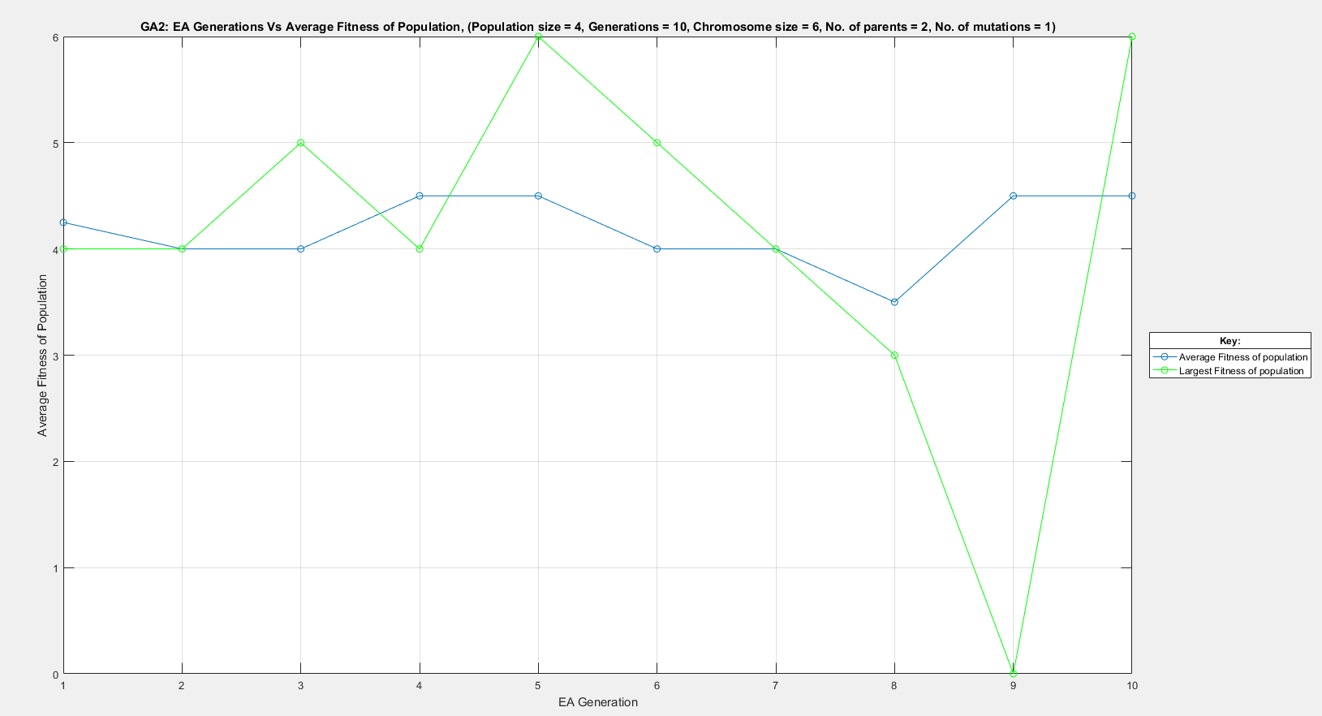

Test 3 | Found the cause of the bug

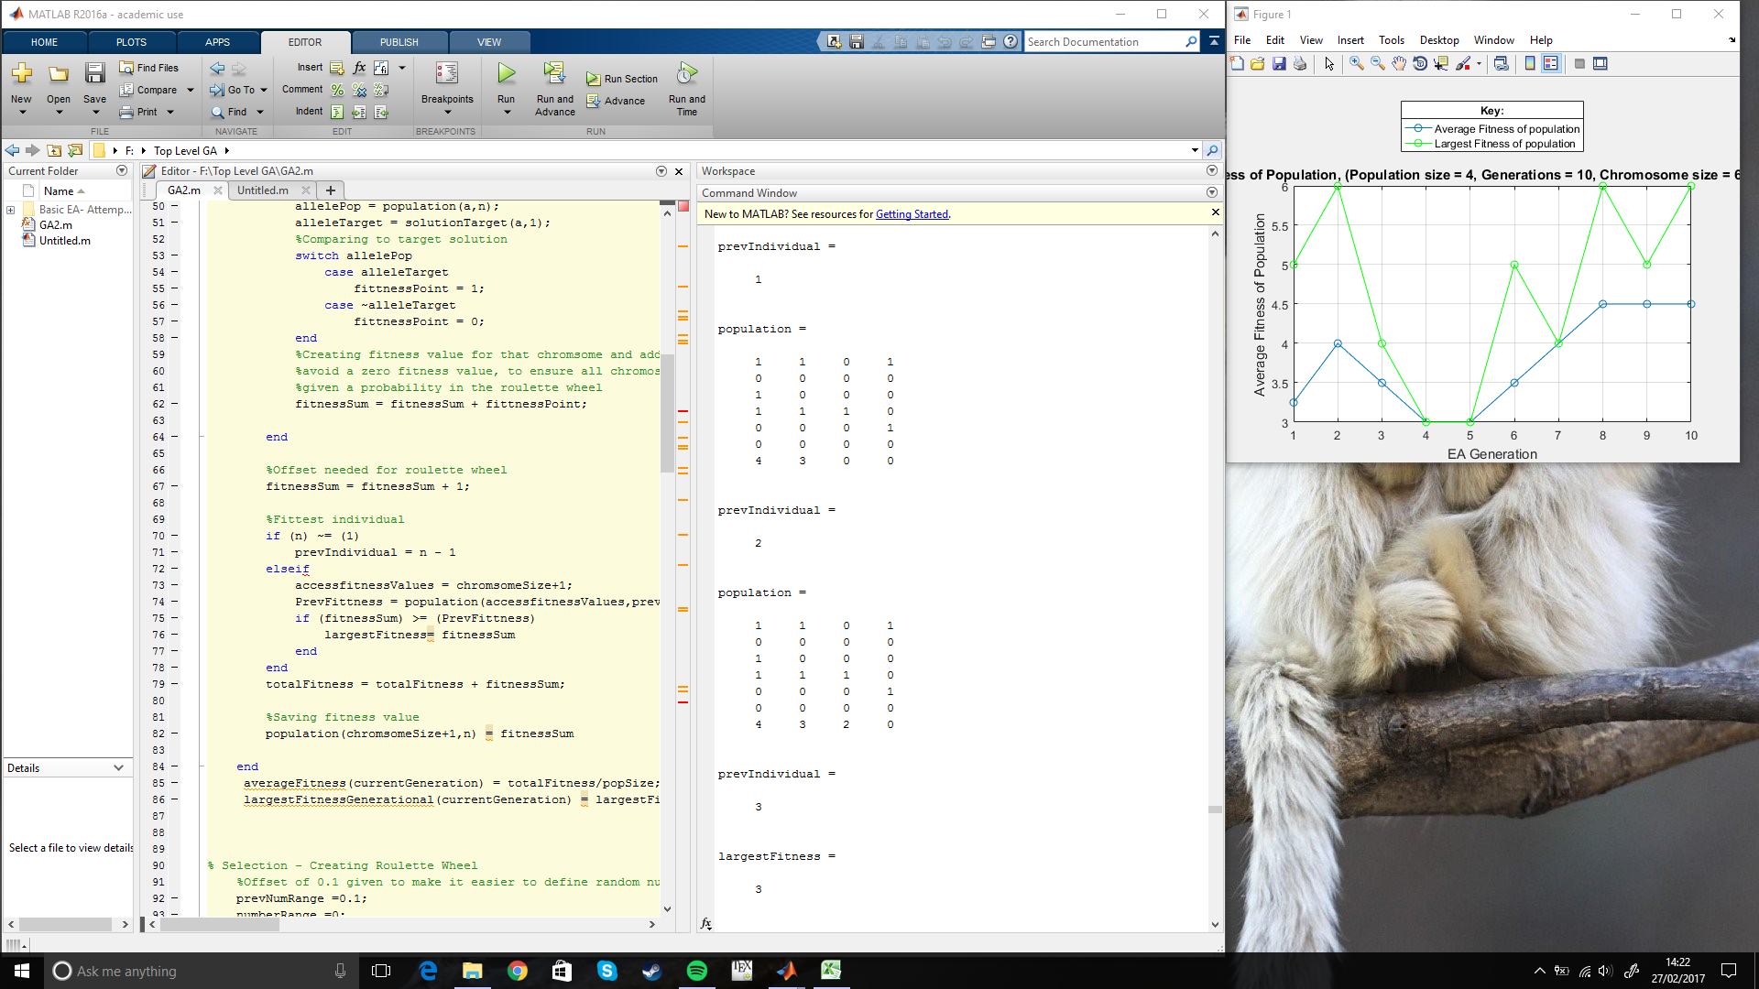

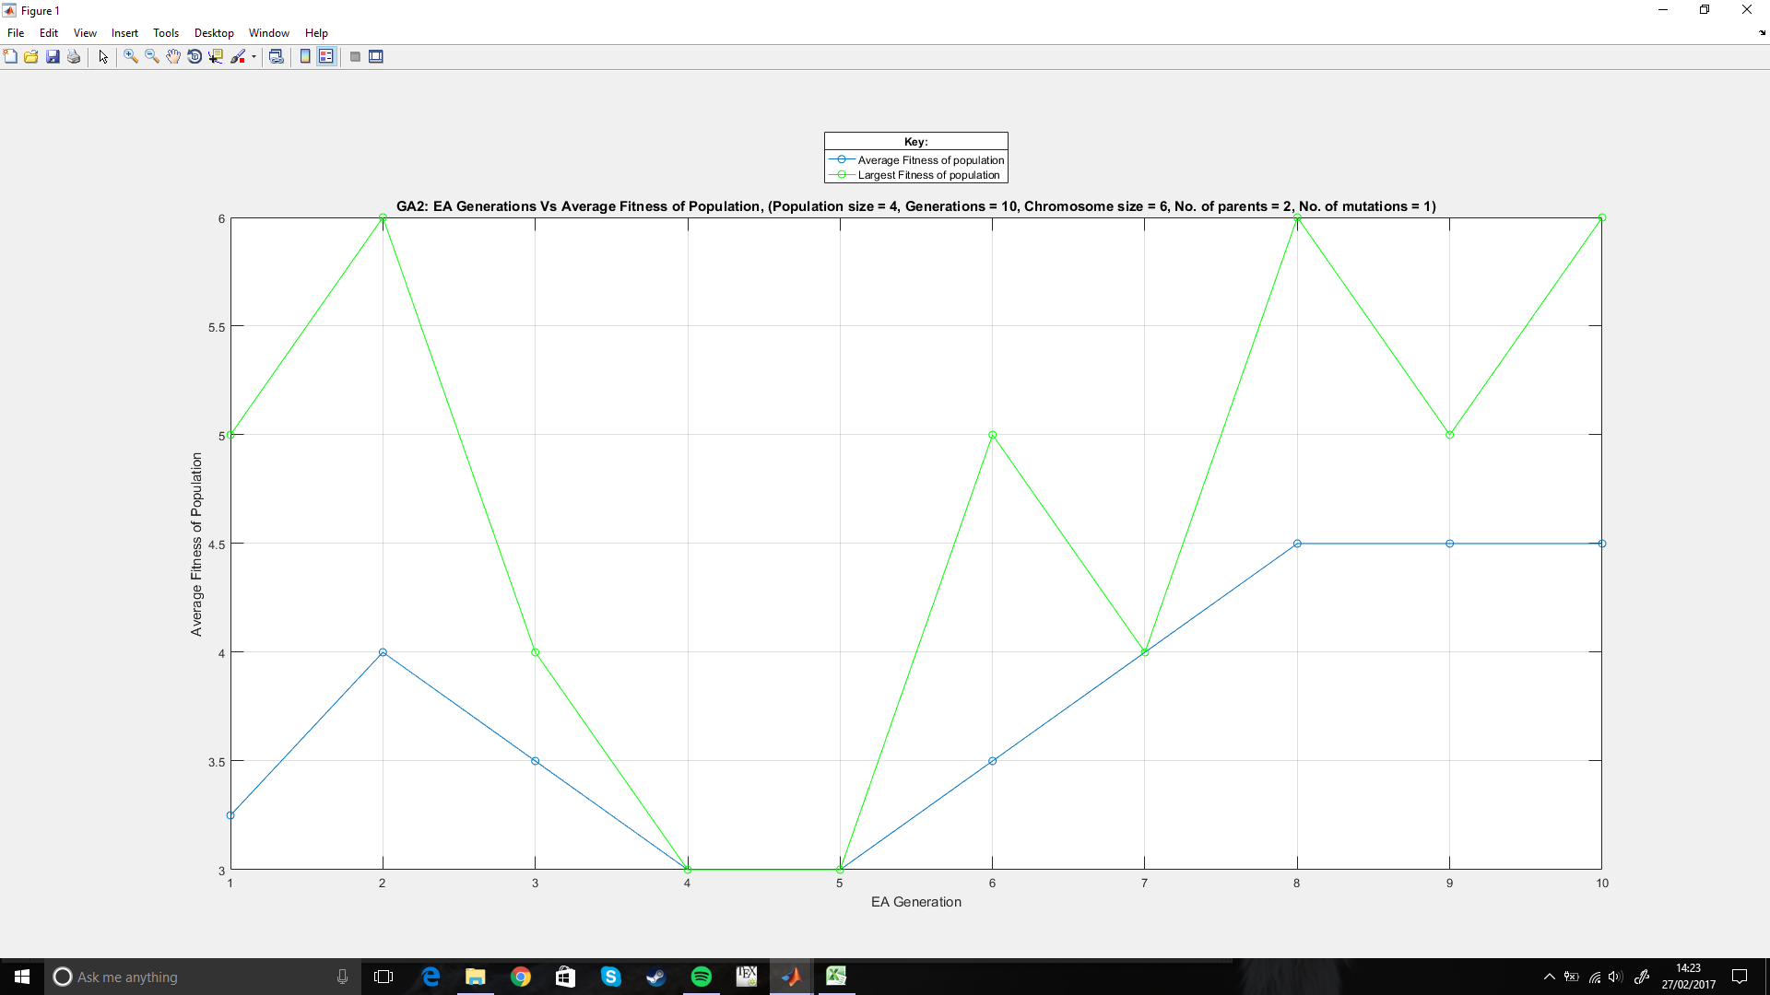

Test 4 | Bug Fixed with a if statement

 | Gen 1 | Gen 2 | Gen 3 | Gen 4 | Gen 5 | Gen 6 | Gen 7 | Gen 8 | Gen 9 | Gen 10 | Final

Test 5 | Intresting result from removing the mutation function

 | Gen 1 | Gen 2 | Gen 3 | Gen 4 | Gen 5 | Gen 6 | Gen 7 | Gen 8 | Gen 9 | Gen 10 | Final

 | 1 0 0 1 | 0 1 0 1 | 1 0 1 0 | 1 1 1 1 | 1 1 1 1 | 1 1 1 1 | 1 1 1 1 | 1 1 1 1 | 1 1 1 1 | 1 1 1 1 | 1 1 1 1
 | 1 0 1 1 | 0 1 0 1 | 1 0 1 0 | 1 1 1 1 | 1 1 1 1 | 1 1 1 1 | 1 1 1 1 | 1 1 1 1 | 1 1 1 1 | 1 1 1 1 | 1 1 1 1
 | 1 1 0 1 | 1 1 1 1 | 1 1 1 1 | 1 1 1 1 | 1 1 1 1 | 1 1 1 1 | 1 1 1 1 | 1 1 1 1 | 1 1 1 1 | 1 1 1 1 | 1 1 1 1
 | 1 0 1 0 | 1 0 1 0 | 1 0 1 0 | 1 1 1 1 | 1 1 1 1 | 1 1 1 1 | 1 1 1 1 | 1 1 1 1 | 1 1 1 1 | 1 1 1 1 | 1 1 1 1
 | 1 0 1 0 | 1 0 1 0 | 1 0 1 0 | 1 1 1 1 | 1 1 1 1 | 1 1 1 1 | 1 1 1 1 | 1 1 1 1 | 1 1 1 1 | 1 1 1 1 | 1 1 1 1
 | 0 1 0 0 | 0 1 0 1 | 0 1 0 1 | 0 0 0 0 | 0 0 0 0 | 0 0 0 0 | 0 0 0 0 | 0 0 0 0 | 0 0 0 0 | 0 0 0 0 | 0 0 0 0

