scatter_plots
Mileage x Price
Mileage x Log Price
Brand | Price | Mileage | EngineV | Year | log_price
Porsche | 56864.38 | 192274 | 3.6 | 2006 | 4.754840308
Porsche | 103232.26 | 124184 | 2.1 | 2019 | 5.013815435
Volkswagen | 74936.51 | 161822 | 3.4 | 2014 | 4.874693463
Toyota | 55300.32 | 16566 | 3 | 2010 | 4.742727644
Mercedes | 42763.46 | 138262 | 1.5 | 2007 | 4.631072837
Porsche | 124389.38 | 38333 | 2 | 2020 | 5.094783303
Toyota | 24758.5 | 121929 | 2.2 | 2006 | 4.393724329
BMW | 100811.55 | 89571 | 4.7 | 2018 | 5.003510292
Volkswagen | 72652.5 | 120263 | 1.9 | 2022 | 4.861250563
Engine V x Price
Engine V x Log Price
Toyota | 45575.53 | 132661 | 2.2 | 2010 | 4.658731728
Porsche | 73503.44 | 25235 | 2.5 | 2010 | 4.866307665
Porsche | 143002.9 | 159 | 3.7 | 2023 | 5.155344845
Porsche | 98526.25 | 143217 | 1.5 | 2020 | 4.993551953
Toyota | 36951.59 | 162993 | 4.8 | 2003 | 4.567633131
Porsche | 84148.67 | 104859 | 4.5 | 2007 | 4.925047256
Toyota | 83060.37 | 147309 | 3.3 | 2023 | 4.919393861
Porsche | 43625.62 | 107507 | 3.7 | 2002 | 4.639741612
BMW | 85514.98 | 139316 | 1.1 | 2021 | 4.932042198
BMW | 93920.26 | 14743 | 2.4 | 2020 | 4.972759286
Year x Price
Year x Log Price
Mercedes | 45641.96 | 46101 | 4.2 | 2001 | 4.659364286
Porsche | 119635.76 | 121534 | 1.3 | 2023 | 5.077861013
Porsche | 68069.31 | 84227 | 2.1 | 2011 | 4.832951348
Toyota | 28962.67 | 187450 | 3.3 | 2005 | 4.461838596
Toyota | 19261.84 | 71126 | 2 | 2001 | 4.284697771
Porsche | 140261.68 | 56071 | 4.7 | 2020 | 5.146939036
Mercedes | 11672.36 | 74763 | 1.5 | 2000 | 4.067158674
Porsche | 97819.89 | 143309 | 4.2 | 2011 | 4.99042717
Toyota | 83640.97 | 146721 | 3 | 2021 | 4.922419061
Porsche | 93881.66 | 168785 | 4 | 2011 | 4.97258076
Toyota | 77525.23 | 176481 | 2.2 | 2024 | 4.889443063
Porsche | 104193.16 | 179838 | 3.1 | 2016 | 5.01783921
Volkswagen | 57526.35 | 46154 | 4.4 | 2009 | 4.759866819
Toyota | 64284.47 | 7016 | 2.9 | 2015 | 4.808106068
Mercedes | 68828.96 | 179760 | 2.4 | 2014 | 4.837771207
Volkswagen | 66924.02 | 89678 | 3.1 | 2014 | 4.82558202
Porsche | 124769.61 | 112056 | 3.9 | 2018 | 5.096108818
Toyota | 51827.94 | 54238 | 2.8 | 2011 | 4.714563947
Volkswagen | 102912.26 | 58608 | 4.8 | 2022 | 5.012467116
Mercedes | 91798.74 | 89081 | 2.2 | 2019 | 4.96283672
Toyota | 75521.17 | 162969 | 2.9 | 2024 | 4.87806871
Volkswagen | 36852.41 | 50961 | 4 | 2002 | 4.566465894
Volkswagen | 42365.42 | 199775 | 3.8 | 2004 | 4.627011516
Volkswagen | 85802.59 | 175829 | 4.5 | 2018 | 4.933500397
BMW | 71459.45 | 26917 | 5 | 2006 | 4.854059669
Porsche | 129585.32 | 153808 | 2.7 | 2020 | 5.112555806
Toyota | 26996.69 | 27990 | 1.4 | 2008 | 4.43131052
Toyota | 19012.66 | 62551 | 1.1 | 2006 | 4.279042882
Toyota | 75871.72 | 189233 | 3.9 | 2017 | 4.88007993
Volkswagen | 40554.2 | 153512 | 4.5 | 2003 | 4.608035839
Porsche | 121009.85 | 166277 | 1.9 | 2024 | 5.082820723
Mercedes | 55954.29 | 80811 | 1.6 | 2013 | 4.747833389
Toyota | 56775 | 55103 | 1.2 | 2017 | 4.754157143
Porsche | 83231.02 | 172699 | 4.3 | 2008 | 4.920285217
Porsche | 104732.14 | 106122 | 2.2 | 2020 | 5.020079978
BMW | 30177.87 | 19008 | 2.6 | 2001 | 4.479688583
Toyota | 72632.09 | 32402 | 3 | 2019 | 4.861128541
Volkswagen | 72257.09 | 184456 | 4.4 | 2014 | 4.858880467
Porsche | 56040.75 | 136865 | 3.6 | 2006 | 4.748503939
Porsche | 95141.38 | 136643 | 3.5 | 2011 | 4.978369446
Mercedes | 43518.84 | 147281 | 1.7 | 2007 | 4.638677311
BMW | 74767.95 | 113550 | 3.1 | 2014 | 4.873715473
Porsche | 45610.36 | 174220 | 3.9 | 2002 | 4.6590635
Porsche | 113935.48 | 91218 | 4.9 | 2013 | 5.056658986
Volkswagen | 54843.66 | 133296 | 1.8 | 2016 | 4.73912643
Volkswagen | 8794.5 | 179767 | 1 | 2003 | 3.944211153
Mercedes | 71262.12 | 120779 | 1.3 | 2017 | 4.852858738
Mercedes | 56973.3 | 129714 | 2.5 | 2007 | 4.755671375
Mercedes | 61888.8 | 32441 | 4.3 | 2003 | 4.791612062
Volkswagen | 10163.22 | 170201 | 1 | 2001 | 4.007031327
Volkswagen | 39131.23 | 62368 | 2.8 | 2005 | 4.592523499
BMW | 89048.72 | 92122 | 2.3 | 2021 | 4.949627681
Toyota | 33439.09 | 44760 | 1.2 | 2009 | 4.52425445
Toyota | 34270.69 | 23478 | 2.8 | 2003 | 4.534922849
BMW | 83177.55 | 127881 | 2 | 2021 | 4.920006124
Toyota | 65511.06 | 71854 | 2.4 | 2017 | 4.816314627
Volkswagen | 73301.55 | 94230 | 3.8 | 2011 | 4.865113158
Toyota | 28640.95 | 85716 | 3.1 | 2001 | 4.456987419
Volkswagen | 41907.55 | 143252 | 1.5 | 2009 | 4.622292272
BMW | 55877.75 | 98538 | 4.8 | 2003 | 4.74723891
Mercedes | 92588.82 | 15372 | 3.5 | 2013 | 4.966558549
BMW | 90865.12 | 29796 | 4.1 | 2015 | 4.958397204
Toyota | 44920.91 | 189344 | 1.3 | 2014 | 4.652448546
Volkswagen | 31930.64 | 98826 | 1.2 | 2007 | 4.504207623
Toyota | 41597.96 | 120592 | 1.1 | 2013 | 4.619072033
Toyota | 76768.46 | 93635 | 1.8 | 2022 | 4.885182829
Mercedes | 110443.72 | 111022 | 2.7 | 2024 | 5.043141026
Toyota | 52166.44 | 54040 | 4.7 | 2007 | 4.7173912
Mercedes | 102636.83 | 75357 | 2.8 | 2020 | 5.01130323
Volkswagen | 56534.15 | 78356 | 2.2 | 2015 | 4.752310867
Volkswagen | 64924.11 | 16211 | 3.2 | 2012 | 4.812406005
Mercedes | 64167.56 | 105426 | 1.4 | 2017 | 4.807315525
BMW | 92571.21 | 5842 | 3.4 | 2014 | 4.96647594
Volkswagen | 79923.84 | 194187 | 3.3 | 2020 | 4.902676342
BMW | 119583.52 | 66852 | 4.2 | 2023 | 5.077671333
Volkswagen | 103741.28 | 125737 | 4.9 | 2024 | 5.015951602
Volkswagen | 51528.7 | 45968 | 2 | 2012 | 4.712049186
Porsche | 80348.85 | 17508 | 3 | 2008 | 4.904979665
Toyota | 69196.36 | 153077 | 4.6 | 2014 | 4.840083249
Toyota | 58989.2 | 54575 | 4.1 | 2012 | 4.770772506
BMW | 17361.18 | 150043 | 2.9 | 2000 | 4.23957924
Toyota | 97965.85 | 156671 | 4.8 | 2024 | 4.991074711
BMW | 28371.08 | 66914 | 1.2 | 2006 | 4.452875868
Volkswagen | 61546.8 | 67055 | 4.7 | 2008 | 4.789205478
Porsche | 116750.88 | 87697 | 1.2 | 2023 | 5.067260163
Porsche | 37272.54 | 106239 | 3.2 | 2000 | 4.571388989
Volkswagen | 70936.05 | 123106 | 4.6 | 2011 | 4.850867002
Mercedes | 42771.79 | 5355 | 2.1 | 2007 | 4.631157426
Mercedes | 103672.75 | 54120 | 2.9 | 2023 | 5.015664619
Toyota | 41981.1 | 38342 | 2.3 | 2010 | 4.623053814
BMW | 125153.75 | 2257 | 4.8 | 2018 | 5.097443867
Porsche | 141214.01 | 27364 | 4.3 | 2016 | 5.149877786
Toyota | 50178.32 | 156044 | 3.8 | 2007 | 4.700516117
Volkswagen | 29649.34 | 111715 | 3.4 | 2002 | 4.47201503
Porsche | 49735.09 | 26654 | 4.3 | 2002 | 4.696662908
BMW | 9616.39 | 81423 | 2.6 | 2000 | 3.983012068
BMW | 39436.57 | 29320 | 2.8 | 2004 | 4.595899135
Mercedes | 73961.54 | 20808 | 3.9 | 2009 | 4.869005945
Toyota | 39675.31 | 52389 | 2.4 | 2006 | 4.598520329
Volkswagen | 35809.98 | 118581 | 1.3 | 2008 | 4.554004078
Porsche | 39211.01 | 127927 | 1.3 | 2006 | 4.593408029
BMW | 39374.55 | 34773 | 1.5 | 2008 | 4.595215603
Porsche | 69126.15 | 182240 | 4.5 | 2007 | 4.839642369
Volkswagen | 52529.69 | 158819 | 2.9 | 2011 | 4.720404838
Porsche | 55298.18 | 76396 | 3.9 | 2001 | 4.742710838
Toyota | 18337.33 | 107692 | 2.6 | 2000 | 4.263336101
Mercedes | 69939.7 | 57505 | 2 | 2015 | 4.844723765
Porsche | 130737.81 | 85896 | 2.4 | 2022 | 5.116401206
Mercedes | 129778.51 | 18135 | 4.2 | 2022 | 5.113202784
Volkswagen | 90102.32 | 90887 | 3.5 | 2023 | 4.954735974
Mercedes | 54215.62 | 122118 | 4.8 | 2004 | 4.734124429
Porsche | 59510.44 | 47377 | 3.7 | 2002 | 4.774593161
Porsche | 80244.24 | 154626 | 3.3 | 2011 | 4.904413868
BMW | 67225.42 | 62491 | 3.4 | 2007 | 4.827533524
Porsche | 146356.49 | 186693 | 4.8 | 2021 | 5.165411985
Mercedes | 46565.87 | 58283 | 4.2 | 2002 | 4.668067721
BMW | 13083.39 | 16923 | 1.1 | 2000 | 4.116720287
Porsche | 47606.05 | 47591 | 3.1 | 2002 | 4.677662148
Porsche | 57967.5 | 62261 | 3.8 | 2004 | 4.763184571
Volkswagen | 69720.26 | 54336 | 4 | 2014 | 4.843358998
BMW | 68403.36 | 74083 | 1.9 | 2013 | 4.835077435
Volkswagen | 46178.97 | 60948 | 4.5 | 2002 | 4.664444242
Volkswagen | 36215.21 | 164074 | 4.8 | 2000 | 4.558891008
Volkswagen | 36442.99 | 26672 | 1.9 | 2004 | 4.561614002
Toyota | 91872.44 | 4213 | 4.5 | 2022 | 4.963185251
Volkswagen | 54503.1 | 141365 | 1.4 | 2013 | 4.736421205
Mercedes | 20935.99 | 186932 | 1.2 | 2006 | 4.320893502
Porsche | 46216.83 | 62507 | 1.5 | 2008 | 4.664800154
Toyota | 38649.16 | 57134 | 1.2 | 2014 | 4.587140059
Volkswagen | 71312.42 | 133172 | 4.4 | 2014 | 4.853165175
Porsche | 41141.91 | 193069 | 1.2 | 2009 | 4.61428445
BMW | 68425.3 | 28172 | 2.1 | 2012 | 4.83521671
BMW | 82095.43 | 20132 | 1.4 | 2018 | 4.914318982
Porsche | 47587.77 | 18199 | 2.2 | 2006 | 4.677495354
Mercedes | 73007.4 | 36609 | 1.4 | 2016 | 4.863366882
Porsche | 118561.26 | 174037 | 3.7 | 2019 | 5.073942806
Porsche | 12248.53 | 139088 | 1.5 | 2003 | 4.08808397
Toyota | 33077.44 | 170851 | 4.4 | 2004 | 4.51953189
BMW | 117542.26 | 31881 | 4.3 | 2022 | 5.070194037
BMW | 42893.43 | 24472 | 1.1 | 2006 | 4.632390776
Volkswagen | 67613 | 182885 | 4.6 | 2012 | 4.830030206
Porsche | 73134.29 | 167093 | 1.1 | 2014 | 4.86412105
Porsche | 58200.41 | 54131 | 2 | 2010 | 4.764926044
Mercedes | 23766.4 | 155159 | 1.1 | 2003 | 4.375963402
BMW | 75916.93 | 12828 | 2.3 | 2012 | 4.880338637
Mercedes | 32717.72 | 192682 | 3.1 | 2006 | 4.514783031
Toyota | 74016.19 | 96664 | 4.2 | 2018 | 4.869326726
Volkswagen | 81055.18 | 132473 | 2.4 | 2021 | 4.908780775
Mercedes | 48577.87 | 15193 | 3.8 | 2001 | 4.686438468
BMW | 38652.87 | 175936 | 1.8 | 2009 | 4.587181746
Toyota | 55713.2 | 151379 | 4 | 2012 | 4.745958104
Porsche | 123130.79 | 102518 | 1.9 | 2024 | 5.090366666
Toyota | 67834.39 | 19611 | 1.6 | 2020 | 4.831449924
Mercedes | 36053.43 | 174863 | 1.7 | 2005 | 4.556946588
BMW | 46312.43 | 143022 | 1.7 | 2011 | 4.665697569
Mercedes | 77490.13 | 76240 | 3.1 | 2011 | 4.889246389
Porsche | 136731.58 | 2745 | 4.4 | 2019 | 5.135868832
Porsche | 54599.57 | 55243 | 1.3 | 2010 | 4.737189222
BMW | 123959.61 | 3866 | 3.8 | 2022 | 5.093280201
Volkswagen | 100243.83 | 163317 | 3.6 | 2024 | 5.001057651
Toyota | 47220.52 | 175796 | 4.5 | 2006 | 4.674130765
Toyota | 5388.27 | 128681 | 2 | 2000 | 3.73144935
Porsche | 29253.82 | 71354 | 2.8 | 2000 | 4.466182585
Mercedes | 142682.8 | 51374 | 4.7 | 2024 | 5.154371623
Mercedes | 122859.82 | 114397 | 3.6 | 2024 | 5.089409875
Volkswagen | 69202.69 | 124577 | 2.6 | 2019 | 4.840122976
Mercedes | 56540.24 | 161188 | 1.5 | 2012 | 4.752357648
Toyota | 31837.06 | 81029 | 2 | 2008 | 4.502932956
Mercedes | 49617.41 | 93574 | 3.3 | 2002 | 4.695634091
Volkswagen | 52348.26 | 151519 | 3.9 | 2006 | 4.718902251
Toyota | 28349.04 | 30431 | 1.5 | 2005 | 4.452538357
Mercedes | 63195.04 | 148980 | 3.4 | 2007 | 4.800682993
Toyota | 46311.44 | 29336 | 3.2 | 2008 | 4.665688285
Porsche | 62366.38 | 40992 | 3.1 | 2004 | 4.794950537
Porsche | 57031.65 | 55350 | 3.8 | 2000 | 4.756115936
Porsche | 133724.17 | 69561 | 4.3 | 2018 | 5.126209911
Mercedes | 55657.89 | 51955 | 2.3 | 2009 | 4.745526738
Volkswagen | 61214.89 | 61240 | 4.6 | 2011 | 4.786857073
Toyota | 69143.47 | 151165 | 1.6 | 2023 | 4.839751171
BMW | 67026.92 | 137227 | 1.7 | 2014 | 4.826249263
Porsche | 127796.73 | 46607 | 2.1 | 2021 | 5.106519741
Porsche | 117440.81 | 164559 | 1.5 | 2023 | 5.069819038
BMW | 36187.81 | 186740 | 1.9 | 2008 | 4.558562301
BMW | 64456.97 | 152035 | 1.4 | 2019 | 4.809269886
Mercedes | 92330.16 | 181196 | 4.3 | 2016 | 4.965343588
Toyota | 53671.3 | 52870 | 1.6 | 2016 | 4.729742115
Porsche | 121581.61 | 187619 | 4 | 2019 | 5.08486789
Volkswagen | 45487.28 | 64110 | 1.2 | 2011 | 4.657889968
Mercedes | 75121.35 | 184626 | 4.8 | 2006 | 4.875763384
Mercedes | 36771.56 | 152008 | 3.8 | 2001 | 4.565512055
Volkswagen | 10071.59 | 116895 | 1 | 2002 | 4.003098038
Volkswagen | 82282.59 | 4426 | 4.1 | 2016 | 4.915307953
Volkswagen | 39041.62 | 27606 | 3.1 | 2004 | 4.59152783
BMW | 84856 | 178904 | 4.1 | 2016 | 4.928682556
Porsche | 143990.16 | 28151 | 3.1 | 2023 | 5.158332814
BMW | 97786.39 | 11308 | 3.6 | 2016 | 4.990278413
Porsche | 112753.1 | 193594 | 4.1 | 2016 | 5.052128491
BMW | 24300.67 | 176743 | 2.6 | 2001 | 4.385618248
Toyota | 10488.09 | 90306 | 1 | 2001 | 4.020696405
Porsche | 130486.97 | 106984 | 4.4 | 2021 | 5.115567147
Mercedes | 115092.69 | 2204 | 2.5 | 2022 | 5.061047741
Porsche | 46509.71 | 92769 | 3 | 2004 | 4.667543632
Porsche | 1736.33 | 87265 | 1 | 2000 | 3.239632269
Porsche | 29881.79 | 31131 | 3 | 2000 | 4.475406609
Toyota | 86171.68 | 52428 | 4.9 | 2018 | 4.93536456
BMW | 23992.35 | 33870 | 2.1 | 2001 | 4.380072788
Mercedes | 87766.01 | 103547 | 2.6 | 2020 | 4.943326355
BMW | 78644.21 | 49067 | 3.7 | 2011 | 4.895666754
BMW | 42862.93 | 189657 | 4.3 | 2005 | 4.632081855
Volkswagen | 85688.26 | 112217 | 2.7 | 2022 | 4.932921324
Toyota | 20842.69 | 152679 | 2.2 | 2003 | 4.318953769
Volkswagen | 104025.89 | 156040 | 4.8 | 2022 | 5.01714144
Toyota | 59905.55 | 98934 | 3.7 | 2010 | 4.77746706
BMW | 84033.14 | 142980 | 1.5 | 2023 | 4.924450592
BMW | 63915.46 | 157495 | 1.3 | 2016 | 4.805605919
Toyota | 32474.68 | 74707 | 2.9 | 2005 | 4.51154488
BMW | 103569.6 | 61215 | 1.9 | 2023 | 5.015232299
BMW | 27279.59 | 186907 | 2 | 2004 | 4.435837839
Mercedes | 114707.27 | 49429 | 4.5 | 2019 | 5.059590944
Volkswagen | 10887.89 | 82152 | 1.4 | 2001 | 4.036943725
Volkswagen | 38215.35 | 108048 | 3.9 | 2005 | 4.582237841
Volkswagen | 79262.81 | 169530 | 2.1 | 2021 | 4.899069465
Porsche | 87650.96 | 177241 | 4 | 2010 | 4.942756677
Mercedes | 96065.36 | 138731 | 3.9 | 2015 | 4.982566815
Volkswagen | 44863.72 | 191686 | 1 | 2015 | 4.651895281
Volkswagen | 19853.82 | 77240 | 3 | 2000 | 4.29784408
Mercedes | 32768.97 | 163865 | 1.6 | 2008 | 4.515462791
BMW | 60132.23 | 113688 | 4.5 | 2005 | 4.77910731
Volkswagen | 76477.38 | 46473 | 4.5 | 2015 | 4.883533001
BMW | 42006.26 | 96762 | 2.7 | 2002 | 4.623314016
Volkswagen | 70513.99 | 106956 | 2.8 | 2019 | 4.84827529
Toyota | 22541.13 | 118452 | 2.2 | 2003 | 4.352975684
Porsche | 130039.69 | 186823 | 3.9 | 2018 | 5.114075926
Volkswagen | 24879.9 | 126311 | 2.4 | 2002 | 4.39584863
Toyota | 58870.86 | 185326 | 2.1 | 2018 | 4.76990038
Mercedes | 95509.1 | 7006 | 2.7 | 2019 | 4.980044753
Toyota | 19422.23 | 74218 | 1.4 | 2006 | 4.288299093
Mercedes | 107536.81 | 196416 | 4 | 2019 | 5.031557149
Volkswagen | 35085.14 | 164912 | 1.1 | 2008 | 4.545123214
Mercedes | 34980.31 | 32430 | 3.6 | 2000 | 4.543823654
Toyota | 27675.13 | 23091 | 1.7 | 2007 | 4.44208967
Porsche | 23559.6 | 164055 | 1.9 | 2006 | 4.372167913
BMW | 91076.07 | 23989 | 3.5 | 2017 | 4.959404282
BMW | 71591 | 75451 | 5 | 2007 | 4.854858429
Porsche | 64269.17 | 18990 | 4.1 | 2000 | 4.808002691
BMW | 56462.6 | 90270 | 1.9 | 2010 | 4.751760873
Volkswagen | 86107.43 | 80360 | 1.7 | 2024 | 4.935040627
Volkswagen | 107195.35 | 36081 | 4.5 | 2024 | 5.030175947
Toyota | 59741.03 | 142105 | 2.8 | 2017 | 4.776272706
Toyota | 74353.17 | 108272 | 1.5 | 2022 | 4.871299489
Mercedes | 81739.55 | 16241 | 4.4 | 2009 | 4.912432242
Toyota | 23976.36 | 124932 | 4.3 | 2002 | 4.379783251
Volkswagen | 56535.35 | 5939 | 4.9 | 2006 | 4.752320085
Toyota | 67373.03 | 113000 | 4.6 | 2015 | 4.82848608
BMW | 85844.38 | 178634 | 4.4 | 2015 | 4.933711868
Mercedes | 107076.75 | 35063 | 1.2 | 2024 | 5.029695181
Mercedes | 78446.16 | 158117 | 1.4 | 2019 | 4.894571689
Volkswagen | 68223.62 | 175841 | 3.3 | 2016 | 4.83393476
Toyota | 31510.32 | 47118 | 3.1 | 2001 | 4.498452814
BMW | 21219.05 | 84703 | 2.8 | 2000 | 4.326725936
Toyota | 63437.53 | 152697 | 2.6 | 2015 | 4.802346265
Porsche | 71723.42 | 128557 | 2.7 | 2011 | 4.85566099
Toyota | 36442.97 | 27076 | 3.3 | 2004 | 4.561613764
Volkswagen | 11800.13 | 195877 | 1 | 2004 | 4.071886792
Toyota | 75048.16 | 44605 | 2 | 2022 | 4.875340049
Mercedes | 62243.39 | 84565 | 3.1 | 2008 | 4.794093238
BMW | 70095.75 | 39121 | 3.9 | 2008 | 4.845691687
Volkswagen | 9025.76 | 196173 | 1.7 | 2002 | 3.955483781
Porsche | 113120.66 | 31433 | 3.2 | 2018 | 5.05354193
BMW | 107460.49 | 43309 | 3.9 | 2015 | 5.031248817
BMW | 77528.01 | 67468 | 2.8 | 2015 | 4.889458637
Mercedes | 15662.2 | 175326 | 1.1 | 2002 | 4.194852765
Mercedes | 88746.43 | 67293 | 2.8 | 2019 | 4.948150892
Mercedes | 104236.3 | 96258 | 2.2 | 2023 | 5.018018987
Volkswagen | 94517.75 | 168925 | 4.7 | 2021 | 4.975513375
Toyota | 75999.44 | 38405 | 1.5 | 2023 | 4.880810392
BMW | 9961.84 | 197724 | 3.6 | 2000 | 3.998339562
Toyota | 72228.92 | 43527 | 1.2 | 2023 | 4.858711121
Toyota | 65510.95 | 77227 | 2.8 | 2019 | 4.816313897
Mercedes | 67054.41 | 131564 | 3.2 | 2010 | 4.826427346
Toyota | 50781.78 | 139883 | 2.2 | 2016 | 4.70570792
BMW | 44946.46 | 93344 | 2.8 | 2007 | 4.652695492
BMW | 19757.59 | 155344 | 1.7 | 2003 | 4.295733969
Porsche | 41971.05 | 47153 | 2.2 | 2005 | 4.622949834
Volkswagen | 44220.23 | 108042 | 3.5 | 2007 | 4.645620997
Toyota | 62034.86 | 54110 | 2.2 | 2019 | 4.792635806
Volkswagen | 29381.6 | 145051 | 4.6 | 2002 | 4.468075442
Volkswagen | 79673.39 | 28328 | 3.5 | 2015 | 4.901313296
Volkswagen | 85274.21 | 112911 | 2.8 | 2024 | 4.930817705
Volkswagen | 17063.25 | 12867 | 1.2 | 2002 | 4.232061754
BMW | 119763.31 | 59234 | 3 | 2024 | 5.07832379
Toyota | 74189.46 | 25851 | 4.1 | 2017 | 4.87034221
Porsche | 79665.33 | 31279 | 2.1 | 2013 | 4.901269359
Volkswagen | 85061.09 | 73402 | 4.2 | 2017 | 4.929730944
Porsche | 40225.83 | 15449 | 2 | 2001 | 4.604505014
BMW | 108890.85 | 76221 | 4.3 | 2021 | 5.036991388
BMW | 17034.31 | 89080 | 1.3 | 2002 | 4.231324547
Mercedes | 93831.22 | 5451 | 4.5 | 2015 | 4.972347363
Volkswagen | 44675.09 | 87178 | 3 | 2008 | 4.650065436
Mercedes | 26439.53 | 172388 | 2.2 | 2003 | 4.422253731
Porsche | 8730.12 | 194136 | 2.1 | 2000 | 3.941020213
Toyota | 25314.29 | 63761 | 2.7 | 2003 | 4.403365751
Mercedes | 42519.21 | 38870 | 5 | 2000 | 4.628585187
BMW | 63308.51 | 96566 | 1.9 | 2013 | 4.801462092
Volkswagen | 73291.02 | 123749 | 1.4 | 2020 | 4.865050766
Porsche | 94089.05 | 123765 | 3.3 | 2015 | 4.973539084
BMW | 89571.11 | 124881 | 3 | 2019 | 4.952167956
Toyota | 82093.93 | 161945 | 3.1 | 2023 | 4.914311047
Volkswagen | 53241 | 128389 | 3.7 | 2007 | 4.726246204
Toyota | 18764.19 | 189699 | 2.1 | 2006 | 4.273329822
Toyota | 31585.25 | 197227 | 4.6 | 2002 | 4.499484319
Volkswagen | 72747.05 | 25372 | 2.7 | 2016 | 4.861815387
Volkswagen | 14307.62 | 3642 | 1.5 | 2000 | 4.155567397
Toyota | 53696.15 | 159073 | 4 | 2015 | 4.729943148
Porsche | 98403.38 | 34064 | 3.6 | 2011 | 4.993010016
Volkswagen | 82290.58 | 14122 | 2.3 | 2018 | 4.915350123
BMW | 104146.45 | 155892 | 3.5 | 2021 | 5.017644471
Mercedes | 94528.65 | 68431 | 1.9 | 2022 | 4.975563456
Porsche | 124570.67 | 55745 | 2.8 | 2021 | 5.0954158
Volkswagen | 85145.52 | 50081 | 4.6 | 2013 | 4.930161802
Volkswagen | 27560.66 | 139783 | 1.5 | 2005 | 4.440289613
Porsche | 50560.32 | 149865 | 2.5 | 2005 | 4.703809814
Mercedes | 85273.14 | 139271 | 4.3 | 2012 | 4.930812255
Toyota | 80173.5 | 76253 | 4.9 | 2018 | 4.904030843
BMW | 102705.11 | 36191 | 2.8 | 2021 | 5.011592052
Volkswagen | 47099.84 | 10211 | 3 | 2007 | 4.673019432
Mercedes | 36991.96 | 111086 | 3.3 | 2001 | 4.568107343
BMW | 118125.05 | 194141 | 4.7 | 2020 | 5.072342005
Porsche | 51601.19 | 187818 | 4.4 | 2000 | 4.712659717
Volkswagen | 43872.38 | 152614 | 1.7 | 2014 | 4.642191195
Toyota | 15840.7 | 162384 | 2.7 | 2000 | 4.199774369
Porsche | 49602.18 | 176314 | 2.9 | 2004 | 4.695500764
Volkswagen | 79595.75 | 101971 | 4.2 | 2015 | 4.900889879
Mercedes | 95455.85 | 93783 | 3.4 | 2018 | 4.979802549
BMW | 58903.8 | 125681 | 3.6 | 2003 | 4.770143313
BMW | 45863.91 | 87893 | 5 | 2002 | 4.661471077
Volkswagen | 46661.06 | 186460 | 1.3 | 2016 | 4.6689546
Porsche | 89144.74 | 158763 | 1.9 | 2016 | 4.950095723
Toyota | 57137.41 | 77960 | 2.6 | 2011 | 4.75692055
Mercedes | 65999.53 | 84388 | 2.4 | 2013 | 4.819540843
Volkswagen | 69340.81 | 22601 | 1.1 | 2020 | 4.840988911
Mercedes | 33914.84 | 149092 | 1.4 | 2005 | 4.530389773
BMW | 37859.21 | 139227 | 3.7 | 2002 | 4.578171547
Toyota | 47641.08 | 167849 | 4.5 | 2008 | 4.677981598
Mercedes | 52053.33 | 19710 | 3.1 | 2004 | 4.716448518
Volkswagen | 93526.89 | 108714 | 3.2 | 2023 | 4.970936493
Toyota | 57934.79 | 155604 | 2 | 2016 | 4.762939437
Porsche | 112231.49 | 128727 | 4.1 | 2013 | 5.050114729
Volkswagen | 89051.37 | 149673 | 4 | 2020 | 4.949640605
Mercedes | 43121.64 | 63227 | 3.4 | 2002 | 4.63469527
Toyota | 11221.74 | 136039 | 1.9 | 2000 | 4.050060202
Volkswagen | 69431.2 | 84289 | 1.4 | 2019 | 4.841554671
Toyota | 59509.04 | 151094 | 1.3 | 2020 | 4.774582944
Toyota | 78723.19 | 174535 | 3.4 | 2022 | 4.896102684
Toyota | 38787.33 | 5722 | 4.3 | 2000 | 4.588689885
Mercedes | 54820.41 | 158485 | 4.4 | 2002 | 4.738942279
Volkswagen | 65609.74 | 81050 | 2.9 | 2017 | 4.816968317
BMW | 124404.37 | 83596 | 4.1 | 2024 | 5.094835636
BMW | 73943.91 | 66732 | 4.8 | 2009 | 4.868902411
Mercedes | 92595.87 | 143369 | 2.1 | 2021 | 4.966591617
Mercedes | 35495.54 | 68323 | 2.6 | 2002 | 4.550173788
Toyota | 57380.75 | 23816 | 4.7 | 2007 | 4.75876622
Volkswagen | 58604.62 | 40695 | 2.4 | 2013 | 4.767931854
Volkswagen | 92494.6 | 150774 | 4.7 | 2023 | 4.966116379
Porsche | 120838.61 | 156314 | 4.9 | 2017 | 5.082205721
Porsche | 113235.67 | 55841 | 3.6 | 2014 | 5.053983254
BMW | 96327.56 | 128498 | 4.3 | 2021 | 4.98375056
Porsche | 145496.9 | 198784 | 4 | 2022 | 5.16285374
Porsche | 50477.02 | 107096 | 3.8 | 2001 | 4.703093708
BMW | 59451.22 | 92764 | 2.2 | 2009 | 4.774160771
BMW | 6449.82 | 184646 | 1.2 | 2001 | 3.809547595
Porsche | 83408.66 | 85744 | 2.4 | 2016 | 4.921211144
Volkswagen | 54327.71 | 28482 | 3.7 | 2007 | 4.735021399
Porsche | 30172.07 | 9171 | 1.4 | 2000 | 4.479605107
Toyota | 31127.27 | 100755 | 1 | 2008 | 4.493141033
Toyota | 33372.26 | 108125 | 1.6 | 2010 | 4.523385618
Toyota | 81987.93 | 130722 | 3.9 | 2021 | 4.913749922
Mercedes | 99039.65 | 106082 | 4.9 | 2015 | 4.995809097
Toyota | 50326.98 | 3696 | 4.9 | 2006 | 4.70180087
Volkswagen | 52461.44 | 126310 | 3 | 2009 | 4.719840207
Mercedes | 114319.8 | 151130 | 4.5 | 2022 | 5.058121456
Mercedes | 35202.08 | 151385 | 3.9 | 2002 | 4.546568326
Toyota | 64370.18 | 19149 | 3 | 2017 | 4.808684724
Porsche | 131168.34 | 130064 | 3.3 | 2024 | 5.117829022
BMW | 98467.23 | 53521 | 1.5 | 2023 | 4.993291721
Porsche | 121380.77 | 45740 | 4.8 | 2012 | 5.084149888
Porsche | 50917.6 | 106611 | 2.4 | 2006 | 4.706867925
Mercedes | 103837.33 | 136028 | 2.8 | 2024 | 5.016353512
Mercedes | 53084.59 | 66641 | 3.7 | 2003 | 4.724968467
Mercedes | 78297.45 | 63811 | 2.3 | 2012 | 4.893747618
Volkswagen | 63607.19 | 183232 | 2 | 2019 | 4.80350621
Volkswagen | 19487.98 | 182385 | 3.5 | 2000 | 4.289766825
BMW | 38660.04 | 63232 | 1.1 | 2007 | 4.587262299
Mercedes | 100673.15 | 15417 | 3.9 | 2013 | 5.002913658
Toyota | 56169.7 | 155801 | 3.1 | 2015 | 4.749502104
Mercedes | 71141.44 | 112492 | 3.4 | 2013 | 4.852122652
Volkswagen | 65652.14 | 30099 | 3.5 | 2011 | 4.817248887
Mercedes | 97179.61 | 161033 | 3.1 | 2018 | 4.987575152
Volkswagen | 88246.96 | 143674 | 3.3 | 2022 | 4.945699753
Mercedes | 82357.04 | 118474 | 3.7 | 2014 | 4.915700729
Toyota | 38258.18 | 9256 | 4 | 2001 | 4.582724306
BMW | 45727.36 | 34681 | 3.9 | 2001 | 4.660176129
Toyota | 86932.28 | 91328 | 4.5 | 2022 | 4.93918107
Volkswagen | 70852.42 | 195861 | 1.8 | 2021 | 4.850354688
Porsche | 103310.12 | 43361 | 2.6 | 2018 | 5.014142866
Toyota | 96345.63 | 195575 | 4.8 | 2024 | 4.983832021
Mercedes | 104702.29 | 34540 | 2.6 | 2021 | 5.01995618
BMW | 81529.26 | 157608 | 1.5 | 2021 | 4.9113135
Mercedes | 89250.78 | 84700 | 3.1 | 2016 | 4.95061202
Mercedes | 77119.74 | 194115 | 1.4 | 2019 | 4.887165557
Toyota | 40453.25 | 78532 | 1.8 | 2009 | 4.606953418
BMW | 61887.72 | 187647 | 5 | 2005 | 4.791604483
Porsche | 95154.98 | 127626 | 3.2 | 2014 | 4.978431522
Mercedes | 99901.49 | 133943 | 2.1 | 2021 | 4.999571966
BMW | 87244.3 | 46002 | 5 | 2010 | 4.940737062
Porsche | 74364.6 | 49812 | 4.9 | 2004 | 4.871366246
Mercedes | 21364.39 | 153698 | 2.8 | 2000 | 4.329690497
BMW | 35647.6 | 191051 | 2 | 2007 | 4.552030296
Toyota | 85751.11 | 108946 | 4.4 | 2020 | 4.93323975
Mercedes | 77539.36 | 66668 | 3.9 | 2011 | 4.889522212
Mercedes | 73372.26 | 99003 | 3.7 | 2011 | 4.865531896
BMW | 71392.66 | 42998 | 4.6 | 2004 | 4.853653564
Mercedes | 57942.97 | 194886 | 3.8 | 2006 | 4.763000752
Porsche | 29650.42 | 104601 | 2.1 | 2003 | 4.47203085
Mercedes | 53025.94 | 176679 | 3.8 | 2005 | 4.724488376
Volkswagen | 56801.15 | 7812 | 2.2 | 2012 | 4.754357129
Porsche | 136298.33 | 61844 | 4 | 2019 | 5.134490535
BMW | 80428.99 | 133251 | 3.5 | 2014 | 4.905412615
Porsche | 24907.07 | 174870 | 1.3 | 2002 | 4.396322641
Volkswagen | 91798.05 | 74601 | 3.1 | 2022 | 4.962833456
Volkswagen | 35922.21 | 139347 | 2.4 | 2007 | 4.555363047
Mercedes | 93160.82 | 181646 | 2.3 | 2019 | 4.969233303
Mercedes | 92466.97 | 47857 | 3.4 | 2015 | 4.965986627
Toyota | 46556.68 | 125555 | 2.3 | 2012 | 4.667982003
Porsche | 131002.67 | 20700 | 4.1 | 2017 | 5.117280147
Toyota | 28264.64 | 170536 | 1.3 | 2009 | 4.451243458
Volkswagen | 77174.98 | 173423 | 3.6 | 2018 | 4.887476526
Mercedes | 96250.03 | 93330 | 4.2 | 2016 | 4.983400874
Mercedes | 113246.39 | 144941 | 3.7 | 2023 | 5.054024367
Mercedes | 83047.25 | 191387 | 3 | 2018 | 4.919325256
BMW | 111406.54 | 152026 | 4.8 | 2022 | 5.046910686
Volkswagen | 20070.06 | 162627 | 2.2 | 2004 | 4.302548671
Mercedes | 84701.27 | 63353 | 1.1 | 2020 | 4.927889922
Volkswagen | 82310.69 | 176098 | 2.7 | 2022 | 4.915456242
Mercedes | 36756.15 | 100772 | 1.1 | 2008 | 4.565330015
Porsche | 80578.62 | 178048 | 4.8 | 2011 | 4.906219825
Volkswagen | 80697.83 | 91502 | 1.8 | 2020 | 4.906861857
Toyota | 32701.73 | 113943 | 4.2 | 2000 | 4.514570728
BMW | 39043.56 | 109850 | 4.1 | 2000 | 4.59154941
Toyota | 60734.43 | 45095 | 1.9 | 2014 | 4.78343496
Volkswagen | 21846.08 | 145342 | 3.5 | 2001 | 4.33937352
Mercedes | 96173.91 | 161980 | 1.2 | 2021 | 4.983057273
Volkswagen | 65597.78 | 15523 | 2.9 | 2015 | 4.816889142
BMW | 98246.45 | 62433 | 1.1 | 2024 | 4.992316867
Volkswagen | 46323.81 | 178140 | 4.7 | 2007 | 4.665804272
Mercedes | 96592.4 | 19991 | 4.9 | 2012 | 4.984942957
Toyota | 71632.87 | 10775 | 1.9 | 2020 | 4.855112352
Porsche | 18565.2 | 84995 | 1.8 | 2000 | 4.268699632
Toyota | 66557.96 | 192322 | 4 | 2015 | 4.823200002
Mercedes | 37634.78 | 147745 | 2 | 2006 | 4.575589382
Mercedes | 53809.41 | 122808 | 4.6 | 2004 | 4.73085823
BMW | 97991.44 | 158128 | 3.3 | 2021 | 4.99118814
Volkswagen | 85370.27 | 137686 | 2.4 | 2022 | 4.931306655
Volkswagen | 39760.54 | 7415 | 4.3 | 2002 | 4.599452274
Toyota | 50246.29 | 174956 | 3 | 2011 | 4.701104001
Porsche | 125267.64 | 148036 | 4.6 | 2015 | 5.097838896
Porsche | 116724.8 | 168798 | 4.7 | 2018 | 5.067163138
BMW | 38894.92 | 37044 | 1.7 | 2004 | 4.589892883
Mercedes | 93613.83 | 188221 | 1 | 2021 | 4.971340014
BMW | 128435.06 | 168616 | 4.9 | 2024 | 5.108683593
Volkswagen | 79296.62 | 49976 | 4.6 | 2013 | 4.899254676
Mercedes | 27023.53 | 163324 | 1.2 | 2004 | 4.431742079
BMW | 93397.19 | 3832 | 4.3 | 2014 | 4.97033381
Toyota | 65343.6 | 34148 | 2.8 | 2016 | 4.815203058
Volkswagen | 41813.4 | 192312 | 2 | 2013 | 4.621315483
Porsche | 136622.51 | 112230 | 4.5 | 2019 | 5.13552226
BMW | 33164.11 | 85076 | 1.8 | 2004 | 4.520668347
Volkswagen | 67754.27 | 184531 | 4.8 | 2011 | 4.83093667
Volkswagen | 65807.02 | 38402 | 1.8 | 2015 | 4.818272225
Porsche | 94029.06 | 188799 | 3.5 | 2015 | 4.973262095
Porsche | 110412.1 | 38578 | 1.9 | 2020 | 5.04301667
Porsche | 77332.33 | 90453 | 3.2 | 2006 | 4.888361096
BMW | 39814.63 | 153390 | 3.7 | 2003 | 4.600042684
Porsche | 21921.63 | 75715 | 1.8 | 2000 | 4.340872843
Toyota | 30503.88 | 111435 | 3.1 | 2004 | 4.484355084
Volkswagen | 80514.7 | 151538 | 2.9 | 2022 | 4.905875179
Porsche | 65595.82 | 95742 | 1.3 | 2009 | 4.816876165
Volkswagen | 95487.74 | 45475 | 4.3 | 2021 | 4.979947615
Mercedes | 30945.59 | 60142 | 2.3 | 2004 | 4.490598767
Mercedes | 35330.62 | 157636 | 3.3 | 2003 | 4.548151259
Porsche | 19675.9 | 153484 | 3.1 | 2001 | 4.293934607
Volkswagen | 76867.26 | 93526 | 3.1 | 2019 | 4.885741401
Mercedes | 42261.63 | 51001 | 1.4 | 2009 | 4.625946243
Porsche | 118207.04 | 57649 | 2.7 | 2018 | 5.072643342
Volkswagen | 12431.48 | 192029 | 2.8 | 2000 | 4.094522836
Porsche | 148964.35 | 166589 | 3.9 | 2023 | 5.173082346
Volkswagen | 49981.02 | 144228 | 4.4 | 2004 | 4.698805115
Mercedes | 75998.85 | 154136 | 3.2 | 2012 | 4.880807021
Porsche | 30056.26 | 25711 | 1.3 | 2003 | 4.477934939
Mercedes | 78000.34 | 30106 | 1.9 | 2015 | 4.892096496
Porsche | 112053.26 | 65458 | 1.7 | 2023 | 5.049424496
BMW | 62337.66 | 147661 | 1.5 | 2015 | 4.794750496
Mercedes | 97720.45 | 130429 | 2.5 | 2022 | 4.989985458
Mercedes | 24479.91 | 101754 | 1.9 | 2001 | 4.388809817
Toyota | 64934.52 | 138286 | 1.9 | 2016 | 4.812475635
Mercedes | 82218.95 | 126479 | 1.2 | 2019 | 4.914971926
Volkswagen | 62934.35 | 158199 | 1.1 | 2023 | 4.798887751
Porsche | 57874.8 | 136213 | 1.4 | 2011 | 4.762489503
BMW | 80121.91 | 28884 | 1.7 | 2017 | 4.903751294
Volkswagen | 30901.39 | 2708 | 2.7 | 2002 | 4.489978015
Volkswagen | 22427.18 | 18375 | 3 | 2000 | 4.350774669
Volkswagen | 16272.06 | 15088 | 1.6 | 2000 | 4.211442537
Volkswagen | 69506.75 | 57615 | 2.7 | 2018 | 4.842026982
BMW | 50362.27 | 110138 | 2.4 | 2010 | 4.702105297
Toyota | 20720.78 | 176118 | 1.7 | 2004 | 4.3164061
Mercedes | 48026.23 | 10014 | 1 | 2011 | 4.681478496
Volkswagen | 25116.21 | 195497 | 2.9 | 2002 | 4.399954106
Mercedes | 23794.29 | 134345 | 3.7 | 2000 | 4.37647275
Mercedes | 22642.22 | 178207 | 1.9 | 2000 | 4.354919006
Volkswagen | 26986.55 | 102842 | 1.5 | 2007 | 4.431147367
Toyota | 51105.62 | 161953 | 4.5 | 2009 | 4.708468661
Mercedes | 59436.52 | 78077 | 2.1 | 2010 | 4.774053374
Porsche | 62076.08 | 139784 | 1.9 | 2011 | 4.792924284
Mercedes | 90341.66 | 52874 | 4.4 | 2012 | 4.955888066
Volkswagen | 69822.43 | 69087 | 4.3 | 2011 | 4.843994959
BMW | 82305.86 | 12297 | 2.8 | 2013 | 4.915430757
Mercedes | 40751.36 | 27128 | 3 | 2001 | 4.610142107
Toyota | 61130.29 | 68368 | 1.9 | 2018 | 4.786256456
Porsche | 89578.41 | 78958 | 1.3 | 2017 | 4.95220335
Porsche | 68249.31 | 32920 | 3.3 | 2002 | 4.834098265
BMW | 93405.65 | 142228 | 1.4 | 2022 | 4.970373147
BMW | 74018.26 | 142180 | 2.8 | 2016 | 4.869338872
Mercedes | 68442.61 | 162917 | 4.8 | 2007 | 4.835326563
Volkswagen | 60030.68 | 133872 | 4.8 | 2009 | 4.778373263
Toyota | 11370.72 | 173784 | 2 | 2001 | 4.055787965
Porsche | 108252.64 | 133682 | 3.5 | 2018 | 5.034438496
BMW | 53112.28 | 77603 | 2.9 | 2008 | 4.725194945
Toyota | 57927.76 | 33872 | 4.5 | 2006 | 4.762886735
Volkswagen | 31158.98 | 10728 | 2.1 | 2003 | 4.493583232
Porsche | 80683.64 | 95102 | 1 | 2020 | 4.906785483
Porsche | 101371.75 | 122049 | 1.7 | 2017 | 5.005916944
Volkswagen | 62619 | 20583 | 2.4 | 2012 | 4.796706128
Porsche | 67972.31 | 85774 | 2.3 | 2010 | 4.832332029
Volkswagen | 102269.57 | 138335 | 4.2 | 2023 | 5.00974643
Porsche | 46476.46 | 126374 | 3.7 | 2003 | 4.667233041
Mercedes | 100403.28 | 198522 | 2.2 | 2024 | 5.001747901
Volkswagen | 85366.33 | 150528 | 2.8 | 2020 | 4.931286611
Toyota | 72256.9 | 91118 | 1.4 | 2024 | 4.858879325
Mercedes | 45192.8 | 65942 | 4.6 | 2003 | 4.65506925
Toyota | 59939.13 | 13689 | 4.7 | 2009 | 4.777710435
Porsche | 68410.14 | 164006 | 4.9 | 2004 | 4.835120479
Toyota | 60595.24 | 33276 | 4.5 | 2008 | 4.78243851
Mercedes | 100716.6 | 101968 | 1.7 | 2023 | 5.003101056
Volkswagen | 8944.84 | 150945 | 1.2 | 2002 | 3.951572577
BMW | 98367.34 | 13050 | 3.3 | 2016 | 4.992850928
Toyota | 39503.84 | 66216 | 4.7 | 2002 | 4.596639314
BMW | 64377.46 | 84040 | 1.7 | 2015 | 4.808733838
Toyota | 22223.51 | 21644 | 1 | 2003 | 4.346812653
Toyota | 76920.53 | 62021 | 4.2 | 2017 | 4.886042268
Volkswagen | 53004.78 | 168197 | 1.3 | 2016 | 4.724315036
Porsche | 50386.49 | 197971 | 2.7 | 2006 | 4.702314106
Mercedes | 117665.14 | 42291 | 3.7 | 2023 | 5.070647816
Mercedes | 91568.91 | 166132 | 1.9 | 2022 | 4.961748045
Mercedes | 23484.27 | 132610 | 1.3 | 2004 | 4.370777065
Porsche | 89196.42 | 167248 | 4.1 | 2011 | 4.950347424
BMW | 99943.37 | 41520 | 3.5 | 2016 | 4.999753989
Mercedes | 136004.1 | 25675 | 5 | 2022 | 5.133552001
BMW | 66007.88 | 149359 | 2.4 | 2012 | 4.819595785
Porsche | 117957.42 | 174 | 1.2 | 2022 | 5.071725265
Porsche | 160302.06 | 92268 | 3.9 | 2024 | 5.204939103
Volkswagen | 34037.74 | 34998 | 3.1 | 2002 | 4.531960717
Mercedes | 41309.88 | 184384 | 1.9 | 2008 | 4.616053933
Volkswagen | 76574.38 | 143184 | 4.1 | 2016 | 4.884083489
Mercedes | 69196.63 | 105410 | 1.8 | 2016 | 4.840084944
Porsche | 112159.99 | 75225 | 2 | 2019 | 5.049837962
Porsche | 85137.41 | 44814 | 1.4 | 2015 | 4.930120434
Toyota | 80131.94 | 85091 | 2.6 | 2024 | 4.903805657
Toyota | 81536.72 | 50719 | 2.7 | 2021 | 4.911353237
Porsche | 76581.85 | 129887 | 3.1 | 2012 | 4.884125853
Porsche | 125387.36 | 33919 | 3.8 | 2018 | 5.098253759
BMW | 107137.01 | 73155 | 4.6 | 2016 | 5.029939522
BMW | 27359 | 71569 | 1.6 | 2003 | 4.437100219
Volkswagen | 43294.31 | 41328 | 1.2 | 2011 | 4.636430822
Toyota | 32241.71 | 24618 | 1.1 | 2008 | 4.508418067
Toyota | 62066.99 | 34675 | 1.6 | 2018 | 4.792860684
Porsche | 84406.11 | 18919 | 3.6 | 2011 | 4.926373886
Porsche | 84367.56 | 4173 | 3.9 | 2008 | 4.926175489
Volkswagen | 56414.16 | 109369 | 4.1 | 2006 | 4.751388126
Toyota | 48045.04 | 26400 | 2 | 2013 | 4.681648559
BMW | 80319.17 | 181517 | 2.2 | 2019 | 4.904819212
Mercedes | 92470.81 | 70305 | 2.9 | 2018 | 4.966004662
Volkswagen | 46533.12 | 168636 | 1.3 | 2014 | 4.667762173
Mercedes | 79300.11 | 176886 | 3.4 | 2015 | 4.89927379
BMW | 120232.99 | 88791 | 4.9 | 2020 | 5.080023647
BMW | 32681.84 | 159034 | 2.4 | 2004 | 4.514306499
Mercedes | 51676.36 | 70533 | 4 | 2002 | 4.713291915
Volkswagen | 45382.49 | 187256 | 3 | 2011 | 4.656888321
Mercedes | 100148.43 | 103591 | 1.5 | 2024 | 5.000644145
Volkswagen | 78188.89 | 141650 | 3.3 | 2019 | 4.893145048
Volkswagen | 76325.23 | 131060 | 2.2 | 2020 | 4.882668122
Porsche | 14023.64 | 149696 | 1.1 | 2003 | 4.146860754
Toyota | 84256.71 | 39194 | 3.5 | 2020 | 4.925604497
Toyota | 94173.24 | 109903 | 4.4 | 2022 | 4.973927512
BMW | 66819.11 | 131461 | 2.4 | 2015 | 4.824900687
Porsche | 132570.73 | 99303 | 2.6 | 2024 | 5.122447648
Toyota | 44500.67 | 113903 | 4.6 | 2006 | 4.64836655
Volkswagen | 83192.38 | 67391 | 4.3 | 2012 | 4.920083549
Volkswagen | 84807.2 | 144866 | 3.9 | 2020 | 4.928432725
Mercedes | 64360.03 | 58002 | 2 | 2009 | 4.808616238
Mercedes | 62112.86 | 35531 | 4.6 | 2006 | 4.793181527
Volkswagen | 40657.4 | 183887 | 1.6 | 2013 | 4.609139602
Volkswagen | 39317.68 | 4986 | 3.5 | 2004 | 4.594587884
Mercedes | 14945.82 | 32298 | 1.1 | 2002 | 4.174519748
Toyota | 86747.81 | 1481 | 3.6 | 2022 | 4.93825852
BMW | 52122.85 | 56408 | 2.1 | 2010 | 4.717028154
Mercedes | 56507.24 | 121950 | 2.8 | 2010 | 4.752104095
Toyota | 64437.31 | 147907 | 2.4 | 2017 | 4.809137402
Toyota | 52606.1 | 125355 | 1.7 | 2014 | 4.721036106
Toyota | 60620.92 | 27798 | 3.5 | 2011 | 4.782622523
Porsche | 91556.32 | 91649 | 4.5 | 2008 | 4.961688328
Porsche | 98429.05 | 64887 | 4.8 | 2009 | 4.993123293
Toyota | 42246.9 | 19477 | 1.8 | 2011 | 4.625794847
Volkswagen | 70017.31 | 148338 | 3.9 | 2016 | 4.845205422
Porsche | 64536.34 | 127815 | 3.7 | 2005 | 4.809804332
Mercedes | 32002.44 | 174598 | 2.4 | 2006 | 4.505183092
Porsche | 59188.64 | 127426 | 1.1 | 2013 | 4.772238361
Volkswagen | 68016.52 | 142961 | 3.8 | 2012 | 4.832614408
BMW | 84823.79 | 24335 | 4.8 | 2007 | 4.928517673
Porsche | 79275.26 | 142326 | 3.5 | 2009 | 4.899137675
Toyota | 44821.61 | 86610 | 2.7 | 2008 | 4.651487452
Toyota | 69298.79 | 11442 | 3.1 | 2017 | 4.840725652
Toyota | 10257.46 | 46289 | 1.8 | 2001 | 4.011039832
BMW | 56848.21 | 53747 | 4 | 2004 | 4.754716794
Volkswagen | 47980.1 | 37327 | 4 | 2004 | 4.681061149
Mercedes | 29743.49 | 147271 | 1.6 | 2005 | 4.473391926
Volkswagen | 88146.77 | 72827 | 4.5 | 2018 | 4.945206403
BMW | 48345.42 | 106464 | 2.1 | 2007 | 4.684355338
Toyota | 68140.92 | 131184 | 4.9 | 2015 | 4.833407993
Volkswagen | 50778.55 | 87051 | 2.5 | 2012 | 4.705680295
Mercedes | 5033.52 | 150653 | 1.7 | 2000 | 3.701871799
Toyota | 74374.89 | 59722 | 2.4 | 2021 | 4.871426336
Mercedes | 90448.42 | 92036 | 2.8 | 2019 | 4.956400985
Porsche | 75898.56 | 147595 | 1.3 | 2016 | 4.880233536
Mercedes | 50654.03 | 66960 | 3.3 | 2006 | 4.704614003
Toyota | 89927.42 | 19552 | 3.4 | 2024 | 4.953892134
Porsche | 84703.69 | 141880 | 4 | 2012 | 4.92790233
Toyota | 12151.28 | 154692 | 1.1 | 2003 | 4.084622028
Toyota | 39412.95 | 887 | 3.2 | 2003 | 4.595638942
Porsche | 40031.04 | 31802 | 1.2 | 2005 | 4.602396873
Mercedes | 113569.26 | 85024 | 3.8 | 2018 | 5.055260796
BMW | 55605.65 | 118639 | 1.2 | 2011 | 4.745118922
BMW | 120931.53 | 118248 | 4.6 | 2021 | 5.082539548
BMW | 57211.84 | 81938 | 3.8 | 2006 | 4.757485915
BMW | 57570.24 | 122746 | 3 | 2009 | 4.76019804
Volkswagen | 81916.55 | 26049 | 2.8 | 2018 | 4.913371653
BMW | 32582.64 | 77789 | 1.5 | 2006 | 4.51298627
Porsche | 19441.64 | 84526 | 2.2 | 2002 | 4.288732897
BMW | 84616.94 | 138918 | 4.5 | 2012 | 4.927457316
Toyota | 61050.29 | 46220 | 4.6 | 2012 | 4.785687731
BMW | 65857.37 | 46163 | 1 | 2017 | 4.818604383
Mercedes | 100574.09 | 134837 | 3.4 | 2019 | 5.002486112
Porsche | 73302.11 | 117126 | 3.9 | 2007 | 4.865116476
Porsche | 65797.98 | 81486 | 3.5 | 2008 | 4.818212561
Volkswagen | 23410.36 | 176342 | 1.3 | 2006 | 4.369408092
Toyota | 17340.16 | 75277 | 1.9 | 2000 | 4.2390531
Porsche | 21219.06 | 104245 | 2 | 2002 | 4.326726141
Mercedes | 92057.27 | 122332 | 4.3 | 2012 | 4.964058092
BMW | 107103.12 | 22931 | 2.9 | 2024 | 5.029802122
Porsche | 120496.23 | 89116 | 2.9 | 2016 | 5.080973459
Mercedes | 134702.56 | 55633 | 4.7 | 2024 | 5.129375849
BMW | 117758.92 | 51913 | 3.5 | 2023 | 5.070993814
Volkswagen | 25601.03 | 94776 | 4.6 | 2000 | 4.408257439
Porsche | 58184.65 | 25991 | 2.8 | 2005 | 4.764808426
Porsche | 101469.84 | 185917 | 1.6 | 2020 | 5.006336976
Mercedes | 62455.74 | 104092 | 4.7 | 2005 | 4.795572358
Toyota | 41638.86 | 186384 | 2.8 | 2011 | 4.619498831
Volkswagen | 40785.53 | 141633 | 1.7 | 2012 | 4.61050611
Toyota | 49368.58 | 147973 | 2.2 | 2012 | 4.693450636
Porsche | 74964.35 | 95556 | 1.2 | 2014 | 4.87485478
Toyota | 81684.01 | 62875 | 2.9 | 2020 | 4.91213705
BMW | 87261.77 | 156989 | 4.4 | 2015 | 4.940824018
Volkswagen | 98320.03 | 62120 | 4.7 | 2021 | 4.992642002
Toyota | 88222.47 | 133060 | 4.7 | 2020 | 4.945579213
BMW | 37659.69 | 110041 | 1.5 | 2010 | 4.575876741
Mercedes | 28136.67 | 128467 | 2.5 | 2004 | 4.449272697
Toyota | 17118.92 | 145328 | 1.1 | 2003 | 4.233476362
Volkswagen | 32415.83 | 118490 | 4.4 | 2002 | 4.510757146
BMW | 72956.39 | 126155 | 2.4 | 2018 | 4.863063336
Toyota | 86338.02 | 28230 | 3.5 | 2019 | 4.936202085
Mercedes | 120302.51 | 59778 | 3.9 | 2024 | 5.080274689
Toyota | 66806.05 | 45833 | 2.7 | 2017 | 4.824815794
BMW | 74177.01 | 22625 | 2.2 | 2014 | 4.870269323
Toyota | 44768.21 | 32088 | 4.8 | 2008 | 4.65096973
Volkswagen | 80251.46 | 172239 | 4.9 | 2016 | 4.904452942
Porsche | 84967.82 | 103937 | 2.2 | 2013 | 4.929254476
BMW | 72183.36 | 196375 | 2.9 | 2014 | 4.858437094
BMW | 51479.46 | 76361 | 4.9 | 2000 | 4.711633983
BMW | 77581.31 | 88229 | 1 | 2020 | 4.889757109
BMW | 101283.69 | 135189 | 2.7 | 2021 | 5.005539515
Toyota | 62316.09 | 90265 | 1.4 | 2021 | 4.794600196
Volkswagen | 21061.76 | 97718 | 3 | 2002 | 4.32349466
Mercedes | 59094.82 | 60710 | 1.1 | 2015 | 4.771549414
Volkswagen | 77745.65 | 94876 | 2.6 | 2022 | 4.890676099
BMW | 102409.96 | 198126 | 1.9 | 2024 | 5.010342197
Toyota | 43811.71 | 30949 | 3.1 | 2010 | 4.641590204
Toyota | 62720.32 | 153619 | 5 | 2011 | 4.797408265
BMW | 70636.29 | 68136 | 4.2 | 2009 | 4.849027881
Toyota | 69398.74 | 111541 | 4.4 | 2015 | 4.841351585
BMW | 58840.18 | 195691 | 3.5 | 2007 | 4.769673993
Volkswagen | 22315.76 | 61842 | 1.2 | 2005 | 4.348611682
Porsche | 78162.76 | 26990 | 1.8 | 2011 | 4.892999886
Toyota | 92182.11 | 147265 | 4.7 | 2023 | 4.964646645
BMW | 96881.35 | 30109 | 2.5 | 2020 | 4.986240182
BMW | 48218.45 | 130356 | 1.4 | 2007 | 4.683213246
Toyota | 24910.24 | 150305 | 3.8 | 2003 | 4.396377912
Mercedes | 52048.76 | 128133 | 2.2 | 2007 | 4.716410387
BMW | 78963.52 | 165582 | 2.1 | 2017 | 4.8974265
Toyota | 47283.37 | 1306 | 5 | 2004 | 4.674708422
BMW | 84184.97 | 3849 | 4.4 | 2008 | 4.925234561
Mercedes | 28676.81 | 12360 | 2.6 | 2003 | 4.457530839
Porsche | 145556.35 | 111072 | 4.9 | 2021 | 5.163031157
Mercedes | 86274.05 | 94767 | 3.6 | 2016 | 4.935880186
Volkswagen | 52216.82 | 176872 | 4 | 2008 | 4.71781042
Toyota | -1950.36 | 168035 | 1.1 | 2000 | #NUM!
Mercedes | 93061.02 | 54330 | 1.5 | 2020 | 4.968767808
Porsche | 126723.7 | 51707 | 3.5 | 2019 | 5.102857845
BMW | 86962.54 | 18689 | 4.6 | 2012 | 4.939332216
Toyota | 68840.13 | 29084 | 3.5 | 2015 | 4.837841682
Mercedes | 59546.93 | 40387 | 1.5 | 2012 | 4.774859376
Porsche | 67224.04 | 74816 | 1.5 | 2013 | 4.827524609
Mercedes | 72593.46 | 2642 | 4.4 | 2002 | 4.860897497
Volkswagen | 26257.31 | 42137 | 1.6 | 2005 | 4.419250232
Toyota | 52542.27 | 186633 | 3.1 | 2017 | 4.720508832
BMW | 70171.81 | 62260 | 1.1 | 2018 | 4.846162679
Porsche | 17607.17 | 146510 | 1.3 | 2004 | 4.245689557
Mercedes | 95385.79 | 48442 | 3.7 | 2014 | 4.979483681
Toyota | 91669.69 | 103061 | 3.8 | 2024 | 4.962225763
Mercedes | 25612.83 | 134066 | 2.4 | 2001 | 4.408457567
Toyota | 33351.92 | 125844 | 1.9 | 2009 | 4.52312084
Volkswagen | 100024.5 | 99575 | 4.3 | 2023 | 5.000106389
Mercedes | 84068.37 | 1813 | 1.9 | 2017 | 4.924632627
Volkswagen | 59542.68 | 93027 | 3.2 | 2012 | 4.774828378
Porsche | 78303.33 | 123489 | 4.9 | 2004 | 4.893780232
Volkswagen | 79261.33 | 84381 | 1.6 | 2022 | 4.899061355
Toyota | 99123.09 | 55276 | 4.8 | 2023 | 4.996174832
Porsche | 25553.47 | 41243 | 1.7 | 2000 | 4.407449883
Mercedes | 108903.77 | 193984 | 3.3 | 2021 | 5.037042914
Mercedes | 26783.94 | 60272 | 2.5 | 2000 | 4.427874463
Toyota | 77704.28 | 173123 | 4.9 | 2017 | 4.890444941
BMW | 77355.76 | 65618 | 2.1 | 2014 | 4.888492657
BMW | 82054.52 | 1920 | 2.6 | 2016 | 4.914102509
Mercedes | 78269.05 | 106121 | 4.9 | 2010 | 4.893590063
Toyota | 70224.11 | 76872 | 3.1 | 2020 | 4.846486244
BMW | 115029.57 | 81132 | 3 | 2024 | 5.060809496
Volkswagen | 72626.69 | 2093 | 2 | 2021 | 4.861096251
Mercedes | 103831.9 | 12905 | 3.8 | 2016 | 5.016330801
Volkswagen | 41166.08 | 121759 | 1.1 | 2012 | 4.614539514
Toyota | 9451.84 | 155423 | 1.2 | 2000 | 3.975516361
Volkswagen | 28291.36 | 30981 | 3.4 | 2001 | 4.451653825
BMW | 49785.91 | 73903 | 2.4 | 2008 | 4.69710645
BMW | 59363.96 | 70821 | 4.8 | 2002 | 4.773522864
Porsche | 61883.52 | 109200 | 4.6 | 2000 | 4.791575009
Mercedes | 108355.99 | 82289 | 3.9 | 2020 | 5.034852924
Toyota | 69735.25 | 116506 | 4.3 | 2015 | 4.843452362
Mercedes | 120183.06 | 78513 | 3.7 | 2022 | 5.079843257
Volkswagen | 24320.97 | 150946 | 1.5 | 2005 | 4.385980892
Toyota | 66048.27 | 182003 | 4.1 | 2016 | 4.819861447
Toyota | 25982.66 | 138746 | 1.8 | 2004 | 4.41468361
BMW | 25710.82 | 50516 | 2.3 | 2004 | 4.410115928
Volkswagen | 40706.45 | 191758 | 4.3 | 2005 | 4.609663229
BMW | 39094.86 | 69212 | 3.1 | 2002 | 4.592119662
BMW | 112573.47 | 133498 | 4.4 | 2020 | 5.051436053
Porsche | 126622.94 | 130970 | 1.9 | 2022 | 5.102512393
BMW | 52428.81 | 90009 | 3.4 | 2004 | 4.71957
Mercedes | 77492.24 | 199570 | 1.3 | 2020 | 4.889258215
Toyota | 38023.75 | 161015 | 3.6 | 2004 | 4.580054946
BMW | 59227.73 | 197467 | 4.1 | 2009 | 4.772525088
Mercedes | 73517.05 | 44816 | 3.3 | 2009 | 4.866388072
Volkswagen | 82645.71 | 4138 | 2.1 | 2018 | 4.917220315
Toyota | 55184.33 | 91176 | 1.1 | 2016 | 4.741815774
Volkswagen | 71731.6 | 75945 | 1.5 | 2020 | 4.855710518
Mercedes | 85175.32 | 4017 | 3.5 | 2013 | 4.930313774
Volkswagen | 56434.49 | 10451 | 4.7 | 2008 | 4.751544605
Volkswagen | 48251.3 | 194028 | 1.8 | 2013 | 4.683509019
Volkswagen | 23930.76 | 93863 | 3.9 | 2000 | 4.378956491
BMW | 106224.51 | 10278 | 4.5 | 2018 | 5.026224736
BMW | 66789.69 | 43764 | 3.1 | 2012 | 4.824709428
BMW | 72175.85 | 123030 | 3.7 | 2012 | 4.858391907
Toyota | 35684.87 | 132206 | 4.3 | 2003 | 4.552484119
Mercedes | 21526.15 | 62943 | 2 | 2000 | 4.332966362
BMW | 72976.94 | 95667 | 2.2 | 2016 | 4.863185649
Volkswagen | 34630.52 | 54318 | 1 | 2007 | 4.539459013
Volkswagen | 38987.82 | 103423 | 4.9 | 2001 | 4.590928952
Volkswagen | 52461.49 | 103998 | 4.7 | 2007 | 4.719840621
Volkswagen | 51925.06 | 60128 | 4.1 | 2006 | 4.715377007
Porsche | 37686.47 | 21869 | 1.3 | 2001 | 4.57618546
Toyota | 80841.47 | 5039 | 2.8 | 2021 | 4.907634202
Mercedes | 84710.09 | 152353 | 1.4 | 2021 | 4.927935143
Mercedes | 5644.93 | 112935 | 1.1 | 2002 | 3.751658561
BMW | 96457.01 | 10442 | 3.5 | 2017 | 4.984333795
Porsche | 107827.86 | 73788 | 4.8 | 2011 | 5.032730986
Mercedes | 39844.56 | 119729 | 4.6 | 2000 | 4.600369035
Toyota | 78024.4 | 27586 | 3.8 | 2021 | 4.892230438
Volkswagen | 40294.52 | 53053 | 1.4 | 2011 | 4.605245987
BMW | 35993.57 | 181561 | 2.1 | 2004 | 4.556224924
Toyota | 86627.43 | 86346 | 2.3 | 2024 | 4.93765543
Mercedes | 95015.57 | 67087 | 4.1 | 2016 | 4.977794778
Porsche | 116668.4 | 143697 | 4.2 | 2015 | 5.066953242
BMW | 68864.74 | 34397 | 2.5 | 2014 | 4.837996912
Mercedes | 118360.04 | 58671 | 2.7 | 2022 | 5.073205103
BMW | 60018.58 | 116214 | 1.2 | 2014 | 4.778285716
Mercedes | 42504.2 | 66897 | 2.2 | 2004 | 4.628431846
Volkswagen | 68963.48 | 157221 | 2.8 | 2020 | 4.838619169
Porsche | 71749.63 | 191102 | 1.5 | 2013 | 4.855819666
Volkswagen | 21543.88 | 136355 | 2.8 | 2001 | 4.333323921
Mercedes | 81906.93 | 138682 | 4.4 | 2010 | 4.913320648
Toyota | 71329 | 174398 | 3.3 | 2018 | 4.853266135
Volkswagen | 30982.72 | 14924 | 1.3 | 2006 | 4.491119542
Toyota | 21364.83 | 113143 | 1.8 | 2005 | 4.329699441
Mercedes | 34482.29 | 110253 | 2.9 | 2001 | 4.5375961
Porsche | 47826.57 | 100297 | 2.4 | 2005 | 4.679669235
Toyota | 61913.36 | 869 | 2.4 | 2017 | 4.791784374
Mercedes | 26681.05 | 97088 | 3.1 | 2001 | 4.426202917
Toyota | 65667.13 | 1014 | 3.3 | 2017 | 4.817348036
Volkswagen | 75543.39 | 10103 | 4.2 | 2014 | 4.87819647
Mercedes | 95247.01 | 110317 | 2.4 | 2018 | 4.978851351
Volkswagen | 32262.65 | 164530 | 4.2 | 2001 | 4.508700037
BMW | 86916.85 | 82409 | 2.4 | 2019 | 4.939103978
Mercedes | 109327.35 | 23248 | 1.2 | 2024 | 5.038728821
Toyota | 27637.4 | 174588 | 3.2 | 2005 | 4.441497184
BMW | 27204.12 | 160133 | 3.4 | 2000 | 4.434634682
Volkswagen | 100939.75 | 155242 | 4.7 | 2023 | 5.004062225
Volkswagen | 79694.45 | 8024 | 3.9 | 2014 | 4.901428078
Toyota | 84974.86 | 85947 | 4.7 | 2022 | 4.929290458
BMW | 64566.31 | 174875 | 4.6 | 2009 | 4.810005967
Porsche | 102735.56 | 150368 | 3.4 | 2018 | 5.011720793
Toyota | 62919.51 | 91829 | 3.1 | 2016 | 4.798785332
Volkswagen | 42021.74 | 92708 | 3.2 | 2004 | 4.623474031
Mercedes | 55424.45 | 86664 | 4.9 | 2003 | 4.743701392
BMW | 63336.16 | 149329 | 4.1 | 2009 | 4.801651729
Porsche | 120543.41 | 143927 | 1.4 | 2023 | 5.081143473
Mercedes | 106104.81 | 85178 | 4.1 | 2016 | 5.025735072
BMW | 45721.31 | 101121 | 1.7 | 2009 | 4.660118665
Toyota | 68240.09 | 20025 | 2.8 | 2016 | 4.834039591
Toyota | 56014.85 | 135530 | 1.8 | 2019 | 4.748303177
BMW | 127331.25 | 63610 | 3.8 | 2023 | 5.104935003
Porsche | 87302.07 | 70843 | 4.5 | 2004 | 4.941024541
BMW | 25013.07 | 107237 | 2.2 | 2001 | 4.398166998
Mercedes | 11166.49 | 180903 | 1.3 | 2005 | 4.047916681
Mercedes | 86354.87 | 174499 | 2.2 | 2020 | 4.936286835
Toyota | 28934.26 | 130299 | 3.7 | 2001 | 4.46141238
BMW | 56176.42 | 169578 | 2.3 | 2012 | 4.749554059
Toyota | 50289.83 | 5668 | 2.1 | 2010 | 4.701480168
Porsche | 60941.15 | 178267 | 1.7 | 2010 | 4.784910645
Mercedes | 81007.47 | 73233 | 3 | 2015 | 4.908525069
Volkswagen | 42186.87 | 155489 | 2.1 | 2010 | 4.625177305
Volkswagen | 79631.73 | 81982 | 3.9 | 2018 | 4.901086151
BMW | 59016.51 | 106133 | 1.3 | 2014 | 4.770973523
BMW | 121547.38 | 10751 | 3.7 | 2024 | 5.084745602
Volkswagen | 88562.91 | 46218 | 2 | 2022 | 4.947251878
BMW | 116697.13 | 126649 | 3 | 2022 | 5.067060175
Mercedes | 71595.57 | 7352 | 2.1 | 2015 | 4.854886151
Porsche | 75213.25 | 88835 | 3.9 | 2010 | 4.876294355
Porsche | 147449.23 | 97493 | 4.8 | 2021 | 5.168642509
Toyota | 68905.41 | 28927 | 4.7 | 2015 | 4.838253321
Mercedes | 52528.45 | 172166 | 3.3 | 2007 | 4.720394586
BMW | 40616.74 | 101948 | 2.9 | 2003 | 4.608705063
BMW | 67933.21 | 185194 | 4.3 | 2007 | 4.832082136
Toyota | 37019.09 | 29493 | 3.7 | 2003 | 4.568425739
Toyota | 74743.99 | 31707 | 1.7 | 2023 | 4.873576278
BMW | 107416.53 | 199886 | 4.3 | 2024 | 5.031071119
BMW | 28575.03 | 138368 | 2.7 | 2002 | 4.455986695
Mercedes | 19916.17 | 156470 | 1.8 | 2002 | 4.299205825
Toyota | 64982.42 | 35842 | 2.1 | 2017 | 4.812795881
Mercedes | 86993.14 | 13261 | 2.1 | 2018 | 4.939485007
BMW | 90947.14 | 76709 | 3.1 | 2018 | 4.958789046
Volkswagen | 66010.74 | 95985 | 1.9 | 2020 | 4.819614601
Volkswagen | 10212.74 | 106616 | 1.5 | 2004 | 4.009142276
BMW | 61282.46 | 187776 | 1.5 | 2017 | 4.78733619
Toyota | 40670.75 | 67173 | 3.3 | 2009 | 4.609282181
Volkswagen | 97294.51 | 31781 | 3.9 | 2021 | 4.988088335
Toyota | 70314.06 | 13652 | 2.3 | 2020 | 4.847042175
Volkswagen | 23853.66 | 5103 | 1.1 | 2005 | 4.377555025
Toyota | 7922.64 | 25500 | 1.5 | 2000 | 3.898869922
Volkswagen | 31420.37 | 100336 | 4.7 | 2004 | 4.497211295
Toyota | 45190.35 | 166601 | 3 | 2008 | 4.655045705
Mercedes | 59654.62 | 113499 | 2.8 | 2011 | 4.775644084
Toyota | 37855.53 | 149524 | 1.2 | 2013 | 4.578129331
Mercedes | 34319.86 | 49393 | 3.9 | 2001 | 4.535545508
Mercedes | 90684.19 | 162246 | 3.1 | 2016 | 4.957531578
BMW | 56809.25 | 195522 | 1.8 | 2013 | 4.754419056
Mercedes | 47178.47 | 166508 | 1.4 | 2012 | 4.673743853
Porsche | 64002.83 | 47406 | 2.5 | 2008 | 4.806199178
Mercedes | 143297.44 | 63059 | 4.3 | 2024 | 5.156238432
Toyota | 65955.47 | 147026 | 4.5 | 2014 | 4.819250819
Mercedes | 121444.04 | 82722 | 3.4 | 2024 | 5.084376206
Toyota | 82687.76 | 12356 | 3.9 | 2021 | 4.917441227
Toyota | 37008.62 | 128128 | 1.5 | 2014 | 4.568302891
Porsche | 147435.68 | 2187 | 3.4 | 2023 | 5.168602597
...

mileage_regression_analysis
Mileage Regression Analysis
Statistics
Multiple R | 0.103017193
R Square | 0.01061254205
Adjusted R Square | 0.01036538055
Standard Error | 31333.79313

ANOVA
 | Degrees of Freedom | SS (Sum of Squares) | MS (Mean of Squares) | F (MS_Reg / MS_Res) | Signficance F
Regression | 1 | 42156500974 | 42156500974 | 42.93768379 | 0.000000
Residual | 4003 | 3930171786500 | 981806591.7
Total | 4004 | 3972328287474
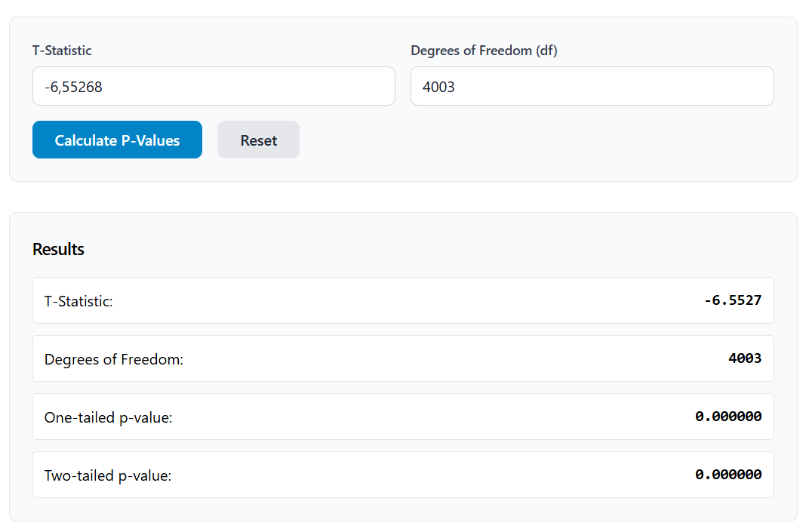
 | Coefficients | Standard Error | t-statistics | p-value
Intercept | 73127.72921 | 987.2450418 | -6.552685235 | 0.00000000
mileage | -0.05642139374 | 0.008610423318

-0.05642139374 | 73127.729215
0.0086104233178 | 987.24504181
0.010612542047 | 31333.793126
42.937683788 | 4003
42156500974 | 3.9301717865E+12

enginev_regression_analysis
Engine V Regression Analysis
Statistics
Multiple R | 0.3511624819
R Square | 0.1233150887
Adjusted R Square | 0.1230960817
Standard Error | 29495.21304

ANOVA
 | Degrees of Freedom | SS (Sum of Squares) | MS (Mean of Squares) | F (MS_Reg / MS_Res) | Signficance F
Regression | 1 | 489848015131 | 489848015131 | 563.0646698 | 0.000000
Residual | 4003 | 3482480272343 | 869967592.4
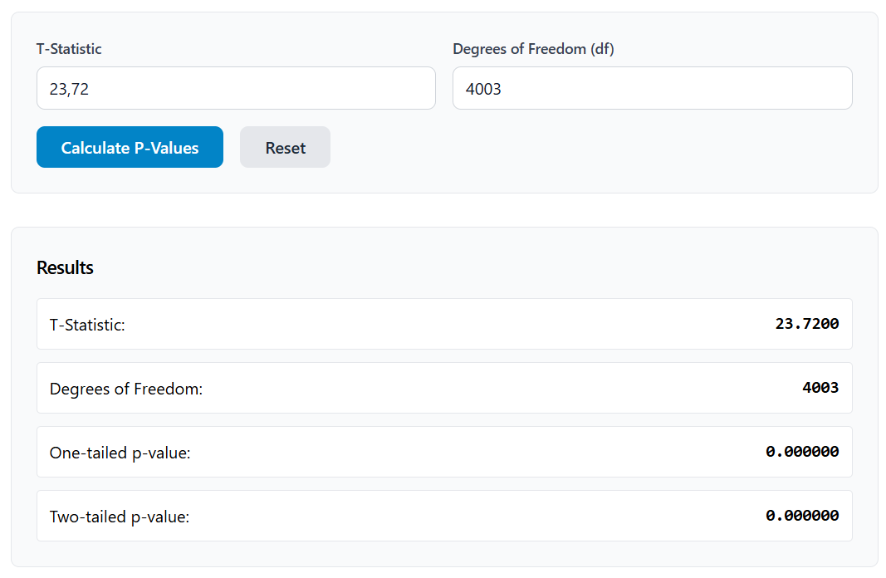
Total | 4004 | 3972328287474

 | Coefficients | Standard Error | t-statistics | p-value
Intercept | 38857.2127 | 1295.152037 | 23.72898375 | 0.00000000
enginev | 9545.059748 | 402.2532043

9545.059748 | 38857.2127
402.25320429 | 1295.1520375
0.1233150887 | 29495.213042
563.06466978 | 4003
4.8984801513E+11 | 3.4824802723E+12

year_regression_analysis
Engine V Regression Analysis
Statistics
Multiple R | 0.8142648632
R Square | 0.6630272675
Adjusted R Square | 0.6629430874
Standard Error | 18286.35519

ANOVA
 | Degrees of Freedom | SS (Sum of Squares) | MS (Mean of Squares) | F (MS_Reg / MS_Res) | Signficance F
Regression | 1 | 2633761969938 | 2633761969938 | 7876.299461 | 0.000000
Residual | 4003 | 1338566317536 | 334390786.3
Total | 4004 | 3972328287474

 | Coefficients | Standard Error | t-statistics | p-value
Intercept | -6996447.992 | 79595.98305 | 88.74851808 | 0.00000000
year | 3511.029832 | 39.5615601

3511.029832 | -6996447.992
39.561560102 | 79595.983045
0.66302726747 | 18286.355194
7876.2994613 | 4003
2.6337619699E+12 | 1.3385663175E+12

mileage_year_engine_regression_
Regression Analysis (EngineV, Year and Mileage)
Statistics
Multiple R | 0.8907278835
R Square | 0.7933961624
Adjusted R Square | 0.7932412483
Standard Error | 14322.12576

ANOVA
 | Degrees of Freedom | SS (Sum of Squares) | MS (Mean of Squares) | F (MS_Reg / MS_Res) | Signficance F
Regression | 3 | 3151630019236 | 1050543339745 | 5121.521593 | 0.000000
Residual | 4001 | 820698268238 | 205123286.2
Total | 4004 | 3972328287474
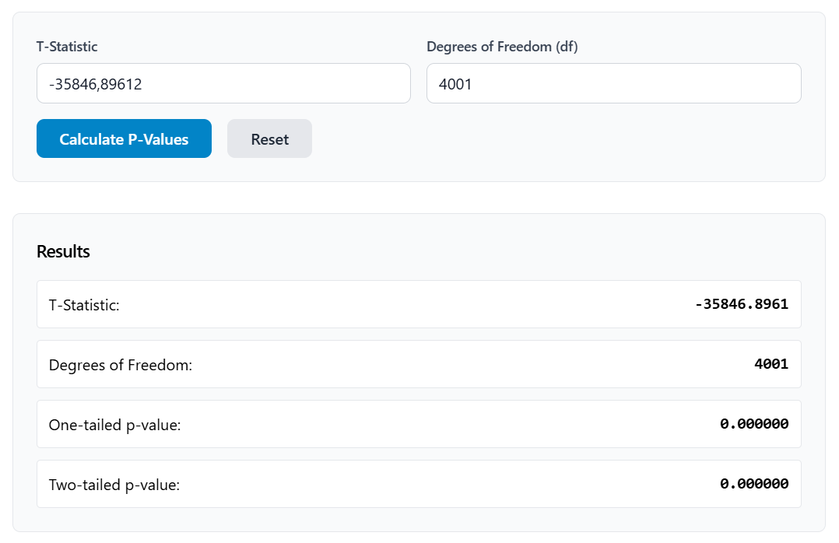
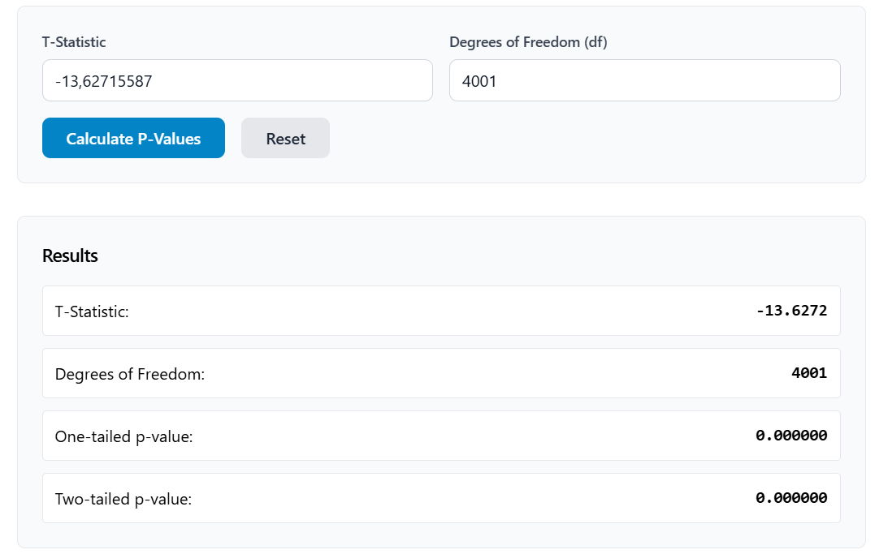
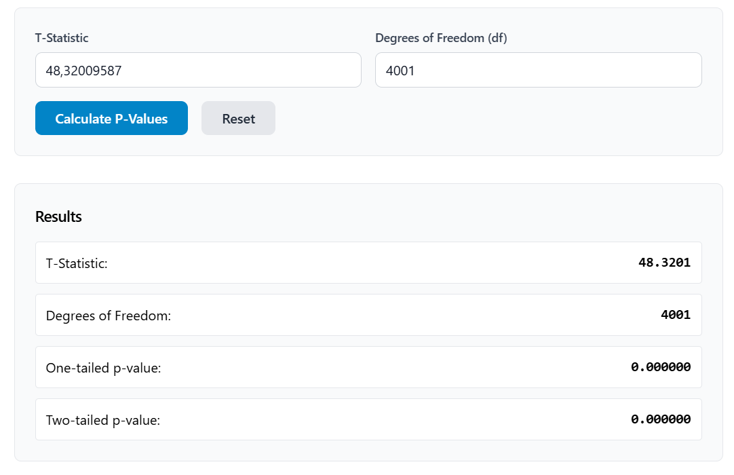

 | Coefficients | Standard Error | t-statistics | p-value
Intercept | -7001860.475 | 195.326827 | -35846.89612
mileage | -0.05363294194 | 0.003935739962 | -13.62715587 | 0.00000000
enginev | 9438.211005 | 195.326827 | 48.32009587
year | 3502.272013 | 30.98584167 | 113.0281388
-0.05363294194 | 9438.2110047 | 3502.2720133 | -7001860.475 | Coefficient
0.0039357399623 | 195.32682696 | 30.985841671 | 62345.348027 | SE
0.79339616244 | 14322.125758 | #N/A | #N/A | R^2 and Standard Error y
5121.5215932 | 4001 | #N/A | #N/A | F and df
3.1516300192E+12 | 8.2069826824E+11 | #N/A | #N/A | Sum of squares regression and SS Residual

