Sheet2
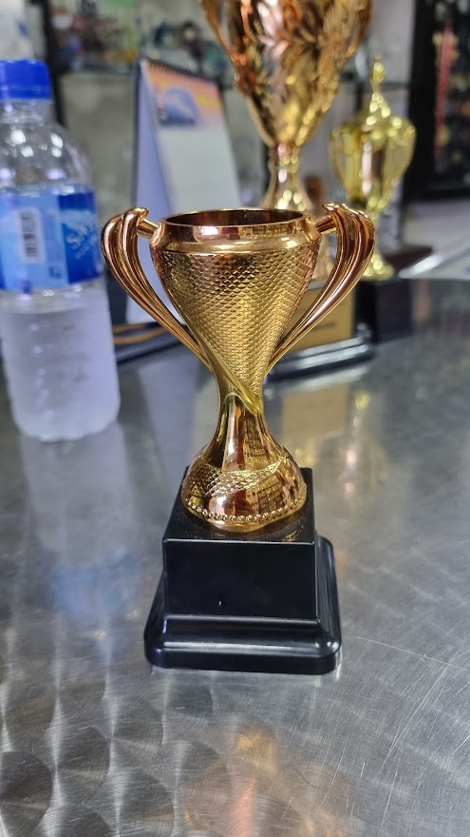
To Print | Remarks |  | Nos | LOGO
RRCC Man of The Match | On All 20 Trohies |  | 20


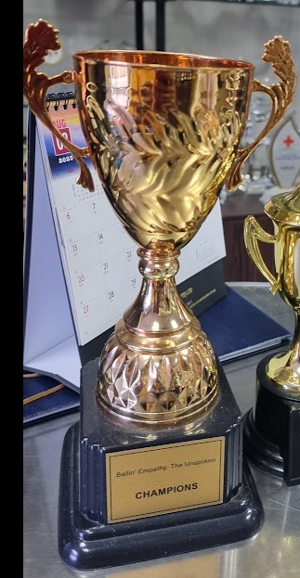
RRCC - BBL 23 Champion Ball Busters | On Gold |  | 1

RRCC - BBL 23 Runners Up Victorious | On Silver |  | 1

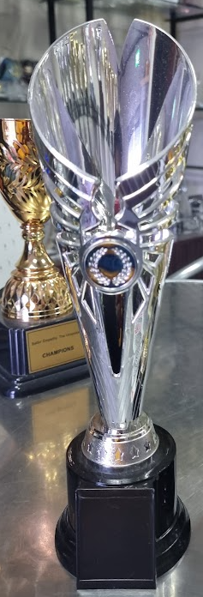
RRCC - Threeminator 23 Runners Up | On Silver |  | 1

RRCC - Threeminator 23 Champions | On Gold |  | 1

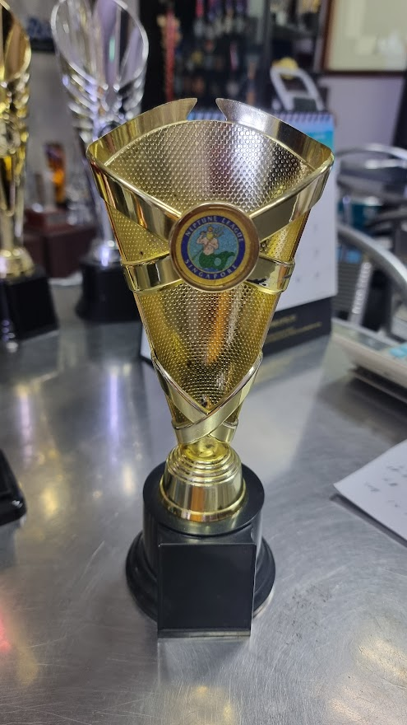
RRCC - BBL 23 Champion Ball Busters | On Gold |  | 5

RRCC - BBL 23 Runners Up Victorious | On Silver |  | 5

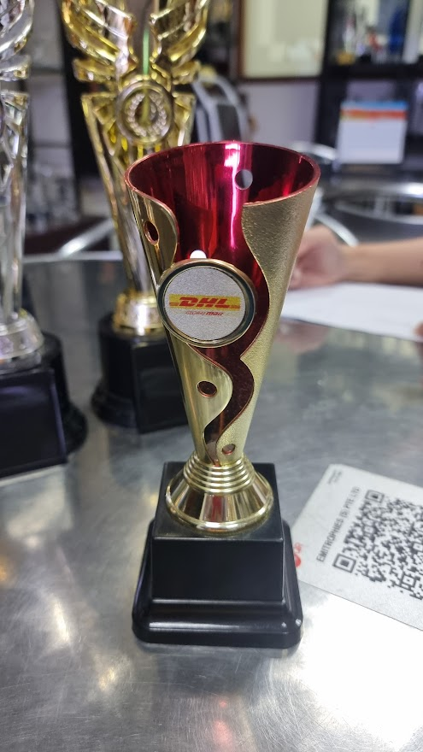
RRCC - BBL 23 Best Batsman Prakas K | big size | 1

RRCC - BBL 23 Best Bowler Nadeem | big size | 1

RRCC - Threeminator 23 Best Bowler | big size | 1

RRCC - Threeminator 23 Best Batsman | big size | 1

RRCC - BBL 23 Maximum Run Prakas K | Small size | 1

RRCC - BBL 23 Maximum Wickets Rajesh P | Small size | 1

RRCC - Threeminator 23 Maximum Run | Small size | 1

RRCC - Threeminator 23 Maximum Wickets | Small size | 1

