Sheet1
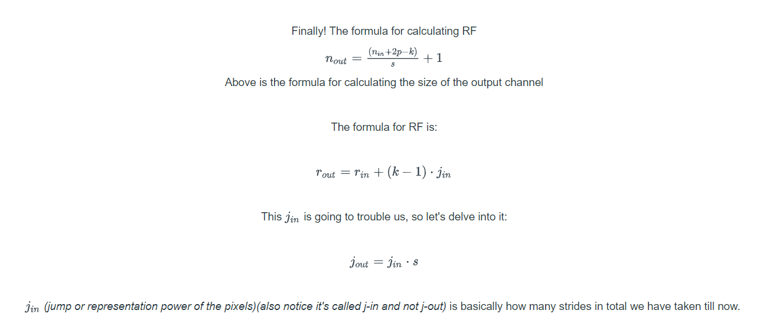
 | N_in | R_in | J_in | S | P | N_out | R_out | J_out | Layer | K
1 | 28 | 1 | 1 | 1 | 1 | 28 | 3 | 1 |  | 3
2 | 28 | 3 | 1 | 1 | 1 | 28 | 5 | 1 |  | 3
3 | 28 | 5 | 1 | 2 | 0 | 14 | 6 | 2 | M | 2
4 | 14 | 6 | 2 | 1 | 1 | 14 | 10 | 2 |  | 3
5 | 14 | 10 | 2 | 1 | 1 | 14 | 14 | 2 |  | 3
6 | 14 | 14 | 2 | 2 | 0 | 7 | 16 | 4 | M | 2
7 | 6 | 16 | 4 | 1 | 0 | 4 | 24 | 4 |  | 3
8 | 4 | 24 | 4 | 1 | 0 | 2 | 32 | 4 |  | 3
9 | 2 | 32 | 4 | 1 | 0 | 0 | 40 | 4 |  | 3
10 | 0 | 40 | 4 | 1 | 0 | -2 | 48 | 4 |  | 3
11 | -2 | 48 | 4 | 1 | 0 | -4 | 56 | 4 |  | 3
12 | -4 | 56 | 4 | 1 | 0 | -6 | 64 | 4 |  | 3
13 | -6 | 64 | 4 | 1 | 0 | -8 | 72 | 4 |  | 3
14 | -8 | 72 | 4 | 1 | 0 | -10 | 80 | 4 |  | 3
15 | -10 | 80 | 4 | 1 | 0 | -12 | 88 | 4 |  | 3
16 | -12 | 88 | 4 | 1 | 0 | -14 | 96 | 4 |  | 3
17 | -14 | 96 | 4 | 1 | 0 | -16 | 104 | 4 |  | 3
18 | -16 | 104 | 4 | 1 | 0 | -18 | 112 | 4 |  | 3
19 | -18 | 112 | 4 | 1 | 0 | -20 | 120 | 4 |  | 3
20 | -20 | 120 | 4 | 1 | 0 | -22 | 128 | 4 |  | 3
21 | -22 | 128 | 4 | 1 | 0 | -24 | 136 | 4 |  | 3
22 | -24 | 136 | 4 | 1 | 0 | -26 | 144 | 4 |  | 3
23 | -26 | 144 | 4 | 1 | 0 | -28 | 152 | 4 |  | 3
24 | -28 | 152 | 4 | 1 | 0 | -30 | 160 | 4 |  | 3
25 | -30 | 160 | 4 | 1 | 0 | -32 | 168 | 4 |  | 3
26 | -32 | 168 | 4 | 1 | 0 | -34 | 176 | 4 |  | 3
27 | -34 | 176 | 4 | 1 | 0 | -36 | 184 | 4 |  | 3
28 | -36 | 184 | 4 | 1 | 0 | -38 | 192 | 4 |  | 3

