0_Dashboard
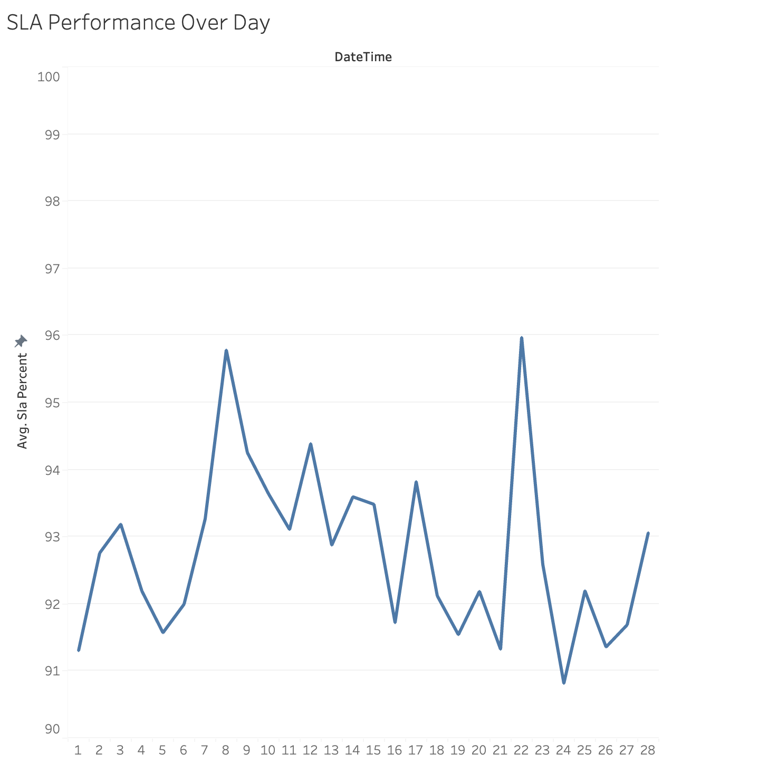
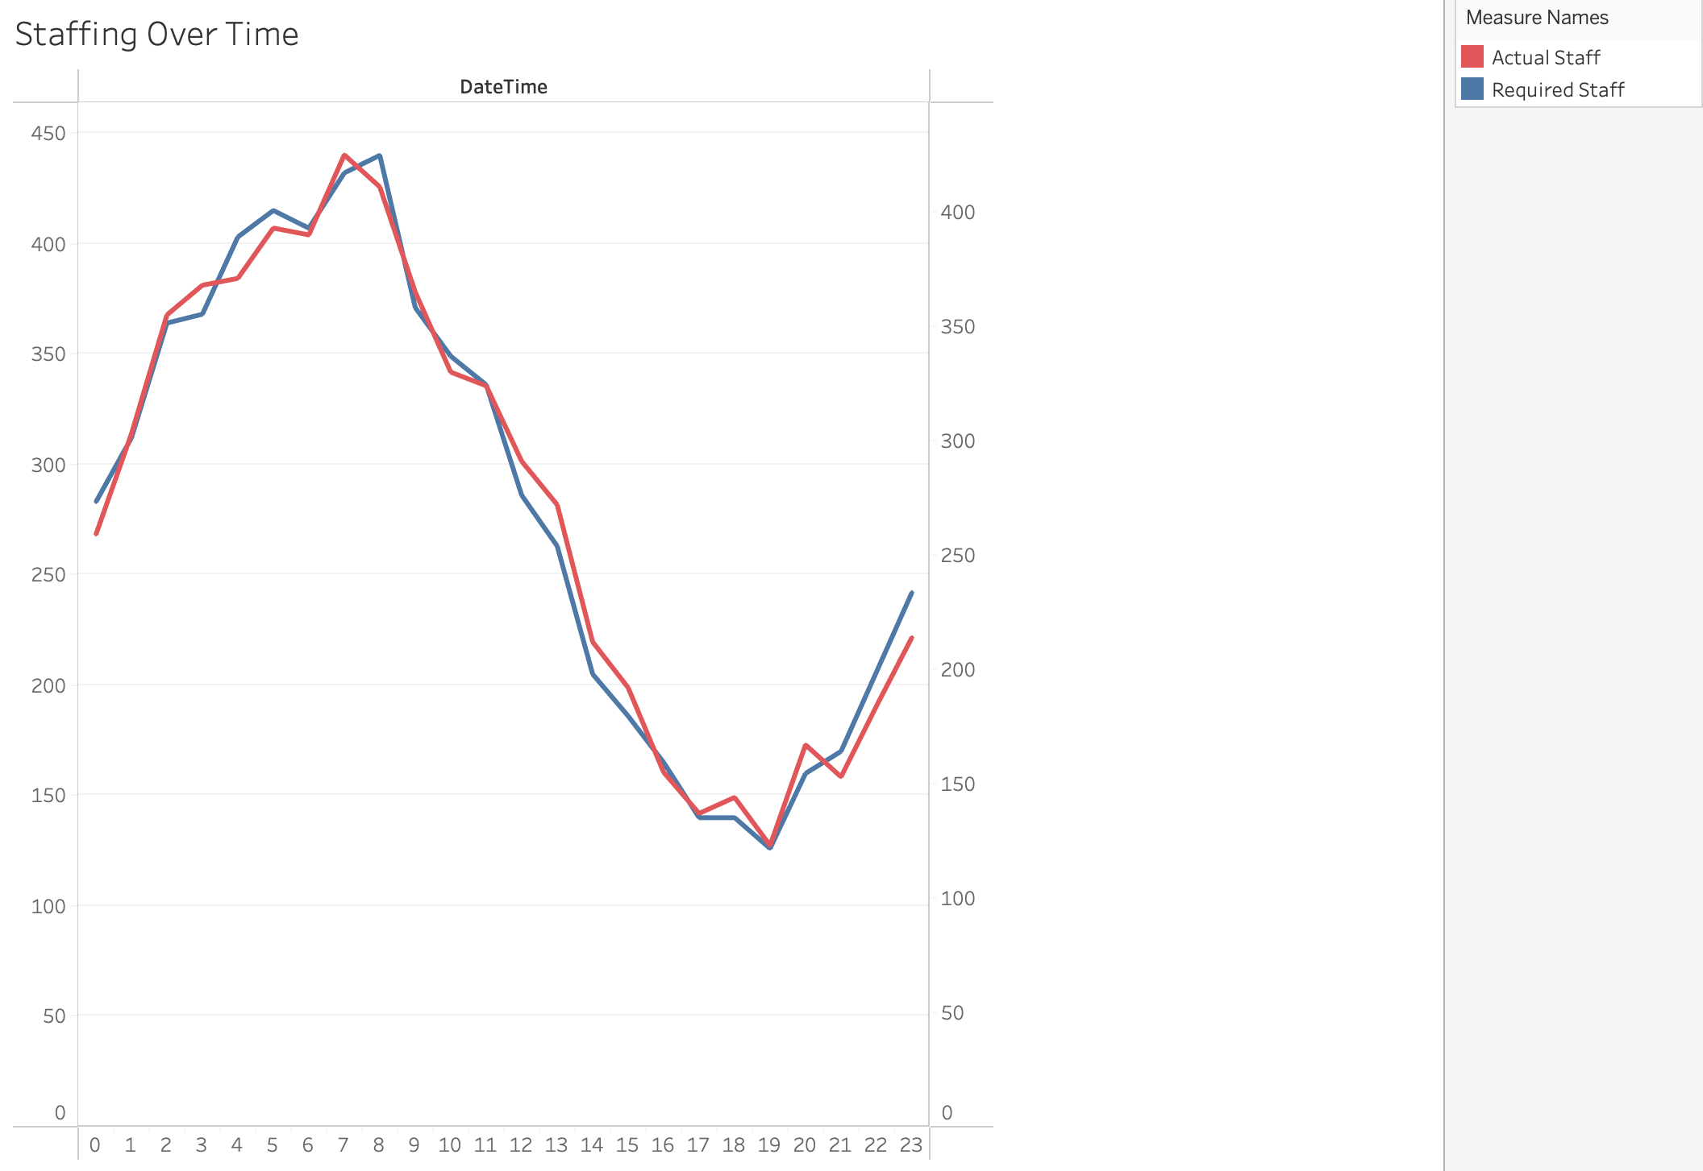
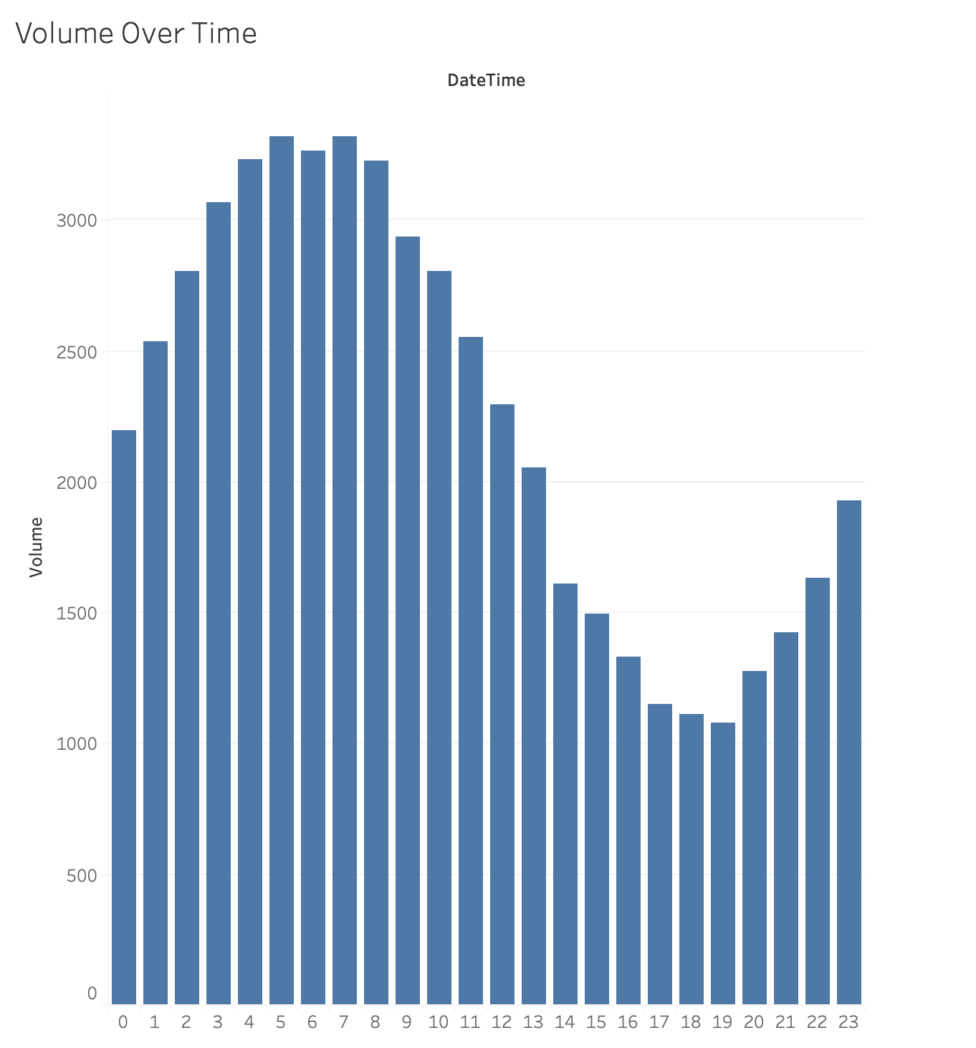
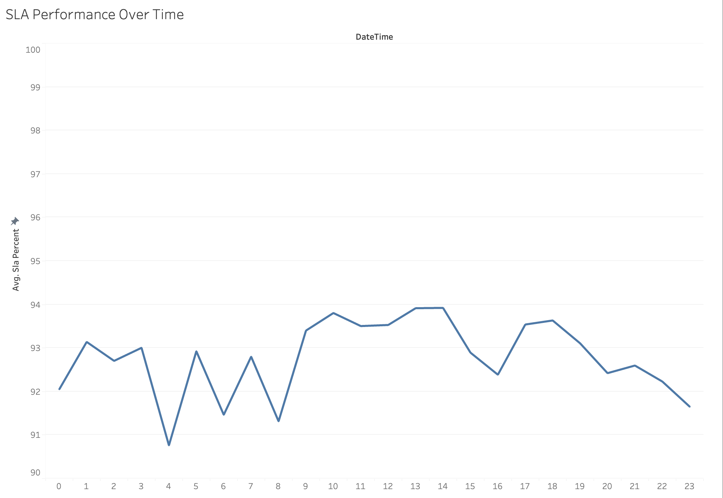
Part 2 — Decision-Ready Reporting View
Charts included: Volume vs Staffing, SLA over time, Productivity proxy, and Hourly staffing alignment.
Data quality note: a few negative scheduled_staff values are upstream anomalies; analysis uses required vs actual staffing.

KPI | Value
SLA risk threshold | <= 84.6
SLA risk hours | 70/672 (10.4%)
Understaffed hours | 352/672 (52.4%)

Volume vs Staffing (Required vs Actual)
 | Required Staff | Actual Staff
46054 | 240 | 225
46055 | 250 | 238
46056 | 234 | 238
46057 | 244 | 236
46058 | 231 | 211
46059 | 243 | 220
46060 | 235 | 246
46061 | 241 | 260
46062 | 248 | 253
46063 | 254 | 251
46064 | 240 | 224
46065 | 232 | 248
46066 | 261 | 259
46067 | 239 | 239
46068 | 238 | 237
46069 | 243 | 223
46070 | 229 | 238
46071 | 245 | 228
46072 | 243 | 222
46073 | 254 | 229
46074 | 266 | 247
46075 | 225 | 236
46076 | 252 | 234
46077 | 237 | 207
46078 | 239 | 224
46079 | 236 | 208
46080 | 222 | 215
46081 | 248 | 242
Daily Volume
 | Volume
46054 | 1884
46055 | 1987
46056 | 1815
46057 | 1912
46058 | 1859
46059 | 1931
46060 | 1902
46061 | 1947
46062 | 1969
46063 | 1941
46064 | 1848
46065 | 1856
46066 | 1954
46067 | 1944
46068 | 1888
46069 | 1913
46070 | 1880
46071 | 1960
46072 | 1945
46073 | 1973
46074 | 2009
46075 | 1871
46076 | 1905
46077 | 1863
46078 | 1970
46079 | 1845
46080 | 1879
46081 | 1990

SLA performance over time (Daily avg) — red markers indicate days with SLA-risk hours
 | Avg SLA % | Days w/ any SLA-risk hours
46054 | 91.304166667 | 91.304166667
46055 | 92.758333333
46056 | 93.1875 | 93.1875
46057 | 92.191666667 | 92.191666667
46058 | 91.570833333 | 91.570833333
46059 | 91.995833333 | 91.995833333
46060 | 93.266666667 | 93.266666667
46061 | 95.783333333 | 95.783333333
46062 | 94.254166667 | 94.254166667
46063 | 93.641666667
46064 | 93.108333333 | 93.108333333
46065 | 94.3875 | 94.3875
46066 | 92.875 | 92.875
46067 | 93.595833333 | 93.595833333
46068 | 93.483333333 | 93.483333333
46069 | 91.720833333 | 91.720833333
46070 | 93.820833333 | 93.820833333
46071 | 92.120833333 | 92.120833333
46072 | 91.541666667 | 91.541666667
46073 | 92.1875 | 92.1875
46074 | 91.325 | 91.325
46075 | 95.970833333
46076 | 92.591666667 | 92.591666667
46077 | 90.816666667 | 90.816666667
46078 | 92.195833333 | 92.195833333
46079 | 91.358333333 | 91.358333333
46080 | 91.6875 | 91.6875
46081 | 93.058333333 | 93.058333333
Productivity Proxy: Volume per Staff
 | Volume per Staff
46054 | 10.498270248
46055 | 9.385419962
46056 | 13.964984321
46057 | 15.740750891
46058 | 10.934286962
46059 | 11.314285194
46060 | 9.7716991342
46061 | 10.165471015
46062 | 12.078983378
46063 | 11.579122327
46064 | 10.596907521
46065 | 9.2352090405
46066 | 12.054574963
46067 | 11.019434038
46068 | 10.849024899
46069 | 12.033359706
46070 | 11.525383328
46071 | 10.975914111
46072 | 13.99694211
46073 | 13.759716051
46074 | 9.3811439875
46075 | 10.370131489
46076 | 9.105529914
46077 | 13.111616162
46078 | 14.000611687
46079 | 12.342924784
46080 | 10.722475326
46081 | 12.457345283

Hourly Staffing Alignment
 | Avg Required by Hour | Avg Actual by Hour
0 | 10.107142857 | 9.25
1 | 11.142857143 | 10.821428571
2 | 13 | 12.678571429
3 | 13.142857143 | 13.142857143
4 | 14.392857143 | 13.25
5 | 14.821428571 | 14.035714286
6 | 14.535714286 | 13.928571429
7 | 15.428571429 | 15.178571429
8 | 15.714285714 | 14.678571429
9 | 13.25 | 13.035714286
10 | 12.464285714 | 11.785714286
11 | 12 | 11.571428571
12 | 10.214285714 | 10.392857143
13 | 9.3928571429 | 9.7142857143
14 | 7.3214285714 | 7.5714285714
15 | 6.6428571429 | 6.8571428571
16 | 5.8928571429 | 5.5357142857
17 | 5 | 4.8928571429
18 | 5 | 5.1428571429
19 | 4.5 | 4.3928571429
20 | 5.7142857143 | 5.9642857143
21 | 6.0714285714 | 5.4642857143
22 | 7.3571428571 | 6.5714285714
23 | 8.6428571429 | 7.6428571429
AHT Trend
 | Avg AHT (min)
46054 | 8.1854166667
46055 | 7.9125
46056 | 8.235
46057 | 8.0379166667
46058 | 7.8383333333
46059 | 7.8425
46060 | 7.8854166667
46061 | 7.8245833333
46062 | 7.7704166667
46063 | 8.12125
46064 | 8.2329166667
46065 | 7.9629166667
46066 | 8.4079166667
46067 | 7.7275
46068 | 8.0825
46069 | 8.0008333333
46070 | 7.865
46071 | 7.8266666667
46072 | 8.0320833333
46073 | 7.9258333333
46074 | 8.36875
46075 | 7.76625
46076 | 8.3933333333
46077 | 7.9766666667
46078 | 7.8466666667
46079 | 8.1291666667
46080 | 7.5666666667
46081 | 7.8533333333

