Sheet1
Page(s) | Issue Type | Description | Screenshot | Status | Comments
Floor Plan |  | Add Max Rent back to the searches on the Floor Plan page (but leave max rent off of the homepage view)
Application |  | Add Items: 1. Inside the pop-up dialog boxes, the button should say Save instead of Add 2. The sentence at the bottom should say: Note: Uncheck to remove item and click Save. | 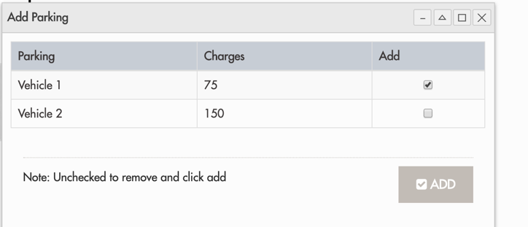
Application |  | Validation for all fields within Application 1. Applicant must be at least 18 years old 2. The calendar should not go back so far 3. Please review all fields and see what others logically need validation
Application |  | Rental History Section 1. Change Move in date to a date range: From ____ to ____ 2. Add ability to add a second record of rental history
Floor Plan | New | On the floor plan: Lease terms should be a drop down with two options: 6 Months and 12 Months The price will change based on Lease Term. For now, add $500 to the monthly price when 6 Months is selected. Admin should be able to input the price differences between the lease terms |  |  | Need Estimate
Floor Plan | New | Wait List: They want prospects to be able to add themselves to a waitlist for rentals. Should be able to specify what size of apartment they are interested in - 1, 2, 3 or Any |  |  | Need Estimate
Application |  | On the Summary Page: When you click Add Item to add a pet, the pop-up window should have a mandatory check box to confirm they have read and agree to the pet policy, with a link to the policy. Should say: I have read and agree to Sanctuary Doral's Pet Policy. (the words pet policy can be the hyperlink)
Application |  | On the Pet details page: For each pet, in addition to adding the weight, etc, they need to be able to upload a picture. Should say: Upload Picture
Application |  | Need to be able to add more than one minor
All | New | Appointments: They want applicants to be able to schedule right there with something like Calendly or YouCanBookMe. What will it take to add that? |  |  | Need Estimate
Application |  | Progress Bar - They want to be able to show the progress of the application - perhaps with a bar that fills up as each page is complete? Let's think of some options on how this can look. Maybe check out other sites for examples. Should not be complicated but simple. |  |  | Need Estimate
Application |  | Summary Page: Update the pricing shown: Due Now Due at Move-In Due Monthly Also have one complete total underneath Anup, can you look for it? This is directly from Real Pages - please check the videos (might be Real Pages video 4) |  |  | Need Estimate
Floor Plan | New | They want to be able to push promotions - need to add an attribute to each floor plan that says whether it's on promotion. If they click a link that says, "show promotions" these properties should populate. |  |  | Need Estimate
Link to External Adverstising sites | New | They would like the ability to push pricing and promotion updates simultaneously directly to ILS sites like Apartments.com, rent.com, zillow.com, and a few others. What would this take? ** Check Entrata video 1, minute 6 to see how the Entrata ILS Portal works. |  |  | Need Estimate
Cost splitting | New | They want to be able to split the costs such as the application fee between applicants. Possibly have a field that says Responsible Party with percentage involved. ** Anup - Please review the videos for how Real Pages and Entrata handle this function. |  |  | Need Estimate
 | New | Things to Discuss in Future: Fully Mobile Friendly Site in Spanish CRM demo & estimate

