Sheet1
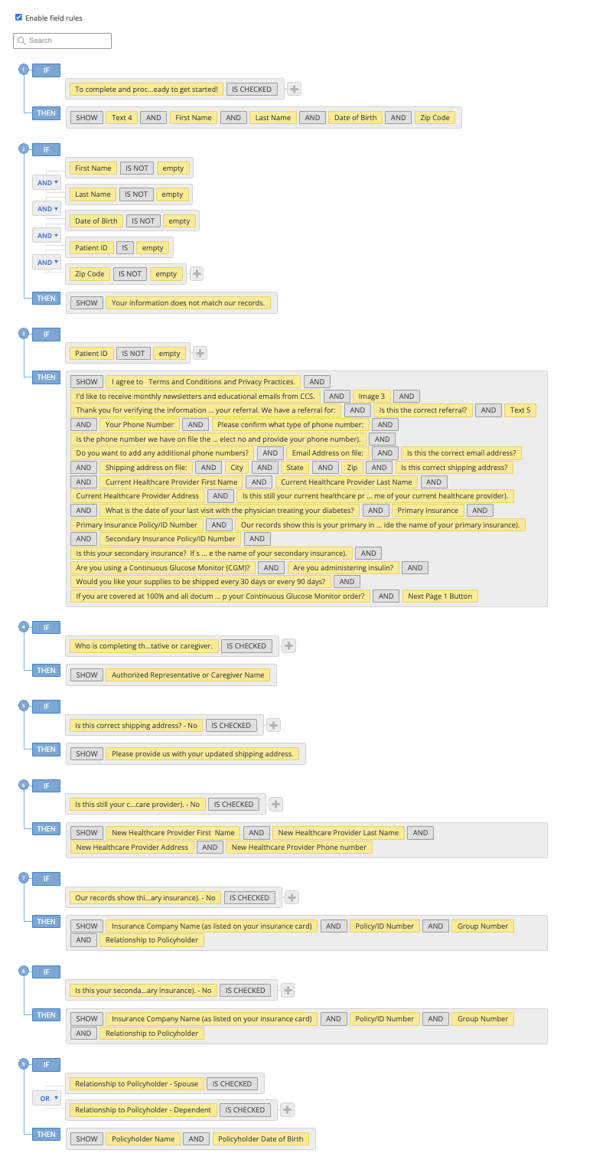
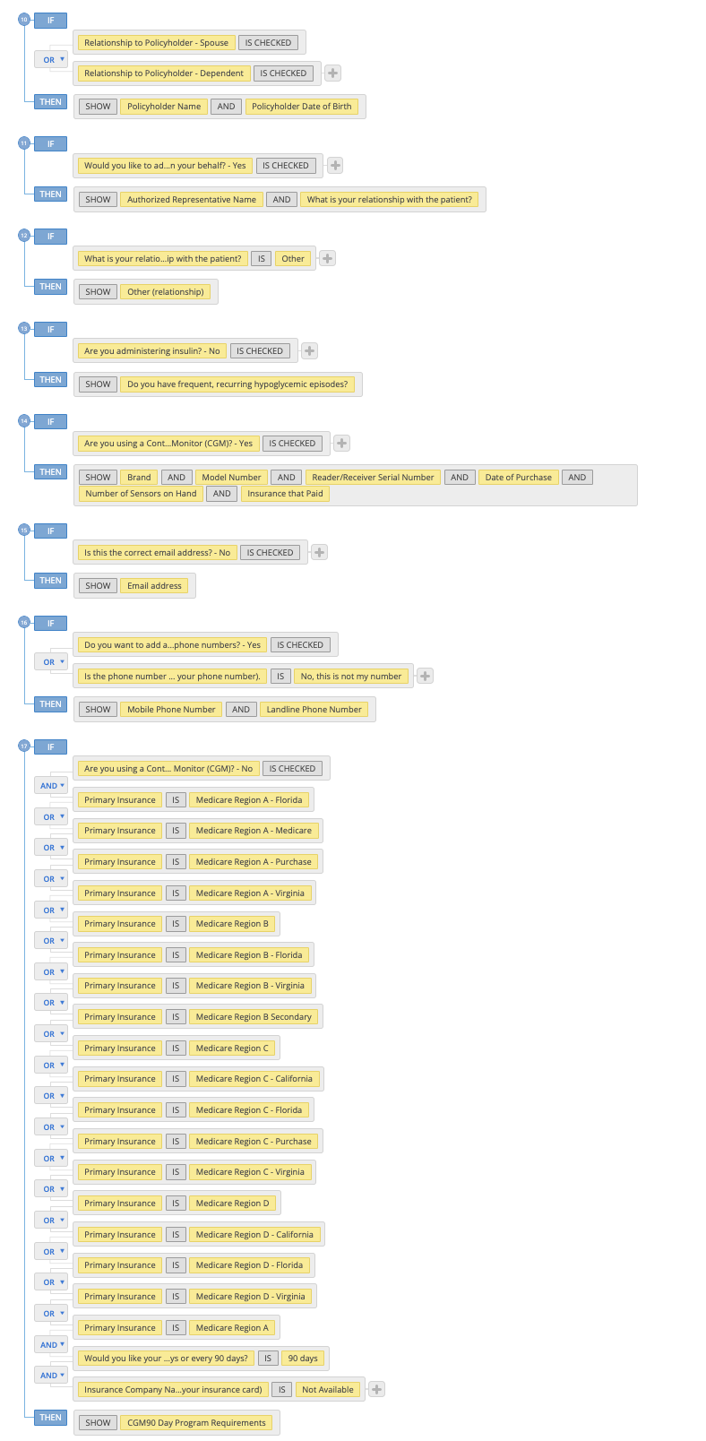
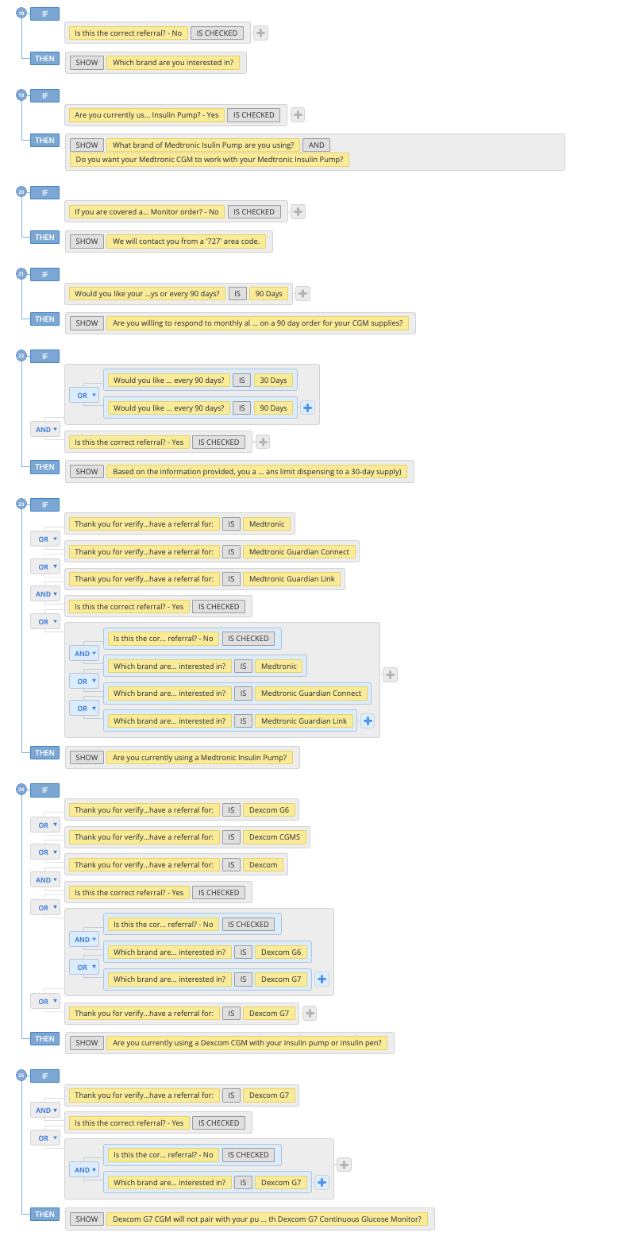
https://NCEQualifyIP.ccsmed.com/form-6422607/nce
Patient ID: 36235 Last Name: HOLLAND First Name: CURTIS Date of Birth: 06/05/1970 Zip: 31210

Field | Unique Field ID | Include in Note (Y/N)
Logo | 106941790 | N
To complete and process your referral, we need some additional information. Would you like to complete this online? It should only take a few minutes. | 106942311 | N
Let's get started! To verify you in our records and for your safety, please complete the fields below. | 106944819 | N
Patient ID | 106944826 | Y
First Name | 106944794 | N
Last Name | 106944795 | N
Date of Birth | 107795236 | N
Date of Birth | 106944802 | N
Zip Code | 106944803 | N
I agree to | 107317954 | N
I'd like to receive monthly newsletters and educational emails from CCS. | 107317982 | N
Authorized Representative or Caregiver Name | 107109613 | Y
Patient ID Matched | 107092871 | N
Your information does not match our records. | 107092680 | N
Logo | 106941802 | N
. | 106942318 | N
Your First and Last Name | 106942351 | Y
What is the best phone number to reach you at? | 106942320 | Y
Who is completing this form? | 106941797 | Y
Authorized Representative or Caregiver Name | 106943031 | Y
Thank you for verifying the information requested. | 106983695 | Y
Is this the correct referral? | 107093816 | Y
Which brand are you interested in? | 107093818 | Y
We would like to confirm the following information. | 106941803 | N
Your Phone Number | 106943097 | Y
Please confirm what type of phone number: | 107582511 | Y
Is the phone number we have on file the best phone number to reach you? (If a phone number is not displayed, please select no and provide your phone number). | 107343046 | Y
Do you want to add any additional phone numbers? | 106987795 | Y
Mobile Phone Number | 106944120 | Y
Landline Phone Number | 106988211 | Y
Do you want to add any additional phone numbers? | 106988280 | Y
Additional Phone Number | 106988282 | Y
Email Address on file: | 106943201 | Y
Is this the correct email address? | 106943204 | Y
Email address | 106943344 | Y
Shipping address on file: | 106941827 | Y
City | 106941828 | Y
State | 107109001 | Y
Zip | 106941829 | Y
Is this correct shipping address? | 106941830 | Y
Please provide us with your updated shipping address. | 106941831 | Y
Current Healthcare Provider First Name | 106941823 | Y
Current Healthcare Provider Last Name | 107091261 | Y
Current Healthcare Provider Address | 107091992 | Y
Current Healthcare Provider Phone Number | 107255034 | Y
Is this still your current healthcare provider? (If a current healthcare provider is not displayed, select no and provide the name of your current healthcare provider). | 106941824 | Y
New Healthcare Provider First Name | 106941825 | Y
New Healthcare Provider Last Name | 106941826 | Y
New Healthcare Provider Address | 107092059 | Y
New Healthcare Provider Phone number | 107092061 | Y
What is the date of your last visit with the physician treating your diabetes? | 109674693 | Y
Primary Insurance | 107621877 | Y
Primary Insurance Policy/ID Number | 106943314 | Y
Our records show this is your primary insurance and policy number. Is this correct? (If primary insurance is not displayed, select no and provide the name of your primary insurance). | 106941832 | Y
Insurance Company Name (as listed on your insurance card) | 107091993 | Y
Policy/ID Number | 107092009 | Y
Group Number | 107092024 | Y
Relationship to Policyholder | 107092017 | Y
Policyholder Name | 107092012 | Y
Policyholder Date of Birth | 107254185 | Y
Secondary Insurance Policy/ID Number | 106943330 | Y
Is this your secondary insurance? If secondary insurance is not displayed, select no and provide the name of your secondary insurance). | 106943329 | Y
Insurance Company Name (as listed on your insurance card) | 107092575 | Y
Policy/ID Number | 107092576 | Y
Group Number | 107092577 | Y
Relationship to Policyholder | 107092579 | Y
Policyholder Name | 107092580 | Y
Policyholder Date of Birth | 107254201 | Y
Are you using a Continuous Glucose Monitor (CGM)? | 106943361 | Y
Brand | 106943364 | Y
Model Number | 106943366 | Y
Reader/Receiver Serial Number | 106943367 | Y
Date of Purchase | 106943374 | Y
Number of Sensors on Hand | 106943383 | Y
Insurance that Paid | 106943385 | Y
Are you administering insulin? | 106943412 | Y
Do you have frequent, recurring hypoglycemic episodes? | 107091936 | N
.. | 106943449 | Y
Insulin | 106983725 | Y
Workflow | 107343128 | N
Would you like your supplies to be shipped every 30 days or every 90 days? | 106943491 | Y
CGM90 Day Program Requirements | 107109254 | N
Are you willing to respond to monthly alerts so we can set you up on a 90 day order for your CGM supplies? | 107109268 | Y
Are you planning to use the CGM application on your phone as your reader/receiver? | 109674701 | Y
Are you currently using a Medtronic Insulin Pump? | 106943504 | Y
What brand of Medtronic Isulin Pump are you using? | 107406031 | Y
Do you want your Medtronic CGM to work with your Medtronic Insulin Pump? | 106943510 | Y
Do you want your Medtronic CGM to work with your cell phone? | 106943530 | Y
Are you currently using a Dexcom CGM with your insulin pump or insulin pen? | 106943531 | Y
Dexcom G7 CGM will not pair with your pump/pen. Do you want to continue with Dexcom G7 Continuous Glucose Monitor? | 106943541 | Y
Would you like to add additional authorized parties to speak on your behalf? | 106943551 | Y
Authorized Representative Name | 106943553 | Y
What is your relationship with the patient? | 106943737 | Y
Other (relationship) | 106943746 | Y
Based on the information provided, you are requesting up to a 90-day supply for the following (some insurance plans limit dispensing to a 30-day supply) | 107644369 | Y
Based on the information provided, you are requesting supplies for the following (quantities may vary based on what your insurance allows): | 107732976 | Y
If you are covered at 100% and all documents are on file, do you approve CCS to ship your Continuous Glucose Monitor order? | 107092582 | Y
We will contact you from a '727' area code. | 107265118 | Y
By submitting this information you are authorizing CCS Medical to move forward with your referral. | 107257631 | Y
Note | 114672407 | N

