Sheet1
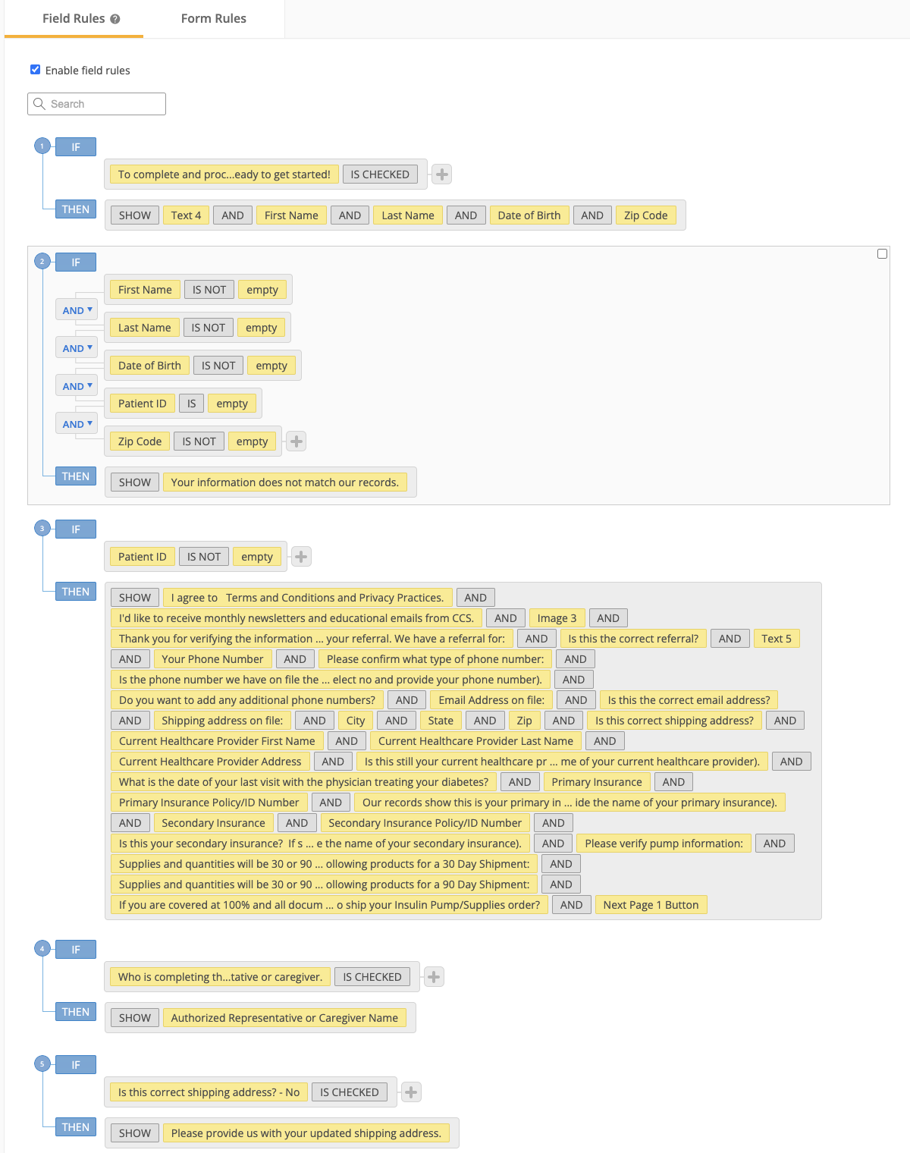
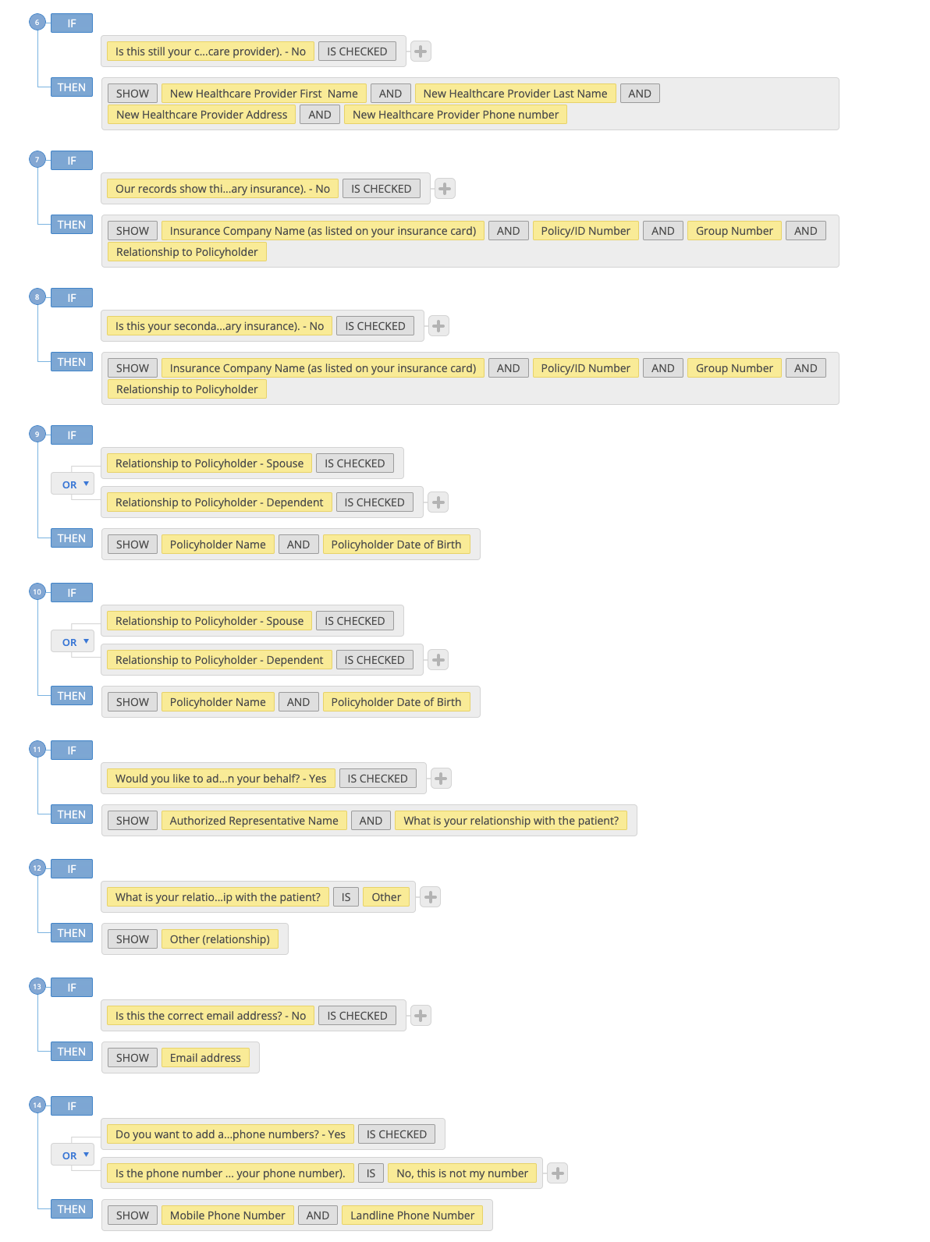
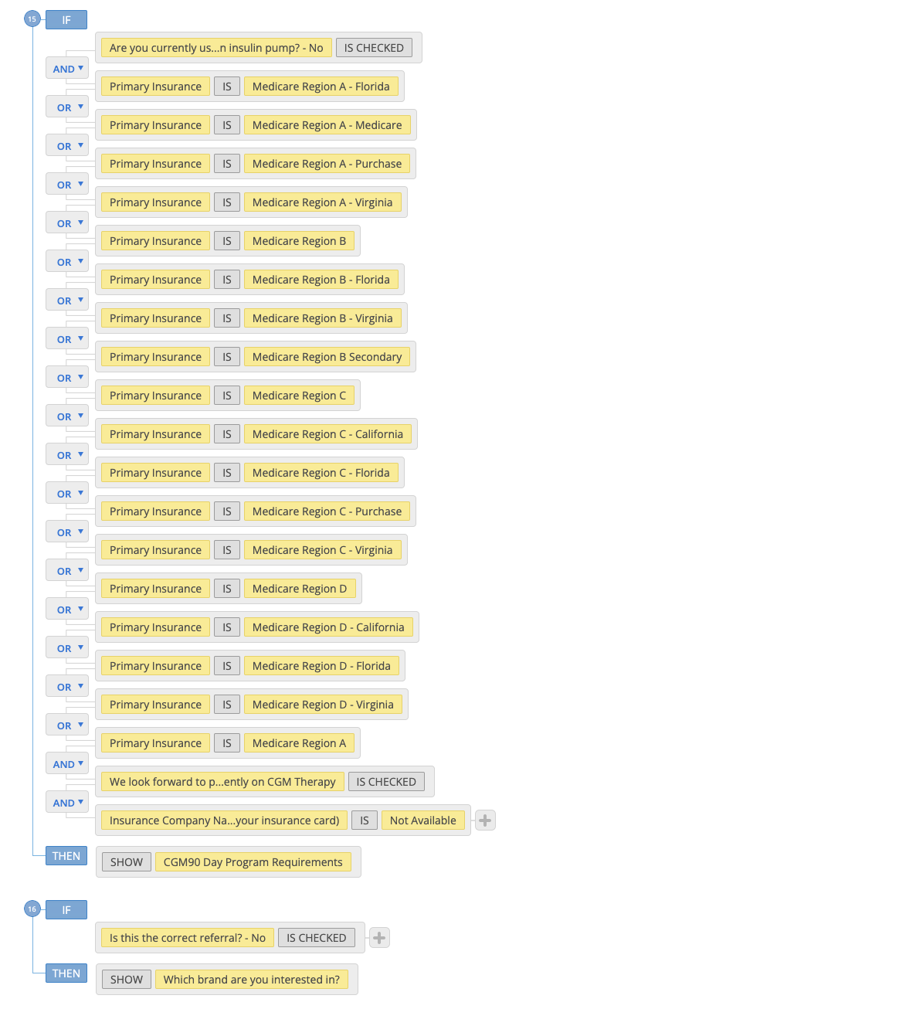
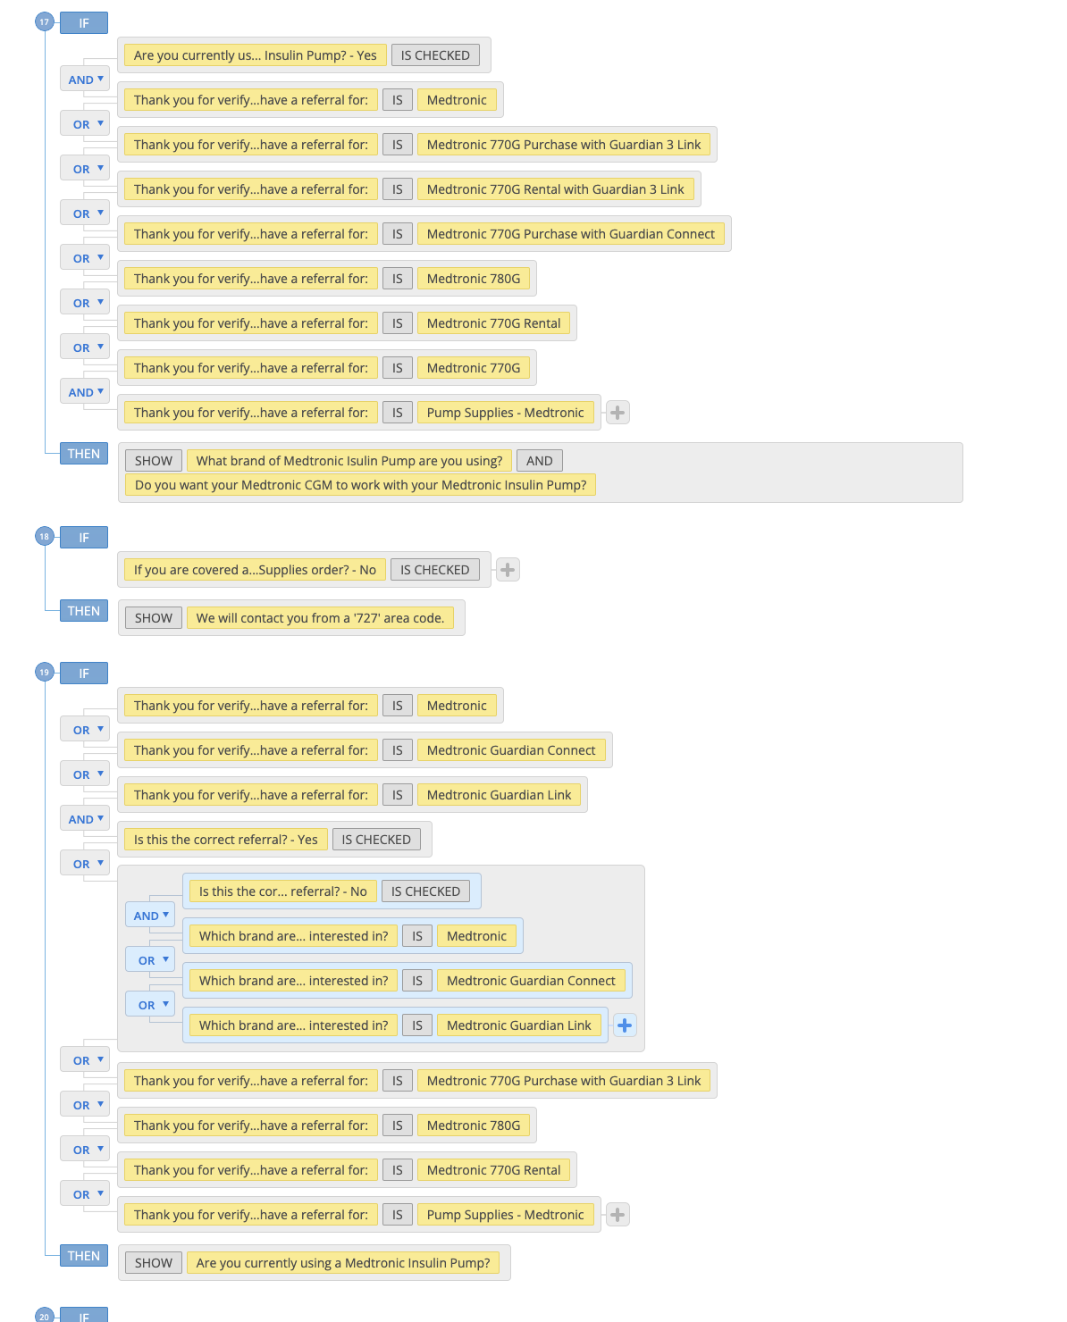
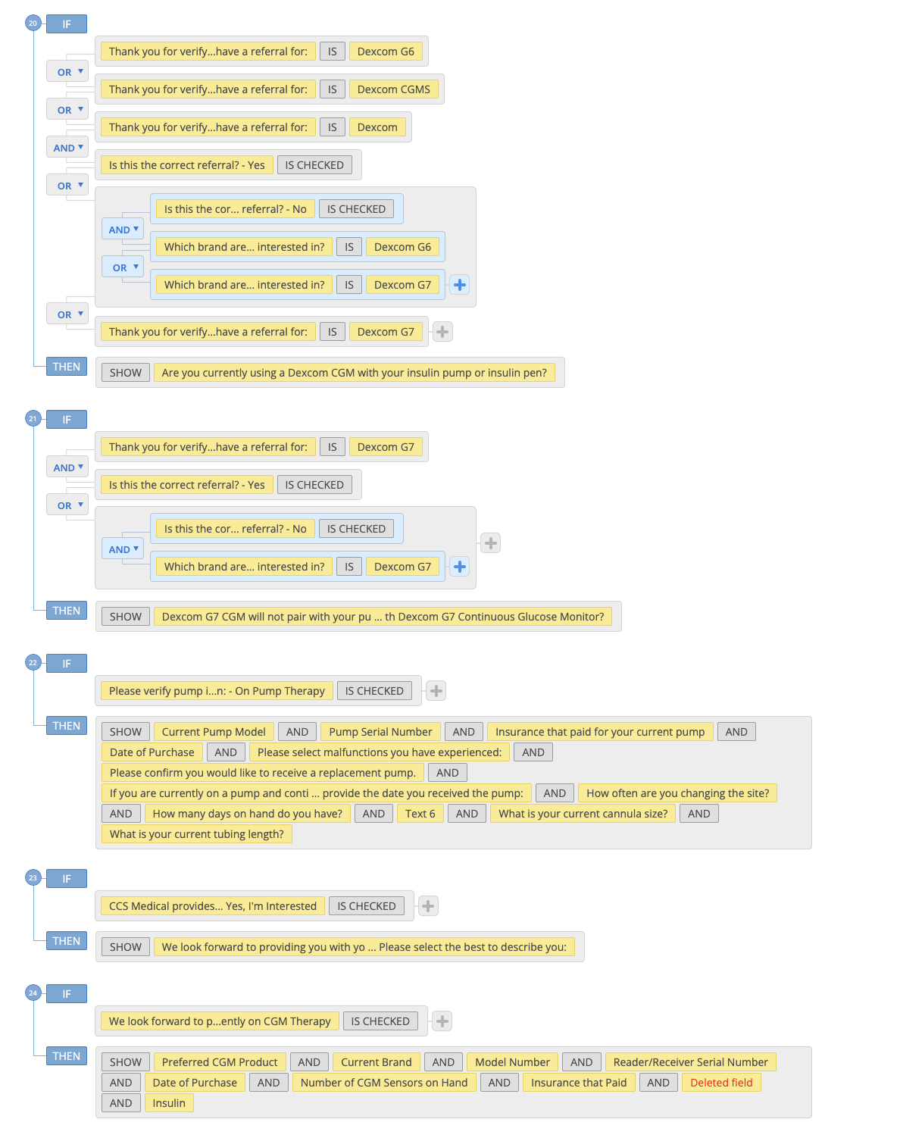
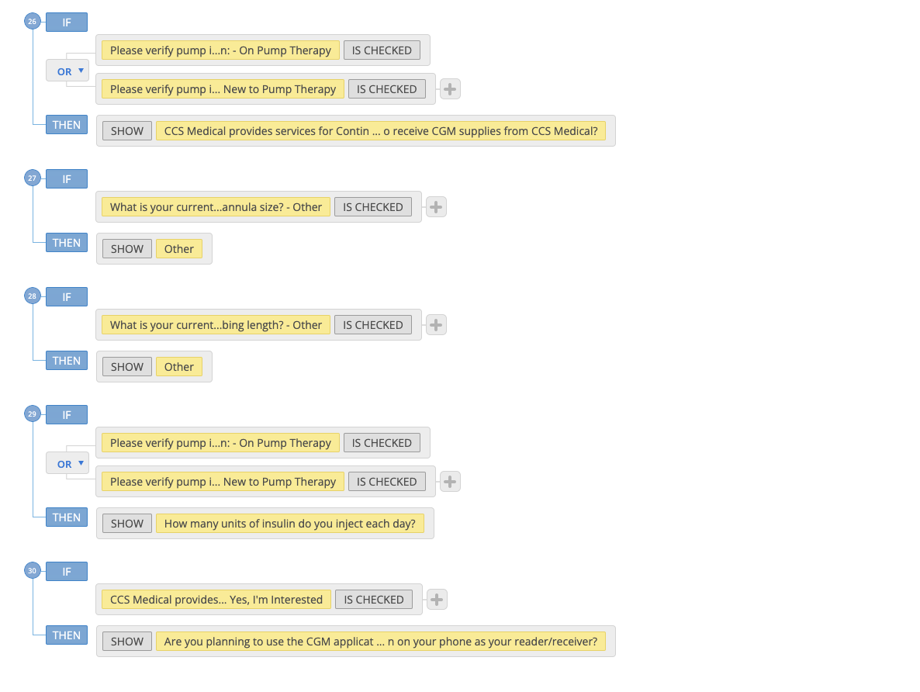
https://NCEQualifyIP.ccsmed.com/form-6460551/ncep
Patient ID: 36235 Last Name: HOLLAND First Name: CURTIS Date of Birth: 06/05/1970 Zip: 31210

Field | Unique Field ID | Include in Note (Y/N)
Logo | 107838098 | No
To complete and process your referral, we need some additional information. Would you like to complete this online? It should only take a few minutes. | 107838099 | No
Let's get started! To verify you in our records and for your safety, please complete the fields below. | 107838100 | No
Patient ID | 107838101 | No
First Name | 107838102 | No
Last Name | 107838103 | No
Date of Birth | 107838104 | No
Date of Birth | 107838105 | No
Zip Code | 107838106 | No
I agree to | 107838107 | No
I'd like to receive monthly newsletters and educational emails from CCS. | 107838108 | No
Authorized Representative or Caregiver Name | 107838109 | No
Patient ID Matched | 107838110 | Y
Your information does not match our records. | 107838111 | No
Logo | 107838113 | No
. | 107838114 | No
Your First and Last Name | 107838115 | Y
What is the best phone number to reach you at? | 107838116 | Y
Who is completing this form? | 107838117 | Y
Authorized Representative or Caregiver Name | 107838118 | Y
Thank you for verifying the information requested. | 107838120 | Y
Is this the correct referral? | 107838121 | Y
Which brand are you interested in? | 107838122 | Y
We would like to confirm the following information. | 107838123 | Y
Your Phone Number | 107838124 | Y
Please confirm what type of phone number: | 107838125 | Y
Is the phone number we have on file the best phone number to reach you? (If a phone number is not displayed, please select no and provide your phone number). | 107838126 | Y
Do you want to add any additional phone numbers? | 107838127 | Y
Mobile Phone Number | 107838128 | Y
Landline Phone Number | 107838129 | Y
Do you want to add any additional phone numbers? | 107838130 | Y
Additional Phone Number | 107838131 | Y
Email Address on file: | 107838132 | Y
Is this the correct email address? | 107838133 | Y
Email address | 107838134 | Y
Shipping address on file: | 107838135 | Y
City | 107838136 | Y
State | 107838137 | Y
Zip | 107838138 | Y
Is this correct shipping address? | 107838139 | Y
Please provide us with your updated shipping address. | 107838140 | Y
Current Healthcare Provider First Name | 107838141 | Y
Current Healthcare Provider Last Name | 107838142 | Y
Current Healthcare Provider Address | 107838143 | Y
Current Healthcare Provider Phone Number | 107838144 | Y
Is this still your current healthcare provider? (If a current healthcare provider is not displayed, select no and provide the name of your current healthcare provider). | 107838145 | Y
New Healthcare Provider First Name | 107838146 | Y
New Healthcare Provider Last Name | 107838147 | Y
New Healthcare Provider Address | 107838148 | Y
New Healthcare Provider Phone number | 107838149 | Y
What is the date of your last visit with the physician treating your diabetes? | 109674543 | Y
Primary Insurance | 107838150 | Y
Primary Insurance Policy/ID Number | 107838151 | Y
Our records show this is your primary insurance and policy number. Is this correct? (If primary insurance is not displayed, select no and provide the name of your primary insurance). | 107838152 | Y
Insurance Company Name (as listed on your insurance card) | 107838153 | Y
Policy/ID Number | 107838154 | Y
Group Number | 107838155 | Y
Relationship to Policyholder | 107838156 | Y
Policyholder Name | 107838157 | Y
Policyholder Date of Birth | 107838158 | Y
Secondary Insurance | 107901181 | Y
Secondary Insurance Policy/ID Number | 107838159 | Y
Is this your secondary insurance? If secondary insurance is not displayed, select no and provide the name of your secondary insurance). | 107838160 | Y
Insurance Company Name (as listed on your insurance card) | 107838161 | Y
Policy/ID Number | 107838162 | Y
Group Number | 107838163 | Y
Relationship to Policyholder | 107838164 | Y
Policyholder Name | 107838165 | Y
Policyholder Date of Birth | 107838166 | Y
Are you currently using an insulin pump? | 107838167 | Y
Please verify pump information: | 107838342 | Y
Height | 107901585 | Y
Weight | 107901587 | Y
Do you have dexterity issues? | 107901608 | Y
Based on your answers, we will send the appropriate infusion sets. | 107901618 | Y
Patient Testing Frequency | 107838346 | Y
Injection Frequency | 107838407 | Y
How long have you been injecting three or more times per day? | 107838420 | Y
How many units of insulin do you inject each day? | 107838419 | Y
Current Pump Model | 107838421 | Y
Pump Serial Number | 107838422 | Y
Insurance that paid for your current pump | 107838761 | Y
Date of Purchase | 107838762 | Y
Please select malfunctions you have experienced: | 107838763 | Y
Other Malfunctions: | 107838775 | Y
Please confirm you would like to receive a replacement pump. | 107838776 | Y
If you are currently on a pump and continually using it, please provide the date you received the pump: | 107838777 | Y
How often are you changing the site? | 107838789 | Y
How many days on hand do you have? | 107838809 | Y
Infusion sets do vary by manufacturer. Provide your current cannula size and tubing length below. We will ship the comporable supplies. | 108046098 | Y
What is your current cannula size? | 108046104 | Y
Other | 108046120 | Y
What is your current tubing length? | 108046121 | Y
Other | 108046157 | Y
CCS Medical provides services for Continuous Glucose Monitoring Systems. Would you like to receive CGM supplies from CCS Medical? | 107838811 | Y
We look forward to providing you with your CGM Supplies. Please select the best to describe you: | 107838843 | Y
Preferred CGM Product | 107838858 | Y
Current Brand | 107838168 | Y
Model Number | 107838169 | Y
Reader/Receiver Serial Number | 107838170 | Y
Date of Purchase | 107838171 | Y
Number of CGM Sensors on Hand | 107838172 | Y
Insurance that Paid | 107838173 | Y
… | 107838176 | N
Insulin | 107838177 | N
CGM90 Day Program Requirements | 107838179 | N
Are you planning to use the CGM application on your phone as your reader/receiver? | 109674619 | Y
Are you willing to respond to monthly alerts so we can set you up on a 90 day order for your CGM supplies? | 107838180 | Y
Are you currently using a Medtronic Insulin Pump? | 107838181 | Y
What brand of Medtronic Isulin Pump are you using? | 107838182 | Y
Do you want your Medtronic CGM to work with your Medtronic Insulin Pump? | 107838183 | Y
Do you want your Medtronic CGM to work with your cell phone? | 107838184 | Y
Are you currently using a Dexcom CGM with your insulin pump or insulin pen? | 107838185 | Y
Dexcom G7 CGM will not pair with your pump/pen. Do you want to continue with Dexcom G7 Continuous Glucose Monitor? | 107838186 | Y
Would you like to add additional authorized parties to speak on your behalf? | 107838187 | Y
Authorized Representative Name | 107838188 | Y
What is your relationship with the patient? | 107838189 | Y
Other (relationship) | 107838190 | Y
Workflow | 107838191 | N
Supplies and quantities will be 30 or 90 days as determined by your insurance benefits. You could receive the following products for a 30 Day Shipment: | 107838192 | N
Supplies and quantities will be 30 or 90 days as determined by your insurance benefits. You could receive the following products for a 90 Day Shipment: | 107838193 | N
If you are covered at 100% and all documents are on file, do you approve CCS to ship your Insulin Pump/Supplies order? | 107838194 | N
We will contact you from a '727' area code. | 107838195 | N
By submitting this information you are authorizing CCS Medical to move forward with your referral. | 107838196 | Y
Summary | 114683588 | N

