Sheet1
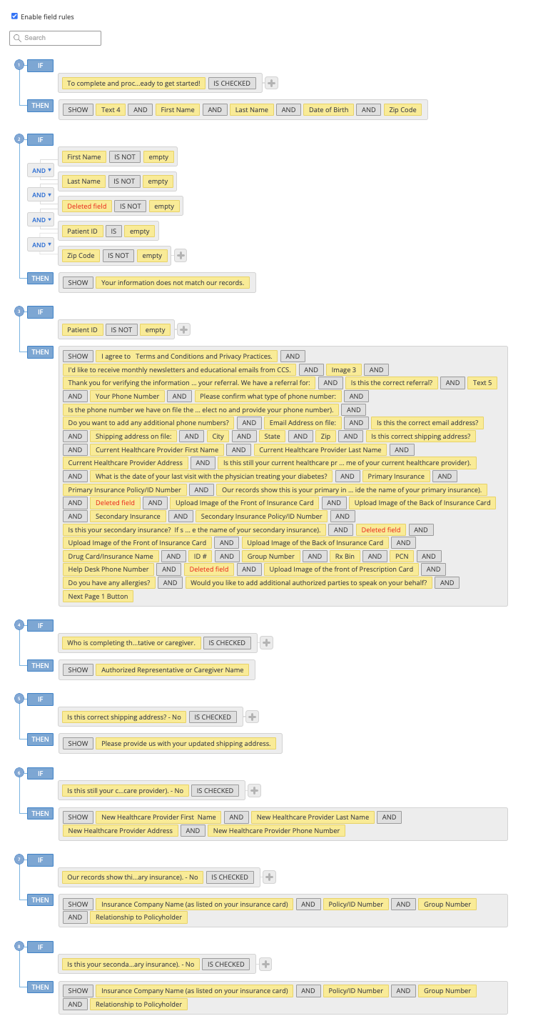
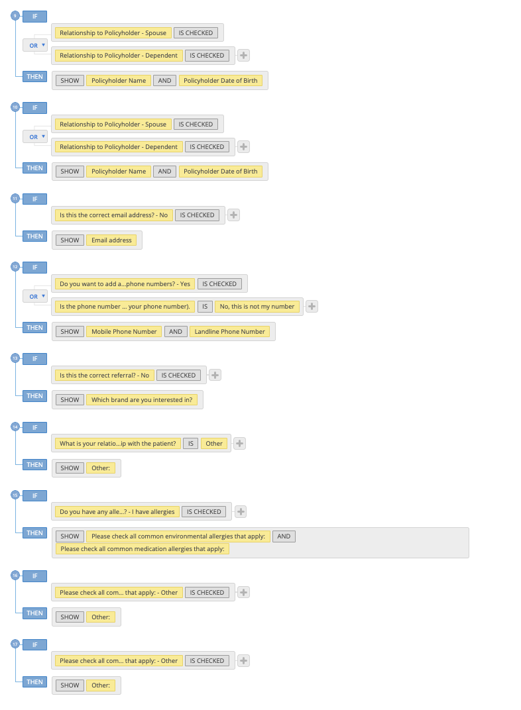
https://NCEQualifyIP.ccsmed.com/form-6723463/rxncep
Patient ID: 36235 Last Name: HOLLAND First Name: CURTIS Date of Birth: 06/05/1970 Zip: 31210

Field | Unique Field ID | Include in Note (Y/N) | ADDITIONAL
Logo | 114552511 | N
To complete and process your referral, we need some additional information. Would you like to complete this online? It should only take a few minutes. | 114552512 | N
Let's get started! To verify you in our records and for your safety, please complete the fields below. | 114552513 | N
Patient ID | 114552514 | Y
First Name | 114552515 | N
Last Name | 114552516 | N
Date of Birth | 114552517 | N
Zip Code | 114552519 | N
I agree to | 114552520 | Y
I'd like to receive monthly newsletters and educational emails from CCS. | 114552521 | Y
Authorized Representative or Caregiver Name | 114552522 | N
Patient ID Matched | 114552523 | N
Your information does not match our records. | 114552524 | N
Logo | 114552526 | N
. | 114552527 | N
Your First and Last Name | 114552528 | Y
What is the best phone number to reach you at? | 114552529 | Y
Who is completing this form? | 114552530 | Y
Authorized Representative or Caregiver Name | 114552531 | Y
Thank you for verifying the information requested. | 114552533 | Y
Is this the correct referral? | 114552534 | Y
Which brand are you interested in? | 114552535 | Y
We would like to confirm the following information. | 114552536 | N
Your Phone Number | 114552537 | Y
Please confirm what type of phone number: | 114552538 | Y
Is the phone number we have on file the best phone number to reach you? (If a phone number is not displayed, please select no and provide your phone number). | 114552539 | Y
Do you want to add any additional phone numbers? | 114552540 | N
Mobile Phone Number | 114552541 | Y
Landline Phone Number | 114552542 | Y
Do you want to add any additional phone numbers? | 114552543 | N
Additional Phone Number | 114552544 | Y
Email Address on file: | 114552545 | Y
Is this the correct email address? | 114552546 | Y
Email address | 114552547 | Y
Shipping address on file: | 114552548 | Y
City | 114552549 | Y
State | 114552550 | Y
Zip | 114552551 | Y
Is this correct shipping address? | 114552552 | Y
Please provide us with your updated shipping address. | 114552553 | Y
Current Healthcare Provider First Name | 114552554 | Y
Current Healthcare Provider Last Name | 114552555 | Y
Current Healthcare Provider Address | 114552556 | Y
Current Healthcare Provider Phone Number | 114552557 | Y
Is this still your current healthcare provider? (If a current healthcare provider is not displayed, select no and provide the name of your current healthcare provider). | 114552558 | Y
New Healthcare Provider First Name | 114552559 | Y
New Healthcare Provider Last Name | 114552560 | Y
New Healthcare Provider Address | 114552561 | Y
New Healthcare Provider Phone Number | 114552562 | Y
What is the date of your last visit with the physician treating your diabetes? | 114552563 | Y
Primary Insurance | 114552564 | Y
Primary Insurance Policy/ID Number | 114552565 | Y
Our records show this is your primary insurance and policy number. Is this correct? (If primary insurance is not displayed, select no and provide the name of your primary insurance). | 114552566 | Y
To expedite processing, you can upload an image of the front and back of your insurance card. See sample below: | 114657994 | N
IMAGE | 114658011 | N
Upload Image of the Front of Insurance Card | 114552760 | Y | Is there a way to print in the note if a file was uploaded? If so, that is what we want in the note.
Upload Image of the Back of Insurance Card | 114552766 | Y | Is there a way to print in the note if a file was uploaded? If so, that is what we want in the note.
Insurance Company Name (as listed on your insurance card) | 114552567 | Y
Policy/ID Number | 114552568 | Y
Group Number | 114552569 | Y
Relationship to Policyholder | 114552570 | Y
Policyholder Name | 114552571 | Y
Policyholder Date of Birth | 114552572 | Y
Secondary Insurance | 114552573 | Y
Secondary Insurance Policy/ID Number | 114552574 | Y
Is this your secondary insurance? If secondary insurance is not displayed, select no and provide the name of your secondary insurance). | 114552575 | Y
To expedite processing, you can upload an image of the front and back of your insurance card. See sample below: | 114658110 | N
IMAGE | 114658111 | N
Upload Image of the Front of Insurance Card | 114552777 | Y | Is there a way to print in the note if a file was uploaded? If so, that is what we want in the note.
Upload Image of the Back of Insurance Card | 114552786 | Y | Is there a way to print in the note if a file was uploaded? If so, that is what we want in the note.
Insurance Company Name (as listed on your insurance card) | 114552576 | Y
Policy/ID Number | 114552577 | Y
Group Number | 114552578 | Y
Relationship to Policyholder | 114552579 | Y
Policyholder Name | 114552580 | Y
Policyholder Date of Birth | 114552581 | Y
Your referral indicates that you may be covered by your Drug Card benefit. We will need to obtain that information. Please provide the following information from your drug card. You can also attach a copy of your drug card. Front and back. | 114552788 | N
Drug Card/Insurance Name | 114552789 | Y
ID # | 114552790 | Y
Group Number | 114552806 | Y
Rx Bin | 114552807 | Y
PCN | 114552810 | Y
Help Desk Phone Number | 114552812 | Y
To expedite processing, you can upload an image of the front and back of your insurance card. See sample below: | 114658157 | N
IMAGE | 114658159 | N
Upload Image of the front of Prescription Card | 114552838 | Y | Is there a way to print in the note if a file was uploaded? If so, that is what we want in the note.
Upload Image of the back of Prescription Card | 114657952 | Y | Is there a way to print in the note if a file was uploaded? If so, that is what we want in the note.
Do you have any allergies? | 114569499 | Y
Please check all common environmental allergies that apply: | 114657236 | Y
Other: | 114657252 | Y
Please check all common medication allergies that apply: | 114657253 | Y
Other: | 114657922 | Y
Would you like to add additional authorized parties to speak on your behalf? | 114552911 | Y
Authorized Party's First / Last name | 114552912 | Y
What is your relationship with the patient? | 114552913 | Y
Other: | 114553042 | Y
By submitting this information, you are authorizing CCS to move forward with your referral. We will reach out to your Healthcare provider to obtain documentation and a member of our team will reach out to you before shipping your new supplies. | 114552636 | N
NOTE | 114670773 | N

