Sheet1
Bug ID | Test Case ID | Description/Summary | Steps to Reproduce | Expected Result | Actual Result | Severity | Priority | Screenshots
OrangeHRM-BUG-1 | TC_Login_08 | Login works with case-insensitive usernames | 1. Navigate to login page 2. Enter valid username in wrong case (e.g., admin instead of Admin) 3. Enter correct password 4. Click Login | Login should fail with "Invalid credentials" | Logged in without error | Major | P2(Medium) | 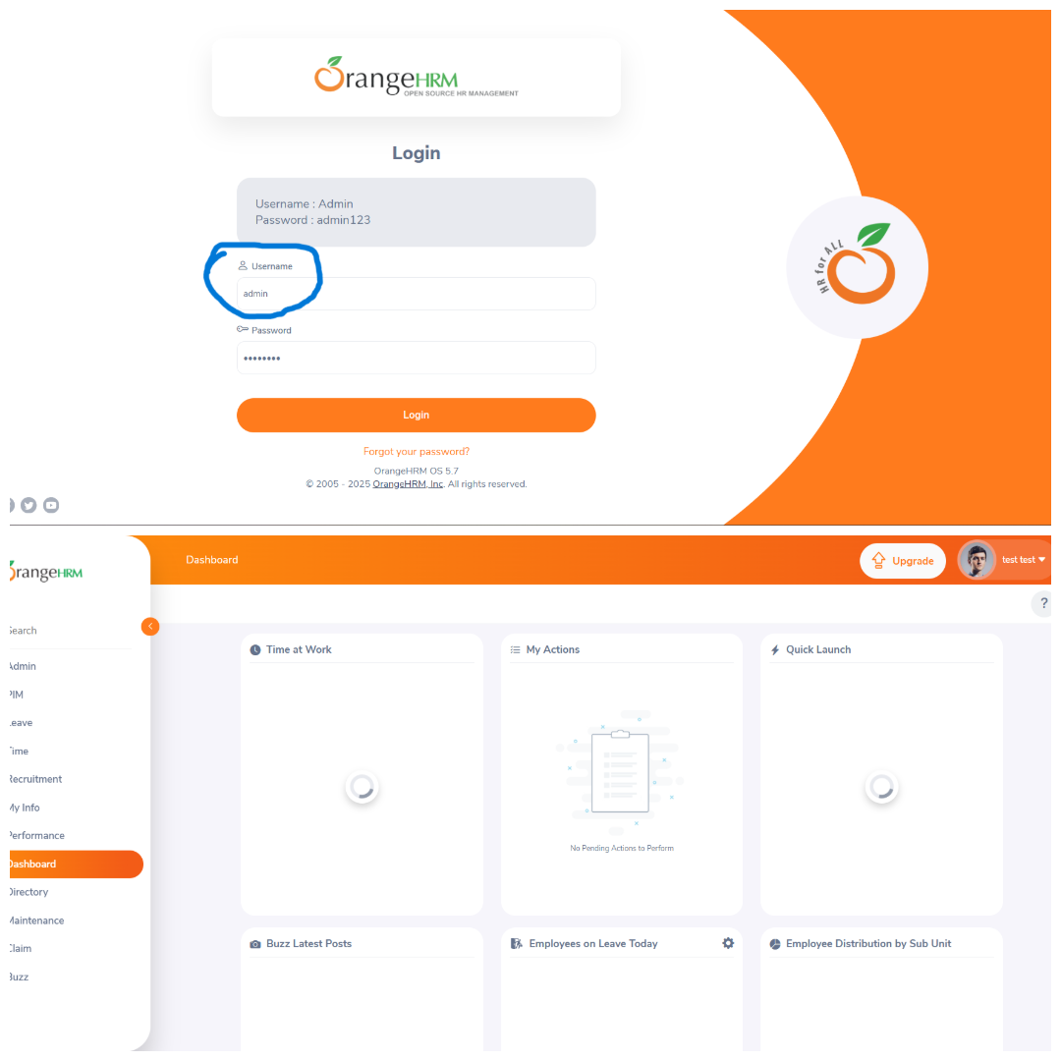
OrangeHRM-BUG-2 | TC_PIM_03 | System allows numeric values in name fields | 1. Login as Admin 2. Navigate to PIM → Add Employee 3. Enter numeric values (e.g., 12345678) in name fields 4. Click Save | Should prevent numeric-only names | Allows 012345678 as name | Major | P1(High) | 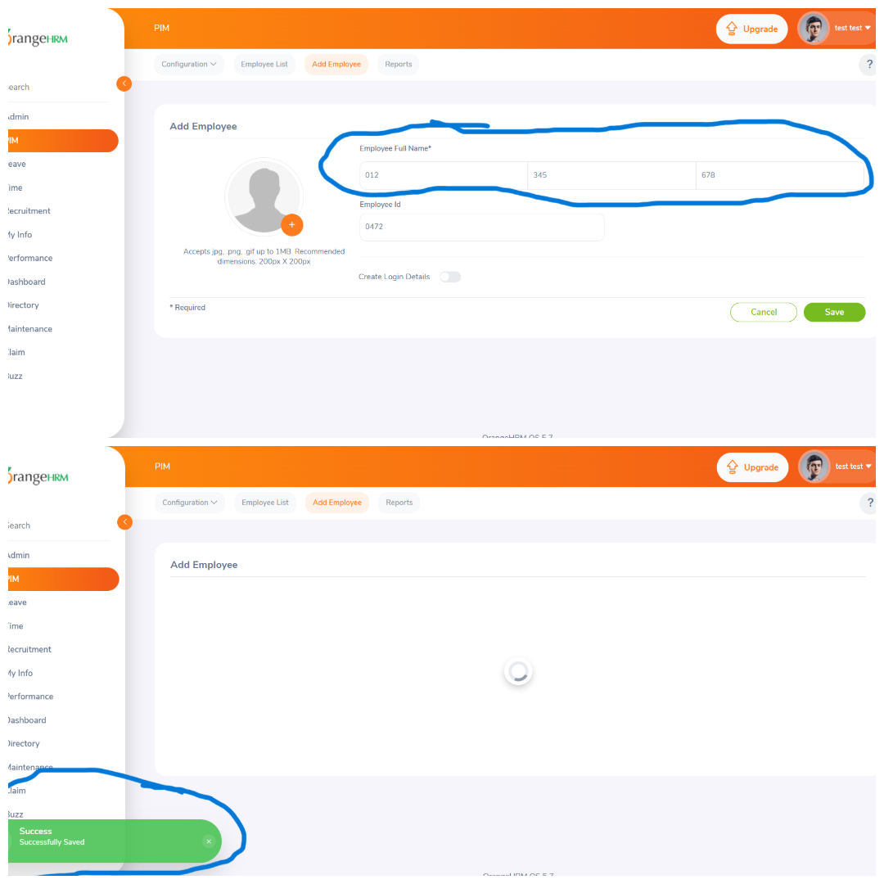
OrangeHRM-BUG-3 | TC_Leave_02 | No user-friendly message when applying leave without leave balance | 1. Login as Employee 2. Go to Leave → Apply 3. Fill in valid data 4. Click Apply (Leave type configuration not done in system) | At least one leave type should be shown OR A clear message like "You have no leave balance" should appear. | No leave types are shown. Dropdown is disabled. No message displayed | Minor | P2(Medium) | 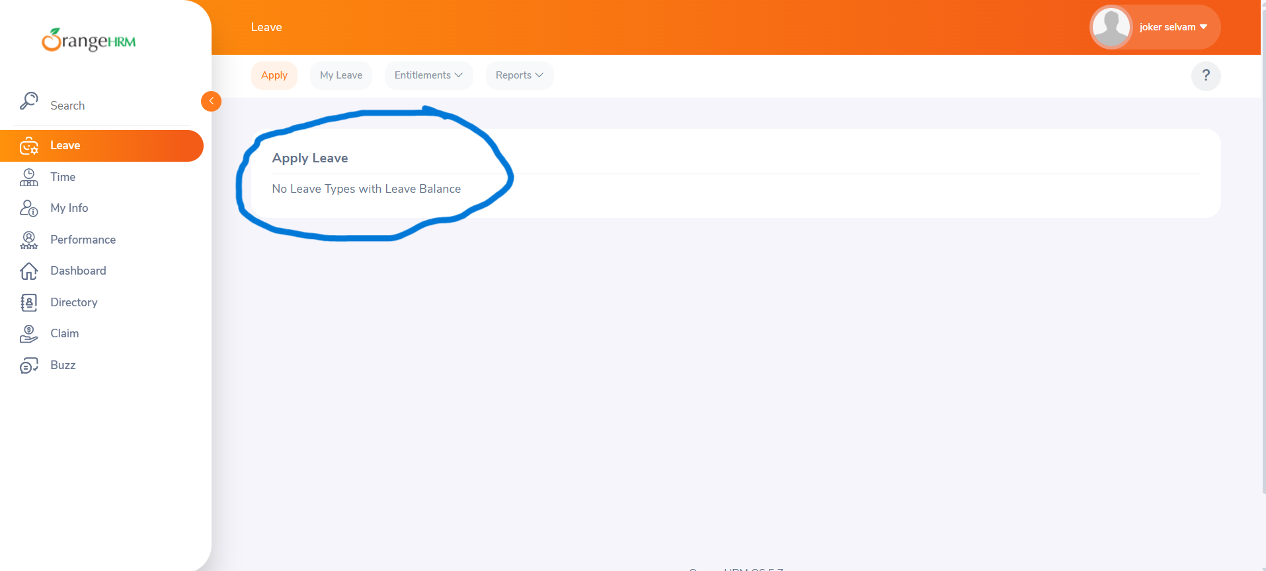
OrangeHRM-BUG-5 | TC_LogOut_02 | Dashboard shows briefly after logout (browser back pressed) for a while | 1. Login 2. Logout 3. Click Back button on browser 4. Dashboard briefly flashes before redirecting to login | Should redirect to login page | Cached dashboard shows before login screen | Major | P1(High) | 