Mind_Map
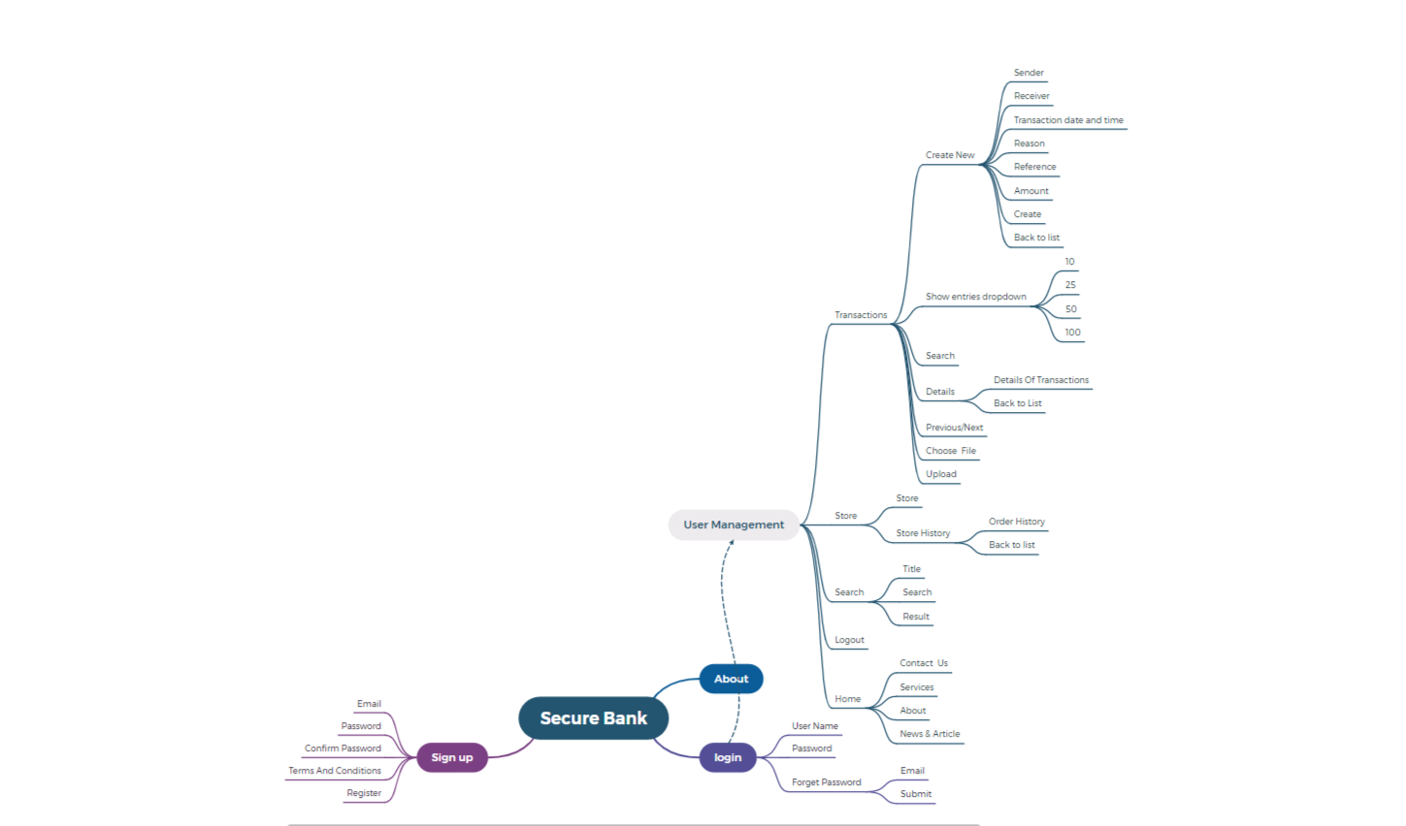

Test_case_Report
 |  | Grand Total
PASS | 49 | 49
FAIL | 23 | 23
Test Case Report
Project Name | Secure Bank
Module Name | Account.
Feature Name | sign up & Login &Forget Password & Logout & Transactions
Written By | Fahim Sadman Talukder
Executed By | Fahim Sadman Talukder
Reviewed By
TEST EXECUTION REPORT

Test Case | PASS | FAIL | Not Executed | Out Of Scope | Total TC
 | 49 | 23 | 0 | 0 | 72
Grand Total | 49 | 23 | 0 | 0 | 72

