Q.2
id is the column with unique values for this table. Each row of this table contains information about the id of a node and the id of its parent node in a tree. The given structure is always a valid tree.

Each node in the tree can be one of three types:

"Leaf": if the node is a leaf node. |  | Input: | Output:
"Root": if the node is the root of the tree. |  | Tree table: | +----+-------+
"Inner": If the node is neither a leaf node nor a root node. |  | +----+------+ | | id | type |
Write a solution to report the type of each node in the tree. |  | | id | p_id | | +----+-------+
Return the result table in any order. |  | +----+------+ | | 1 | Root |
The result format is in the following example. |  | | 1 | null | | | 2 | Inner |
 |  | | 2 | 1 | | | 3 | Leaf |
 |  | | 3 | 1 | | | 4 | Leaf |
 |  | | 4 | 2 | | | 5 | Leaf |
Example 1: |  | | 5 | 2 | | +----+-------+
 |  | +----+------+
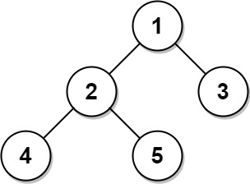
 | Explanation:
 | Node 1 is the root node because its parent node is null and it has child nodes 2 and 3.
 | Node 2 is an inner node because it has parent node 1 and child node 4 and 5.
 | Nodes 3, 4, and 5 are leaf nodes because they have parent nodes and they do not have child nodes.

Q.14
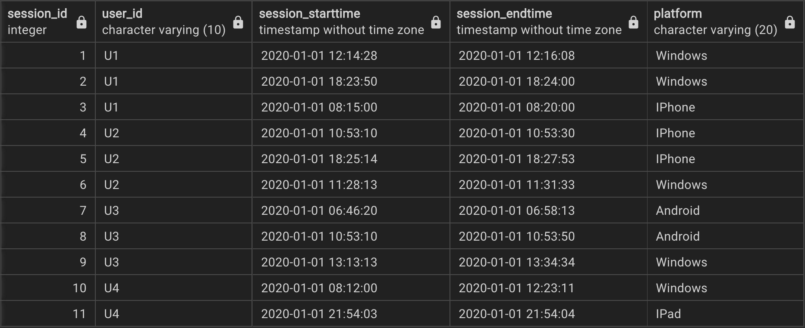
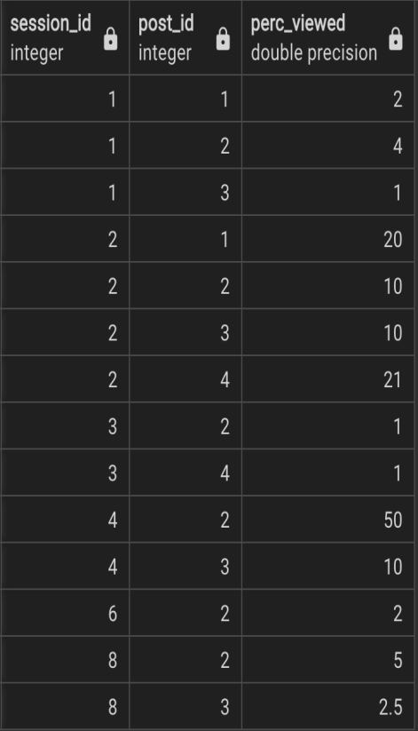
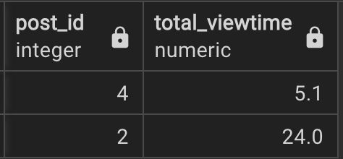
 | Video #21 - Popular Posts
PROBLEM STATEMENT: The column 'perc_viewed' in the table 'post_views' denotes the percentage of the session duration time the user spent viewing a post. Using it, calculate the total time that each post was viewed by users. Output post ID and the total viewing time in seconds, but only for posts with a total viewing time of over 5 seconds.

 |  | USER_SESSONS | POST_VIEWS
 |  |  |  | OUTPUT

