Sheet2
 | V24 LBS Measurement | V25 LBS Measurement
VLL | 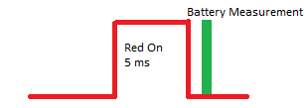 Measure Battery after Red Led 5ms On & Off | 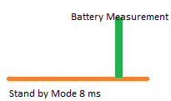 Measure Battery in Standby Mode after 6 ms in timeout 8ms.
VHL | Turn On Led 4 in 2 mA and Measure Battery after 25 ms | 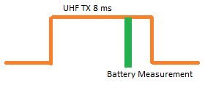 Measure Battery in UHF Tx after 6 ms in timeout 8ms

