Forms Cover Page
 |  |  |  | Title: | Technical Requirements Document (TRD) Template
 |  |  |  | Document Type: | Form
 |  |  |  | Document Number: | FRM-ENG-002
 |  |  |  | Version: | 1.0
 |  |  |  | Effective Date: | 2022-03-10
Note:
Only the fully-approved version of this document will be available for all employees’ access on the eQMS. All reviews and approvals are completed through the automated workflow of the eQMS. Thus, no physical signature will be shown in the above table of Approvals. If this document is to be distributed outside of CenTrak, the official approval of this document will be denoted by a watermark with the signature of Documents Control admins.
COPYRIGHT © CenTrak, Inc., 2021. All rights reserved. CenTrak is a registered trademark. These materials may contain confidential, proprietary, and/or private information. No part of these materials or information shall be disclosed to any third party or shall be reproduced or transmitted in any form or by any means, electronic or otherwise, including photocopying, recording, or by any information or retrieval system without written permission from CenTrak, Inc. If you are not the intended recipient, you shall immediately return these materials and information to the sender, or, if such sender is unknown, destroy them. These materials and the information contained herein are subject to change without notice, and CenTrak makes no commitment to update or keep current such materials or information. These materials and the information contained herein are provided as-is, and CenTrak does not make any representation or warranty, express or implied, with respect thereto, including, without limitation, any representation or warranty regarding the completeness or accuracy thereof, merchantability, or fitness for any particular purpose. By acceptance of these materials, you agree to the terms above.
 |  |  |  | Owning Department | Engineering
Title: | Technical Requirements Document (TRD) Template

Revision History:

Doc. Revision | Revision Date | ECN No. | Description of Change
1.0 |  | N/A | Initial Release

Approvals:
This document requires the following approvals:

Name |  | Title
Joe Garofalo |  | Author, Senior Engineering Project Manager
Sherre Staves |  | SVP of Engineering

 | *Please Remove This Sheet When Using Template*

Staff Safety Pendant Figures
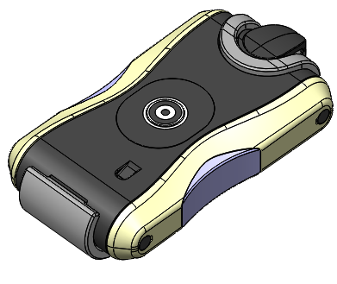
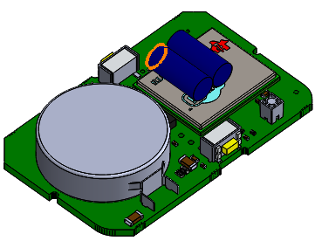

Figure 1 | Figure 2

SecureSafetyBracelet PR Figures
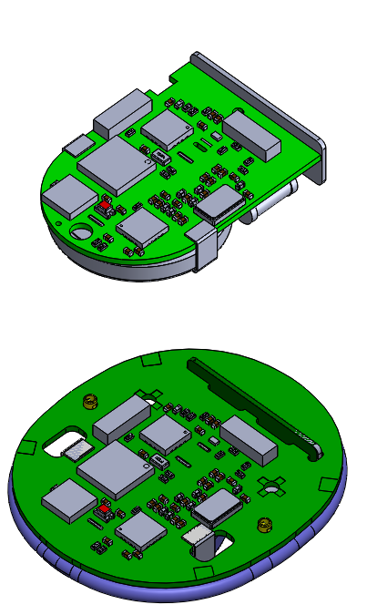

Figure 1

 | Figure 3

