0002
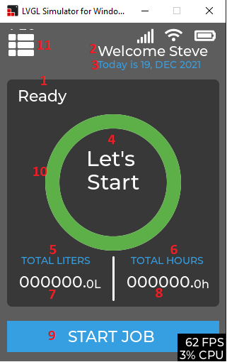
12
13
14
This screen should be callable from any where in the code. So we need a callable function to display the screen from backend.

Object | function to be called
1 | N/a
2 | N/a
3 | getTodayDate(char *date,size of date) | Tentative
4 | N/a
5 | N/a
6 | N/a
7 | fGetTotalLiterCount(); uGetTotalLiterIntegerPart(); uGetTotalLiterFloatPart();
8 | fGetTotalHoursCount() uGetTotalHoursIntegerPart() uGetTotalHoursFloatPart()
9 | Clicking will navigate to the screen 0003. This navigation is hard coded for now. Also call vControllerInitializeSampleArray();
10 | N/a
11 | NO change. Navigateion is hardcoded now
12 | getGsmRssi() | Tentative
13 | getWifiRssi() | Tentative
14 | getBatteryLever() | Tentative

003
This screen should also be callable from any where with a function only. Current implementation has the some default value checkup. What we need is what ever the displayed value either default or selected using the roller should be given to the function provided. On click on the valid button should progress it to the screen 0004. The summary start screen.

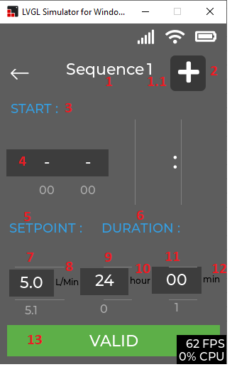
14
15

Object | Function
1 | N/A
1.1 | uGetSequenceNumberToBeSaved()
2 | vSaveSampleValues(uGetSequenceNumberToBeSaved(), _xaDaterollerbuf, atoi(_xaHourrollerbuf), atoi(_xaMinutrollerbuf), atof(_xsSProllerbuf), atoi(_xsDurHourrollerbuf), atoi(_xsDurMinutrollerbuf), "Mark")
3 | N/A
4 | getCurrDate(char* date,sizeof(date)) | tentative
5 | N/A
6 | N/A
7 | N/A
8 | N/A
9 | N/A
10 | N/A
11 | N/A
12 | N/A
13 | vSaveSampleValues(uGetSequenceNumberToBeSaved(), _xaDaterollerbuf, atoi(_xaHourrollerbuf), atoi(_xaMinutrollerbuf), atof(_xsSProllerbuf), atoi(_xsDurHourrollerbuf), atoi(_xsDurMinutrollerbuf), "Mark")
14 | Back to screen 002
15 | same as screen 0002

0004
To get any sequence related data use the sequence_t *seq = pGetAddressOfSequenceArray(); The given screen will talk to the sample and sequence management api for further processing. After click of the start job, all the data is validated and set into the backend for processing. All the further screen will be called by the backend. So there should be function for calling the screens from the backend.

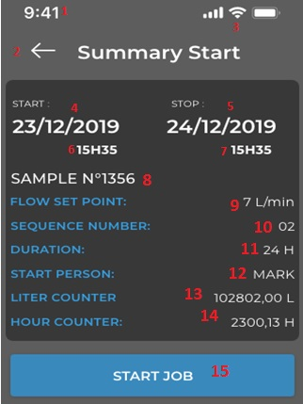
Object | Function
1 | getCurrentTime(char*time,sizeof(time))
2 | Back to screen 003 Also call funcition vControllerInitializeSampleArray();
3 | Same as screen 02
4 | seq[0].cStartDate
5 | vGetEndDateAndTimeOfSequence(endDate, 1, sizeof(endDate), endTime, sizeof(endTime));
6 | lv_label_set_text_fmt(__xssStartTimeLbl_ss, "%dH %dM", seq[0].uStartHour, seq[0].uStartMin);
7 | lv_label_set_text_fmt(__xssStartTimeLbl_ss, "%dH %dM", seq[0].uStartHour, seq[0].uStartMin);
8 | uGetCurrentSampleNumber() + 1
9 | seq[0].fFlowSetPoint
10 | uGetNoOfSequenceInArray()
11 | seq[0].uDurationHour, seq[0].uDurationMinutes
12 | seq[0].cStartPerson
13 | fGetTotalLiterCount()
14 | fGetTotalHoursCount()
15 | vControllerSampleIsValid(); No further navigation. All will be managed by the backend

0005
Work in progress screen. This screen has been called from the backed. All the values will be provided by the backend

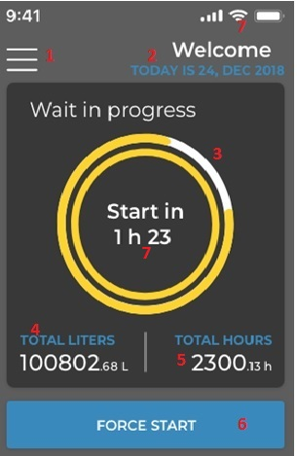

Object | Functions
1 | Disabled
2 | Same as previous screen
3 | fGetPrecentageSequenceWait() | tentative
4 | uGetTotalLiterFloatPart() uGetTotalLiterIntegerPart()
5 | uGetTotalHoursIntegerPart() uGetTotalHoursFloatPart()
6 | vForceStartSequence() | tentative
7 | vGetDurationLeft(char* duration,sizeof(duration)) | tentative

0006
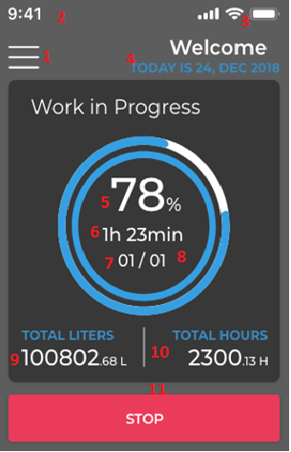
This is the work in progress in screen. This has been called by the backend

Object | Functions
1 | Disabled
2 | Same as before
3 | Same as before
4 | Same as before
5 | fGetPercentSequenceDone() | tentative
6 | vGetNumberOfHourAndMinutesLeft(uint8_t hour,uint8_t min)
7 | uGetCurrentRunningSequenceNumber()
8 | uGetNoOfSequenceInArray()
9 | uGetTotalLiterIntegerPart() uGetTotalLiterFloatPart()
10 | uGetTotalHoursIntegerPart() uGetTotalHoursFloatPart()
11 | vSequenceStop() | tentative

0007
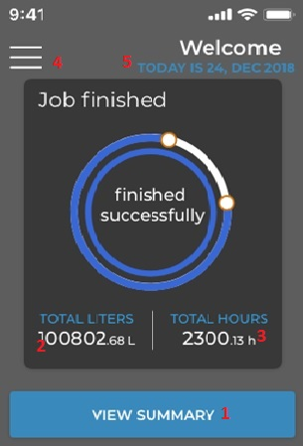
Job finished screen. This screen has been called from the backend.

objects | functions
1 | vShowSummary()
2 | uGetTotalLiterIntegerPart() uGetTotalLiterFloatPart()
3 | uGetTotalHoursIntegerPart() uGetTotalHoursFloatPart()
4 | disabled
5 | same as before

