Sheet1
For Reference Websites | https://dribbble.com
 | https://in.pinterest.com/
 | https://www.behance.net/onboarding

For Responsive Checking | https://app.lambdatest.com/console/realtime/browser

For https Checking | https://www.whynopadlock.com/

For All in one SEO | https://aioseo.com/

For Re-captcha | https://www.google.com/recaptcha/admin/create

For compress img | https://tinypng.com/

For open footer menu in mobile view | https://www.peeayecreative.com/how-to-show-an-open-divi-menu-on-mobile-instead-of-the-hamburger-icon/

any query about divi | https://www.peeayecreative.com/

How To Control Divi Column Stacking Order On Mobile | https://www.peeayecreative.com/how-to-control-divi-column-stacking-order-on-mobile/

for icon | https://fontawesome.com/v4/icons/

member section | https://rewardola.com/home-draft/

For slide any section in divi | https://www.divi-pixel.com/how-to-create-a-carousel-slider-in-divi-without-a-plugin/

for collaps submenu on mobile view | https://www.peeayecreative.com/how-to-collapse-divi-mobile-menu-submenus/#:~:text=Add%20Some%20jQuery%20To%20Collapse%20The%20Divi%20Mobile%20Menu%20Submenus&text=We%20can%20do%20this%20by,show%20and%20where%20to%20click.

divi modual | https://www.divi-pixel.com/features/

phone category link | https://pciwireless.ca/telus-phones/#apple
free divi slider layout | https://modules.diviflash.xyz/testimonial-carousel/
 | https://www.divilayouts.com/divi-layouts-category/free-divi-layouts/
 | https://divilife.com/divi-carousel-without-a-plugin/#download

for list read more- read less | https://www.peeayecreative.com/how-to-expand-and-collapse-text-in-divi/

for bg | https://in.pinterest.com/pin/95631192079140375/
 | https://in.pinterest.com/pin/2181499814348956/
theme | https://preview.themeforest.net/item/valexy-bootstrap-5-landing-page-template/full_screen_preview/50468139?_ga=2.156813950.414661339.1708423818-430348472.1692952989
 | (menu)
 | https://preview.themeforest.net/item/upcover-tailwind-css-business-corporate-landing-template/full_screen_preview/50346614?_ga=2.56020462.414661339.1708423818-430348472.1692952989
 | <services)
 | https://preview.themeforest.net/item/portm-personal-portfolio-template/full_screen_preview/49503209?_ga=2.132566603.414661339.1708423818-430348472.1692952989
 | (font)
 | https://preview.themeforest.net/item/uterpy-psychology-counseling-wordpress-theme/full_screen_preview/50690721?_ga=2.156749310.414661339.1708423818-430348472.1692952989

 | https://preview.themeforest.net/item/labotrex-laboratory-science-research-wordpress-theme/full_screen_preview/50791893?_ga=2.98419162.414661339.1708423818-430348472.1692952989
 | (theme)

slider-layout | https://demos.peeayecreative.com/divi-carousel-maker/

grid layout templet | https://nicepage.com/feature/80-grid-layouts-447593
How To Move The Divi Blurb Module Title Above The Image | https://www.peeayecreative.com/how-to-move-the-divi-blurb-module-title-above-the-image/

how to add divi child | https://www.elegantthemes.com/blog/divi-resources/divi-child-theme
for adding custom font in divi | 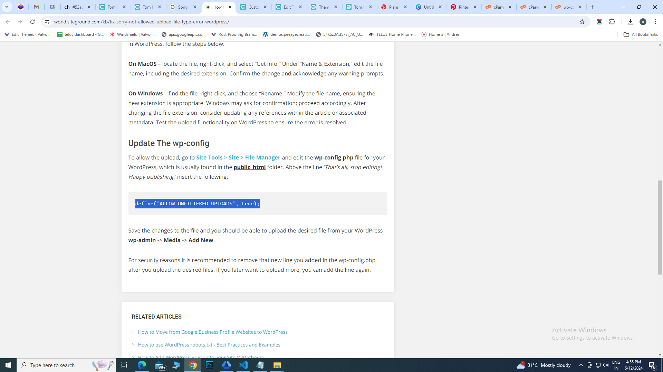 define('ALLOW_UNFILTERED_UPLOADS', true);
 | https://world.siteground.com/kb/fix-sorry-not-allowed-upload-file-type-error-wordpress/

code for divi alider image on right side | right:0; (for slider img) float: left (for slider discription)

Collapse menu js | <script id="dt-collapsable-menu-items"> jQuery(function ($) { $(document).ready(function () { $("body ul.et_mobile_menu li.menu-item-has-children, body ul.et_mobile_menu li.page_item_has_children").append('<a href="#" class="mobile-toggle"></a>'); $('ul.et_mobile_menu li.menu-item-has-children .mobile-toggle, ul.et_mobile_menu li.page_item_has_children .mobile-toggle').click(function (event) { event.preventDefault(); $(this).parent('li').toggleClass('dt-open'); $(this).parent('li').find('ul.children').first().toggleClass('visible'); $(this).parent('li').find('ul.sub-menu').first().toggleClass('visible'); }); iconFINAL = 'P'; $('body ul.et_mobile_menu li.menu-item-has-children, body ul.et_mobile_menu li.page_item_has_children').attr('data-icon', iconFINAL); $('.mobile-toggle').on('mouseover', function () { $(this).parent().addClass('is-hover'); }).on('mouseout', function () { $(this).parent().removeClass('is-hover'); }) }); }); </script>

