Sheet2
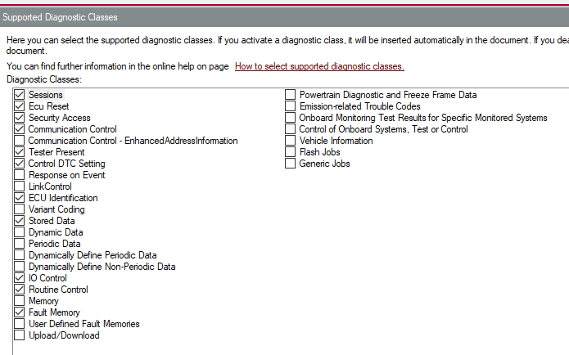
Enabled services in CDD file

