TRUE()
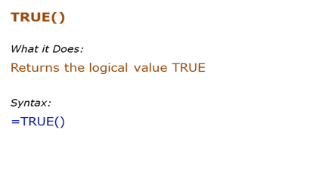
Formula | Result | Description
 | TRUE | TRUE formula takes no arguments
 | TRUE | It works even if the parentheses are not added

FALSE()
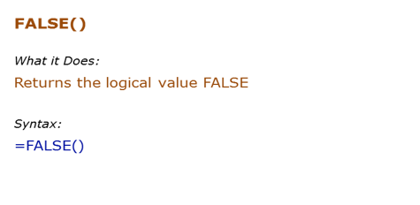
Formula | Result | Description
 | FALSE | FALSE formula takes no arguments
 | FALSE | It works even if the parentheses are not added
 | FALSE

IF()
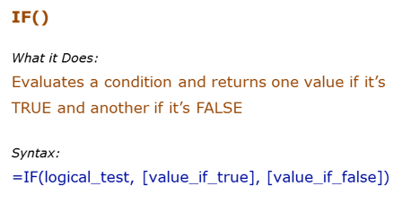
Data Used in Formula
20

Formula | Result | Description
 |  | Since the condition is TRUE, it returns the value for TRUE (which is the text "RIGHT")
 |  | If the value for TRUE is omitted, it returns a 0 when the IF condition is TRUE
 |  | If the value for FALSE is omitted, it returns FALSE when the IF condition is FALSE
 |  | If the value for FALSE is omitted (but the comma is still there), it returns a 0 [Note the difference from above]

Apple
Mango
Banana

Banana |  | Didn't get apple

No | Dog Missing

Countifs

NOT()
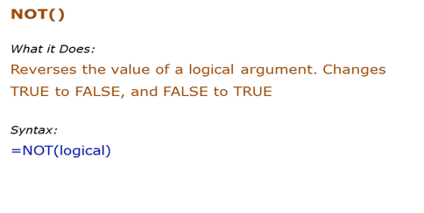
Data Used in Formula
20

Formula | Result | Description
 |  | Reverse the TRUE to FALSE
 |  | Reverse the condition that returns TRUE to FALSE
 |  | Any non-zero integer is considered TRUE, and NOT reverses it to FALSE
 |  | 0 is considered FALSE, and NOT reverses it to TRUE

AND()
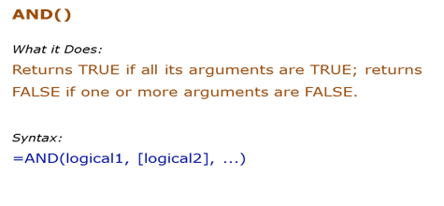
Data Used in Formula
TRUE
FALSE

Formula | Result | Description
 |  | Both values are TRUE, and hence it returns TRUE
 |  | One value is FALSE, and hence it returns FALSE
 |  | One value is FALSE, and hence it returns FALSE
 |  | Both conditions are TRUE, and hence it returns TRUE
 |  | TRUE in double quotes is considered as TRUE by AND

OR()
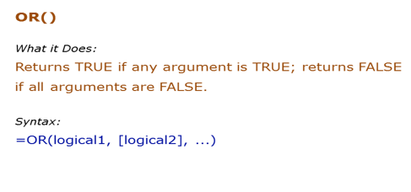
Data Used in Formula
TRUE
FALSE

Formula | Result | Description
 | TRUE | One value is TRUE, and hence it returns TRUE
 |  | One value is TRUE, and hence it returns TRUE
 |  | None of the value is TRUE, hence it returns FALSE
 |  | One of conditions is TRUE, and hence it returns TRUE
 |  | TRUE in double quotes is considered as TRUE by OR

IFERROR()
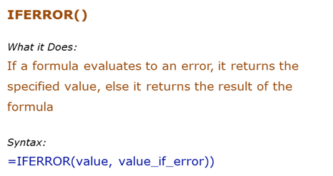
Data Used in Formula
100
10
0

Formula | Result | Description
 |  | The value is not an error, the result is displayed
 |  | The value is an error, the text Error is displayed
 |  | If nothing is specified in case of error, it returns a 0. Note that there should be a comma though, else it gives an error

 | #DIV/0!
 | #NUM
 | #Ref
 | #N/A

 | 5 | 1 | 5 | 5
 | 1 | 20 | 0.05 | 0.05
 | 2 | 0 | #DIV/0! | Got Error

IS()
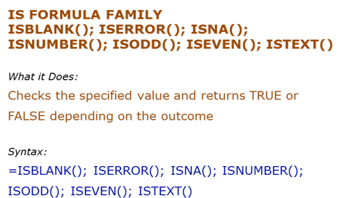
Data Used in Formula

#DIV/0!
#N/A
2
1
Hello

Formula | Result | Description
=ISBLANK(B3) | TRUE | Checks if the value is blank | FALSE
 | TRUE | Checks if the value is an error
 | TRUE | Checks if the value is an #N/A error | FALSE
 | TRUE | Checks if the value is a number | FALSE
 | FALSE | Checks if the value is odd
 | TRUE | Checks if the value is even
 | TRUE | Checks if the value is text

 | date | Isnumer
 | 2024-04-06 | TRUE
 | 2024-04-07 | TRUE
 | 2024-04-08 | TRUE
 | 2024-04-09 | TRUE
 | 2024-04-10 | TRUE
 | 2024-04-11 | TRUE
 | 2024-04-12 | TRUE
 | 04-13-2024 | FALSE
 | 2024-04-14 | TRUE
 |  |  | 1

