Sum
 |  |  | Sum()

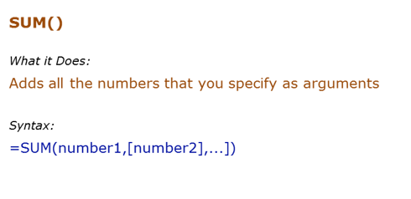
Data Used in Formula
10
20
30

Formula | Result | Commentary
=SUM(C6:C8) | 60 | Adds value in C6 to C8
=SUM(C6:C7,C8) | 60 | Adds value in C6 to C7, and C8
60
40

1 |  | 6
5
Siraj

Sumif
 |  |  |  |  | Sumif()

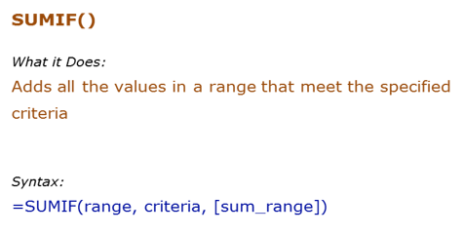
 | Data Used in Formula
 | Ankit | 100
 | Jane | 200
 | Arjun | 400
 | Ankit | 700

 | Formula | Result | Commentary
 | =SUMIF(D8:D11,">200") | 1100 | Adds all the values more than 200 (400+700)
 | =SUMIF(C8:C11,"Ankit",D8:D11) | 800 | Adds all the values for Ankit (100+700)
 | =SUMIF(C8:C11,"*a*",D8:D11) | 1200 | Adds the values for all the names that have the alphabet "a" in it

 | a | 1
 | b | 5
 | c | 6 |  | 9
 | d | 7
 | e | 4
 | a | 8

1
2
3
4
5
6
7
8
9
10
11
12

Sumifs
 |  |  |  | Sumifs()

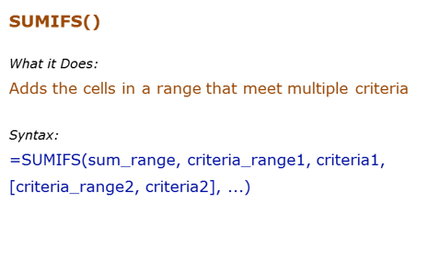
Data Used in Formula
Tom | 100
Jane | 200
Arjun | 400
Tom | 700

Formula | Result | Commentary
=SUMIFS(C6:C9,C6:C9,">100",C6:C9,"<500") | 600 | Adds all the values greater than 100 and less than 500 (200+400)
=SUMIFS(C6:C9,B6:B9,"*a*",B6:B9,"J*") | 200 | Adds all the values for sales person whose name contains the alphabet "a" and whose name starts with "J"
=SUMIFS(C6:C9,B6:B9,"<>Tom",C6:C9,">200") | 400 | Adds the values for all the names are not equal to "Tom" and whose sales are more than 200

 | 113

 | Subject | Class | Marks
 | s1 | c1 | 50
 | s2 | c1 | 60
 | s3 | c1 | 58
 | s1 | c2 | 53
 | s1 | c2 | 60
 | s3 | c2 | 56
 | s1 | c3 | 53
 | s2 | c3 | 55
 | s3 | c3 | 51

Count
 |  |  |  |  | Count()

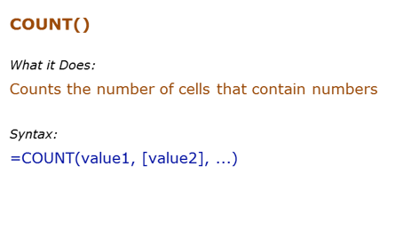
Data Used in Formula
1
2

hello
#DIV/0!
2014-03-03

Formula | Result | Commentary
=COUNT(B7:B12) | 3 | Counts the cells that has number in it
=COUNTA(B7:B12) | 5 | Counts the cells that are not empty
=COUNTBLANK(B7:B12 | 1 | Count the cells that are blank

 |  |  | 90 | 84 | 78 | 47
 |  |  | 63 | 95 | 70 | 47
 |  |  | 68 |  | 51 | 20
 |  |  | 75 | a | 86 | 100
 |  |  | 35 | 54 | 95 | 59
 |  |  | 42 | 100 | 49 | 98
 |  |  | 88 | 40 | 68 | 35
 |  |  | 73 | 70 | 61 | 66
 |  |  | 55 | 93 | 76 | 70
 |  |  | 44 | 45 | 26 | 95

 |  | Total | Count | 38 | only count numeric values
 |  |  | CountA | 39 | non blank values |  | will count numeric as well as text value
 |  |  | CountBlank | 1

Countif
 |  |  | Countif()

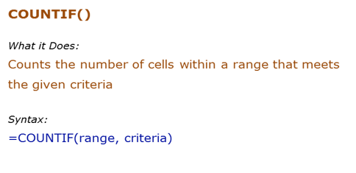
Data Used in Formula
Fruit | Quantity
Apple | 10
Banana | 21
Orange | 12
Apple | 4

Formula | Result | Commentary
=COUNTIF(D8:D11,">10") | 2 | Counts all the cells that have value greater than 10
=COUNTIF(C8:C11,"*a*") | 4 | Counts all cells that have text with "a" in it
=COUNTIF(C8:C11,C8) | 2 | Counts all cells that have the text "Apple" in it
=COUNTIF(C8:D11,"?*") | 4 | Count all the cells that have text in it

Countifs
 |  |  | Countifs()

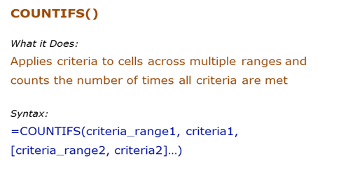
Data Used in Formula
Fruit | Quantity
Apple | 10
Banana | 21
Orange | 12
Apple | 4

Formula | Result | Commentary
=COUNTIFS(C8:C11,">10",B8:B11,"*a*") | 2 | Counts all the cells in B3:B6 that have value greater than 10 and at the same time, cells A3:A6 which have text that contains alphabet "a"
=COUNTIFS(B8:B11,"*a*") | 4 | Counts all cells that have text with "a" in it
=COUNTIFS(B8:B11,B8,C8:C11,">20") | 0 | Counts all cells A3:A6 that have the text "Apple" in it and at the same time cell B3:B6 that have value greater than 20

Average
 |  |  | Average()

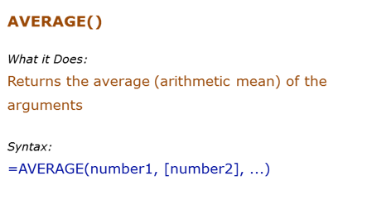
Data Used in Formula
10
12
15

0

Formula | Result | Commentary
=AVERAGE(C7:C11) | 9.25 | Returns average of C64 TO C66 | 9.25
=AVERAGE(C7:C11,20) | 11.4 | Returns average of C64:C66 and 20
 |  | Returns average of C64:C67. Since C67 is blank, it is ignored (blanks and text are ignored)
 |  | Returns average of b2:b6. Since b5 is blank, it is ignored. Since b6 has 0, it is taken into calculation

Averageif
 |  |  | AverageIF()

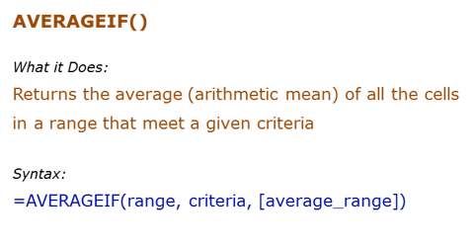
Data Used in Formula
Ankit | 10
JJ | 12
Arjun | 15
Ankit | 12
Ankit | 0

Formula | Result | Commentary
=AVERAGEIF(B7:B11,"Ankit",C7:C11) | 7.3333333333 | Averages all the values for Ankit
=AVERAGEIF(B7:B11,"*a*",C7:C11) | 9.25 | Averages all the values for names that have alphabet "a" in it
=AVERAGEIF(C7:C11,">10") | 13 | Average values that are greater than 10

Averageifs
 |  |  | AverageIFs()

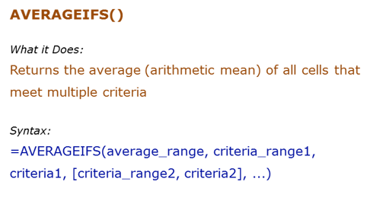
Data Used in Formula
Fruit | Quantity | Price
Apple | 10 | ₹ 20.00
Banana | 21 | ₹ 7.00
Orange | 12 | ₹ 12.00
Papaya | 4 | ₹ 32.00

Formula | Result | Commentary
=AVERAGEIFS(D8:D11,C8:C11,">10",B8:B11,"<>Papaya") | 9.5 | Averages when the quantity is greater than 10 and the fruit is not Papaya
=AVERAGEIFS(D8:D11,D8:D11,">15",B8:B11,"*p*") | 26 | Averages price when price is greater than $15 and fruit name has "p" alphabet in it

Sumproduct
 |  |  | Sumproduct()

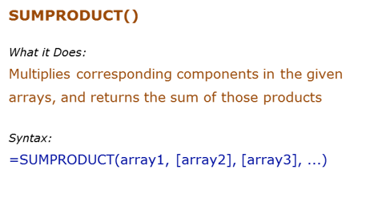
Data Used in Formula
1 | 5 | 10
2 | 6 | 11
3 | 7 | 12
4 | 8 | 13

Formula | Result | Commentary
=SUMPRODUCT(C6:C9,D6:D9 | 70 | Multiplies each value of b90:b93 to the corresponding value of B2:B5, and then adds all the values (1*5+2*6+3*7+4*8)

=SUMPRODUCT(C6:C10,D6:D9) | #VALUE! | The size of all the arrays should be the same, or else it gives an error

