Sheet1
Relationship
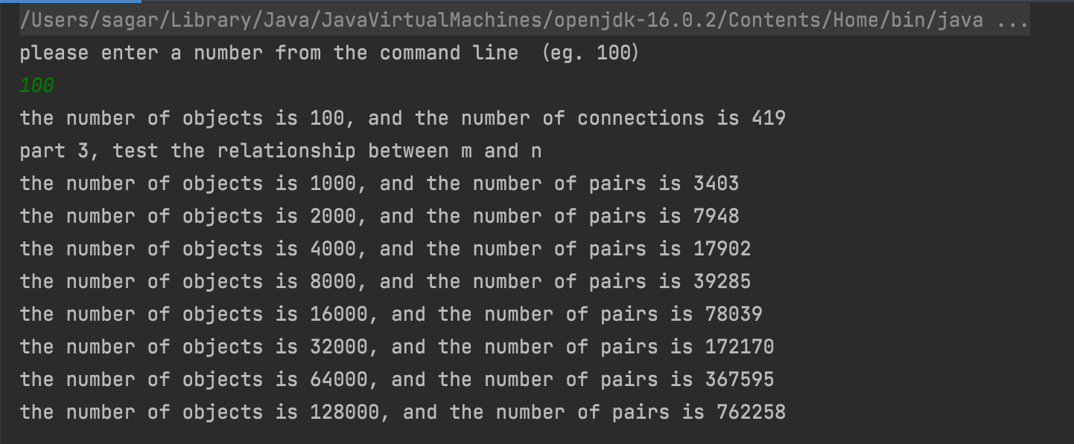
Input: 100
No of Objects | No of Pairs | (n*log(n))/2
1000 | 3403 | 3454
2000 | 7948 | 7601
4000 | 17902 | 16588
8000 | 39285 | 35949
16000 | 78039 | 77443
32000 | 172170 | 165976
64000 | 367595 | 354132
128000 | 762258 | 752626

Relationship
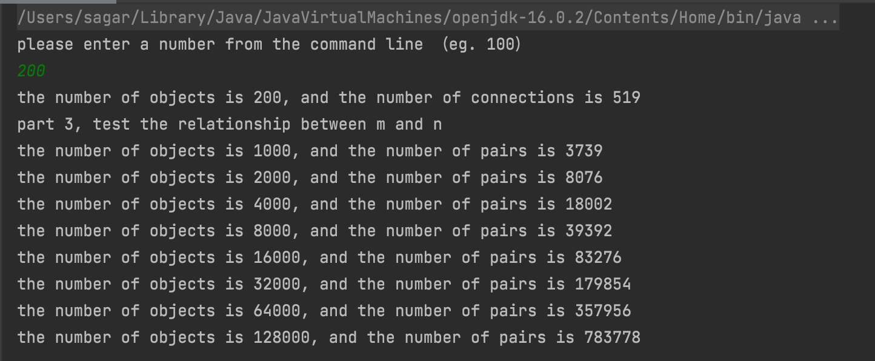
Input: 200
No of Objects | No of Pairs | (n*log(n))/2
1000 | 3739 | 3454
2000 | 8076 | 7601
4000 | 18002 | 16588
8000 | 39392 | 35949
16000 | 83276 | 77443
32000 | 179854 | 165976
64000 | 357956 | 354132
128000 | 783778 | 752626

