Sheet1
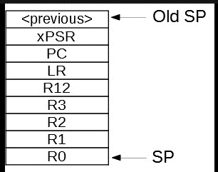
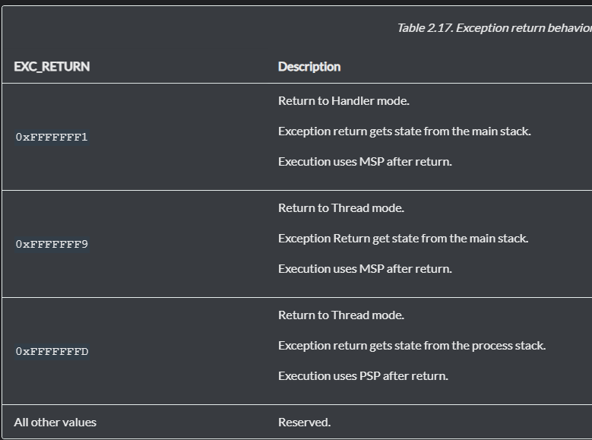
 |  |  | MSP Address
 |  |  | 0x2001ffe8
Analyzing stack contents during exception Entry and Exit
StackPointer(MSP) | Saved Registers | Saved Content
0x2001ffe8
0x2001ffe4 | xpsr | 0x1000000
0x2001ffe0 | PC | 0x8000208 <generate_interrupt+32>
0x2001ffdc | LR | 0x800022b
0x2001ffd8 | R12 | 0x8000d37
0x2001ffd4 | R3 | 0xe000ef00
0x2001ffd0 | R2 | 0x3
0x2001ffcc | R1 | 0x20000250
0x2001ffc8 | R0 | 0xa

ISR entry-> LR-> 0xFFFFFFF9

Analyzing stack contents during exception Entry and Exit |  |  | MSP Address
StackPointer(MSP) | Saved Registers | Saved Content | 0x20007ff0
0x20007ff0 |  |  | PSP Address
0x2001ffe4 | xpsr | 0x1000000 | 0x20008000
0x2001ffe0 | PC | 0x8000208 <generate_interrupt+32>
0x2001ffdc | LR | 0x8000241
0x2001ffd8 | R12 | 0x8000d4f
0x2001ffd4 | R3 | 0xe000ef00
0x2001ffd0 | R2 | 0x3
0x2001ffcc | R1 | 0x20000250
0x2001ffc8 | R0 | 0xa

ISR entry-> LR-> 0xFFFFFFF9

