Bug Report
EKERALA TOURISM
OS : WINDOWS |  |  |  | DATE :
VERIFIED BY : |  |  |  | TESTED BY :
BUG ID | EXPECTED RESULT | BUG DESCRIPTION | STEPS TO REPRODUCE | SCREENSHOT | SEVERITY | PRIORITY | STATUS
EKL_TOU_O1 | Hamburger icon in website must be accessible and active. | Hamburger is inactive at different times. | 1. Open url "www.ekeralatourism.net" 2. Click Hamburger icon. |  | Major | P1 | New
EKL_TOU_O2 | Hamburger icon in website must be displayed in all devices used for browsing.. | Hamburger icon is missing while browsing site through Laptop but is present in browsing via mobile. | 1. Open url "www.ekeralatourism.net" 2. Click Hamburger icon. |  | Major | P1 | New
EKL_TOU_O3 | On pressing Hamburger icon the details or contents shown must be visible and same in all devices. | The visibility of Hamburger icon details is different in different devices. | 1. Open url "www.ekeralatourism.net" 2. Click Hamburger icon. | 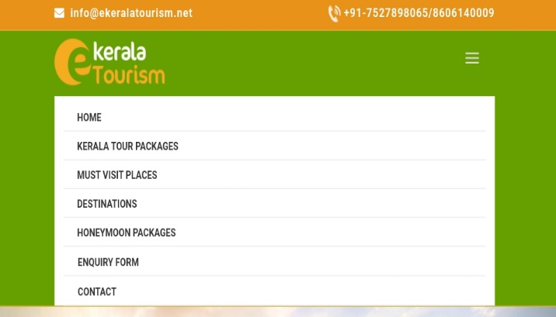 Laptop and mobile | Major | P1 | New
EKL_TOU_O4 | The loading time of activity on clicking Hamburger icon must be fast. | Loading time is slow after clicking on Hamburger icon.` | 1. Open url "www.ekeralatourism.net" 2. Click Hamburger icon. |  | Major | P1 | New
EKL_TOU_O5 | Drop down arrow option must have initialised near Hamburger menu options. | Drop down arrow option must have initialised for effective user friendly experience. | 1. Open url "www.ekeralatourism.net" 2. Click Hamburger icon. |  | Enhanced | P2 | New
EKL_TOU_O6 | When the Hamburger is selected close 'X' option must be provided which would enhance user experience affectively. | Close 'X' option if implemented in Hamberger menu field it would be an enhanced feature for user friendly experience. | 1. Open url "www.ekeralatourism.net" 2. Click Hamburger icon. |  | Enhanced | P2 | New
EKL_TOU_O7 | When Hamburger icon is clicked and to close, again user must click ikon but at times it does not close. | User is not able to close Hamburger details at times when visited. | 1. Open url "www.ekeralatourism.net" 2. Click Hamburger icon. |  | Major | P1 | New
EKL_TOU_O8 | More or less option in Homepage must be more affective for user experience. | When less option is clicked it displays different contents and details which makes it uninformative. | 1. Open url "www.ekeralatourism.net" |  | Minor | P2 | New
EKL_TOU_O9 | Less option in Homepage is clicked it should point to its starting face. | When less option is clicked it should point to its starting face but when clicked less option it goes to different details. | 1. Open url "www.ekeralatourism.net" |  | Minor | P2 | New
EKL_TOU_10 | It should display Error message when invalid details are filled in Get free quata section. | It gives Successful message when invalid details are filled. | 1. Open url "www.ekeralatourism.net". 2. Click and type invalid details in Get free Quata form. |  | Major | P1 | New
EKL_TOU_11 | Get free Quata section must be aligned in Homepage affectively and informatively for users. | Get free Quata is not in proper alignment and is operlapped with Home page image. | 1. Open url "www.ekeralatourism.net" | 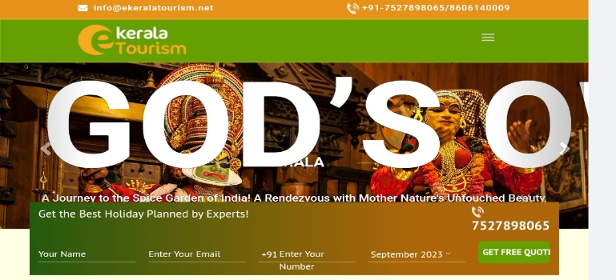 | Minor | P2 | New
EKL_TOU_12 | Get free quata button must be active always for submitting the form details. | Get free Quata button is not active always at times button is not clickable. | 1. Open url "www.ekeralatourism.net". 2. Click and type details in Get free Quata form. 3. Click Get free quata. |  | Major | P1 | New
EKL_TOU_13 | Get free Quata button must be accesscible at first click itself. | The Get free quata button at times does not respnd at first click. | 1. Open url "www.ekeralatourism.net". 2. Click and type details in Get free Quata form. 3. Click Get free quata. |  | Major | P1 | New
EKL_TOU_14 | The error message which comes after multiple wrong entries should be aligned correctly under each section. | Error message displaying is not aligned correctly in certail sections , it is also different in different devices when browsing. | 1. Open url "www.ekeralatourism.net". 2. Click and type details in Get free Quata form. 3. Click Get free quata. |  | Minor | P2 | New
EKL_TOU_15 | Get free quata button must be aligned correctly while browsing in any device. | Get free Quata button is mis aligned browsing via mobile. Nameing is wrongly aligned. | 1. Open url "www.ekeralatourism.net". | Laptop and mobile | Minor | P2 | New
EKL_TOU_16 | In Home page phone ikon and mobile numbers must be in proper alignment. | In Home page Phone ikon and mobile number is not in proper alignment. | 1. Open url "www.ekeralatourism.net". | Laptop and mobile | Minor | P2 | New
EKL_TOU_17 | Customise and send enquire section button should be informative and must be in proper alignment for user friendly experience. | Customise and send enquire section button should be in proper alignment. Not in proper alignment. | 1. Open url "www.ekeralatourism.net". | Laptop and mobile | Minor | P2 | New
EKL_TOU_18 | When customise and send enquire button is pressed and invalid details are filled in Kerala enquiry form it should display error message. | When invalid details are filled in Kerala Enquiry form under customise and send enquiry it does not display error message instead it displays successful entry. | 1. Open url "www.ekeralatourism.net". 2. Click customise and send enquiry button. 3. Click and type invalid details. 4. Click Submit button. |  | Major | P1 | New
EKL_TOU_19 | It should display error message for every entries even if one invalid entry and other valid entries for each section Enquiry form. | It displays successful entries and Thank you message page even if the form are filled with one invalid entry and other valid entry. | 1. Open url "www.ekeralatourism.net". 2. Click customise and send enquiry button. 3. Click and type invalid details. 4. Click Submit button. |  | Major | P1 | New
EKL_TOU_20 | Calender section in Kerala enquiry form must be accessible in every devices while browsing. | Calender section in Kerala enquiry form is not accessible browsing via mobile. | 1. Open url "www.ekeralatourism.net". 2. Click customise and send enquiry button. 3. Click Calender. |  | Major | P1 | New
EKL_TOU_21 | View more button must be in proper alignment while browsing via any devices. | View more button is not in proper alignment which effect difficulty for user. | 1. Open url "www.ekeralatourism.net". |   Laptop and mobile | Minor | P2 | New
EKL_TOU_22 | Under Kerala enquiry form in all sections the phone number provided must be clickable. | Phone number provided in Kerala enquiry section form in all main contents is not clickable and hence not redirecting to call. | 1. Open url "www.ekeralatourism.net". 2. Click View details. 3. Click Enquiry now. |  | Major | P1 | New
EKL_TOU_23 | If we select any fields in Explore the land of Kerala the details and images provided should be in proper alignment and user friendly. | Images and details are not in proper alignment.In certain fields for example Beaches in Kerala , Attractions of Kerala images are Not in proper alignment | 1. Open url "www.ekeralatourism.net". | 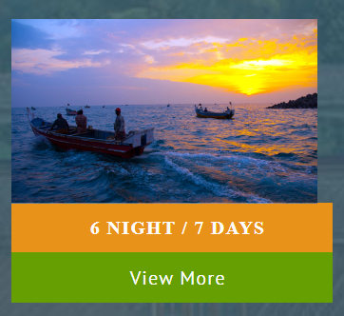 | Minor | P2 | New
EKL_TOU_24 | Select free Quata should not come every time we scroll down. | Select free Quata displays at times in between scrolling which causes user difficulty in using Homepage and gaining informations. | 1. Open url "www.ekeralatourism.net". |  | Minor | P2 | New
EKL_TOU_25 | Error message must be displayed for invalid entries in filling Kerala Enquiry forms under Kerala tour package section. | It displays successful entries and Thank you message page for invalid entries. | 1. Open url "www.ekeralatourism.net". 2. Click Kerala tour package. 3. Click view details. 4. Click Enquiry now. 5. Fill invalid details in Kerala Enquiry form. 6. Click submit button. |  | Major | P1 | New
EKL_TOU_26 | Error message must be displayed for invalid entries in filling Kerala Enquiry forms under Must visit places section. | It displays successful entries and Thank you message page for invalid entries. | 1. Open url "www.ekeralatourism.net". 2. Click Must visit places. 3. Fill invalid details in Get in touch form. 4. Click send button. |  | Major | P1 | New
EKL_TOU_27 | Error message must be displayed for invalid entries in filling Kerala Enquiry forms under Destinations section. | It displays successful entries and Thank you message page for invalid entries. | 1. Open url "www.ekeralatourism.net". 2. Click Destinations. 3. Click view more. 4. Click Enquiry now. 5. Fill invalid details in Kerala Enquiry form. 6. Click submit button. |  | Major | P1 | New
EKL_TOU_28 | Error message must be displayed for invalid entries in filling Kerala Enquiry forms under Honeymoon packages section. | It displays successful entries and Thank you message page for invalid entries. | 1. Open url "www.ekeralatourism.net". 2. Click Honeymoon packages. 3. Click view details. 4. Click Enquiry now. 5. Fill invalid details in Kerala Enquiry form. 6. Click submit button. |  | Major | P1 | New
EKL_TOU_29 | Error message must be displayed for invalid entries in filling Enquiry form to Book a trip. | It displays successful entries and Thank you message page for invalid entries. | 1. Open url "www.ekeralatourism.net". 2. Click Enquiry now. 3. Fill invalid details in Book a trip. 4. Click submit button. |  | Major | P1 | New
EKL_TOU_30 | Error message must be displayed for invalid entries in filling Quick call Back section. | It displays successful entries and Thank you message page for invalid entries. | 1. Open url "www.ekeralatourism.net". 2. Click Contact details. 3. Fill invalid details in Quick call Back form 4. Click send button. |  | Major | P1 | New
EKL_TOU_31 | The images and contents in Home page must be in proper alignment and must be informative and affective for user experieme. | Images and contents are not properly aligned whick affects users difficulty in gaining information from site. | 1. Open url "www.ekeralatourism.net". | 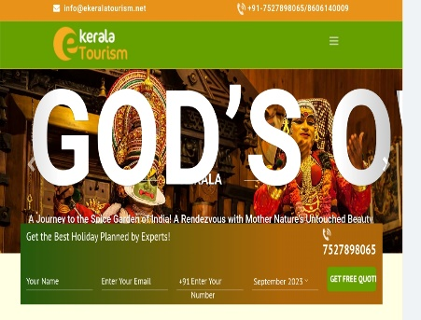 | Enhancement | P2 | New

Defect Distribution Graph
DEFECT DISTRIBUTION GRAPH
MODULE NAME | DEFECT DISTRIBUTION
Home Page | 9
Enquiry Form | 7
Contact Details | 10

