Bugs
<<Company Logo>> | Project Name-:Google Translate | Created By-:Sagarika.W.
 | Release Date-: 17/07/2024 | Created Date-: 17/07/2024

Defect ID | Defect Summery | Steps to reproduce | Expcted result | Actual result | Attachemnet | Priority | Severity | Assigned To | Reported By
D_001 | Incorrect translation of uppercase words in some of the sentences (English to Sinhala) | 1.Open Google Translate website: https://translate.google.com 2.Select "English" as the source language. 3.Select "Sinhala" as the target language. 4.Enter the sentence "I am a ROBOT" into the source text box. | The sentence should be translated correctly into Sinhala, preserving the meaning of the words including the uppercase "ROBOT". (මම රොබෝ කෙනෙක්) | The sentence was translated incorrectly as "මම ROBOT කෙනෙක්", where "ROBOT" was not translated into Sinhala. | 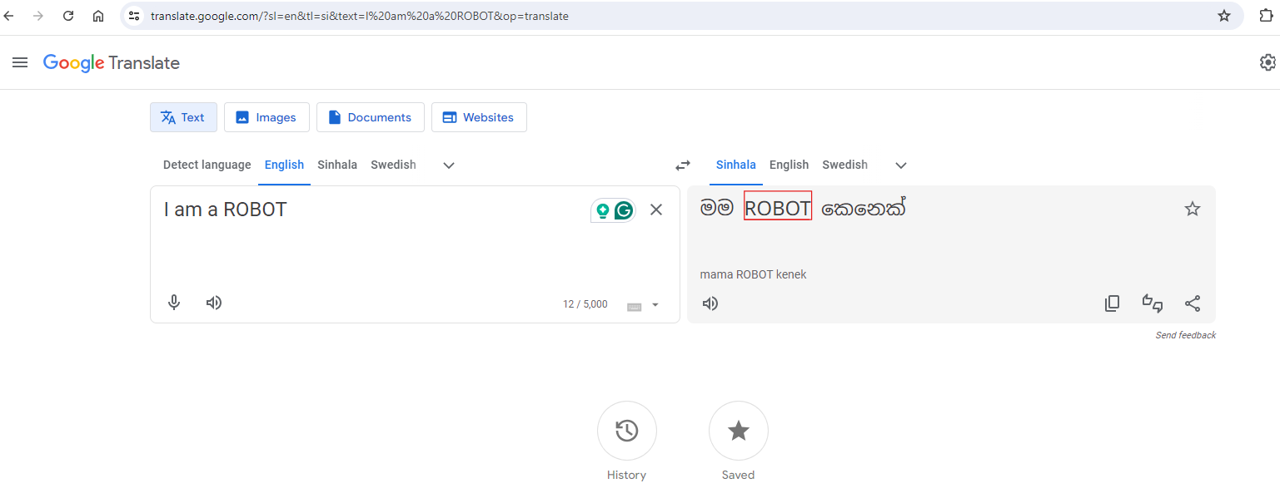 | Medium | Minor | <DeveloperName> | Sagarika.W.

