Tech Stock Analysis

Tech Stock Analysis


APPLE
 | 0.9823472628
 | 0.99308844713
 | 1.0009279473
 | 1.018806779
 | 0.99577504599
 | 1.0139034265
 | 0.98957062331
 | 0.9924532981
 | 0.97332017491
 | 1.0028960669
 | 1.0032905123
 | 0.98199473019
 | 1.0082475049
 | 0.99655222751
 | 0.98575397838
 | 1.0041291453
 | 1.0350900896
 | 1.0185393831
 | 0.98550350599
 | 1.0083772358
 | 0.98508537402
 | 0.98612128062
 | 1.0132660013
 | 1.0140891545
 | 1.0026214641
 | 1.0186940355
 | 0.99454599893
 | 1.0154838316
 | 1.0119441231
 | 0.99089655317
 | 1.0069694664
 | 1.0083055896
 | 0.98770670078
 | 0.99601968091
 | 1.0197907423
 | 1.0098898816
 | 1.015644206
 | 1.0077016637
 | 0.99675035623
 | 0.98870971234
 | 1.0054959039
 | 0.98402766403
 | 0.99240883966
 | 0.99564678491
 | 1.0341036308
 | 0.99788601773
 | 1.0001209915
 | 1.0075047239
 | 1.0069682447
 | 0.99415372564
...
MICROSOFT
 | 0.99689794212
 | 0.98834021006
 | 0.99802750546
 | 1.0312428773
 | 1.0031328545
 | 0.98952858155
 | 0.97337734589
 | 0.98439825903
 | 0.97911338662
 | 0.99540901687
 | 1.0129617505
 | 0.97821563368
 | 1.0037717779
 | 0.99704187125
 | 0.98737072439
 | 1.0196532108
 | 1.0166460622
 | 1.0061890471
 | 0.98941098123
 | 0.99822940385
 | 0.99456054546
 | 0.98521714136
 | 1.0214409348
 | 1.0270558064
 | 1.0178304143
 | 1.0405365043
 | 1.0116943532
 | 0.97423332538
 | 1.0056936698
 | 0.99455770945
 | 1.0197216021
 | 1.0104804565
 | 0.98506610724
 | 0.99583908431
 | 1.0191839501
 | 1.0126197921
 | 1.0149621552
 | 0.99628866859
 | 0.99982585977
 | 0.99011074423
 | 1.0255328476
 | 0.99242115414
 | 0.97733153299
 | 1.0023335701
 | 1.0223994015
 | 0.98723439916
 | 1.0092960546
 | 0.99851110555
 | 1.0002774807
 | 0.99188758294
...



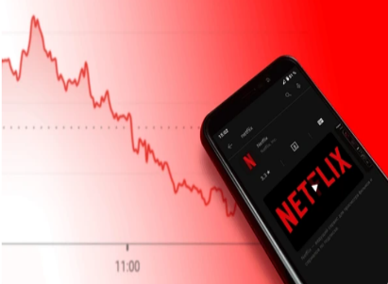

NETFLIX
 | 1.0106901068
 | 0.98819620326
 | 0.95823444248
 | 1.0322720589
 | 1.0038764653
 | 1.0040560672
 | 0.97036682668
 | 0.99215876346
 | 0.96993909715
 | 0.99223705156
 | 0.96646556726
 | 0.97991657617
 | 1.0185401388
 | 0.99721389994
 | 0.97314750638
 | 0.99489598684
 | 1.0105809534
 | 0.99000573014
 | 0.98859084827
 | 1.0107628207
 | 0.95506587986
 | 0.98314195372
 | 1.0025618253
 | 1.0048720403
 | 1.0300061234
 | 1.0206392209
 | 0.9788428122
 | 1.0053706916
 | 1.0021630242
 | 0.96111705985
 | 1.0900646538
 | 1.0250336162
 | 0.99777700031
 | 0.98736490675
 | 1.0263044328
 | 1.0192753484
 | 1.0208315411
 | 1.0081046304
 | 0.99560698632
 | 0.9873107602
 | 0.99117856157
 | 0.99899803609
 | 0.99769905094
 | 0.97877060737
 | 1.0457964645
 | 0.9781622882
 | 0.98254731236
 | 1.0029454526
 | 0.96829482555
 | 1.0069014949
...
GOOGLE
 | 0.92558310965
 | 0.9545999908
 | 0.99371466084
 | 1.0014758527
 | 0.99947365211
 | 1.0226435133
 | 0.98640577023
 | 0.98757566867
 | 0.97314733705
 | 0.99728408483
 | 0.99204789395
 | 0.98111341577
 | 1.0083939565
 | 1.0022198067
 | 1.0023255712
 | 1.0198872542
 | 1.0185245274
 | 1.0165922702
 | 0.98524792181
 | 1.0050972005
 | 0.97897519453
 | 0.98219294782
 | 1.0071420888
 | 1.0282565594
 | 1.0244032154
 | 1.0468150855
 | 1.0137528387
 | 0.99482726132
 | 1.0383596192
 | 0.98469392331
 | 1.0195739865
 | 0.99811778189
 | 0.97171412344
 | 0.98350478324
 | 1.0053275542
 | 0.99430812766
 | 1.0264508518
 | 1.0087500356
 | 1.0020017062
 | 0.99838274548
 | 1.0376370149
 | 0.98209362192
 | 0.99223941819
 | 0.99151902114
 | 1.028226584
 | 1.0117385772
 | 0.97222728919
 | 0.98778429316
 | 0.99904864824
 | 1.0083794032
...

Tech Stock Forecasting
Tech Stock Forecasting
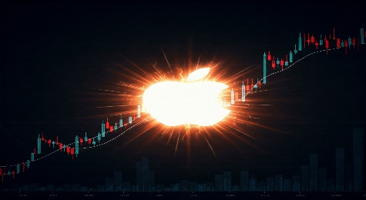

APPLE
 | 154.6499939
 | 151.9199982
 | 150.8699951
 | 151.0099945
 | 153.8500061
 | 153.1999969
 | 155.3300018
 | 153.7100067
 | 152.5500031
 | 148.4799957
 | 148.9100037
 | 149.3999939
 | 146.7100067
 | 147.9199982
 | 147.4100037
 | 145.3099976
 | 145.9100037
 | 151.0299988
 | 153.8300018
 | 151.6000061
 | 152.8699951
 | 150.5899963
 | 148.5
 | 150.4700012
 | 152.5899963
 | 152.9900055
 | 155.8500061
 | 155
 | 157.3999939
 | 159.2799988
 | 157.8300018
 | 158.9299927
 | 160.25
 | 158.2799988
 | 157.6499939
 | 160.7700043
 | 162.3600006
 | 164.8999939
 | 166.1699982
 | 165.6300049
 | 163.7599945
 | 164.6600037
 | 162.0299988
 | 160.8000031
 | 160.1000061
 | 165.5599976
 | 165.2100067
 | 165.2299957
 | 166.4700012
 | 167.6300049
...
(+4.21%)
MICROSOFT
 | 267.5599976
 | 266.730011
 | 263.6199951
 | 263.1000061
 | 271.3200073
 | 272.1700134
 | 269.3200073
 | 262.1499939
 | 258.0599976
 | 252.6699982
 | 251.5099945
 | 254.7700043
 | 249.2200012
 | 250.1600037
 | 249.4199982
 | 246.2700043
 | 251.1100006
 | 255.2899933
 | 256.8699951
 | 254.1499939
 | 253.6999969
 | 252.3200073
 | 248.5899963
 | 253.9199982
 | 260.7900085
 | 265.4400024
 | 276.2000122
 | 279.4299927
 | 272.230011
 | 273.7799988
 | 272.2900085
 | 277.6600037
 | 280.5700073
 | 276.3800049
 | 275.230011
 | 280.5100098
 | 284.0499878
 | 288.2999878
 | 287.230011
 | 287.1799927
 | 284.3399963
 | 291.6000061
 | 289.3900146
 | 282.8299866
 | 283.4899902
 | 289.8399963
 | 286.1400146
 | 288.7999878
 | 288.3699951
 | 288.4500122
...


(+5.10%)

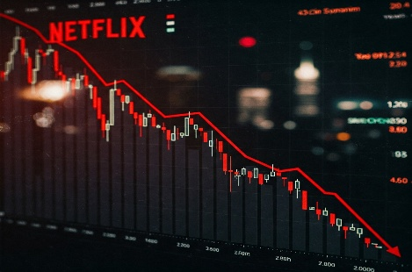

NETFLIX
 | 362.9500122
 | 366.8299866
 | 362.5
 | 347.3599854
 | 358.5700073
 | 359.9599915
 | 361.4200134
 | 350.7099915
 | 347.9599915
 | 337.5
 | 334.8800049
 | 323.6499939
 | 317.1499939
 | 323.0299988
 | 322.1300049
 | 313.480011
 | 311.8800049
 | 315.1799927
 | 312.0299988
 | 308.4700012
 | 311.7900085
 | 297.7799988
 | 292.7600098
 | 293.5100098
 | 294.9400024
 | 303.7900085
 | 310.0599976
 | 303.5
 | 305.1300049
 | 305.7900085
 | 293.8999939
 | 320.3699951
 | 328.3900146
 | 327.6600037
 | 323.519989
 | 332.0299988
 | 338.4299927
 | 345.480011
 | 348.2799988
 | 346.75
 | 342.3500061
 | 339.3299866
 | 338.9899902
 | 338.2099915
 | 331.0299988
 | 346.1900024
 | 338.6300049
 | 332.7200012
 | 333.7000122
 | 323.1199951
...
GOOGLE
 | 108.0400009
 | 100
 | 95.45999908
 | 94.86000061
 | 95
 | 94.94999695
 | 97.09999847
 | 95.77999878
 | 94.58999634
 | 92.05000305
 | 91.80000305
 | 91.06999969
 | 89.34999847
 | 90.09999847
 | 90.30000305
 | 90.51000214
 | 92.30999756
 | 94.01999664
 | 95.58000183
 | 94.16999817
 | 94.65000153
 | 92.66000366
 | 91.01000214
 | 91.66000366
 | 94.25
 | 96.55000305
 | 101.0699997
 | 102.4599991
 | 101.9300003
 | 105.8399963
 | 104.2200012
 | 106.2600021
 | 106.0599976
 | 103.0599976
 | 101.3600006
 | 101.9000015
 | 101.3199997
 | 104
 | 104.9100037
 | 105.1200027
 | 104.9499969
 | 108.9000015
 | 106.9499969
 | 106.1200027
 | 105.2200012
 | 108.1900024
 | 109.4599991
 | 106.4199982
 | 105.1200027
 | 105.0199966
...

(-4.31%)



(+2.91%)

