Continuous - Finding Split
Finding best splits for Continuous Attributes

Sorted by increasing order | Finding best split point |  |  |  |  |  | Sorted by increasing order | Finding Best split point
250 | minimum | 250 |  | Categories: | Condition | Assign | 19 | minimum | 19 |  | Categories | Condition | Assign
276 | maximum | 18424 |  |  |  |  | 19 | maximum | 75
338 |  | First split point | 9337 | C1 | Credit amount <4793.5 | 1 | 20 |  | first split point | 47 | A1 | Age <33 | 1
339 |  |  |  | C2 | Credit amount >=4793.5 and <9337 | 2 | 20 |  |  |  | A2 | Age >=33 and <47 | 2
343 |  |  |  | C3 | Credit amount >=9337 and <13880.5 | 3 | 20 |  |  |  | A3 | Age >=47 and <61 | 3
362 |  |  |  | C4 | Credit amount >=13880.5 | 4 | 20 |  |  |  | A4 | Age >=61 | 4
368 |  |  |  |  |  |  | 20 | minimum | 19
385 | minimum | 250 |  |  |  |  | 20 | maximum | 47
392 | maximum | 9337 |  |  |  |  | 20 |  | second split point | 33
CREDIT AMOUNT - Continuous data set
AGE- Continuous data set
409 |  | 2nd split point | 4793.5 |  |  |  | 20
426 |  |  |  |  |  |  | 20
428 |  |  |  |  |  |  | 20
433 |  |  |  |  |  |  | 20
433 |  |  |  |  |  |  | 20 | minimum | 47
448 |  |  |  |  |  |  | 20 | maximum | 75
454 | minimum | 9337 |  |  |  |  | 20 |  | third split point | 61
458 | maximum | 18424 |  |  |  |  | 21
484 |  | 3rd split poit | 13880.5 |  |  |  | 21
518 |  |  |  |  |  |  | 21
522 |  |  |  |  |  |  | 21
571 |  |  |  |  |  |  | 21
585 |  |  |  |  |  |  | 21
590 |  |  |  |  |  |  | 21
601 |  |  |  |  |  |  | 21
609 |  |  |  |  |  |  | 21
609 |  |  |  |  |  |  | 21
618 |  |  |  |  |  |  | 21
625 |  |  |  |  |  |  | 21
626 |  |  |  |  |  |  | 21
629 |  |  |  |  |  |  | 21
639 |  |  |  |  |  |  | 22
640 |  |  |  |  |  |  | 22
652 |  |  |  |  |  |  | 22
654 |  |  |  |  |  |  | 22
660 |  |  |  |  |  |  | 22
662 |  |  |  |  |  |  | 22
666 |  |  |  |  |  |  | 22
672 |  |  |  |  |  |  | 22
674 |  |  |  |  |  |  | 22
682 |  |  |  |  |  |  | 22
683 |  |  |  |  |  |  | 22
684 |  |  |  |  |  |  | 22
685 |  |  |  |  |  |  | 22
691 |  |  |  |  |  |  | 22
697 |  |  |  |  |  |  | 22
700 |  |  |  |  |  |  | 22
701 |  |  |  |  |  |  | 22
701 |  |  |  |  |  |  | 22
707 |  |  |  |  |  |  | 22
708 |  |  |  |  |  |  | 22
709 |  |  |  |  |  |  | 22
709 |  |  |  |  |  |  | 22
717 |  |  |  |  |  |  | 22
717 |  |  |  |  |  |  | 22
719 |  |  |  |  |  |  | 22
727 |  |  |  |  |  |  | 22
727 |  |  |  |  |  |  | 22
730 |  |  |  |  |  |  | 23
731 |  |  |  |  |  |  | 23
741 |  |  |  |  |  |  | 23
745 |  |  |  |  |  |  | 23
750 |  |  |  |  |  |  | 23
753 |  |  |  |  |  |  | 23
754 |  |  |  |  |  |  | 23
759 |  |  |  |  |  |  | 23
760 |  |  |  |  |  |  | 23
763 |  |  |  |  |  |  | 23
766 |  |  |  |  |  |  | 23
776 |  |  |  |  |  |  | 23
781 |  |  |  |  |  |  | 23
783 |  |  |  |  |  |  | 23
790 |  |  |  |  |  |  | 23
795 |  |  |  |  |  |  | 23
797 |  |  |  |  |  |  | 23
802 |  |  |  |  |  |  | 23
802 |  |  |  |  |  |  | 23
804 |  |  |  |  |  |  | 23
806 |  |  |  |  |  |  | 23
836 |  |  |  |  |  |  | 23
841 |  |  |  |  |  |  | 23
846 |  |  |  |  |  |  | 23
860 |  |  |  |  |  |  | 23
866 |  |  |  |  |  |  | 23
874 |  |  |  |  |  |  | 23
882 |  |  |  |  |  |  | 23
884 |  |  |  |  |  |  | 23
886 |  |  |  |  |  |  | 23
888 |  |  |  |  |  |  | 23
894 |  |  |  |  |  |  | 23
900 |  |  |  |  |  |  | 23
902 |  |  |  |  |  |  | 23
907 |  |  |  |  |  |  | 23
909 |  |  |  |  |  |  | 23
915 |  |  |  |  |  |  | 23
918 |  |  |  |  |  |  | 23
926 |  |  |  |  |  |  | 23
929 |  |  |  |  |  |  | 23
930 |  |  |  |  |  |  | 23
931 |  |  |  |  |  |  | 23
932 |  |  |  |  |  |  | 23
932 |  |  |  |  |  |  | 23
936 |  |  |  |  |  |  | 23
937 |  |  |  |  |  |  | 23
939 |  |  |  |  |  |  | 23
947 |  |  |  |  |  |  | 23
950 |  |  |  |  |  |  | 24
951 |  |  |  |  |  |  | 24
958 |  |  |  |  |  |  | 24
959 |  |  |  |  |  |  | 24
960 |  |  |  |  |  |  | 24
975 |  |  |  |  |  |  | 24
976 |  |  |  |  |  |  | 24
976 |  |  |  |  |  |  | 24
983 |  |  |  |  |  |  | 24
996 |  |  |  |  |  |  | 24
999 |  |  |  |  |  |  | 24
1007 |  |  |  |  |  |  | 24
1024 |  |  |  |  |  |  | 24
1028 |  |  |  |  |  |  | 24
1037 |  |  |  |  |  |  | 24
1038 |  |  |  |  |  |  | 24
1042 |  |  |  |  |  |  | 24
1047 |  |  |  |  |  |  | 24
1048 |  |  |  |  |  |  | 24
1049 |  |  |  |  |  |  | 24
1050 |  |  |  |  |  |  | 24
1053 |  |  |  |  |  |  | 24
1055 |  |  |  |  |  |  | 24
1056 |  |  |  |  |  |  | 24
1068 |  |  |  |  |  |  | 24
1076 |  |  |  |  |  |  | 24
1082 |  |  |  |  |  |  | 24
1082 |  |  |  |  |  |  | 24
1092 |  |  |  |  |  |  | 24
1098 |  |  |  |  |  |  | 24
1101 |  |  |  |  |  |  | 24
1103 |  |  |  |  |  |  | 24
1107 |  |  |  |  |  |  | 24
1108 |  |  |  |  |  |  | 24
1113 |  |  |  |  |  |  | 24
1123 |  |  |  |  |  |  | 24
1126 |  |  |  |  |  |  | 24
1126 |  |  |  |  |  |  | 24
1131 |  |  |  |  |  |  | 24
1136 |  |  |  |  |  |  | 24
1138 |  |  |  |  |  |  | 24
1149 |  |  |  |  |  |  | 24
1154 |  |  |  |  |  |  | 24
1154 |  |  |  |  |  |  | 24
1155 |  |  |  |  |  |  | 25
1158 |  |  |  |  |  |  | 25
1163 |  |  |  |  |  |  | 25
1164 |  |  |  |  |  |  | 25
1168 |  |  |  |  |  |  | 25
1169 |  |  |  |  |  |  | 25
1169 |  |  |  |  |  |  | 25
1175 |  |  |  |  |  |  | 25
1185 |  |  |  |  |  |  | 25
1188 |  |  |  |  |  |  | 25
1190 |  |  |  |  |  |  | 25
1193 |  |  |  |  |  |  | 25
1198 |  |  |  |  |  |  | 25
1199 |  |  |  |  |  |  | 25
1199 |  |  |  |  |  |  | 25
1200 |  |  |  |  |  |  | 25
1201 |  |  |  |  |  |  | 25
1203 |  |  |  |  |  |  | 25
1204 |  |  |  |  |  |  | 25
1206 |  |  |  |  |  |  | 25
1207 |  |  |  |  |  |  | 25
1209 |  |  |  |  |  |  | 25
1213 |  |  |  |  |  |  | 25
1216 |  |  |  |  |  |  | 25
1216 |  |  |  |  |  |  | 25
1217 |  |  |  |  |  |  | 25
1221 |  |  |  |  |  |  | 25
1223 |  |  |  |  |  |  | 25
1224 |  |  |  |  |  |  | 25
1225 |  |  |  |  |  |  | 25
1228 |  |  |  |  |  |  | 25
1231 |  |  |  |  |  |  | 25
1231 |  |  |  |  |  |  | 25
1236 |  |  |  |  |  |  | 25
1236 |  |  |  |  |  |  | 25
1237 |  |  |  |  |  |  | 25
1237 |  |  |  |  |  |  | 25
1238 |  |  |  |  |  |  | 25
1239 |  |  |  |  |  |  | 25
1240 |  |  |  |  |  |  | 25
1240 |  |  |  |  |  |  | 25
1244 |  |  |  |  |  |  | 26
1245 |  |  |  |  |  |  | 26
1246 |  |  |  |  |  |  | 26
1249 |  |  |  |  |  |  | 26
1255 |  |  |  |  |  |  | 26
1258 |  |  |  |  |  |  | 26
1258 |  |  |  |  |  |  | 26
1258 |  |  |  |  |  |  | 26
1262 |  |  |  |  |  |  | 26
1262 |  |  |  |  |  |  | 26
1262 |  |  |  |  |  |  | 26
1264 |  |  |  |  |  |  | 26
1264 |  |  |  |  |  |  | 26
1271 |  |  |  |  |  |  | 26
1274 |  |  |  |  |  |  | 26
1275 |  |  |  |  |  |  | 26
1275 |  |  |  |  |  |  | 26
1275 |  |  |  |  |  |  | 26
1278 |  |  |  |  |  |  | 26
1282 |  |  |  |  |  |  | 26
1282 |  |  |  |  |  |  | 26
1283 |  |  |  |  |  |  | 26
1285 |  |  |  |  |  |  | 26
1287 |  |  |  |  |  |  | 26
1287 |  |  |  |  |  |  | 26
1288 |  |  |  |  |  |  | 26
1289 |  |  |  |  |  |  | 26
1291 |  |  |  |  |  |  | 26
1295 |  |  |  |  |  |  | 26
1295 |  |  |  |  |  |  | 26
1297 |  |  |  |  |  |  | 26
1299 |  |  |  |  |  |  | 26
1300 |  |  |  |  |  |  | 26
1301 |  |  |  |  |  |  | 26
1308 |  |  |  |  |  |  | 26
1309 |  |  |  |  |  |  | 26
1311 |  |  |  |  |  |  | 26
1313 |  |  |  |  |  |  | 26
1316 |  |  |  |  |  |  | 26
1318 |  |  |  |  |  |  | 26
1322 |  |  |  |  |  |  | 26
1323 |  |  |  |  |  |  | 26
1330 |  |  |  |  |  |  | 26
1331 |  |  |  |  |  |  | 26
1333 |  |  |  |  |  |  | 26
1337 |  |  |  |  |  |  | 26
1338 |  |  |  |  |  |  | 26
1343 |  |  |  |  |  |  | 26
1344 |  |  |  |  |  |  | 26
1344 |  |  |  |  |  |  | 26
1345 |  |  |  |  |  |  | 27
1346 |  |  |  |  |  |  | 27
1347 |  |  |  |  |  |  | 27
1352 |  |  |  |  |  |  | 27
1355 |  |  |  |  |  |  | 27
1358 |  |  |  |  |  |  | 27
1360 |  |  |  |  |  |  | 27
1361 |  |  |  |  |  |  | 27
1364 |  |  |  |  |  |  | 27
1364 |  |  |  |  |  |  | 27
1366 |  |  |  |  |  |  | 27
1371 |  |  |  |  |  |  | 27
1372 |  |  |  |  |  |  | 27
1374 |  |  |  |  |  |  | 27
1374 |  |  |  |  |  |  | 27
1376 |  |  |  |  |  |  | 27
1377 |  |  |  |  |  |  | 27
1381 |  |  |  |  |  |  | 27
1382 |  |  |  |  |  |  | 27
1382 |  |  |  |  |  |  | 27
1386 |  |  |  |  |  |  | 27
1386 |  |  |  |  |  |  | 27
1388 |  |  |  |  |  |  | 27
1391 |  |  |  |  |  |  | 27
1393 |  |  |  |  |  |  | 27
1393 |  |  |  |  |  |  | 27
1393 |  |  |  |  |  |  | 27
1402 |  |  |  |  |  |  | 27
1403 |  |  |  |  |  |  | 27
1409 |  |  |  |  |  |  | 27
1409 |  |  |  |  |  |  | 27
1410 |  |  |  |  |  |  | 27
1410 |  |  |  |  |  |  | 27
1412 |  |  |  |  |  |  | 27
1413 |  |  |  |  |  |  | 27
1413 |  |  |  |  |  |  | 27
1414 |  |  |  |  |  |  | 27
1418 |  |  |  |  |  |  | 27
1422 |  |  |  |  |  |  | 27
1424 |  |  |  |  |  |  | 27
1424 |  |  |  |  |  |  | 27
1433 |  |  |  |  |  |  | 27
1437 |  |  |  |  |  |  | 27
1442 |  |  |  |  |  |  | 27
1442 |  |  |  |  |  |  | 27
1444 |  |  |  |  |  |  | 27
1445 |  |  |  |  |  |  | 27
1449 |  |  |  |  |  |  | 27
1449 |  |  |  |  |  |  | 27
1453 |  |  |  |  |  |  | 27
1455 |  |  |  |  |  |  | 27
1459 |  |  |  |  |  |  | 28
1469 |  |  |  |  |  |  | 28
1471 |  |  |  |  |  |  | 28
1473 |  |  |  |  |  |  | 28
1474 |  |  |  |  |  |  | 28
1474 |  |  |  |  |  |  | 28
1478 |  |  |  |  |  |  | 28
1478 |  |  |  |  |  |  | 28
1478 |  |  |  |  |  |  | 28
1480 |  |  |  |  |  |  | 28
1484 |  |  |  |  |  |  | 28
1493 |  |  |  |  |  |  | 28
1494 |  |  |  |  |  |  | 28
1495 |  |  |  |  |  |  | 28
1498 |  |  |  |  |  |  | 28
1501 |  |  |  |  |  |  | 28
1503 |  |  |  |  |  |  | 28
1503 |  |  |  |  |  |  | 28
1505 |  |  |  |  |  |  | 28
1512 |  |  |  |  |  |  | 28
1514 |  |  |  |  |  |  | 28
1516 |  |  |  |  |  |  | 28
1520 |  |  |  |  |  |  | 28
1521 |  |  |  |  |  |  | 28
1525 |  |  |  |  |  |  | 28
1526 |  |  |  |  |  |  | 28
1530 |  |  |  |  |  |  | 28
1532 |  |  |  |  |  |  | 28
1533 |  |  |  |  |  |  | 28
1533 |  |  |  |  |  |  | 28
1534 |  |  |  |  |  |  | 28
1537 |  |  |  |  |  |  | 28
1538 |  |  |  |  |  |  | 28
1542 |  |  |  |  |  |  | 28
1543 |  |  |  |  |  |  | 28
1544 |  |  |  |  |  |  | 28
1546 |  |  |  |  |  |  | 28
1546 |  |  |  |  |  |  | 28
1549 |  |  |  |  |  |  | 28
1552 |  |  |  |  |  |  | 28
1553 |  |  |  |  |  |  | 28
1553 |  |  |  |  |  |  | 28
1554 |  |  |  |  |  |  | 28
1555 |  |  |  |  |  |  | 29
1559 |  |  |  |  |  |  | 29
1567 |  |  |  |  |  |  | 29
1568 |  |  |  |  |  |  | 29
1569 |  |  |  |  |  |  | 29
1572 |  |  |  |  |  |  | 29
1574 |  |  |  |  |  |  | 29
1577 |  |  |  |  |  |  | 29
1582 |  |  |  |  |  |  | 29
1585 |  |  |  |  |  |  | 29
1591 |  |  |  |  |  |  | 29
1592 |  |  |  |  |  |  | 29
1595 |  |  |  |  |  |  | 29
1597 |  |  |  |  |  |  | 29
1597 |  |  |  |  |  |  | 29
1602 |  |  |  |  |  |  | 29
1603 |  |  |  |  |  |  | 29
1620 |  |  |  |  |  |  | 29
1647 |  |  |  |  |  |  | 29
1655 |  |  |  |  |  |  | 29
1657 |  |  |  |  |  |  | 29
1659 |  |  |  |  |  |  | 29
1670 |  |  |  |  |  |  | 29
1680 |  |  |  |  |  |  | 29
1715 |  |  |  |  |  |  | 29
1721 |  |  |  |  |  |  | 29
1736 |  |  |  |  |  |  | 29
1740 |  |  |  |  |  |  | 29
1743 |  |  |  |  |  |  | 29
1743 |  |  |  |  |  |  | 29
1747 |  |  |  |  |  |  | 29
1750 |  |  |  |  |  |  | 29
1755 |  |  |  |  |  |  | 29
1766 |  |  |  |  |  |  | 29
1768 |  |  |  |  |  |  | 29
1778 |  |  |  |  |  |  | 29
1795 |  |  |  |  |  |  | 29
1797 |  |  |  |  |  |  | 30
1800 |  |  |  |  |  |  | 30
1804 |  |  |  |  |  |  | 30
1808 |  |  |  |  |  |  | 30
1817 |  |  |  |  |  |  | 30
1819 |  |  |  |  |  |  | 30
1820 |  |  |  |  |  |  | 30
1823 |  |  |  |  |  |  | 30
1829 |  |  |  |  |  |  | 30
1835 |  |  |  |  |  |  | 30
1837 |  |  |  |  |  |  | 30
1842 |  |  |  |  |  |  | 30
1845 |  |  |  |  |  |  | 30
1845 |  |  |  |  |  |  | 30
1851 |  |  |  |  |  |  | 30
1858 |  |  |  |  |  |  | 30
1860 |  |  |  |  |  |  | 30
1864 |  |  |  |  |  |  | 30
1867 |  |  |  |  |  |  | 30
1872 |  |  |  |  |  |  | 30
1880 |  |  |  |  |  |  | 30
1881 |  |  |  |  |  |  | 30
1882 |  |  |  |  |  |  | 30
1884 |  |  |  |  |  |  | 30
1887 |  |  |  |  |  |  | 30
1893 |  |  |  |  |  |  | 30
1898 |  |  |  |  |  |  | 30
1901 |  |  |  |  |  |  | 30
1905 |  |  |  |  |  |  | 30
1908 |  |  |  |  |  |  | 30
1913 |  |  |  |  |  |  | 30
1919 |  |  |  |  |  |  | 30
1919 |  |  |  |  |  |  | 30
1922 |  |  |  |  |  |  | 30
1924 |  |  |  |  |  |  | 30
1924 |  |  |  |  |  |  | 30
1925 |  |  |  |  |  |  | 30
1927 |  |  |  |  |  |  | 30
1928 |  |  |  |  |  |  | 30
1934 |  |  |  |  |  |  | 30
1935 |  |  |  |  |  |  | 31
1935 |  |  |  |  |  |  | 31
1936 |  |  |  |  |  |  | 31
1938 |  |  |  |  |  |  | 31
1940 |  |  |  |  |  |  | 31
1940 |  |  |  |  |  |  | 31
1941 |  |  |  |  |  |  | 31
1943 |  |  |  |  |  |  | 31
1950 |  |  |  |  |  |  | 31
1953 |  |  |  |  |  |  | 31
1957 |  |  |  |  |  |  | 31
1961 |  |  |  |  |  |  | 31
1963 |  |  |  |  |  |  | 31
1965 |  |  |  |  |  |  | 31
1967 |  |  |  |  |  |  | 31
1977 |  |  |  |  |  |  | 31
1979 |  |  |  |  |  |  | 31
1980 |  |  |  |  |  |  | 31
1984 |  |  |  |  |  |  | 31
1987 |  |  |  |  |  |  | 31
1995 |  |  |  |  |  |  | 31
2002 |  |  |  |  |  |  | 31
2012 |  |  |  |  |  |  | 31
2022 |  |  |  |  |  |  | 31
2028 |  |  |  |  |  |  | 31
2028 |  |  |  |  |  |  | 31
2030 |  |  |  |  |  |  | 31
2032 |  |  |  |  |  |  | 31
2039 |  |  |  |  |  |  | 31
2039 |  |  |  |  |  |  | 31
2051 |  |  |  |  |  |  | 31
2058 |  |  |  |  |  |  | 31
2063 |  |  |  |  |  |  | 31
2064 |  |  |  |  |  |  | 31
2069 |  |  |  |  |  |  | 31
2073 |  |  |  |  |  |  | 31
2080 |  |  |  |  |  |  | 31
2096 |  |  |  |  |  |  | 31
2100 |  |  |  |  |  |  | 32
2101 |  |  |  |  |  |  | 32
2108 |  |  |  |  |  |  | 32
2116 |  |  |  |  |  |  | 32
2118 |  |  |  |  |  |  | 32
2121 |  |  |  |  |  |  | 32
2122 |  |  |  |  |  |  | 32
2124 |  |  |  |  |  |  | 32
2132 |  |  |  |  |  |  | 32
2133 |  |  |  |  |  |  | 32
2134 |  |  |  |  |  |  | 32
2136 |  |  |  |  |  |  | 32
2141 |  |  |  |  |  |  | 32
2142 |  |  |  |  |  |  | 32
2145 |  |  |  |  |  |  | 32
2146 |  |  |  |  |  |  | 32
2149 |  |  |  |  |  |  | 32
2150 |  |  |  |  |  |  | 32
2169 |  |  |  |  |  |  | 32
2171 |  |  |  |  |  |  | 32
2171 |  |  |  |  |  |  | 32
2181 |  |  |  |  |  |  | 32
2186 |  |  |  |  |  |  | 32
2197 |  |  |  |  |  |  | 32
2210 |  |  |  |  |  |  | 32
2212 |  |  |  |  |  |  | 32
2214 |  |  |  |  |  |  | 32
2221 |  |  |  |  |  |  | 32
2223 |  |  |  |  |  |  | 32
2225 |  |  |  |  |  |  | 32
2235 |  |  |  |  |  |  | 32
2238 |  |  |  |  |  |  | 32
2241 |  |  |  |  |  |  | 32
2241 |  |  |  |  |  |  | 32
2246 |  |  |  |  |  |  | 33
2247 |  |  |  |  |  |  | 33
2249 |  |  |  |  |  |  | 33
2251 |  |  |  |  |  |  | 33
2255 |  |  |  |  |  |  | 33
2273 |  |  |  |  |  |  | 33
2278 |  |  |  |  |  |  | 33
2279 |  |  |  |  |  |  | 33
2284 |  |  |  |  |  |  | 33
2288 |  |  |  |  |  |  | 33
2292 |  |  |  |  |  |  | 33
2299 |  |  |  |  |  |  | 33
2301 |  |  |  |  |  |  | 33
2302 |  |  |  |  |  |  | 33
2303 |  |  |  |  |  |  | 33
2315 |  |  |  |  |  |  | 33
2319 |  |  |  |  |  |  | 33
2320 |  |  |  |  |  |  | 33
2323 |  |  |  |  |  |  | 33
2325 |  |  |  |  |  |  | 33
2326 |  |  |  |  |  |  | 33
2327 |  |  |  |  |  |  | 33
2329 |  |  |  |  |  |  | 33
2331 |  |  |  |  |  |  | 33
2333 |  |  |  |  |  |  | 33
2333 |  |  |  |  |  |  | 33
2337 |  |  |  |  |  |  | 33
2346 |  |  |  |  |  |  | 33
2348 |  |  |  |  |  |  | 33
2353 |  |  |  |  |  |  | 33
2359 |  |  |  |  |  |  | 33
2360 |  |  |  |  |  |  | 33
2366 |  |  |  |  |  |  | 33
2375 |  |  |  |  |  |  | 34
2384 |  |  |  |  |  |  | 34
2384 |  |  |  |  |  |  | 34
2389 |  |  |  |  |  |  | 34
2390 |  |  |  |  |  |  | 34
2394 |  |  |  |  |  |  | 34
2397 |  |  |  |  |  |  | 34
2404 |  |  |  |  |  |  | 34
2406 |  |  |  |  |  |  | 34
2406 |  |  |  |  |  |  | 34
2415 |  |  |  |  |  |  | 34
2424 |  |  |  |  |  |  | 34
2427 |  |  |  |  |  |  | 34
2439 |  |  |  |  |  |  | 34
2442 |  |  |  |  |  |  | 34
2445 |  |  |  |  |  |  | 34
2462 |  |  |  |  |  |  | 34
2463 |  |  |  |  |  |  | 34
2473 |  |  |  |  |  |  | 34
2476 |  |  |  |  |  |  | 34
2483 |  |  |  |  |  |  | 34
2503 |  |  |  |  |  |  | 34
2507 |  |  |  |  |  |  | 34
2511 |  |  |  |  |  |  | 34
2515 |  |  |  |  |  |  | 34
2520 |  |  |  |  |  |  | 34
2522 |  |  |  |  |  |  | 34
2528 |  |  |  |  |  |  | 34
2538 |  |  |  |  |  |  | 34
2569 |  |  |  |  |  |  | 34
2570 |  |  |  |  |  |  | 34
2576 |  |  |  |  |  |  | 34
2577 |  |  |  |  |  |  | 35
2578 |  |  |  |  |  |  | 35
2578 |  |  |  |  |  |  | 35
2579 |  |  |  |  |  |  | 35
2580 |  |  |  |  |  |  | 35
2600 |  |  |  |  |  |  | 35
2603 |  |  |  |  |  |  | 35
2606 |  |  |  |  |  |  | 35
2611 |  |  |  |  |  |  | 35
2613 |  |  |  |  |  |  | 35
2622 |  |  |  |  |  |  | 35
2625 |  |  |  |  |  |  | 35
2629 |  |  |  |  |  |  | 35
2631 |  |  |  |  |  |  | 35
2631 |  |  |  |  |  |  | 35
2647 |  |  |  |  |  |  | 35
2659 |  |  |  |  |  |  | 35
2662 |  |  |  |  |  |  | 35
2670 |  |  |  |  |  |  | 35
2671 |  |  |  |  |  |  | 35
2675 |  |  |  |  |  |  | 35
2679 |  |  |  |  |  |  | 35
2684 |  |  |  |  |  |  | 35
2687 |  |  |  |  |  |  | 35
2697 |  |  |  |  |  |  | 35
2708 |  |  |  |  |  |  | 35
2712 |  |  |  |  |  |  | 35
2718 |  |  |  |  |  |  | 35
2728 |  |  |  |  |  |  | 35
2743 |  |  |  |  |  |  | 35
2745 |  |  |  |  |  |  | 35
2746 |  |  |  |  |  |  | 35
2748 |  |  |  |  |  |  | 35
2751 |  |  |  |  |  |  | 35
2753 |  |  |  |  |  |  | 35
2759 |  |  |  |  |  |  | 35
2760 |  |  |  |  |  |  | 35
2762 |  |  |  |  |  |  | 35
2764 |  |  |  |  |  |  | 35
2767 |  |  |  |  |  |  | 35
2775 |  |  |  |  |  |  | 36
2779 |  |  |  |  |  |  | 36
2782 |  |  |  |  |  |  | 36
2788 |  |  |  |  |  |  | 36
2799 |  |  |  |  |  |  | 36
2812 |  |  |  |  |  |  | 36
2820 |  |  |  |  |  |  | 36
2825 |  |  |  |  |  |  | 36
2828 |  |  |  |  |  |  | 36
2831 |  |  |  |  |  |  | 36
2835 |  |  |  |  |  |  | 36
2848 |  |  |  |  |  |  | 36
2859 |  |  |  |  |  |  | 36
2862 |  |  |  |  |  |  | 36
2864 |  |  |  |  |  |  | 36
2872 |  |  |  |  |  |  | 36
2892 |  |  |  |  |  |  | 36
2896 |  |  |  |  |  |  | 36
2899 |  |  |  |  |  |  | 36
2901 |  |  |  |  |  |  | 36
2910 |  |  |  |  |  |  | 36
2923 |  |  |  |  |  |  | 36
2924 |  |  |  |  |  |  | 36
2930 |  |  |  |  |  |  | 36
2957 |  |  |  |  |  |  | 36
2964 |  |  |  |  |  |  | 36
2969 |  |  |  |  |  |  | 36
2978 |  |  |  |  |  |  | 36
2978 |  |  |  |  |  |  | 36
2991 |  |  |  |  |  |  | 36
2993 |  |  |  |  |  |  | 36
2996 |  |  |  |  |  |  | 36
3001 |  |  |  |  |  |  | 36
3016 |  |  |  |  |  |  | 36
3017 |  |  |  |  |  |  | 36
3017 |  |  |  |  |  |  | 36
3021 |  |  |  |  |  |  | 36
3029 |  |  |  |  |  |  | 36
3031 |  |  |  |  |  |  | 36
3049 |  |  |  |  |  |  | 37
3051 |  |  |  |  |  |  | 37
3059 |  |  |  |  |  |  | 37
3060 |  |  |  |  |  |  | 37
3062 |  |  |  |  |  |  | 37
3069 |  |  |  |  |  |  | 37
3074 |  |  |  |  |  |  | 37
3077 |  |  |  |  |  |  | 37
3077 |  |  |  |  |  |  | 37
3079 |  |  |  |  |  |  | 37
3092 |  |  |  |  |  |  | 37
3104 |  |  |  |  |  |  | 37
3105 |  |  |  |  |  |  | 37
3108 |  |  |  |  |  |  | 37
3114 |  |  |  |  |  |  | 37
3123 |  |  |  |  |  |  | 37
3124 |  |  |  |  |  |  | 37
3148 |  |  |  |  |  |  | 37
3149 |  |  |  |  |  |  | 37
3160 |  |  |  |  |  |  | 37
3161 |  |  |  |  |  |  | 37
3181 |  |  |  |  |  |  | 37
3186 |  |  |  |  |  |  | 37
3190 |  |  |  |  |  |  | 37
3195 |  |  |  |  |  |  | 37
3213 |  |  |  |  |  |  | 37
3229 |  |  |  |  |  |  | 37
3234 |  |  |  |  |  |  | 37
3235 |  |  |  |  |  |  | 37
3244 |  |  |  |  |  |  | 38
3249 |  |  |  |  |  |  | 38
3275 |  |  |  |  |  |  | 38
3331 |  |  |  |  |  |  | 38
3342 |  |  |  |  |  |  | 38
3343 |  |  |  |  |  |  | 38
3345 |  |  |  |  |  |  | 38
3349 |  |  |  |  |  |  | 38
3349 |  |  |  |  |  |  | 38
3357 |  |  |  |  |  |  | 38
3368 |  |  |  |  |  |  | 38
3378 |  |  |  |  |  |  | 38
3380 |  |  |  |  |  |  | 38
3384 |  |  |  |  |  |  | 38
3386 |  |  |  |  |  |  | 38
3394 |  |  |  |  |  |  | 38
3398 |  |  |  |  |  |  | 38
3399 |  |  |  |  |  |  | 38
3414 |  |  |  |  |  |  | 38
3416 |  |  |  |  |  |  | 38
3422 |  |  |  |  |  |  | 38
3430 |  |  |  |  |  |  | 38
3441 |  |  |  |  |  |  | 38
3446 |  |  |  |  |  |  | 38
3447 |  |  |  |  |  |  | 39
3448 |  |  |  |  |  |  | 39
3485 |  |  |  |  |  |  | 39
3488 |  |  |  |  |  |  | 39
3496 |  |  |  |  |  |  | 39
3499 |  |  |  |  |  |  | 39
3509 |  |  |  |  |  |  | 39
3512 |  |  |  |  |  |  | 39
3518 |  |  |  |  |  |  | 39
3527 |  |  |  |  |  |  | 39
3535 |  |  |  |  |  |  | 39
3552 |  |  |  |  |  |  | 39
3556 |  |  |  |  |  |  | 39
3565 |  |  |  |  |  |  | 39
3566 |  |  |  |  |  |  | 39
3568 |  |  |  |  |  |  | 39
3573 |  |  |  |  |  |  | 39
3577 |  |  |  |  |  |  | 39
3578 |  |  |  |  |  |  | 39
3590 |  |  |  |  |  |  | 39
3590 |  |  |  |  |  |  | 39
3594 |  |  |  |  |  |  | 40
3595 |  |  |  |  |  |  | 40
3599 |  |  |  |  |  |  | 40
3609 |  |  |  |  |  |  | 40
3612 |  |  |  |  |  |  | 40
3617 |  |  |  |  |  |  | 40
3617 |  |  |  |  |  |  | 40
3620 |  |  |  |  |  |  | 40
3621 |  |  |  |  |  |  | 40
3622 |  |  |  |  |  |  | 40
3632 |  |  |  |  |  |  | 40
3643 |  |  |  |  |  |  | 40
3650 |  |  |  |  |  |  | 40
3651 |  |  |  |  |  |  | 40
3652 |  |  |  |  |  |  | 40
3656 |  |  |  |  |  |  | 40
3660 |  |  |  |  |  |  | 40
3676 |  |  |  |  |  |  | 40
3711 |  |  |  |  |  |  | 40
3749 |  |  |  |  |  |  | 40
3757 |  |  |  |  |  |  | 40
3758 |  |  |  |  |  |  | 40
3763 |  |  |  |  |  |  | 40
3777 |  |  |  |  |  |  | 40
3780 |  |  |  |  |  |  | 40
3804 |  |  |  |  |  |  | 41
3812 |  |  |  |  |  |  | 41
3832 |  |  |  |  |  |  | 41
3832 |  |  |  |  |  |  | 41
3835 |  |  |  |  |  |  | 41
3844 |  |  |  |  |  |  | 41
3850 |  |  |  |  |  |  | 41
3857 |  |  |  |  |  |  | 41
3863 |  |  |  |  |  |  | 41
3868 |  |  |  |  |  |  | 41
3872 |  |  |  |  |  |  | 41
3878 |  |  |  |  |  |  | 41
3905 |  |  |  |  |  |  | 41
3913 |  |  |  |  |  |  | 41
3914 |  |  |  |  |  |  | 41
3915 |  |  |  |  |  |  | 41
3931 |  |  |  |  |  |  | 41
3939 |  |  |  |  |  |  | 42
3949 |  |  |  |  |  |  | 42
3959 |  |  |  |  |  |  | 42
3959 |  |  |  |  |  |  | 42
3965 |  |  |  |  |  |  | 42
3966 |  |  |  |  |  |  | 42
3972 |  |  |  |  |  |  | 42
3973 |  |  |  |  |  |  | 42
3976 |  |  |  |  |  |  | 42
3979 |  |  |  |  |  |  | 42
3990 |  |  |  |  |  |  | 42
4006 |  |  |  |  |  |  | 42
4020 |  |  |  |  |  |  | 42
4042 |  |  |  |  |  |  | 42
4042 |  |  |  |  |  |  | 42
4057 |  |  |  |  |  |  | 42
4110 |  |  |  |  |  |  | 42
4113 |  |  |  |  |  |  | 42
4139 |  |  |  |  |  |  | 42
4151 |  |  |  |  |  |  | 42
4153 |  |  |  |  |  |  | 42
4165 |  |  |  |  |  |  | 42
4169 |  |  |  |  |  |  | 43
4210 |  |  |  |  |  |  | 43
4221 |  |  |  |  |  |  | 43
4241 |  |  |  |  |  |  | 43
4249 |  |  |  |  |  |  | 43
4272 |  |  |  |  |  |  | 43
4272 |  |  |  |  |  |  | 43
4280 |  |  |  |  |  |  | 43
4281 |  |  |  |  |  |  | 43
4297 |  |  |  |  |  |  | 43
4308 |  |  |  |  |  |  | 43
4351 |  |  |  |  |  |  | 43
4370 |  |  |  |  |  |  | 43
4380 |  |  |  |  |  |  | 43
4439 |  |  |  |  |  |  | 43
4454 |  |  |  |  |  |  | 43
4455 |  |  |  |  |  |  | 43
4463 |  |  |  |  |  |  | 44
4473 |  |  |  |  |  |  | 44
4526 |  |  |  |  |  |  | 44
4526 |  |  |  |  |  |  | 44
4530 |  |  |  |  |  |  | 44
4576 |  |  |  |  |  |  | 44
4583 |  |  |  |  |  |  | 44
4591 |  |  |  |  |  |  | 44
4594 |  |  |  |  |  |  | 44
4605 |  |  |  |  |  |  | 44
4611 |  |  |  |  |  |  | 44
4623 |  |  |  |  |  |  | 44
4657 |  |  |  |  |  |  | 44
4675 |  |  |  |  |  |  | 44
4679 |  |  |  |  |  |  | 44
4686 |  |  |  |  |  |  | 44
4712 |  |  |  |  |  |  | 44
4716 |  |  |  |  |  |  | 45
4736 |  |  |  |  |  |  | 45
4746 |  |  |  |  |  |  | 45
4771 |  |  |  |  |  |  | 45
4788 |  |  |  |  |  |  | 45
4795 |  |  |  |  |  |  | 45
4796 |  |  |  |  |  |  | 45
4811 |  |  |  |  |  |  | 45
4817 |  |  |  |  |  |  | 45
4843 |  |  |  |  |  |  | 45
4844 |  |  |  |  |  |  | 45
4870 |  |  |  |  |  |  | 45
4933 |  |  |  |  |  |  | 45
5003 |  |  |  |  |  |  | 45
5045 |  |  |  |  |  |  | 45
5084 |  |  |  |  |  |  | 46
5096 |  |  |  |  |  |  | 46
5103 |  |  |  |  |  |  | 46
5117 |  |  |  |  |  |  | 46
5129 |  |  |  |  |  |  | 46
5150 |  |  |  |  |  |  | 46
5152 |  |  |  |  |  |  | 46
5179 |  |  |  |  |  |  | 46
5190 |  |  |  |  |  |  | 46
5234 |  |  |  |  |  |  | 46
5248 |  |  |  |  |  |  | 46
5293 |  |  |  |  |  |  | 46
5302 |  |  |  |  |  |  | 46
5324 |  |  |  |  |  |  | 46
5371 |  |  |  |  |  |  | 46
5381 |  |  |  |  |  |  | 46
5433 |  |  |  |  |  |  | 46
5493 |  |  |  |  |  |  | 46
5507 |  |  |  |  |  |  | 47
5511 |  |  |  |  |  |  | 47
5595 |  |  |  |  |  |  | 47
5711 |  |  |  |  |  |  | 47
5742 |  |  |  |  |  |  | 47
5743 |  |  |  |  |  |  | 47
5771 |  |  |  |  |  |  | 47
5800 |  |  |  |  |  |  | 47
5801 |  |  |  |  |  |  | 47
5804 |  |  |  |  |  |  | 47
5842 |  |  |  |  |  |  | 47
5848 |  |  |  |  |  |  | 47
5866 |  |  |  |  |  |  | 47
5943 |  |  |  |  |  |  | 47
5951 |  |  |  |  |  |  | 47
5954 |  |  |  |  |  |  | 47
5954 |  |  |  |  |  |  | 47
5965 |  |  |  |  |  |  | 48
5998 |  |  |  |  |  |  | 48
6070 |  |  |  |  |  |  | 48
6078 |  |  |  |  |  |  | 48
6110 |  |  |  |  |  |  | 48
6143 |  |  |  |  |  |  | 48
6148 |  |  |  |  |  |  | 48
6187 |  |  |  |  |  |  | 48
6199 |  |  |  |  |  |  | 48
6204 |  |  |  |  |  |  | 48
6224 |  |  |  |  |  |  | 48
6229 |  |  |  |  |  |  | 48
6260 |  |  |  |  |  |  | 49
6288 |  |  |  |  |  |  | 49
6289 |  |  |  |  |  |  | 49
6304 |  |  |  |  |  |  | 49
6313 |  |  |  |  |  |  | 49
6314 |  |  |  |  |  |  | 49
6331 |  |  |  |  |  |  | 49
6350 |  |  |  |  |  |  | 49
6361 |  |  |  |  |  |  | 49
6403 |  |  |  |  |  |  | 49
6416 |  |  |  |  |  |  | 49
6419 |  |  |  |  |  |  | 49
6458 |  |  |  |  |  |  | 49
6468 |  |  |  |  |  |  | 49
6468 |  |  |  |  |  |  | 50
6527 |  |  |  |  |  |  | 50
6560 |  |  |  |  |  |  | 50
6568 |  |  |  |  |  |  | 50
6579 |  |  |  |  |  |  | 50
6614 |  |  |  |  |  |  | 50
6615 |  |  |  |  |  |  | 50
6681 |  |  |  |  |  |  | 50
6742 |  |  |  |  |  |  | 50
6758 |  |  |  |  |  |  | 50
6761 |  |  |  |  |  |  | 50
6761 |  |  |  |  |  |  | 50
6836 |  |  |  |  |  |  | 51
6842 |  |  |  |  |  |  | 51
6850 |  |  |  |  |  |  | 51
6872 |  |  |  |  |  |  | 51
6887 |  |  |  |  |  |  | 51
6948 |  |  |  |  |  |  | 51
6967 |  |  |  |  |  |  | 51
6999 |  |  |  |  |  |  | 51
7057 |  |  |  |  |  |  | 52
7119 |  |  |  |  |  |  | 52
7127 |  |  |  |  |  |  | 52
7166 |  |  |  |  |  |  | 52
7174 |  |  |  |  |  |  | 52
7228 |  |  |  |  |  |  | 52
7238 |  |  |  |  |  |  | 52
7253 |  |  |  |  |  |  | 52
7297 |  |  |  |  |  |  | 52
7308 |  |  |  |  |  |  | 53
7374 |  |  |  |  |  |  | 53
7393 |  |  |  |  |  |  | 53
7408 |  |  |  |  |  |  | 53
7409 |  |  |  |  |  |  | 53
7418 |  |  |  |  |  |  | 53
7432 |  |  |  |  |  |  | 53
7472 |  |  |  |  |  |  | 54
7476 |  |  |  |  |  |  | 54
7485 |  |  |  |  |  |  | 54
7511 |  |  |  |  |  |  | 54
7582 |  |  |  |  |  |  | 54
7596 |  |  |  |  |  |  | 54
7629 |  |  |  |  |  |  | 54
7678 |  |  |  |  |  |  | 54
7685 |  |  |  |  |  |  | 54
7721 |  |  |  |  |  |  | 54
7758 |  |  |  |  |  |  | 55
7763 |  |  |  |  |  |  | 55
7814 |  |  |  |  |  |  | 55
7824 |  |  |  |  |  |  | 55
7855 |  |  |  |  |  |  | 55
7865 |  |  |  |  |  |  | 55
7882 |  |  |  |  |  |  | 55
7966 |  |  |  |  |  |  | 55
7980 |  |  |  |  |  |  | 56
8065 |  |  |  |  |  |  | 56
8072 |  |  |  |  |  |  | 56
8086 |  |  |  |  |  |  | 57
8133 |  |  |  |  |  |  | 57
8229 |  |  |  |  |  |  | 57
8318 |  |  |  |  |  |  | 57
8335 |  |  |  |  |  |  | 57
8358 |  |  |  |  |  |  | 57
8386 |  |  |  |  |  |  | 57
8471 |  |  |  |  |  |  | 57
8487 |  |  |  |  |  |  | 57
8588 |  |  |  |  |  |  | 58
8613 |  |  |  |  |  |  | 58
8648 |  |  |  |  |  |  | 58
8858 |  |  |  |  |  |  | 58
8947 |  |  |  |  |  |  | 58
8978 |  |  |  |  |  |  | 59
9034 |  |  |  |  |  |  | 59
9055 |  |  |  |  |  |  | 59
9157 |  |  |  |  |  |  | 60
9271 |  |  |  |  |  |  | 60
9277 |  |  |  |  |  |  | 60
9283 |  |  |  |  |  |  | 60
9398 |  | min = 9398 |  |  |  |  | 60
9436 |  | 18424 |  |  |  |  | 60
9566 |  | 27822 |  |  |  |  | 61
9572 |  | 13911 |  |  |  |  | 61
9629 |  |  |  |  |  |  | 61
9857 |  |  |  |  |  |  | 61
9960 |  |  |  |  |  |  | 61
10127 |  |  |  |  |  |  | 61
10144 |  |  |  |  |  |  | 61
10222 |  |  |  |  |  |  | 62
10297 |  |  |  |  |  |  | 62
10366 |  |  |  |  |  |  | 63
10477 |  |  |  |  |  |  | 63
10623 |  |  |  |  |  |  | 63
10722 |  |  |  |  |  |  | 63
10875 |  |  |  |  |  |  | 63
10961 |  |  |  |  |  |  | 63
10974 |  |  |  |  |  |  | 63
11054 |  |  |  |  |  |  | 63
11328 |  |  |  |  |  |  | 64
11560 |  |  |  |  |  |  | 64
11590 |  |  |  |  |  |  | 64
11760 |  |  |  |  |  |  | 64
11816 |  |  |  |  |  |  | 64
11938 |  |  |  |  |  |  | 65
11998 |  |  |  |  |  |  | 65
12169 |  |  |  |  |  |  | 65
12204 |  |  |  |  |  |  | 65
12389 |  |  |  |  |  |  | 65
12579 |  |  |  |  |  |  | 66
12612 |  |  |  |  |  |  | 66
12680 |  |  |  |  |  |  | 66
12749 |  |  |  |  |  |  | 66
12976 |  |  |  |  |  |  | 66
13756 |  |  |  |  |  |  | 67
14027 |  |  |  |  |  |  | 67
14179 |  |  |  |  |  |  | 67
14318 |  |  |  |  |  |  | 68
14421 |  |  |  |  |  |  | 68
14555 |  |  |  |  |  |  | 68
14782 |  |  |  |  |  |  | 70
14896 |  |  |  |  |  |  | 74
15653 |  |  |  |  |  |  | 74
15672 |  |  |  |  |  |  | 74
15857 |  |  |  |  |  |  | 74
15945 |  |  |  |  |  |  | 75
18424 |  |  |  |  |  |  | 75

Combination#1
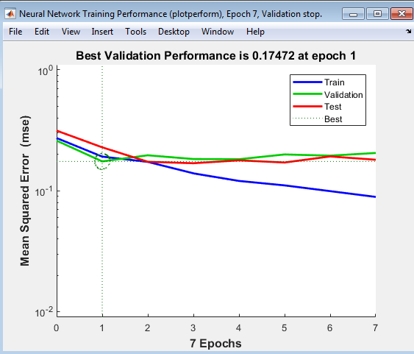
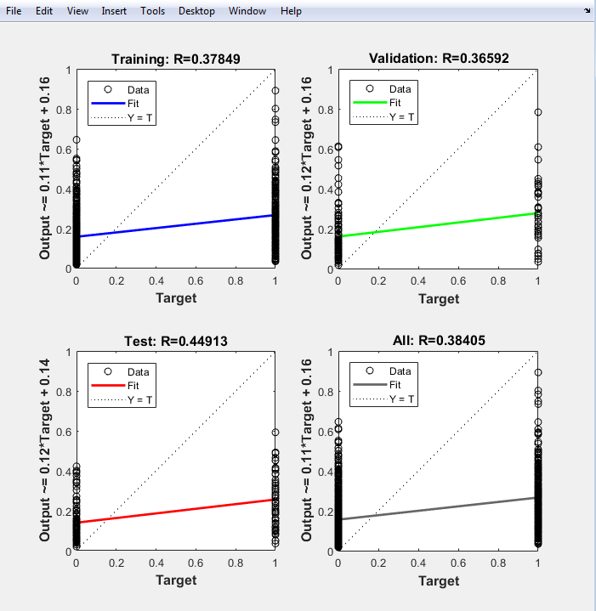
Neural Network "NN1": Paramter combinations, accuracy, precision, cost point and graphs

Parameter Combinations:
Attributes used (in order) | 9 attributes | Status, Duration, Credit history, Present employment since, Savings, Purpose, Credit Amount, Property
Number of layers | 4
Number of neurons | 50

NN1_Output | 0.12803 | 0.15122 | 0.13724 | 0.33014 | 0.14803 | 0.21245 | 0.25594 | 0.17267 | 0.5815 | 0.047326 | 0.018591 | 0.090198 | 0.16908 | 0.41046 | 0.060327 | 0.21446 | 0.2203 | 0.096111 | 0.59719 | 0.192

Calculations:
Classification Type: (Predicted value, Actual value)
 | True Positive (TP) = (0, 0)
 | True Negative (TN) = (1, 1)
 | False Positive (FP) = (0, 1)
 | False Negative (FN) = (1, 0)

Note: Results are noted in binary: 0 = Good and 1 = Bad
Predicted Result | Actual Result (in 0/1) | Y/N | Classification Type | Cost points
0 | 1 | N | FP | 5 |  | Count of FP | 3
0 | 1 | N | FP | 5 |  | Count of TN | 1
0 | 0 | Y | TP | 0 |  | Count of FN | 1
0 | 1 | N | FP | 5 |  | Count of TP | 15
0 | 0 | Y | TP | 0
0 | 0 | Y | TP | 0 |  | Accuracy = (TP + TN) / (TP + TN+FN+FP)
0 | 0 | Y | TP | 0 |  | Accuracy in % = | 80
0 | 0 | Y | TP | 0
1 | 0 | N | FN | 1 |  | Precision = TP / (TP + FP)
0 | 0 | Y | TP | 0 |  | Precision in % = | 83.3
0 | 0 | Y | TP | 0
0 | 0 | Y | TP | 0 |  | Error Rate = (FP + FN) / (TP+TN+FN+FP)
0 | 0 | Y | TP | 0 |  | Error Rate in % = | 20
0 | 0 | Y | TP | 0
0 | 0 | Y | TP | 0 |  | Recall (sensitivity) = TP / (TP+FN)
0 | 0 | Y | TP | 0 |  | Recall in % = | 93.8
0 | 0 | Y | TP | 0
0 | 0 | Y | TP | 0
1 | 1 | Y | TN | 0
0 | 0 | Y | TP | 0
 |  |  | Total Cost point: | 16

Network Training Performance Graph and Regression Graph

Combination#2
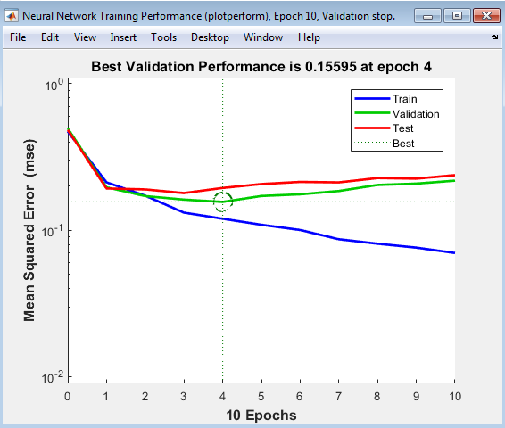
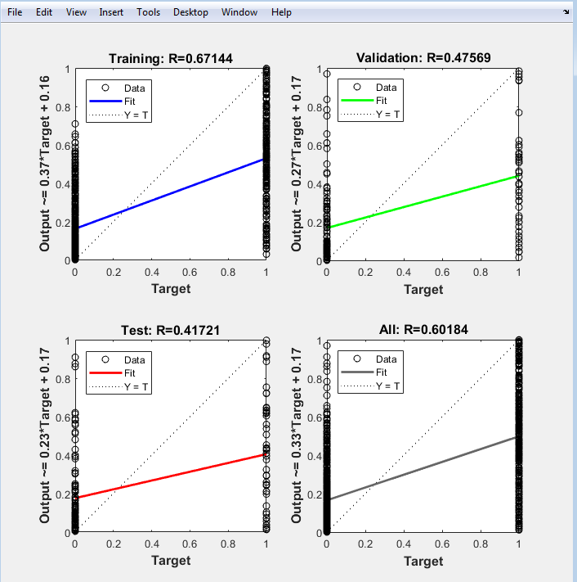
Neural Network "network1": Paramter combinations, accuracy, precision, cost point and graphs

Parameter Combinations:
Attributes used (in order) | 9 attributes | Status, Duration, Credit history, Present employment since, Savings, Purpose, Credit Amount, Property
Number of layers | 6
Number of neurons | 55

Network1_Output: | 0.074585 | 0.65531 | 0.18912 | 0.39035 | 0.19705 | 0.080287 | 0.67229 | 0.2157 | 0.6579 | 0.25831 | 0.0362 | 0.056068 | 0.72845 | 0.89161 | 0.2347 | 0.048593 | 0.38607 | 0.078322 | 0.61451 | 0.97613

Calculations:
Classification Type: (Predicted value, Actual value)
 | True Positive (TP) = (0, 0)
 | True Negative (TN) = (1, 1)
 | False Positive (FP) = (0, 1)
 | False Negative (FN) = (1, 0)

Note: Results are noted in binary: 0 = Good and 1 = Bad

Predicted Result | Actual Result (in 0/1) | Y/N | Classification Type | Cost points
0 | 1 | N | FP | 5 |  | Count of FP | 2
1 | 1 | Y | TN | 0 |  | Count of TN | 2
0 | 0 | Y | TP | 0 |  | Count of FN | 5
0 | 1 | N | FP | 5 |  | Count of TP | 11
0 | 0 | Y | TP | 0
0 | 0 | Y | TP | 0 |  | Accuracy = (TP + TN) / (TP + TN+FN+FP)
1 | 0 | N | FN | 1 |  | Accuracy in % = | 65
0 | 0 | Y | TP | 0
1 | 0 | N | FN | 1 |  | Precision = TP / (TP + FP)
0 | 0 | Y | TP | 0 |  | Precision in % = | 84.6
0 | 0 | Y | TP | 0
0 | 0 | Y | TP | 0 |  | Error Rate = (FP + FN) / (TP+TN+FN+FP)
1 | 0 | N | FN | 1 |  | Error Rate in % = | 35
1 | 0 | N | FN | 1
0 | 0 | Y | TP | 0 |  | Recall (sensitivity) = TP / (TP+FN)
0 | 0 | Y | TP | 0 |  | Recall in % = | 68.8
0 | 0 | Y | TP | 0
0 | 0 | Y | TP | 0
1 | 1 | Y | TN | 0
1 | 0 | N | FN | 1
 |  |  | Total Cost point: | 15

Network Training Performance Graph and Regression Graph

Combination#3
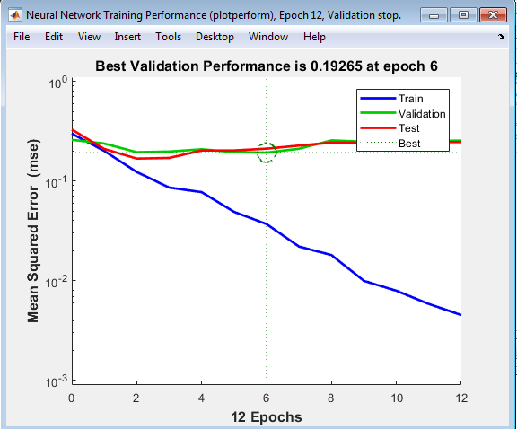
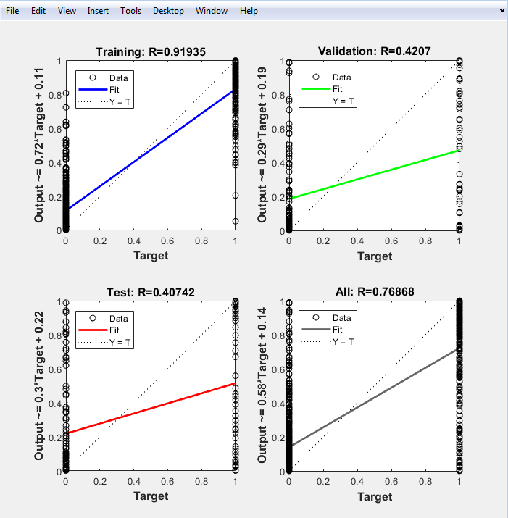
Neural Network "NN3": Paramter combinations, accuracy, precision, cost point and graphs

Parameter Combinations:
Attributes used (in order) | 12 attributes | Status, Credit History, Credit Amount, Duration, Purpose, Savings, property, Employment since, Housing, Other installment plans, Installment rate in % of disposable income, age
Number of layers | 4
Number of neurons | 100

NN3_Output: | 0.021262 | 0.99983 | 0.0058564 | 0.36518 | 0.012829 | 0.27684 | 0.95029 | 0.00024888 | 0.55102 | 0.50403 | 0.010297 | 0.061392 | 0.63505 | 0.95825 | 0.0093238 | 0.0043424 | 0.92175 | 0.29418 | 0.76802 | 0.96709

Calculations:
Classification Type: (Predicted value, Actual value)
 | True Positive (TP) = (0, 0)
 | True Negative (TN) = (1, 1)
 | False Positive (FP) = (0, 1)
 | False Negative (FN) = (1, 0)

Note: Results are noted in binary: 0 = Good and 1 = Bad

Predicted Result | Actual Result (in 0/1) | Y/N | Classification Type | Cost points
0 | 1 | N | FP | 5 |  | Count of FP | 2
1 | 1 | Y | TN | 0 |  | Count of TN | 2
0 | 0 | Y | TP | 0 |  | Count of FN | 7
0 | 1 | N | FP | 5 |  | Count of TP | 9
0 | 0 | Y | TP | 0
0 | 0 | Y | TP | 0 |  | Accuracy = (TP + TN) / (TP + TN+FN+FP)
1 | 0 | N | FN | 1 |  | Accuracy in % = | 55
0 | 0 | Y | TP | 0
1 | 0 | N | FN | 1 |  | Precision = TP / (TP + FP)
1 | 0 | N | FN | 1 |  | Precision in % = | 81.8
0 | 0 | Y | TP | 0
0 | 0 | Y | TP | 0 |  | Error Rate = (FP + FN) / (TP+TN+FN+FP)
1 | 0 | N | FN | 1 |  | Error Rate in % = | 45
1 | 0 | N | FN | 1
0 | 0 | Y | TP | 0 |  | Recall (sensitivity) = TP / (TP+FN)
0 | 0 | Y | TP | 0 |  | Recall in % = | 56.3
1 | 0 | N | FN | 1
0 | 0 | Y | TP | 0
1 | 1 | Y | TN | 0
1 | 0 | N | FN | 1
 |  |  | Total Cost point: | 17

Network Training Performance Graph and Regression Graph

Combination#4
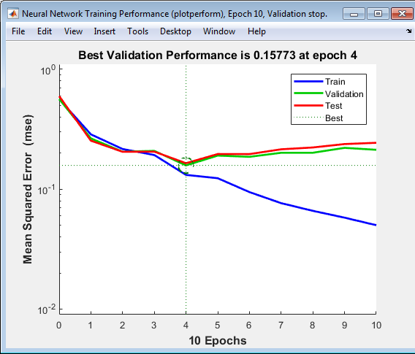
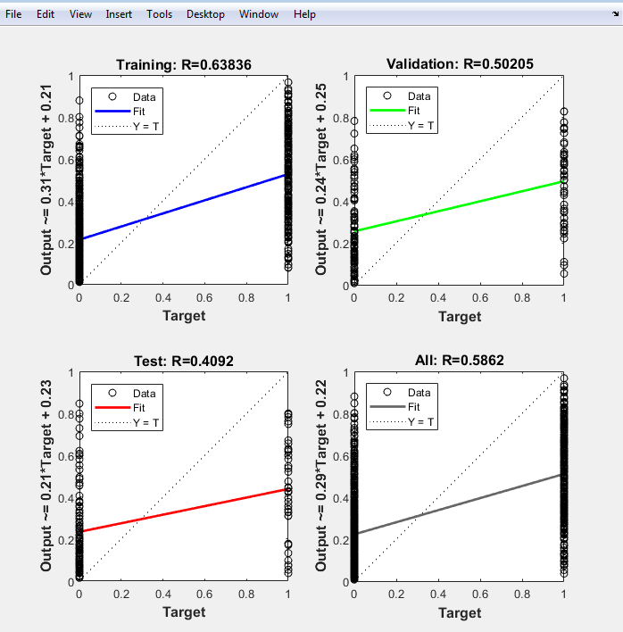
Neural Network "NN4": Paramter combinations, accuracy, precision, cost point and graphs

Parameter Combinations:
Attributes used (in order) | 12 attributes | Status, Credit History, Credit Amount, Duration, Purpose, Savings, property, Employment since, Housing, Other installment plans, Installment rate in % of disposable income, age
Number of layers | 6
Number of neurons | 50

NN4_Output: | 0.12858 | 0.89341 | 0.16024 | 0.34653 | 0.055927 | 0.52121 | 0.58851 | 0.14246 | 0.57514 | 0.19535 | 0.16955 | 0.409 | 0.12821 | 0.89673 | 0.029597 | 0.13573 | 0.7919 | 0.10423 | 0.78664 | 0.62616

Calculations:
Classification Type: (Predicted value, Actual value)
 | True Positive (TP) = (0, 0)
 | True Negative (TN) = (1, 1)
 | False Positive (FP) = (0, 1)
 | False Negative (FN) = (1, 0)

Note: Results are noted in binary: 0 = Good and 1 = Bad

Predicted Result | Actual Result (in 0/1) | Y/N | Classification Type | Cost points
0 | 1 | N | FP | 5 |  | Count of FP | 2
1 | 1 | Y | TN | 0 |  | Count of TN | 2
0 | 0 | Y | TP | 0 |  | Count of FN | 6
0 | 1 | N | FP | 5 |  | Count of TP | 10
0 | 0 | Y | TP | 0
1 | 0 | N | FN | 1 |  | Accuracy = (TP + TN) / (TP + TN+FN+FP)
1 | 0 | N | FN | 1 |  | Accuracy in % = | 60
0 | 0 | Y | TP | 0
1 | 0 | N | FN | 1 |  | Precision = TP / (TP + FP)
0 | 0 | Y | TP | 0 |  | Precision in % = | 83.3
0 | 0 | Y | TP | 0
0 | 0 | Y | TP | 0 |  | Error Rate = (FP + FN) / (TP+TN+FN+FP)
0 | 0 | Y | TP | 0 |  | Error Rate in % = | 40
1 | 0 | N | FN | 1
0 | 0 | Y | TP | 0 |  | Recall (sensitivity) = TP / (TP+FN)
0 | 0 | Y | TP | 0 |  | Recall in % = | 62.5
1 | 0 | N | FN | 1
0 | 0 | Y | TP | 0
1 | 1 | Y | TN | 0
1 | 0 | N | FN | 1
 |  |  | Total Cost point: | 16

Network Training Performance Graph and Regression Graph

Combination#5
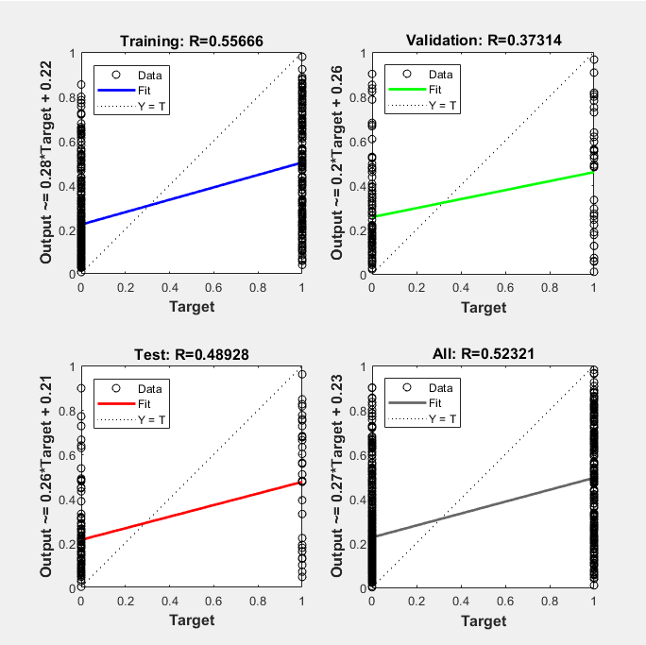
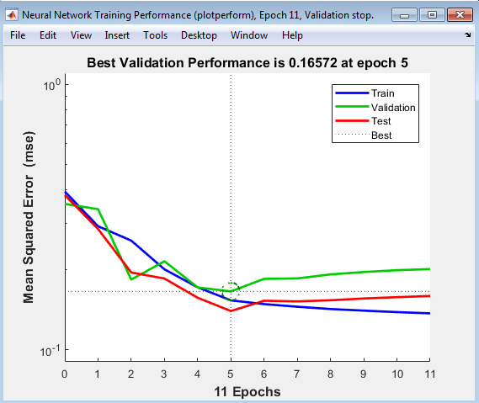
Neural Network "NN5": Paramter combinations, accuracy, precision, cost point and graphs

Parameter Combinations:
Attributes used (in order) | 5 attributes | Status, Duration, Credit History, Savings, Purpose
Number of layers | 4
Number of neurons | 50

NN5_Output: | 0.60972 | 0.20698 | 0.23197 | 0.72503 | 0.14261 | 0.2123 | 0.60796 | 0.13072 | 0.63089 | 0.4934 | 0.054697 | 0.16311 | 0.42461 | 0.72213 | 0.058795 | 0.11945 | 0.68362 | 0.11889 | 0.76666 | 0.58209

Calculations:
Classification Type: (Predicted value, Actual value)
 | True Positive (TP) = (0, 0)
 | True Negative (TN) = (1, 1)
 | False Positive (FP) = (0, 1)
 | False Negative (FN) = (1, 0)

Note: Results are noted in binary: 0 = Good and 1 = Bad

Predicted Result | Actual Result (in 0/1) | Y/N | Classification Type | Cost points
1 | 1 | Y | TN | 0 |  | Count of FP | 1
0 | 1 | N | FP | 5 |  | Count of TN | 3
0 | 0 | Y | TP | 0 |  | Count of FN | 5
1 | 1 | Y | TN | 0 |  | Count of TP | 11
0 | 0 | Y | TP | 0
0 | 0 | Y | TP | 0 |  | Accuracy = (TP + TN) / (TP + TN+FN+FP)
1 | 0 | N | FN | 1 |  | Accuracy in % = | 70
0 | 0 | Y | TP | 0
1 | 0 | N | FN | 1 |  | Precision = TP / (TP + FP)
0 | 0 | Y | TP | 0 |  | Precision in % = | 91.7
0 | 0 | Y | TP | 0
0 | 0 | Y | TP | 0 |  | Error Rate = (FP + FN) / (TP+TN+FN+FP)
0 | 0 | Y | TP | 0 |  | Error Rate in % = | 30
1 | 0 | N | FN | 1
0 | 0 | Y | TP | 0 |  | Recall (sensitivity) = TP / (TP+FN)
0 | 0 | Y | TP | 0 |  | Recall in % = | 68.8
1 | 0 | N | FN | 1
0 | 0 | Y | TP | 0
1 | 1 | Y | TN | 1
1 | 0 | N | FN | 1
 |  |  | Total Cost point: | 11

Network Training Performance Graph and Regression Graph

Combination#6
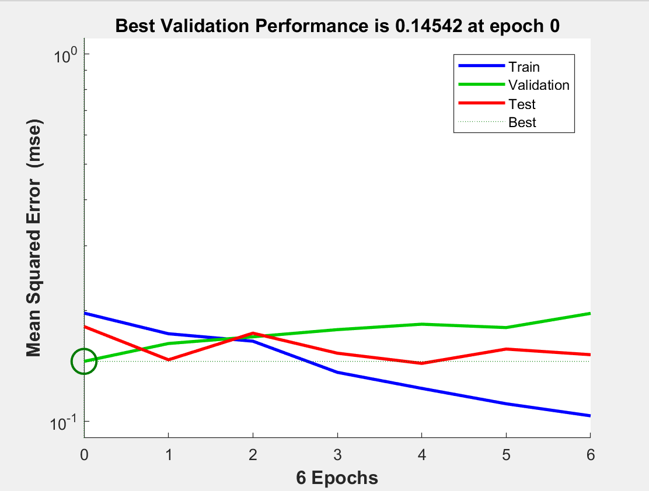
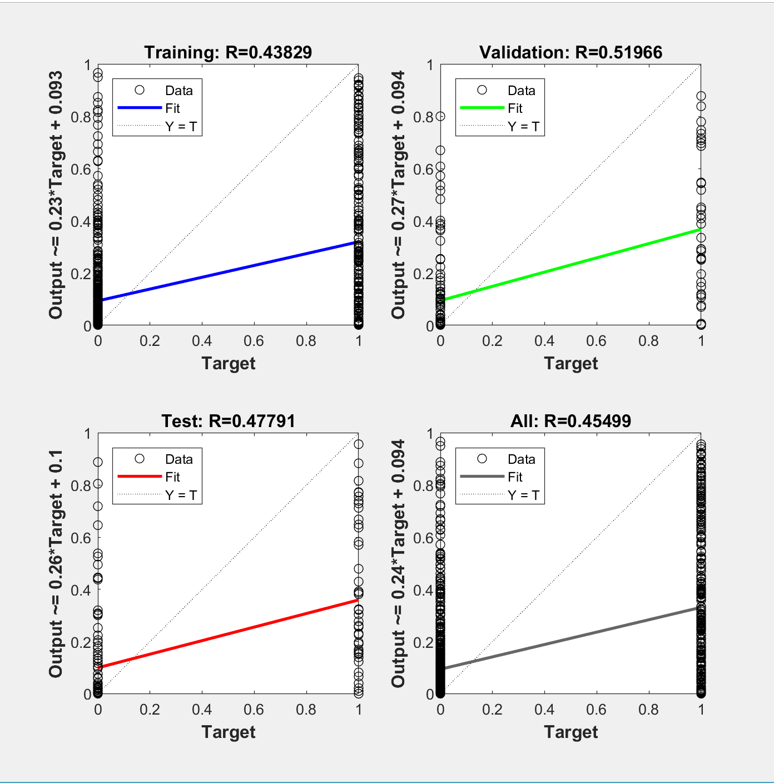
Neural Network "Case2": Paramter combinations, accuracy, precision, cost point and graphs

Parameter Combinations:
Attributes used (in order) | 7 attributes | Status, Duration, credit history, savings, purpose, credit amount,property
Number of layers | 4
Number of neurons | 60

Case2_Output: | 0.14758 | 0.13656 | 0.29444 | 0.76493 | 0.00015929 | 0.085641 | 0.43962 | 2.91E-05 | 0.21789 | 0.14564 | 6.17E-08 | 0.0061313 | 0.18504 | 0.45138 | 1.49E-05 | 0.00018207 | 0.35099 | 0.0067654 | 0.65954 | 0.52348

Calculations:
Classification Type: (Predicted value, Actual value)
 | True Positive (TP) = (0, 0)
 | True Negative (TN) = (1, 1)
 | False Positive (FP) = (0, 1)
 | False Negative (FN) = (1, 0)

Note: Results are noted in binary: 0 = Good and 1 = Bad

Predicted Result | Actual Result (in 0/1) | Y/N | Classification Type | Cost points
0 | 1 | N | FP | 5 |  | Count of FP | 2
0 | 1 | N | FP | 5 |  | Count of TN | 2
0 | 0 | Y | TP | 0 |  | Count of FN | 1
1 | 1 | Y | TN | 0 |  | Count of TP | 15
0 | 0 | Y | TP | 0
0 | 0 | Y | TP | 0 |  | Accuracy = (TP + TN) / (TP + TN+FN+FP)
0 | 0 | Y | TP | 0 |  | Accuracy in % = | 85
0 | 0 | Y | TP | 0
0 | 0 | Y | TP | 0 |  | Precision = TP / (TP + FP)
0 | 0 | Y | TP | 0 |  | Precision in % = | 88.2
0 | 0 | Y | TP | 0
0 | 0 | Y | TP | 0
0 | 0 | Y | TP | 0 |  | Error Rate = (FP + FN) / (TP+TN+FN+FP)
0 | 0 | Y | TP | 0 |  | Error Rate in % = | 15.0
0 | 0 | Y | TP | 0
0 | 0 | Y | TP | 0 |  | Recall (sensitivity) = TP / (TP+FN)
0 | 0 | Y | TP | 0 |  | Recall in % = | 93.8
0 | 0 | Y | TP | 0
1 | 1 | Y | TN | 0
1 | 0 | N | FN | 1
 |  |  | Total Cost point: | 11

Network Training Performance Graph and Regression Graph

Combination#7
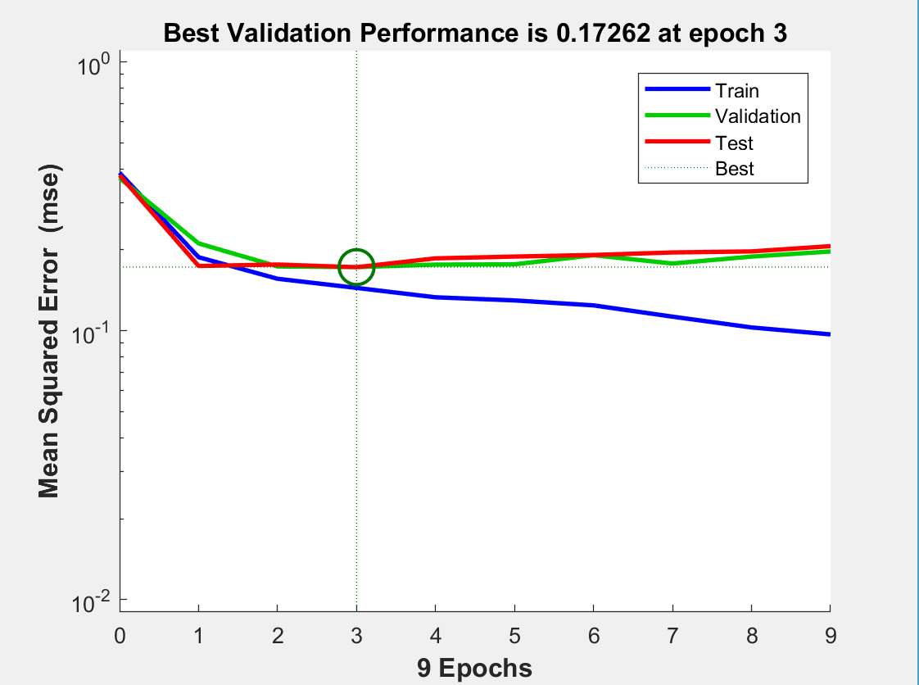
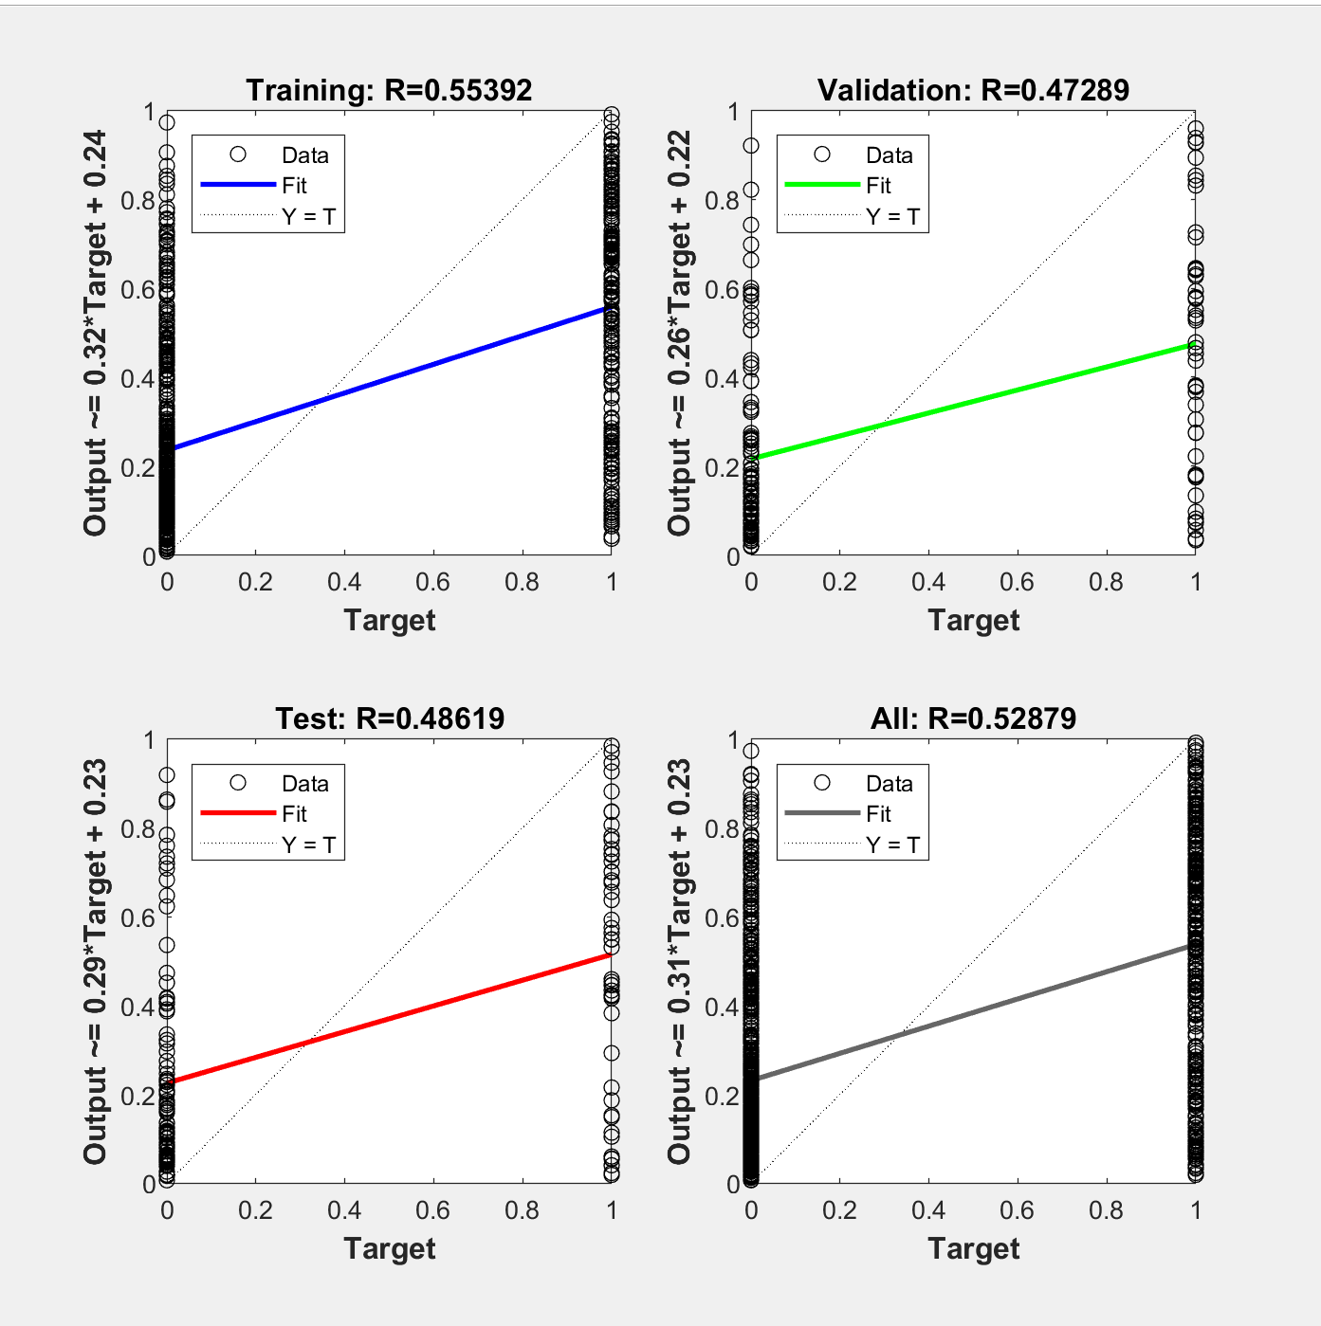
Neural Network "Case4": Paramter combinations, accuracy, precision, cost point and graphs

Parameter Combinations:
Attributes used (in order) | 7 attributes | Status, Duration, credit history, savings, purpose, credit amount,property
Number of layers | 2
Number of neurons | 40

Case4_Output: | 0.20077 | 0.4448 | 0.14208 | 0.85042 | 0.16854 | 0.3764 | 0.56658 | 0.093944 | 0.44852 | 0.59494 | 0.066105 | 0.069406 | 0.48563 | 0.91896 | 0.073268 | 0.15804 | 0.83887 | 0.058631 | 0.81154 | 0.76484

Calculations:
Classification Type: (Predicted value, Actual value)
 | True Positive (TP) = (0, 0)
 | True Negative (TN) = (1, 1)
 | False Positive (FP) = (0, 1)
 | False Negative (FN) = (1, 0)

Note: Results are noted in binary: 0 = Good and 1 = Bad

Predicted Result | Actual Result (in 0/1) | Y/N | Classification Type | Cost points
0 | 1 | N | FP | 5 |  | Count of FP | 2
0 | 1 | N | FP | 5 |  | Count of TN | 2
0 | 0 | Y | TP | 0 |  | Count of FN | 5
1 | 1 | Y | TN | 0 |  | Count of TP | 11
0 | 0 | Y | TP | 0
0 | 0 | Y | TP | 0 |  | Accuracy = (TP + TN) / (TP + TN+FN+FP)
1 | 0 | N | FN | 1 |  | Accuracy in % = | 65
0 | 0 | Y | TP | 0
0 | 0 | Y | TP | 0 |  | Precision = TP / (TP + FP)
1 | 0 | N | FN | 1 |  | Precision in % = | 84.6
0 | 0 | Y | TP | 0
0 | 0 | Y | TP | 0 |  | Error Rate = (FP + FN) / (TP+TN+FN+FP)
0 | 0 | Y | TP | 0 |  | Error Rate in % = | 35.0
1 | 0 | N | FN | 1
0 | 0 | Y | TP | 0 |  | Recall (sensitivity) = TP / (TP+FN)
0 | 0 | Y | TP | 0 |  | Recall in % = | 68.8
1 | 0 | N | FN | 1
0 | 0 | Y | TP | 0
1 | 1 | Y | TN | 0
1 | 0 | N | FN | 1
 |  |  | Total Cost point: | 15

Network Training Performance Graph and Regression Graph

Combination#8
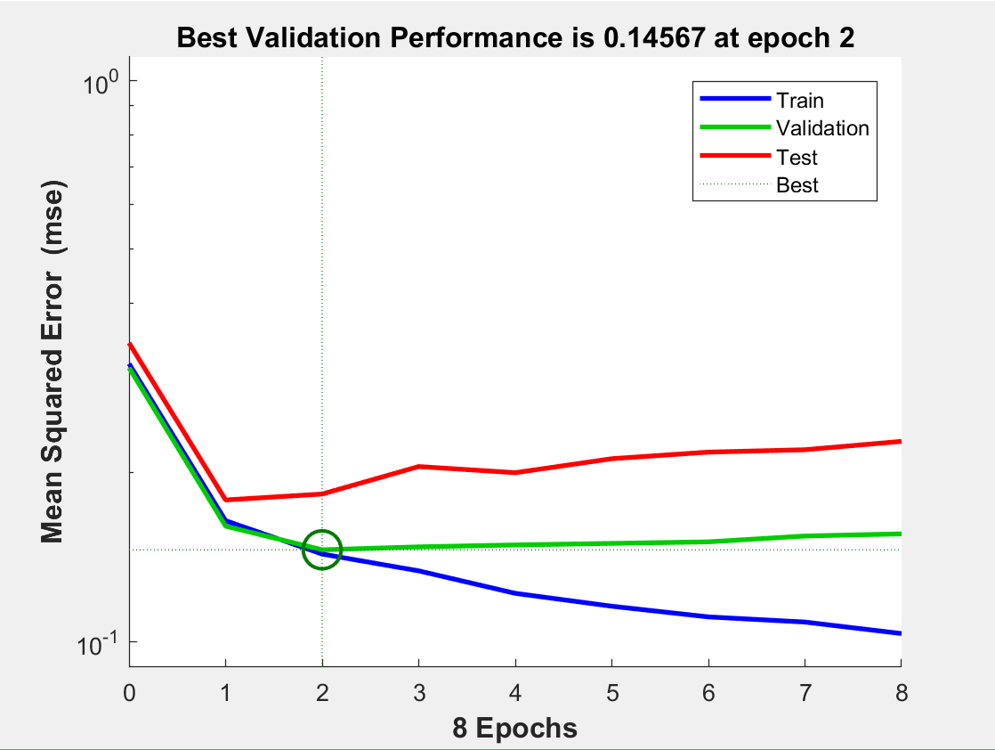
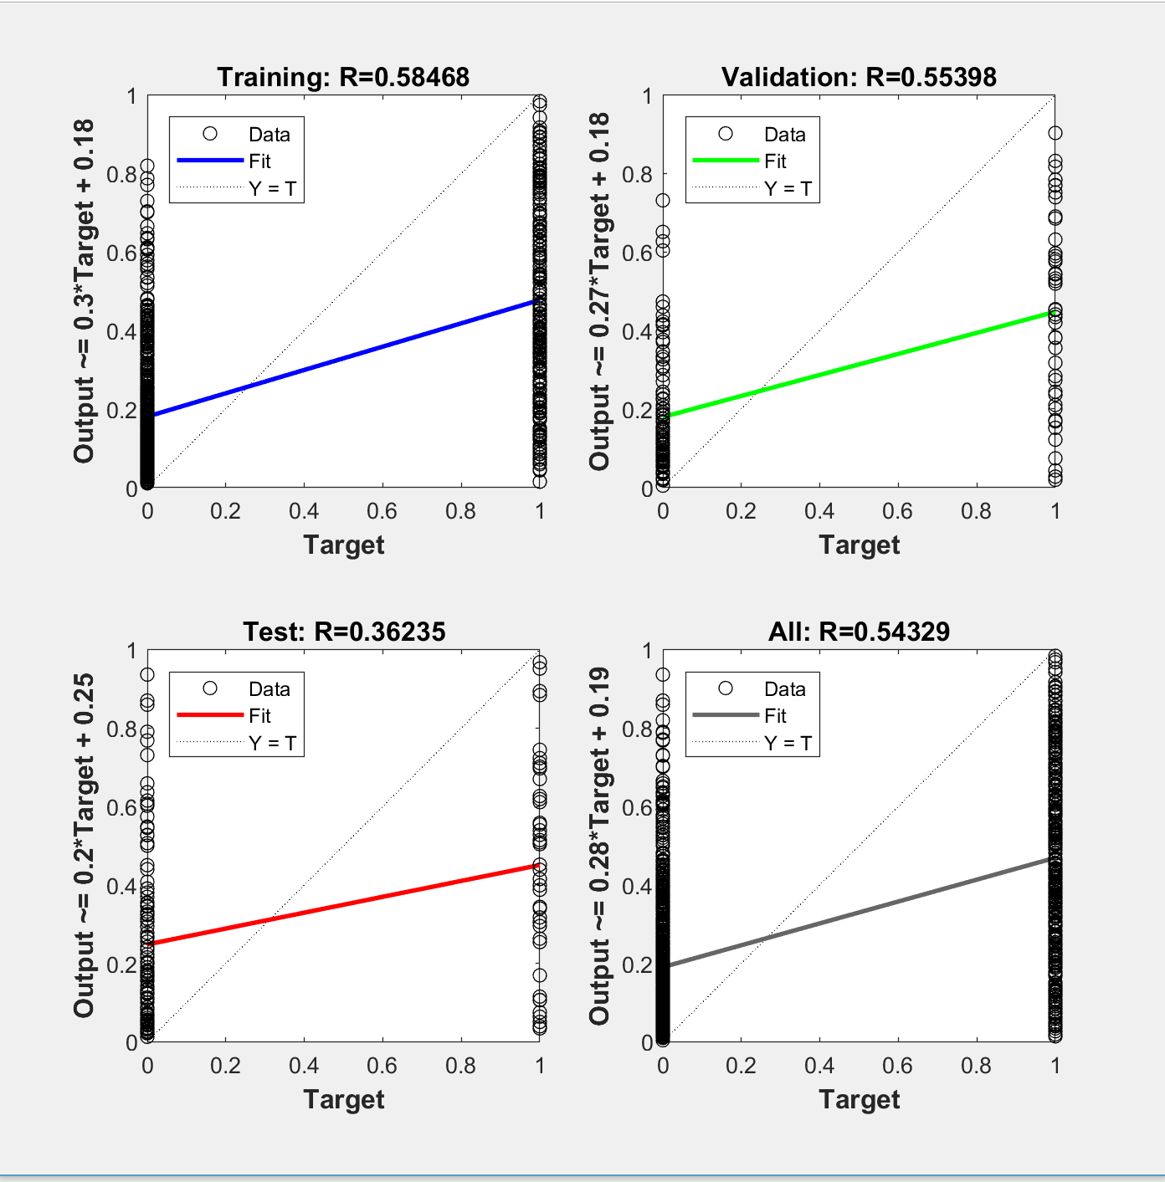
Neural Network "Case5": Paramter combinations, accuracy, precision, cost point and graphs

Parameter Combinations:
Attributes used (in order) | 6 attributes | Status, Duration, credit history, savings, purpose, credit amount.
Number of layers | 3
Number of neurons | 90

Case5_Output: | 0.24878 | 0.45159 | 0.23183 | 0.66545 | 0.070028 | 0.25914 | 0.43422 | 0.067255 | 0.47095 | 0.34385 | 0.051961 | 0.086339 | 0.41023 | 0.68293 | 0.046644 | 0.086377 | 0.57629 | 0.074838 | 0.88963 | 0.58481

Calculations:
Classification Type: (Predicted value, Actual value)
 | True Positive (TP) = (0, 0)
 | True Negative (TN) = (1, 1)
 | False Positive (FP) = (0, 1)
 | False Negative (FN) = (1, 0)

Note: Results are noted in binary: 0 = Good and 1 = Bad

Predicted Result | Actual Result (in 0/1) | Y/N | Classification Type | Cost points
0 | 1 | N | FP | 5 |  | Count of FP | 2
0 | 1 | N | FP | 5 |  | Count of TN | 2
0 | 0 | Y | TP | 0 |  | Count of FN | 3
1 | 1 | Y | TN | 0 |  | Count of TP | 13
0 | 0 | Y | TP | 0
0 | 0 | Y | TP | 0 |  | Accuracy = (TP + TN) / (TP + TN+FN+FP)
0 | 0 | Y | TP | 0 |  | Accuracy in % = | 75
0 | 0 | Y | TP | 0
0 | 0 | Y | TP | 0 |  | Precision = TP / (TP + FP)
0 | 0 | Y | TP | 0 |  | Precision in % = | 86.7
0 | 0 | Y | TP | 0
0 | 0 | Y | TP | 0 |  | Error Rate = (FP + FN) / (TP+TN+FN+FP)
0 | 0 | Y | TP | 0 |  | Error Rate in % = | 25.0
1 | 0 | N | FN | 1
0 | 0 | Y | TP | 0 |  | Recall (sensitivity) = TP / (TP+FN)
0 | 0 | Y | TP | 0 |  | Recall in % = | 81.3
1 | 0 | N | FN | 1
0 | 0 | Y | TP | 0
1 | 1 | Y | TN | 0
1 | 0 | N | FN | 1
 |  |  | Total Cost point: | 13

Network Training Performance Graph and Regression Graph

Combination#9
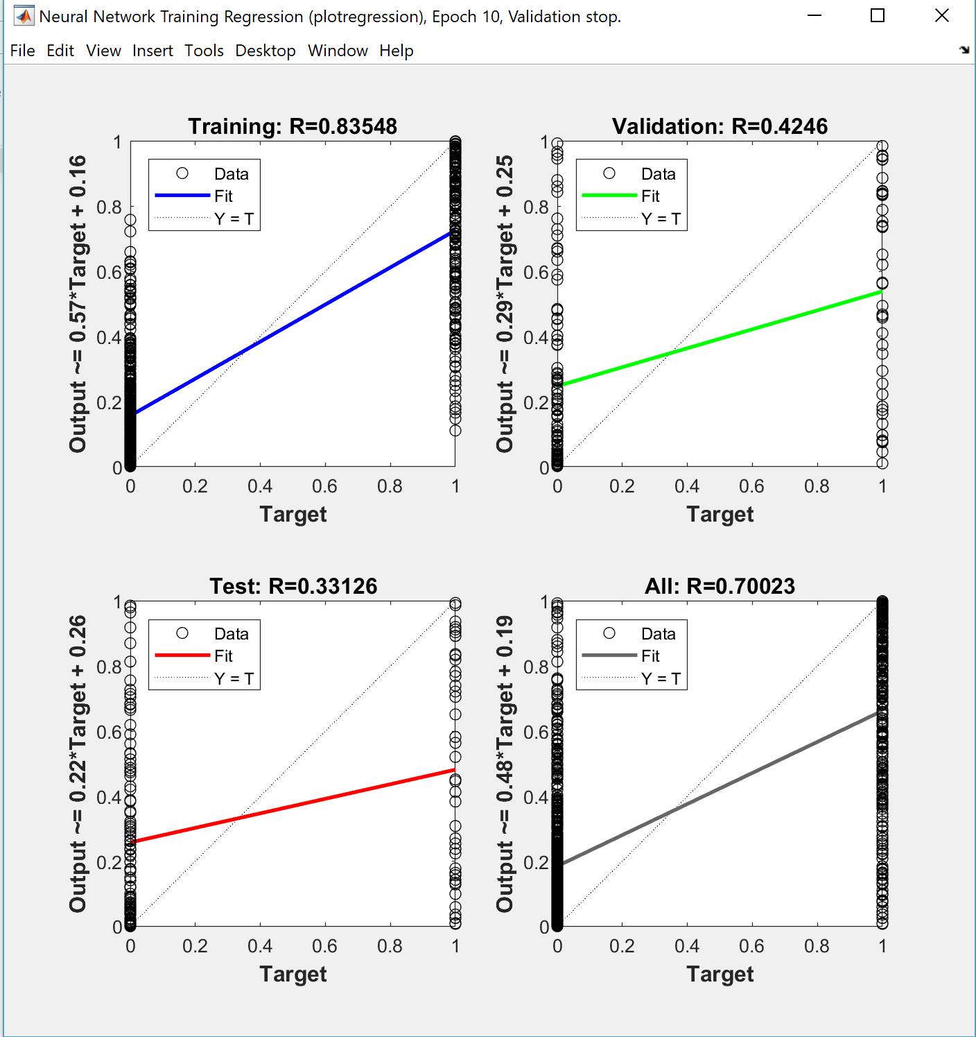
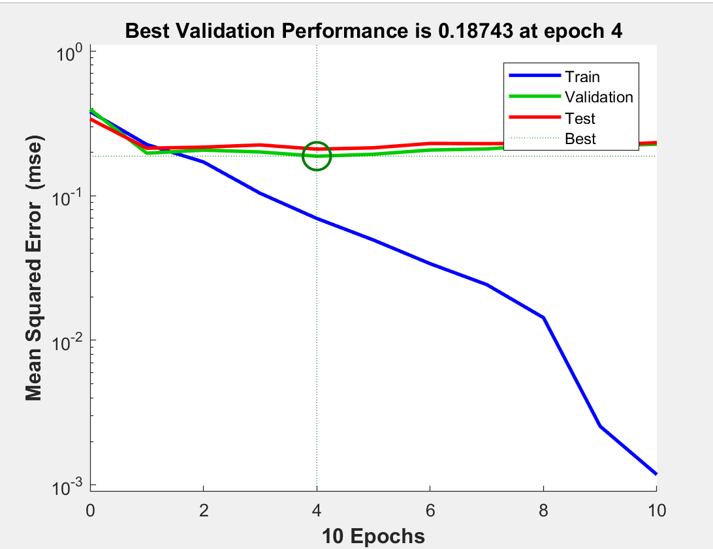
Neural Network "Case1": Paramter combinations, accuracy, precision, cost point and graphs

Parameter Combinations:
Attributes used (in order) | All attributes | All attributes
Number of layers | 3
Number of neurons | 60

Case1_Output: | 0.057053 | 0.42445 | 0.42302 | 0.38744 | 0.16003 | 0.88458 | 0.082188 | 0.12119 | 0.71859 | 0.4653 | 0.014341 | 0.89432 | 0.74496 | 0.93781 | 0.019601 | 0.016763 | 0.96816 | 0.11586 | 0.95192 | 0.73205

Calculations:
Classification Type: (Predicted value, Actual value)
 | True Positive (TP) = (0, 0)
 | True Negative (TN) = (1, 1)
 | False Positive (FP) = (0, 1)
 | False Negative (FN) = (1, 0)

Note: Results are noted in binary: 0 = Good and 1 = Bad

Predicted Result | Actual Result (in 0/1) | Y/N | Classification Type | Cost points
0 | 1 | N | FP | 5 |  | Count of FP | 3
0 | 1 | N | FP | 5 |  | Count of TN | 1
0 | 0 | Y | TP | 0 |  | Count of FN | 7
0 | 1 | N | FP | 5 |  | Count of TP | 9
0 | 0 | Y | TP | 0
1 | 0 | N | FN | 1 |  | Accuracy = (TP + TN) / (TP + TN+FN+FP)
0 | 0 | Y | TP | 0 |  | Accuracy in % = | 50
0 | 0 | Y | TP | 0
1 | 0 | N | FN | 1 |  | Precision = TP / (TP + FP)
0 | 0 | Y | TP | 0 |  | Precision in % = | 75.0
0 | 0 | Y | TP | 0
1 | 0 | N | FN | 1 |  | Error Rate = (FP + FN) / (TP+TN+FN+FP)
1 | 0 | N | FN | 1 |  | Error Rate in % = | 50.0
1 | 0 | N | FN | 1
0 | 0 | Y | TP | 0 |  | Recall (sensitivity) = TP / (TP+FN)
0 | 0 | Y | TP | 0 |  | Recall in % = | 56.3
1 | 0 | N | FN | 1
0 | 0 | Y | TP | 0
1 | 1 | Y | TN | 0
1 | 0 | N | FN | 1
 |  |  | Total Cost point: | 22

Network Training Performance Graph and Regression Graph

Combination#10
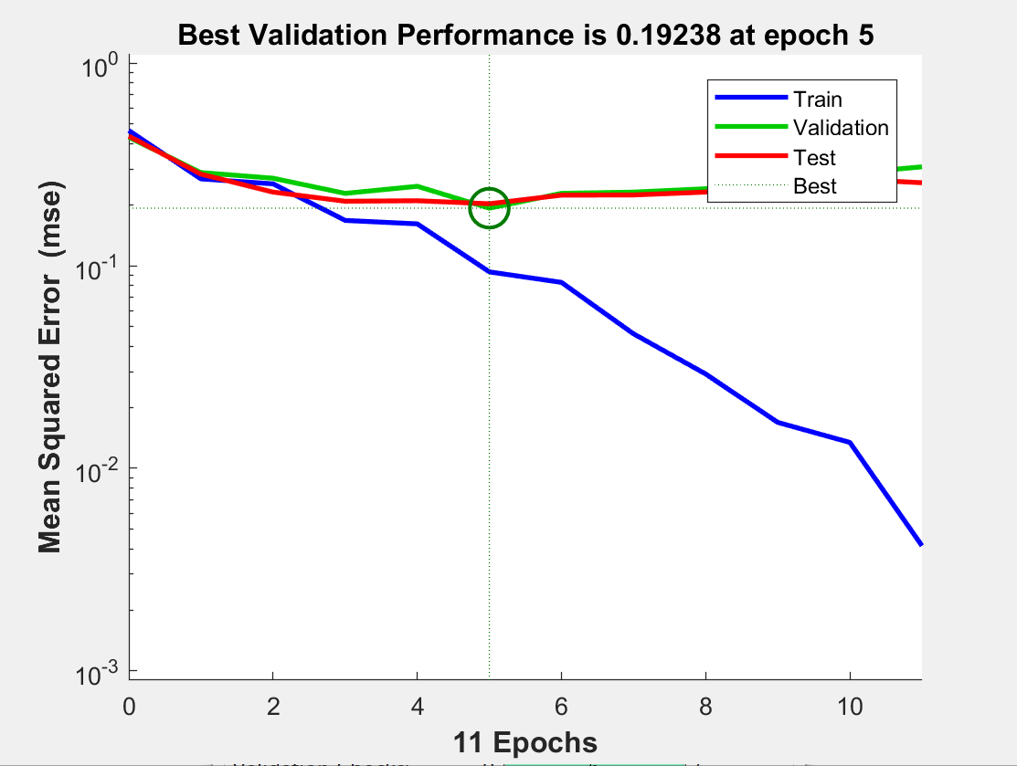
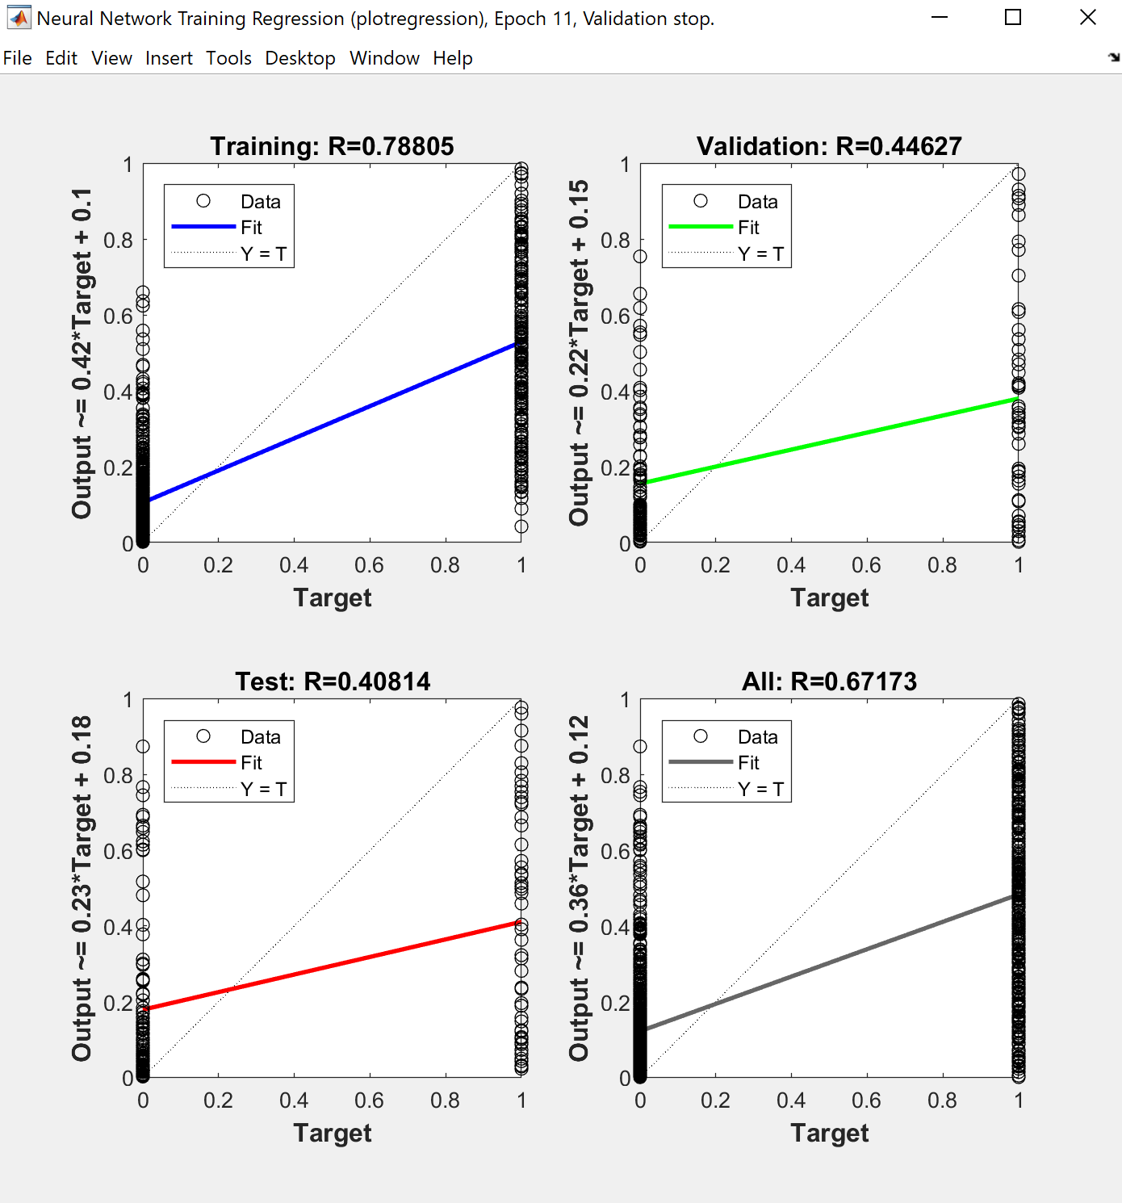
Neural Network "Case3": Paramter combinations, accuracy, precision, cost point and graphs

Parameter Combinations:
Attributes used (in order) | All attributes | All attributes
Number of layers | 2
Number of neurons | 40

Case3_Output: | 0.027003 | 0.95121 | 0.0493 | 0.44313 | 0.03575 | 0.59688 | 0.044701 | 0.025379 | 0.56957 | 0.11522 | 0.081503 | 0.49465 | 0.2056 | 0.77134 | 0.0069244 | 0.011403 | 0.87531 | 0.021463 | 0.59239 | 0.44257

Calculations:
Classification Type: (Predicted value, Actual value)
 | True Positive (TP) = (0, 0)
 | True Negative (TN) = (1, 1)
 | False Positive (FP) = (0, 1)
 | False Negative (FN) = (1, 0)

Note: Results are noted in binary: 0 = Good and 1 = Bad

Predicted Result | Actual Result (in 0/1) | Y/N | Classification Type | Cost points
0 | 1 | N | FP | 5 |  | Count of FP | 2
1 | 1 | Y | TN | 0 |  | Count of TN | 2
0 | 0 | Y | TP | 0 |  | Count of FN | 4
0 | 1 | N | FP | 5 |  | Count of TP | 12
0 | 0 | Y | TP | 0
1 | 0 | N | FN | 1 |  | Accuracy = (TP + TN) / (TP + TN+FN+FP)
0 | 0 | Y | TP | 0 |  | Accuracy in % = | 70
0 | 0 | Y | TP | 0
1 | 0 | N | FN | 1 |  | Precision = TP / (TP + FP)
0 | 0 | Y | TP | 0 |  | Precision in % = | 85.7
0 | 0 | Y | TP | 0
0 | 0 | Y | TP | 0 |  | Error Rate = (FP + FN) / (TP+TN+FN+FP)
0 | 0 | Y | TP | 0 |  | Error Rate in % = | 30.0
1 | 0 | N | FN | 1
0 | 0 | Y | TP | 0 |  | Recall (sensitivity) = TP / (TP+FN)
0 | 0 | Y | TP | 0 |  | Recall in % = | 75.0
1 | 0 | N | FN | 1
0 | 0 | Y | TP | 0
1 | 1 | Y | TN | 0
0 | 0 | Y | TP | 0
 |  |  | Total Cost point: | 14

Network Training Performance Graph and Regression Graph

Combination#11
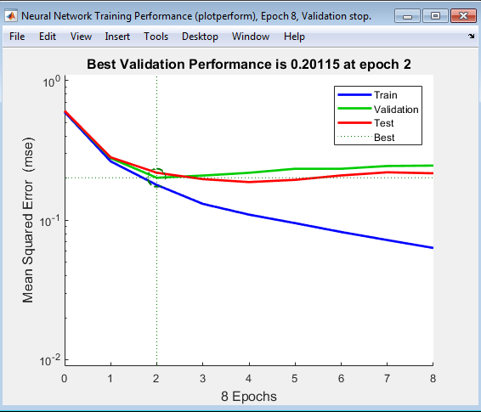
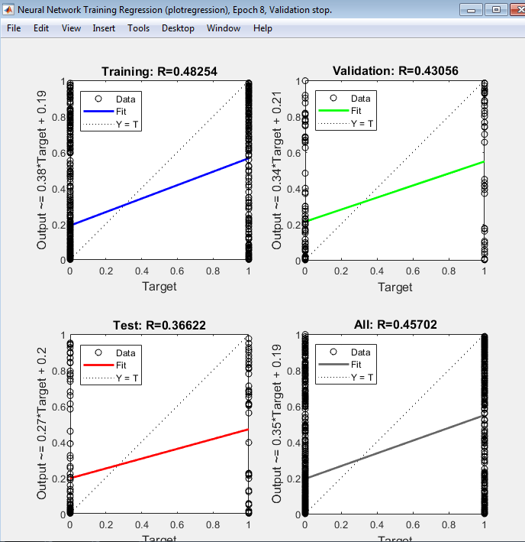
Neural Network "GC84100": Paramter combinations, accuracy, precision, cost point and graphs

Parameter Combinations:
Attributes used (in order) | 8 | Status, Duration, Credit history, Savings, Purpose, Credit Amount, Property
Number of layers | 4
Number of neurons | 100

GC84100_Output: | 0.09369 | 0.47392 | 0.13245 | 0.70164 | 3.05E-05 | 0.28397 | 0.47772 | 0.0015444 | 0.51184 | 0.025568 | 0.0091028 | 0.0098839 | 0.030922 | 0.9509 | 0.0039449 | 0.0001608 | 0.90466 | 0.006433 | 0.89937 | 0.66584

Calculations:
Classification Type: (Predicted value, Actual value)
 | True Positive (TP) = (0, 0)
 | True Negative (TN) = (1, 1)
 | False Positive (FP) = (0, 1)
 | False Negative (FN) = (1, 0)

Note: Results are noted in binary: 0 = Good and 1 = Bad

Predicted Result | Actual Result (in 0/1) | Y/N | Classification Type | Cost points
0 | 1 | N | FP | 5 |  | Count of FP | 2
0 | 1 | N | FP | 5 |  | Count of TN | 2
0 | 0 | Y | TP | 0 |  | Count of FN | 4
1 | 1 | Y | TN | 0 |  | Count of TP | 12
0 | 0 | Y | TP | 0
0 | 0 | Y | TP | 0 |  | Accuracy = (TP + TN) / (TP + TN+FN+FP)
0 | 0 | Y | TP | 0 |  | Accuracy in % = | 70
0 | 0 | Y | TP | 0
1 | 0 | N | FN | 1 |  | Precision = TP / (TP + FP)
0 | 0 | Y | TP | 0 |  | Precision in % = | 85.7
0 | 0 | Y | TP | 0
0 | 0 | Y | TP | 0 |  | Error Rate = (FP + FN) / (TP+TN+FN+FP)
0 | 0 | Y | TP | 0 |  | Error Rate in % = | 30.0
1 | 0 | N | FN | 1
0 | 0 | Y | TP | 0 |  | Recall (sensitivity) = TP / (TP+FN)
0 | 0 | Y | TP | 0 |  | Recall in % = | 75.0
1 | 0 | N | FN | 1
0 | 0 | Y | TP | 0
1 | 1 | Y | TN | 0
1 | 0 | N | FN | 1
 |  |  | Total Cost point: | 14

Network Training Performance Graph and Regression Graph

Combination#12
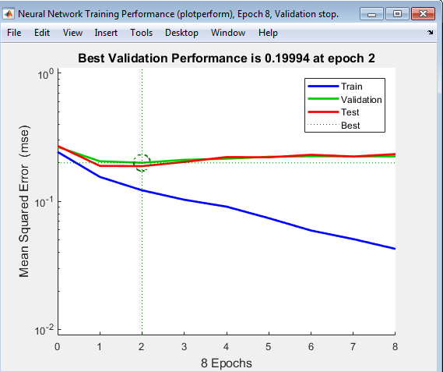
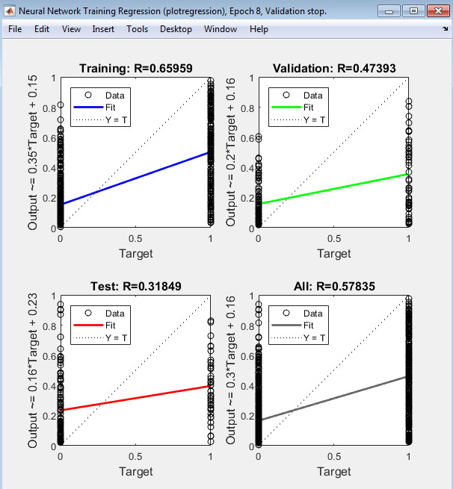
Neural Network "GC10390": Paramter combinations, accuracy, precision, cost point and graphs

Parameter Combinations:
Attributes used (in order) | 10 | Status, Duration, Credit history, Savings, Purpose, Credit Amount, Property, Present employment, Housing, Other installation plan
Number of layers | 3
Number of neurons | 90

GC10390_Output: | 0.2094 | 0.62902 | 0.37519 | 0.62417 | 0.034388 | 0.11755 | 0.77988 | 0.12099 | 0.59028 | 0.18101 | 0.045595 | 0.38571 | 0.40062 | 0.75848 | 0.059203 | 0.027103 | 0.4513 | 0.028464 | 0.51748 | 0.44435

Calculations:
Classification Type: (Predicted value, Actual value)
 | True Positive (TP) = (0, 0)
 | True Negative (TN) = (1, 1)
 | False Positive (FP) = (0, 1)
 | False Negative (FN) = (1, 0)

Note: Results are noted in binary: 0 = Good and 1 = Bad

Predicted Result | Actual Result (in 0/1) | Y/N | Classification Type | Cost points
0 | 1 | N | FP | 5 |  | Count of FP | 1
1 | 1 | Y | TN | 0 |  | Count of TN | 3
0 | 0 | Y | TP | 0 |  | Count of FN | 3
1 | 1 | Y | TN | 0 |  | Count of TP | 13
0 | 0 | Y | TP | 0
0 | 0 | Y | TP | 0 |  | Accuracy = (TP + TN) / (TP + TN+FN+FP)
1 | 0 | N | FN | 1 |  | Accuracy in % = | 80
0 | 0 | Y | TP | 0
1 | 0 | N | FN | 1 |  | Precision = TP / (TP + FP)
0 | 0 | Y | TP | 0 |  | Precision in % = | 92.9
0 | 0 | Y | TP | 0
0 | 0 | Y | TP | 0 |  | Error Rate = (FP + FN) / (TP+TN+FN+FP)
0 | 0 | Y | TP | 0 |  | Error Rate in % = | 20.0
1 | 0 | N | FN | 1
0 | 0 | Y | TP | 0 |  | Recall (sensitivity) = TP / (TP+FN)
0 | 0 | Y | TP | 0 |  | Recall in % = | 81.3
0 | 0 | Y | TP | 0
0 | 0 | Y | TP | 0
1 | 1 | Y | TN | 0
0 | 0 | Y | TP | 0
 |  |  | Total Cost point: | 8

Network Training Performance Graph and Regression Graph

Combination#13
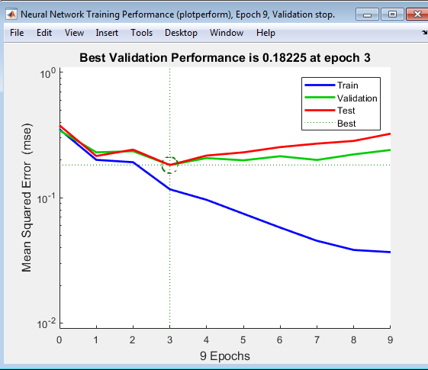
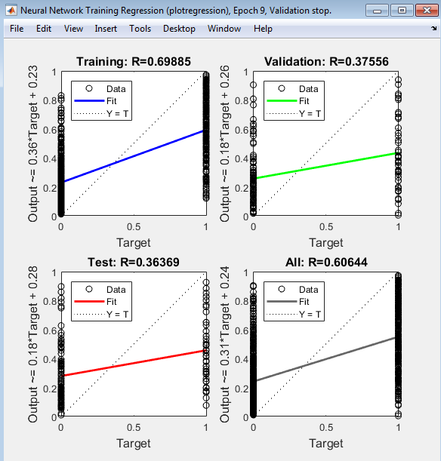
Neural Network "GC12360": Paramter combinations, accuracy, precision, cost point and graphs

Parameter Combinations:
Attributes used (in order) | 12 | Status, Duration, Credit history, Savings, Purpose, Credit Amount, Property, Present employment, Housing, Other installation plan, Ages, Personal Status and sex
Number of layers | 3
Number of neurons | 60

GC12360_Output: | 0.23226 | 0.92431 | 0.36218 | 0.45491 | 0.15977 | 0.33517 | 0.30087 | 0.058741 | 0.76622 | 0.30435 | 0.11917 | 0.23644 | 0.62606 | 0.71314 | 0.094137 | 0.21263 | 0.65714 | 0.20807 | 0.60845 | 0.46826

Calculations:
Classification Type: (Predicted value, Actual value)
 | True Positive (TP) = (0, 0)
 | True Negative (TN) = (1, 1)
 | False Positive (FP) = (0, 1)
 | False Negative (FN) = (1, 0)

Note: Results are noted in binary: 0 = Good and 1 = Bad

Predicted Result | Actual Result (in 0/1) | Y/N | Classification Type | Cost points
0 | 1 | N | FP | 5 |  | Count of FP | 2
1 | 1 | Y | TN | 0 |  | Count of TN | 2
0 | 0 | Y | TP | 0 |  | Count of FN | 4
0 | 1 | N | FP | 5 |  | Count of TP | 12
0 | 0 | Y | TP | 0
0 | 0 | Y | TP | 0 |  | Accuracy = (TP + TN) / (TP + TN+FN+FP)
0 | 0 | Y | TP | 0 |  | Accuracy in % = | 70
0 | 0 | Y | TP | 0
1 | 0 | N | FN | 1 |  | Precision = TP / (TP + FP)
0 | 0 | Y | TP | 0 |  | Precision in % = | 85.7
0 | 0 | Y | TP | 0
0 | 0 | Y | TP | 0 |  | Error Rate = (FP + FN) / (TP+TN+FN+FP)
1 | 0 | N | FN | 1 |  | Error Rate in % = | 30.0
1 | 0 | N | FN | 1
0 | 0 | Y | TP | 0 |  | Recall (sensitivity) = TP / (TP+FN)
0 | 0 | Y | TP | 0 |  | Recall in % = | 75.0
1 | 0 | N | FN | 1
0 | 0 | Y | TP | 0
1 | 1 | Y | TN | 0
0 | 0 | Y | TP | 0
 |  |  | Total Cost point: | 14

Network Training Performance Graph and Regression Graph

Combination#14
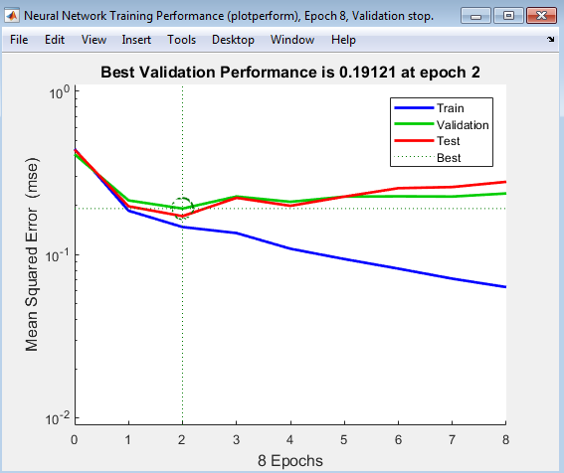
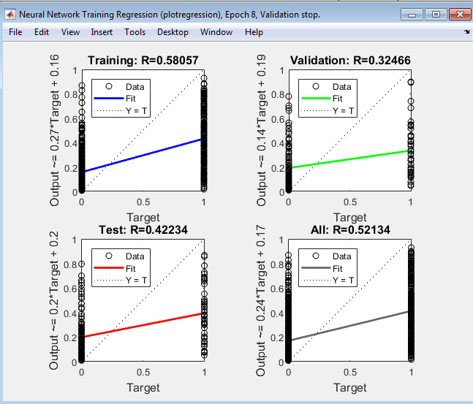
Neural Network "GC10440": Paramter combinations, accuracy, precision, cost point and graphs

Parameter Combinations:
Attributes used (in order) | 10 | Status, Duration, Credit history, Savings, Purpose, Credit Amount, Property, Present employment, Housing, Other installation plan
Number of layers | 4
Number of neurons | 60

GC10440_Output: | 0.17619 | 0.78319 | 0.22883 | 0.58929 | 0.026161 | 0.19714 | 0.90559 | 0.09693 | 0.68649 | 0.12687 | 0.19868 | 0.16726 | 0.29473 | 0.82033 | 0.038964 | 0.038197 | 0.55795 | 0.073414 | 0.46363 | 0.53106

Calculations:
Classification Type: (Predicted value, Actual value)
 | True Positive (TP) = (0, 0)
 | True Negative (TN) = (1, 1)
 | False Positive (FP) = (0, 1)
 | False Negative (FN) = (1, 0)

Note: Results are noted in binary: 0 = Good and 1 = Bad

Predicted Result | Actual Result (in 0/1) | Y/N | Classification Type | Cost points
0 | 1 | N | FP | 5 |  | Count of FP | 2
1 | 1 | Y | TN | 0 |  | Count of TN | 2
0 | 0 | Y | TP | 0 |  | Count of FN | 5
1 | 1 | Y | TN | 0 |  | Count of TP | 11
0 | 0 | Y | TP | 0
0 | 0 | Y | TP | 0 |  | Accuracy = (TP + TN) / (TP + TN+FN+FP)
1 | 0 | N | FN | 1 |  | Accuracy in % = | 65
0 | 0 | Y | TP | 0
1 | 0 | N | FN | 1 |  | Precision = TP / (TP + FP)
0 | 0 | Y | TP | 0 |  | Precision in % = | 84.6
0 | 0 | Y | TP | 0
0 | 0 | Y | TP | 0 |  | Error Rate = (FP + FN) / (TP+TN+FN+FP)
0 | 0 | Y | TP | 0 |  | Error Rate in % = | 35.0
1 | 0 | N | FN | 1
0 | 0 | Y | TP | 0 |  | Recall (sensitivity) = TP / (TP+FN)
0 | 0 | Y | TP | 0 |  | Recall in % = | 68.8
1 | 0 | N | FN | 1
0 | 0 | Y | TP | 0
0 | 1 | N | FP | 5
1 | 0 | N | FN | 1
 |  |  | Total Cost point: | 15

Network Training Performance Graph and Regression Graph

Combination#15
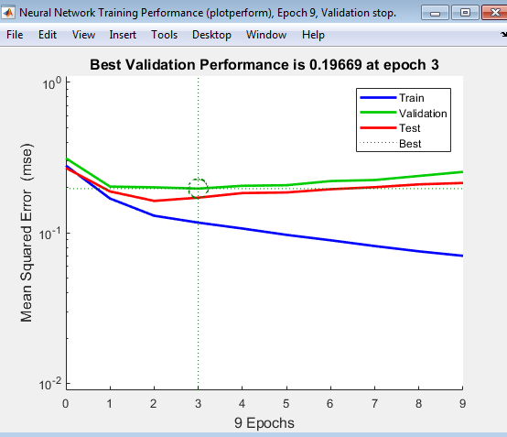
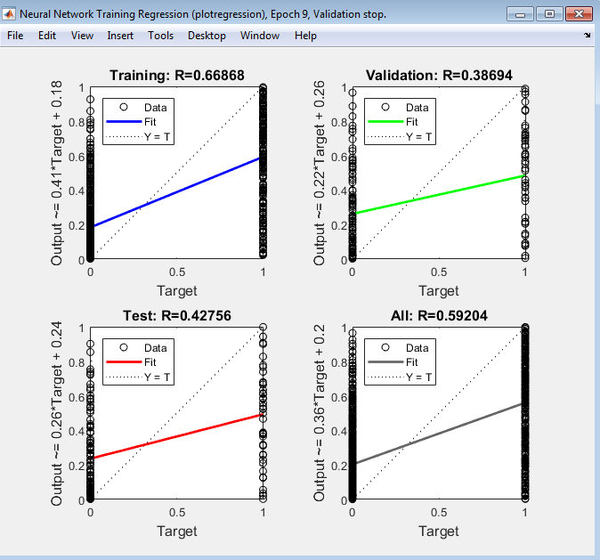
Neural Network "GC8240": Paramter combinations, accuracy, precision, cost point and graphs

Parameter Combinations:
Attributes used (in order) | 8 | Status, Duration, Credit history, Savings, Purpose, Credit Amount, Property, Present employment
Number of layers | 2
Number of neurons | 40

GC10440_Output: | 0.17619 | 0.78319 | 0.22883 | 0.58929 | 0.026161 | 0.19714 | 0.90559 | 0.09693 | 0.68649 | 0.12687 | 0.19868 | 0.16726 | 0.29473 | 0.82033 | 0.038964 | 0.038197 | 0.55795 | 0.073414 | 0.46363 | 0.53106

Calculations:
Classification Type: (Predicted value, Actual value)
 | True Positive (TP) = (0, 0)
 | True Negative (TN) = (1, 1)
 | False Positive (FP) = (0, 1)
 | False Negative (FN) = (1, 0)

Note: Results are noted in binary: 0 = Good and 1 = Bad

Predicted Result | Actual Result (in 0/1) | Y/N | Classification Type | Cost points
0 | 1 | N | FP | 5 |  | Count of FP | 1
1 | 1 | Y | TN | 0 |  | Count of TN | 3
0 | 0 | Y | TP | 0 |  | Count of FN | 5
1 | 1 | Y | TN | 0 |  | Count of TP | 11
0 | 0 | Y | TP | 0
0 | 0 | Y | TP | 0 |  | Accuracy = (TP + TN) / (TP + TN+FN+FP)
1 | 0 | N | FN | 1 |  | Accuracy in % = | 70
0 | 0 | Y | TP | 0
0 | 0 | Y | TP | 0 |  | Precision = TP / (TP + FP)
0 | 0 | Y | TP | 0 |  | Precision in % = | 91.7
0 | 0 | Y | TP | 0
0 | 0 | Y | TP | 0 |  | Error Rate = (FP + FN) / (TP+TN+FN+FP)
1 | 0 | N | FN | 1 |  | Error Rate in % = | 30.0
1 | 0 | N | FN | 1
0 | 0 | Y | TP | 0 |  | Recall (sensitivity) = TP / (TP+FN)
0 | 0 | Y | TP | 0 |  | Recall in % = | 68.8
1 | 0 | N | FN | 1
0 | 0 | Y | TP | 0
1 | 1 | Y | TN | 0
1 | 0 | N | FN | 1
 |  |  | Total Cost point: | 10

Network Training Performance Graph and Regression Graph

