Bugs
ID# | Title | Steps | Needed attachements | Affected Devices | Network | severity and priority
1 | System displays success message that "info has been sent to mail" when user add unregistered mail in forget password | 1.Open application. 2.Click on "Login" button. 3.Click on "Forget password?". 4.Enter unregistered mail. 5.Click on "Submit". |  | xiaomi mi a3 with Android 11 iphone 8 plus | Wi-fi | Severity: Medium Priority: 3
2 | System redirects user to "Page not Found" when clicking on "Email not recognized?" In forget password | 1.Open application. 2.Click on "Login" button. 3.Click on "Forget password?". 4.Click on "Email not recognized?" |  | xiaomi mi a3 with Android 11 iphone 8 plus | Wi-fi | Severity: Medium Priority: 3
3 | System allow user to continue without entering mail or password when clicking on "continue" then display undescriptive error message | 1.Login the application. 2.Open menu 3.Choose "Privacy Center" 4.Click on "Privacy Policy" 5.Click on "myfitnesspal.com" link 6.Leave mail and password empty 7.Click on "Continue" 8.Verify that user is not a robot 9.Click on "Verify" |  | xiaomi mi a3 with Android 11 iphone 8 plus | Wi-fi | Severity: High Priority: 2
4 | [UI] System overlaps setting button with username in profile | 1.Login the application. 2.Click on "me" from menu in the bottom of page |  | xiaomi mi a3 with Android 11 | Wi-fi | Severity: Low Priority: 3
5 | System doesnot disable upcoming dates when selecting birthdate in signup page and display "regestration process cannot be completed" when user enter invalid date | 1.Open application. 2.Click on "Sign up" button 3.Click on "Sign up with Email " 4.Click on "Next" until reach Birthday calender 5.Select an upcoming date |  | xiaomi mi a3 with Android 11 | Wi-fi | Severity: Medium Priority: 3
6 | System continues reloading without informing user with problem in "Recipes" when there is no internet connection | 1.Login the application. 2.Click on "more" from menu in bottom of page 3.Close internet connection 4.Choose "Reciepes" | 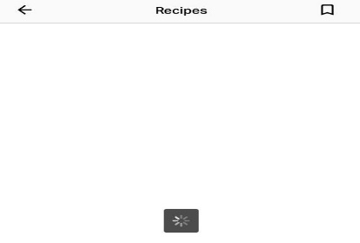 | iphone 8 plus | no network | Severity: High Priority: 1

