Simulation Data
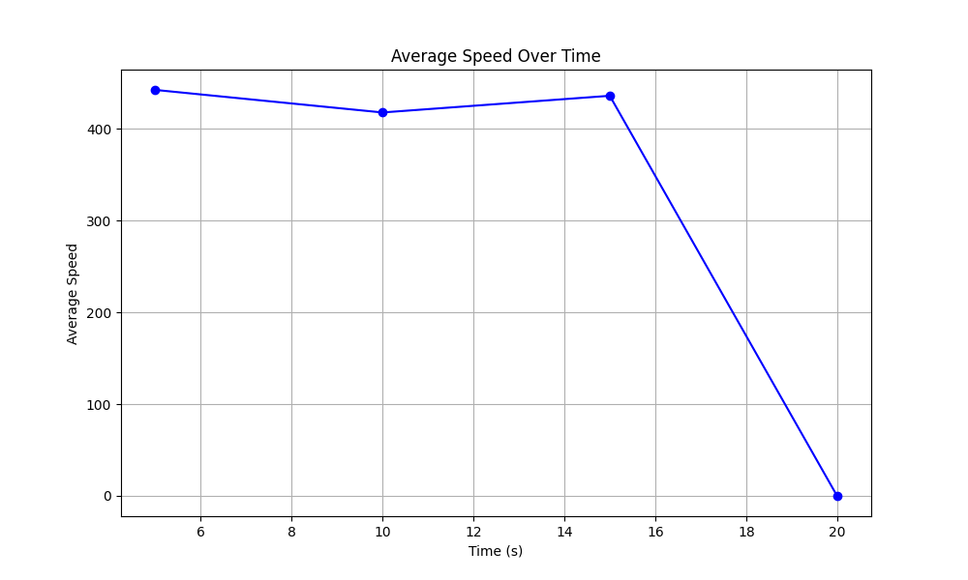
Time (s) | Average Speed
5 | 442.54232313
10 | 417.94386445
15 | 436.13028142
20 | 0

