Sheet1
Name of data set

 | Year: | Year dropdown ▼
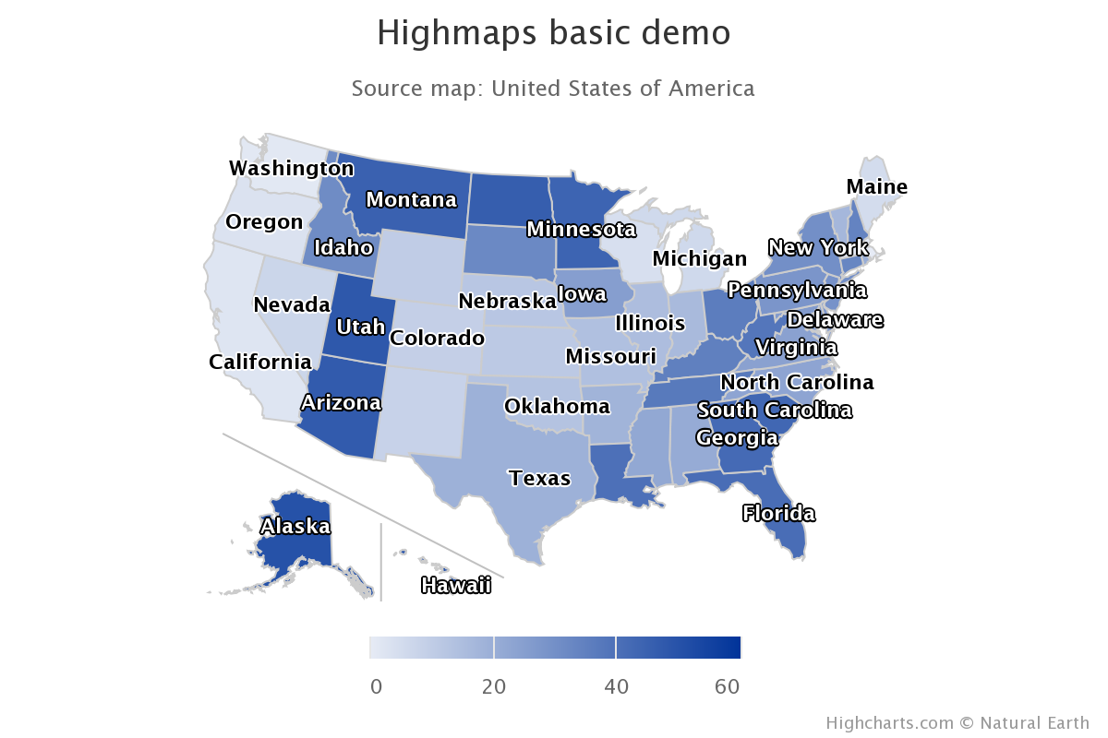
 |  |  | # of student loan consumer complaints per state by year

 |  |  | call to filtered SODA API endpoint to import data set

 |  |  | generate list of hc-key values from imported data

 |  |  | use list to map state data to corresponding locations on map

 |  |  | update map data whenever a new year is selected from dropdown

