Sheet2
Row Labels | Sum of Total Sales
Asia | 361275
Australia | 345681
Europe | 290129
North America | 405213
South America | 456564
(blank)
Grand Total | 1858862

 | Total
Asia | 361275
Australia | 345681
Europe | 290129
North America | 405213
South America | 456564
(blank)

Sheet1
Row Labels | Sum of Total Sales
<01/01/24
Jan | 120770
Feb | 157556
Mar | 190861
Apr | 137638
May | 141511
Jun | 140489
Jul | 119070
Aug | 155768
Sep | 134200
Oct | 144429
Nov | 209154
Dec | 207416
Grand Total | 1858862

 | Total
<01/01/24
Jan | 120770
Feb | 157556
Mar | 190861
Apr | 137638
May | 141511
Jun | 140489
Jul | 119070
Aug | 155768
Sep | 134200
Oct | 144429
Nov | 209154
Dec | 207416

Dashboard
KPI
Total Revenue (USD) | $1,858,862.00
Average Customer Rating | 4.39
Total Units Sold | 4397.00

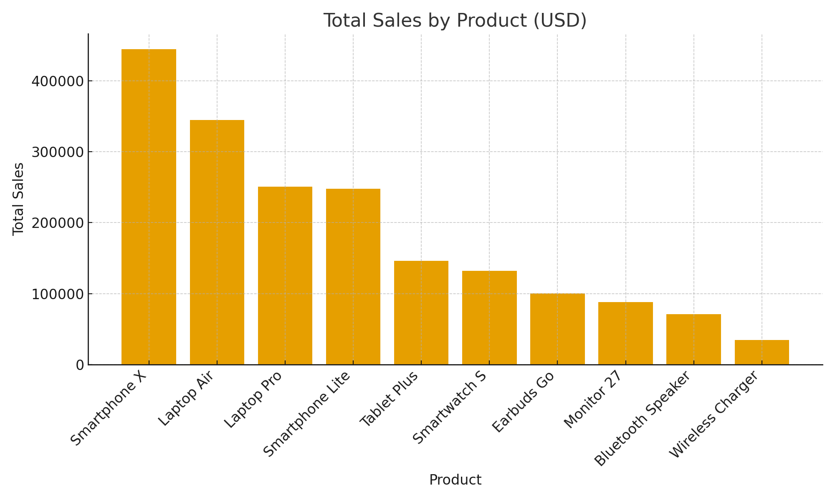

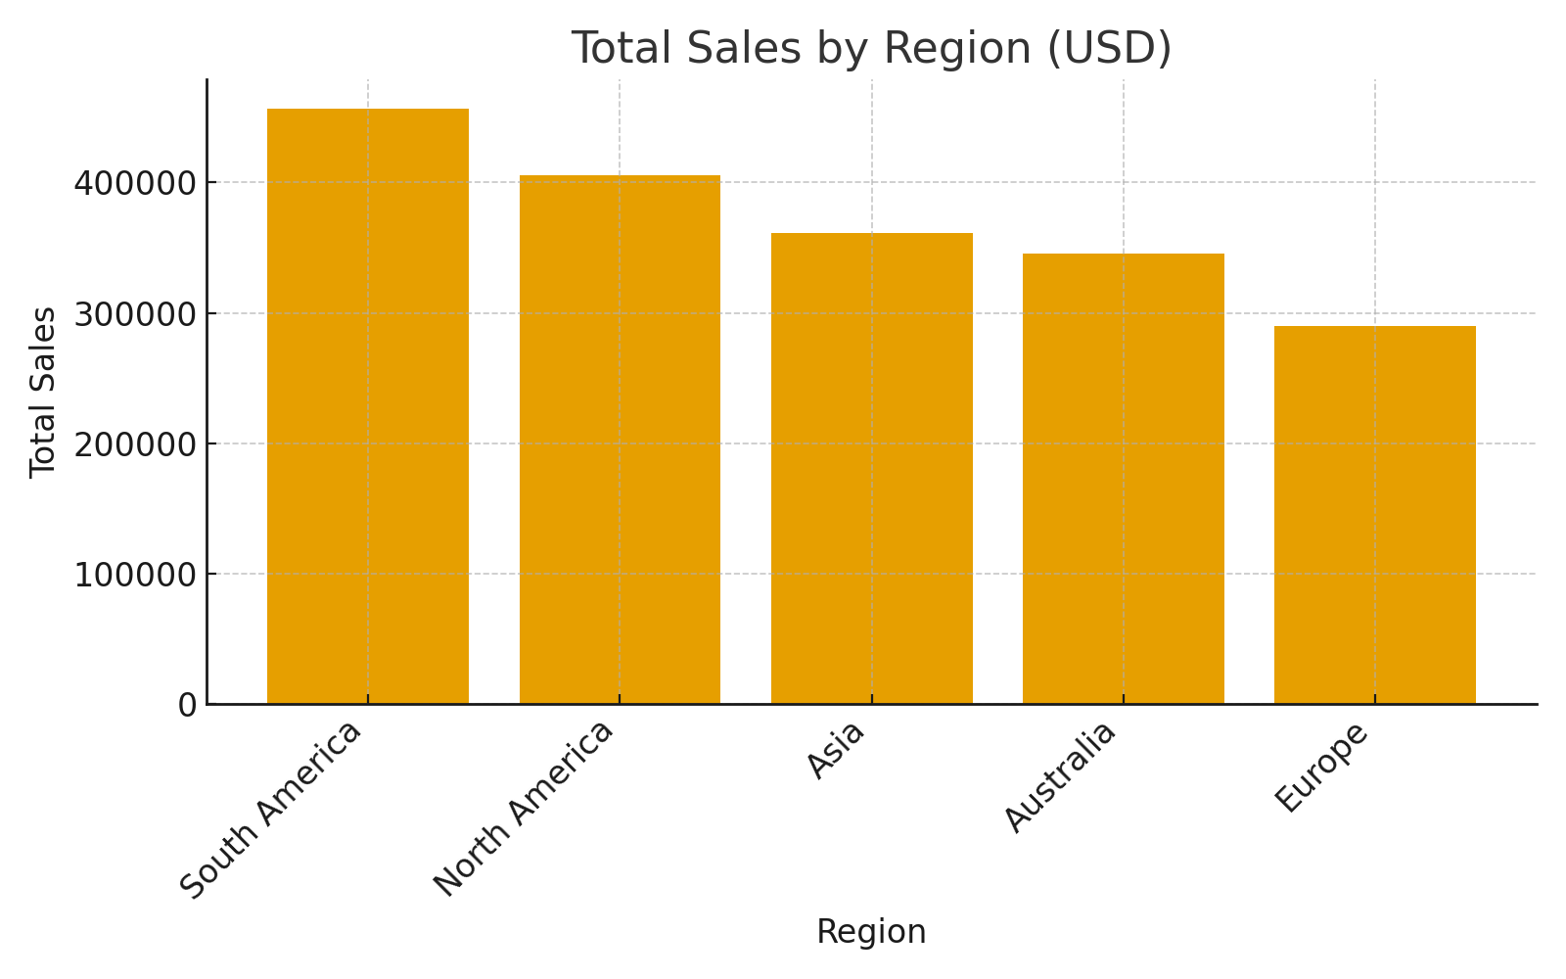

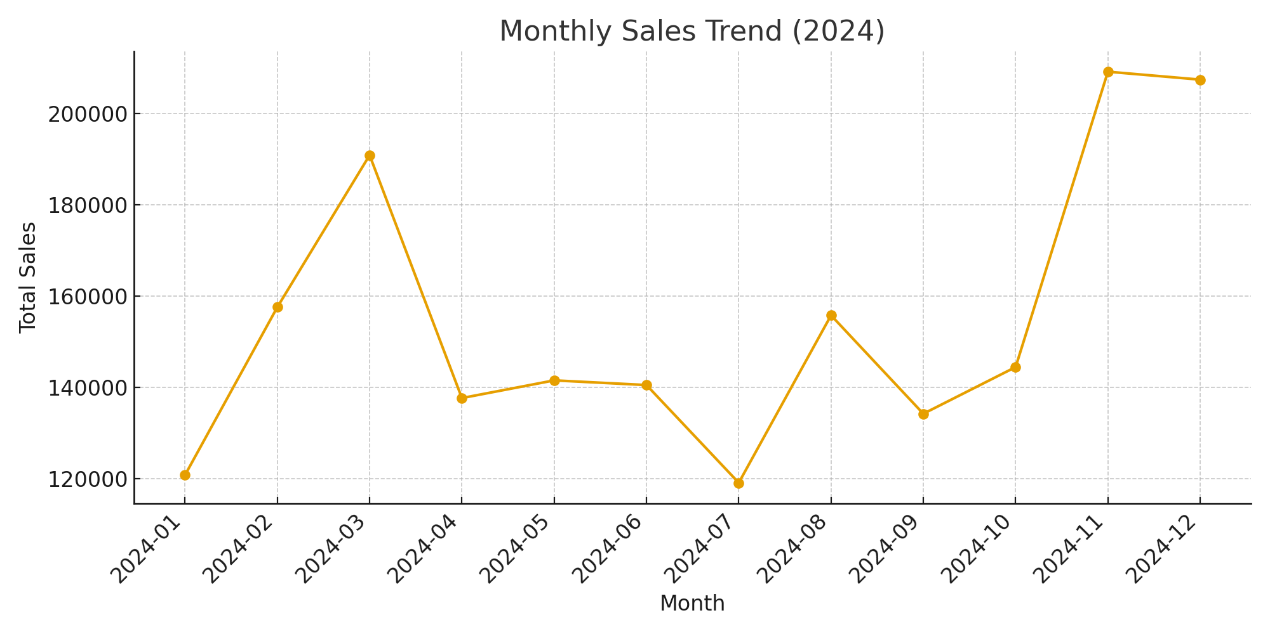

 | Total
<01/01/24
Jan | 120770
Feb | 157556
Mar | 190861
Apr | 137638
May | 141511
Jun | 140489
Jul | 119070
Aug | 155768
Sep | 134200
Oct | 144429
Nov | 209154
Dec | 207416

 | Total
Asia | 361275
Australia | 345681
Europe | 290129
North America | 405213
South America | 456564
(blank)

