Dashboard
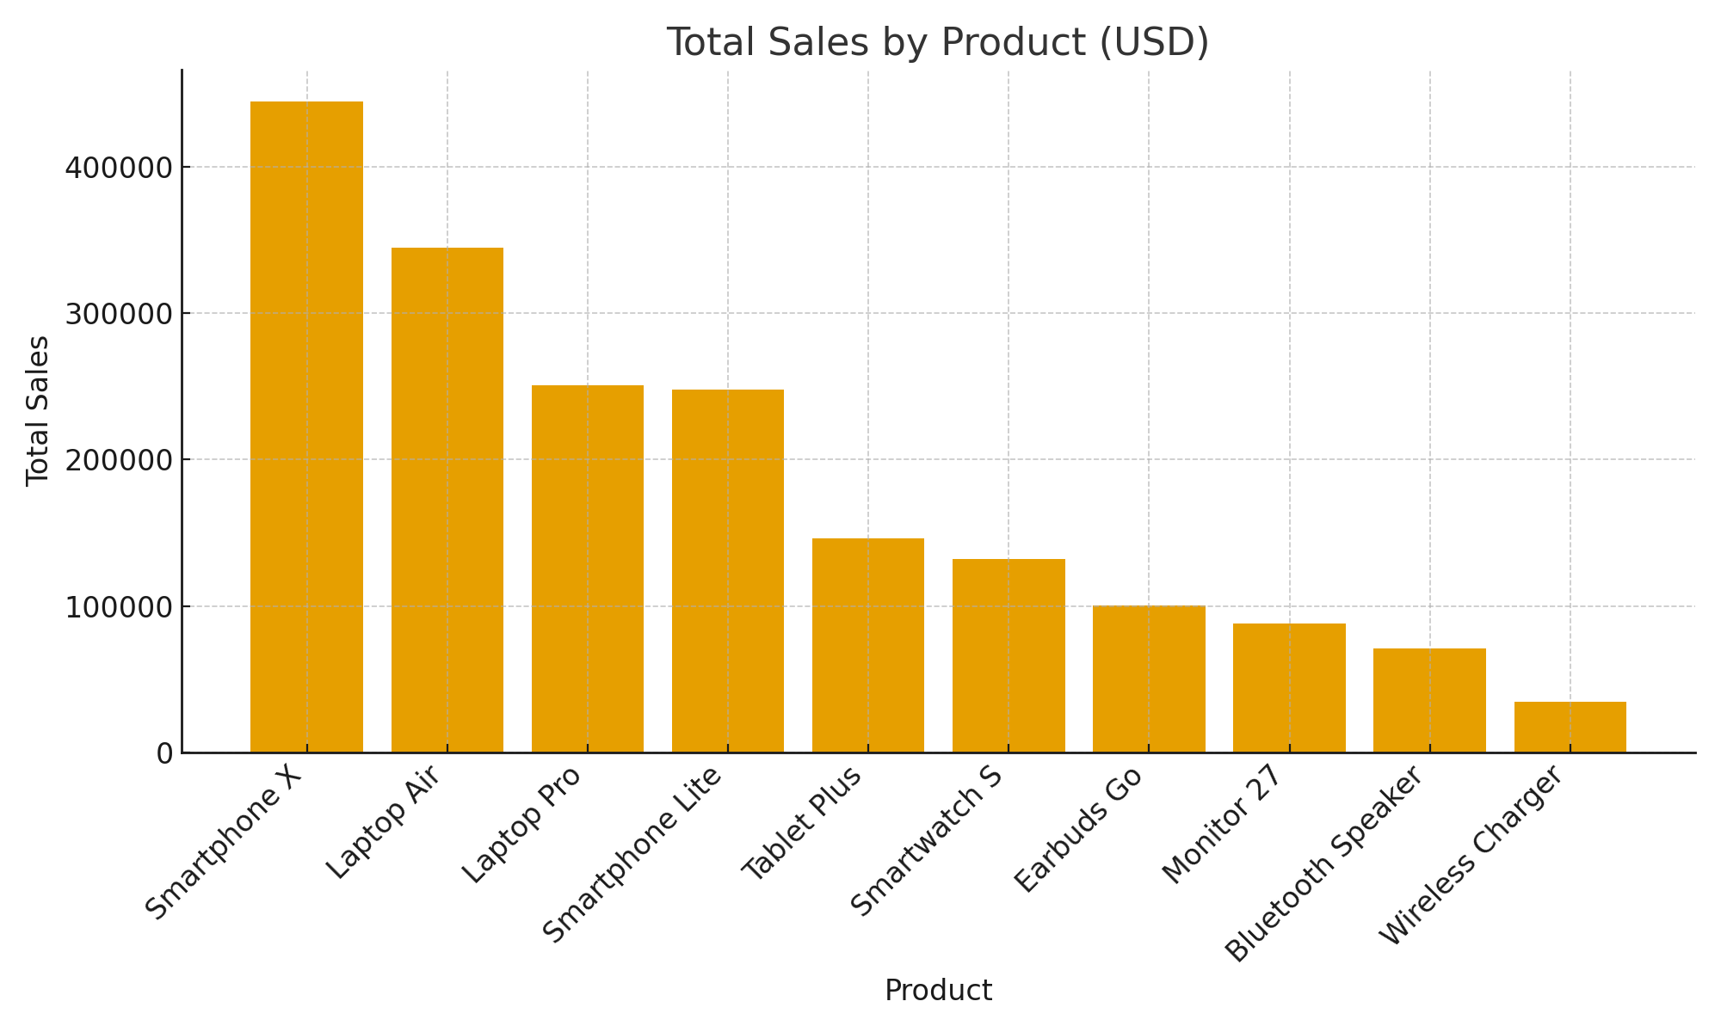
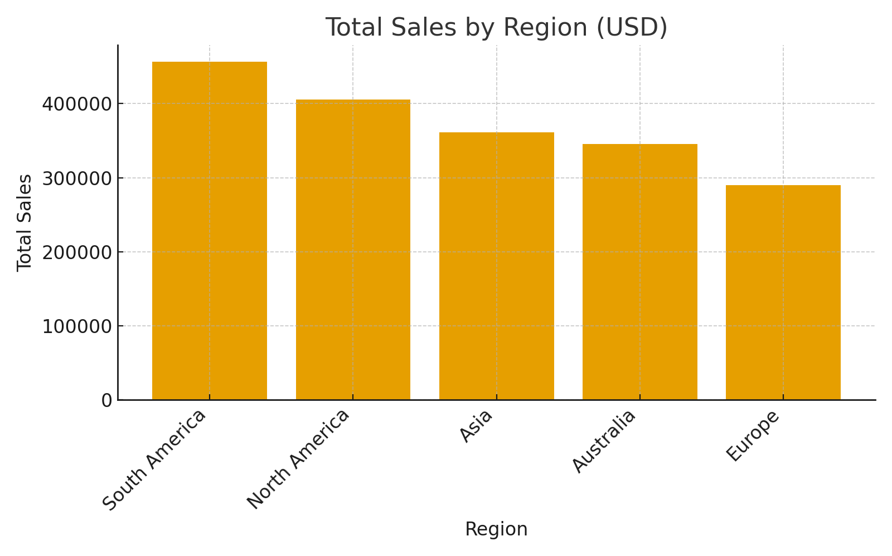
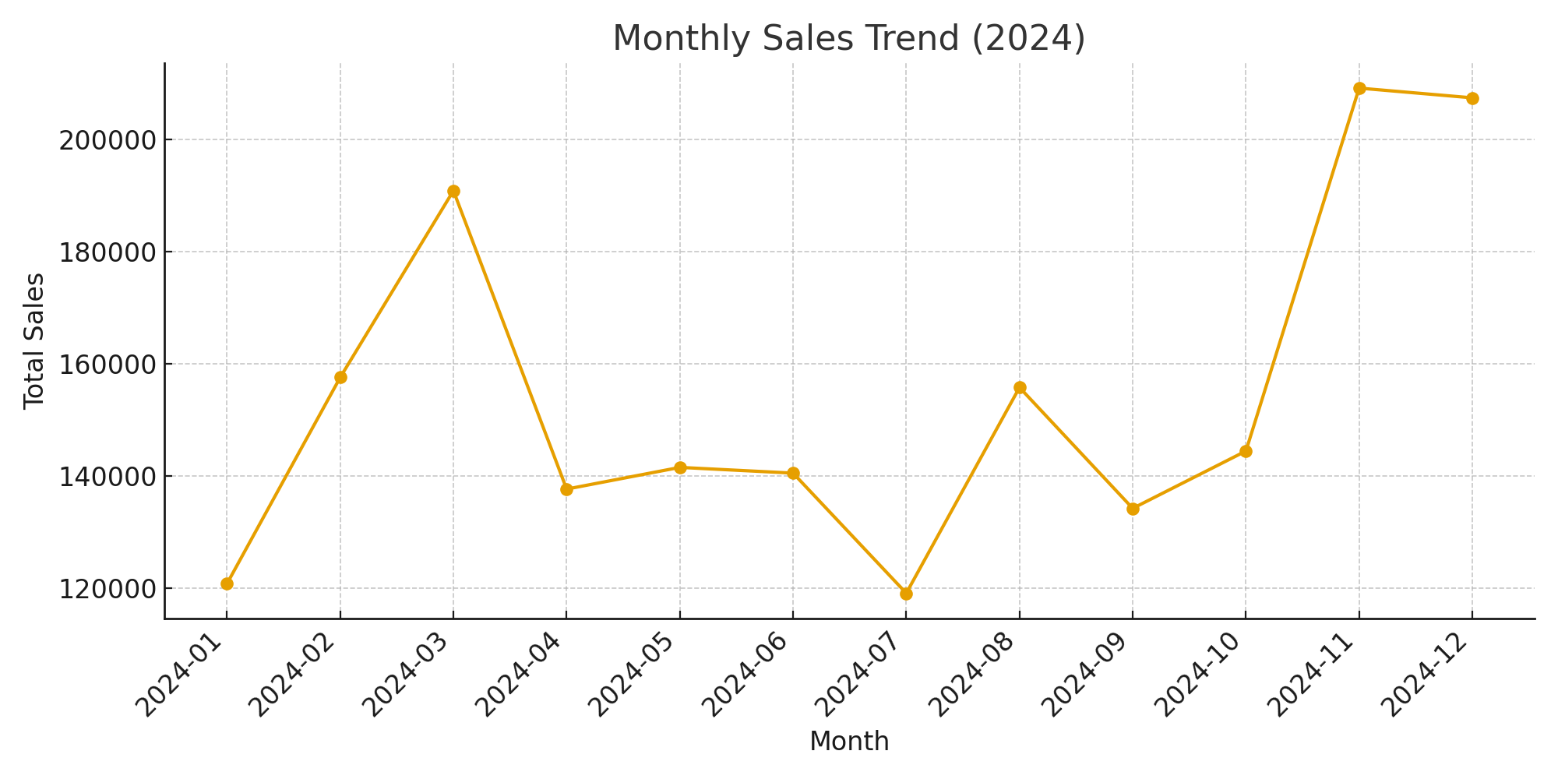
KPI
Total Revenue (USD) | 1858862
Average Customer Rating | 4.39
Total Units Sold | 4397

