Raw Data
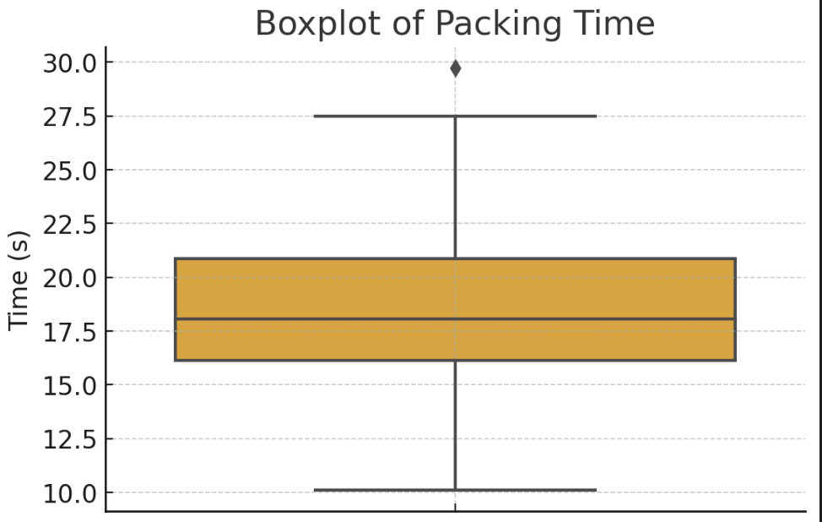
Sr. No. | Time (s) |  | Time (s)
1 | 10.11 | count | 80
2 | 16.67 | mean | 18.61075
3 | 19.1 | std | 3.8616458008
4 | 17.45 | min | 10.11
5 | 21.69 | 25% | 16.1475
6 | 17.35 | 50% | 18.065
7 | 16.15 | 75% | 20.8675
8 | 15.8 | max | 29.73
9 | 14.57
10 | 13.89
11 | 14.36
12 | 16.13
13 | 16.25
14 | 17.72
15 | 17.95
16 | 18.88
17 | 14.86
18 | 16.24
19 | 18
20 | 15.32
21 | 20.71
22 | 19.6
23 | 19.05
24 | 17.93
25 | 16.35
26 | 16.8
27 | 19.81
28 | 21.88
29 | 18.65
30 | 16.41
31 | 14.9
32 | 13.9
33 | 12.91
34 | 19.12
35 | 27.5
36 | 24.64
37 | 16.14
38 | 18.14
39 | 22.64
40 | 20.98
41 | 23.59
42 | 22.03
43 | 23.18
44 | 27.14
45 | 23.97
46 | 29.73
47 | 21.48
48 | 11.73
49 | 27.04
50 | 16.59
51 | 15.36
52 | 14.82
53 | 18.92
54 | 20.66
55 | 21.07
56 | 25.02
57 | 11.98
58 | 22.73
59 | 26.5
60 | 17.73
61 | 19.68
62 | 18.63
63 | 20.23
64 | 15.39
65 | 18.83
66 | 17.27
67 | 20.83
68 | 14.71
69 | 14.67
70 | 16.22
71 | 21.33
72 | 18.13
73 | 23.42
74 | 17.05
75 | 19.58
76 | 16.34
77 | 14.76
78 | 16.22
79 | 19.28
80 | 18.47

