Summary
Category | Count
Passed | 2
Failed | 0
Skipped | 1
Total | 3
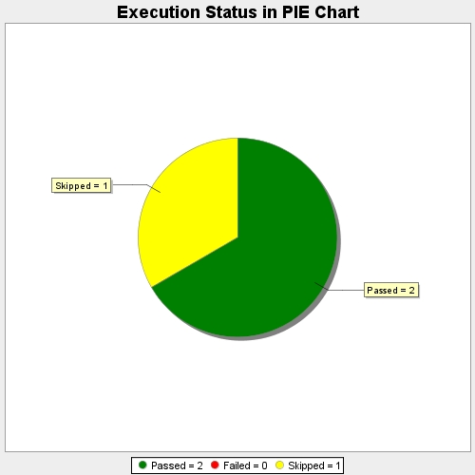
Start Time | 2020-06-22T00:26:03 IST
End Time | 2020-06-22T00:27:30 IST
Duration | 86759 ms

