ICUE Member Standalone UI
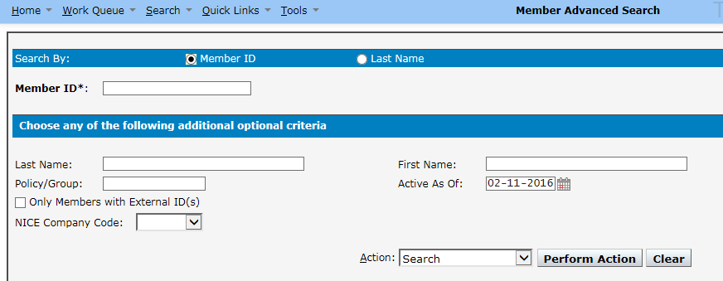
Search By Member ID

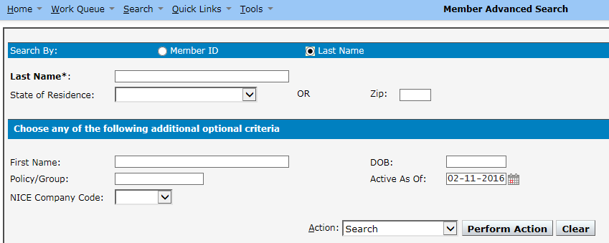
Search By Last Name

Summary Grid

Expansion of Row #

