CG
F1 TENTH CAR CG
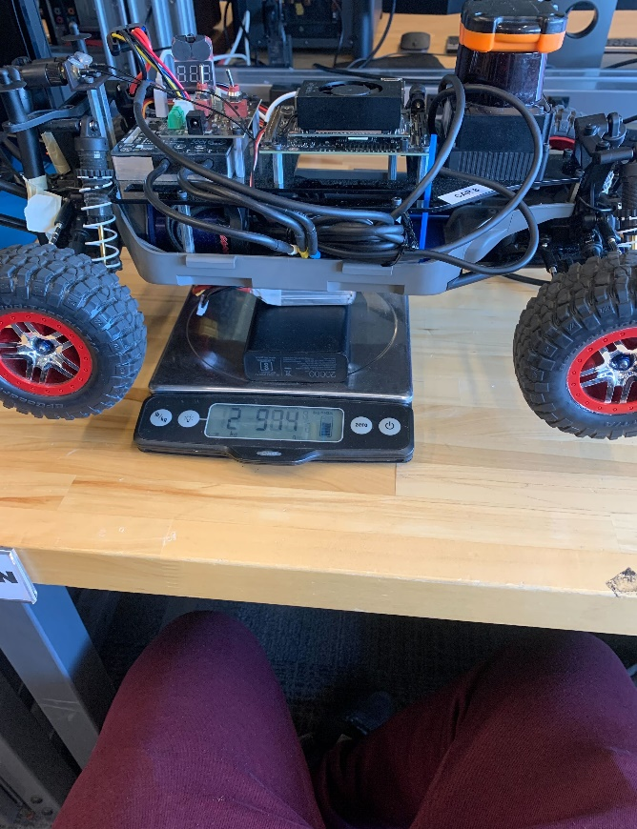

Weight (kg) | Wheelbase | Lf | Lr | Front distribution | Rear Distribution
2.974 | 325 | 185 | 140 | 0.56923076923 | 0.43076923077

