MEP Services
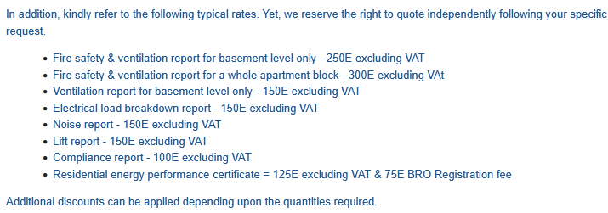
item | supplier | phone number | email | location | website
Consultancy | A+ MEP Consultancy Services | 99511239 | aplusmep.ce@gmail.com |  | https://www.facebook.com/profile.php?id=61571161208722

