Custom Corrected
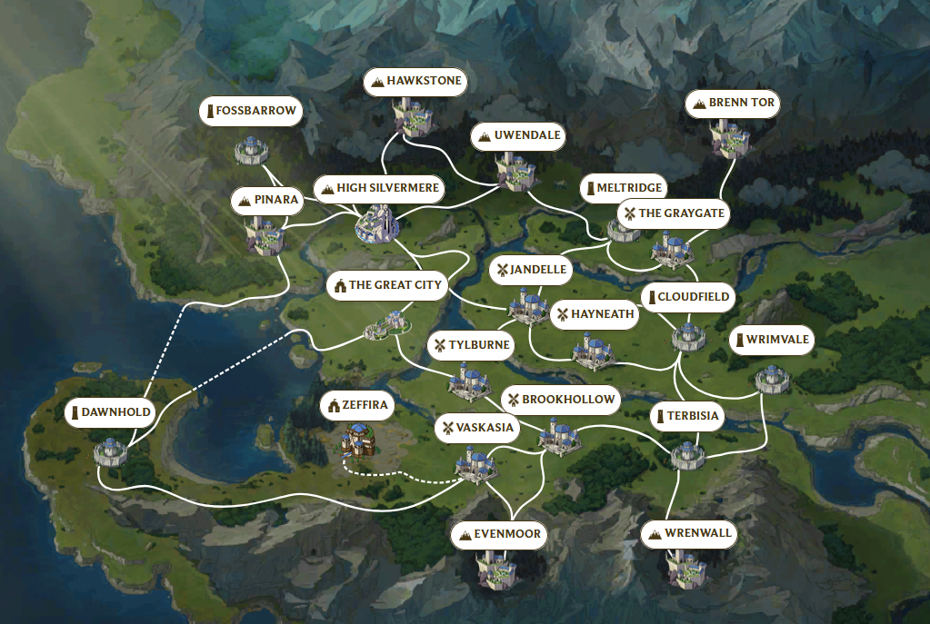
ID | Name | Type | S1 | S2 | S3 | S4 | S5 | S6 |  |  |  |  |  | Bonus
0 | Fossbarrow | B | Academy | Academy | Academy | Academy | Academy | Academy | # of | Academy | 28 | # Academy in H | 0 | 0
1 | Hawkstone | M | Academy | Academy | Academy | Academy | Academy | Academy |  | Marketplace | 11 | # Academy in M | 16 | 1.6
2 | Uwendale | M | Academy | Academy | Academy | Academy | Academy | Academy |  | Quartermaster | 6 | # AC in B | 12 | 1.2
3 | BrennTor | M | Academy | Academy | Academy | Academy | Quarry | Forge |  | Aviary | 5 | # Total | 28
4 | Pinara | M | Quarry | Quarry | Quarry | Forge | Forge | Forge |  | Barracks | 3
5 | HighSilvermere | M | Quartermaster | Aviary | Quarry | Quarry | Forge | Forge |  | Farm | 10 | # Resource in H | 8
6 | Meltridge | B | Lumberyard | Lumberyard | Quarry | Quarry | Forge | Forge |  | Lumberyard | 16 | # Resource in M | 24
7 | Graygate | H | Quartermaster | Aviary | Barracks | Unique | Farm | Farm |  | Quarry | 16 | # Resource in B | 21
8 | GreatCity | C | Quartermaster | Marketplace | Barracks | Marketplace | Marketplace | Marketplace |  | Forge | 16 | # Total | 53
9 | Jandelle | H | Marketplace | Aviary | Marketplace | Marketplace | Marketplace | Marketplace |  | Petricite Mill | 5
10 | Hayneath | H | Lumberyard | Lumberyard | Lumberyard | Lumberyard | Farm | Farm |  | Resource | 0
11 | Cloudfield | B | Quartermaster | Lumberyard | Lumberyard | Lumberyard | Forge | Forge |  | Unique | 4
12 | Wrimvale | B | Academy | Academy | Academy | Academy | Academy | Academy |  | Total | 120
13 | Tylburne | H | Lumberyard | Lumberyard | Lumberyard | Lumberyard | Farm | Farm
14 | Dawnhold | B | Forge | Petricite Mill | Petricite Mill | Petricite Mill | Petricite Mill | Petricite Mill
15 | Vaskasia | H | Unique | Aviary | Unique | Unique | Farm | Farm
16 | Brookhollow | H | Quartermaster | Marketplace | Barracks | Marketplace | Farm | Farm |  | Total Production |  | 16300
17 | Terbisia | B | Quartermaster | Aviary | Lumberyard | Lumberyard | Lumberyard | Forge |  | Resource Generators |  | 53
18 | Evenmoor | M | Quarry | Quarry | Quarry | Quarry | Forge | Forge |  | ACs + MPs |  | 39
19 | Wrenwall | M | Quarry | Quarry | Quarry | Quarry | Forge | Forge |  | Total Econ Structures |  | 92
 |  |  |  |  |  |  |  |  |  | Total Efficency (%) |  | 177.174

