Sheet1
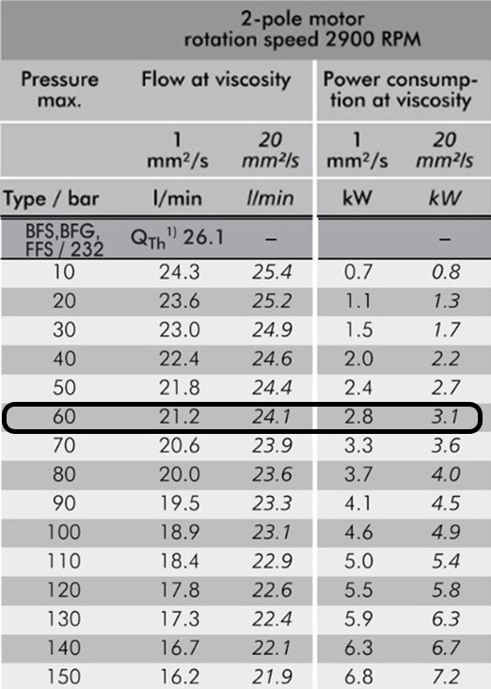 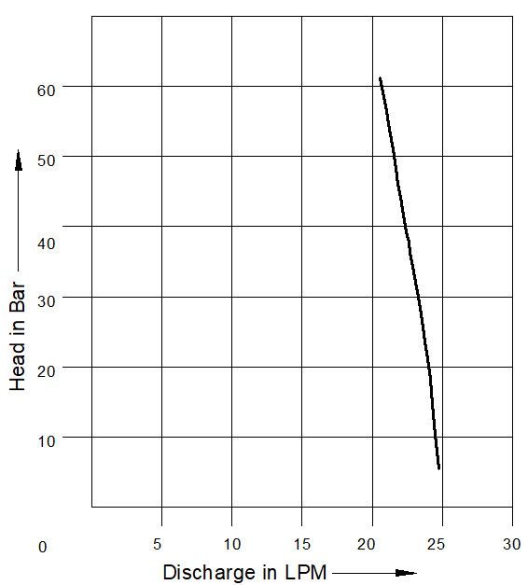
Model: | BFS232 - 3.0kW |  |  | Revision |  | R1
 |  |  |  | Speciality (if Any):
 |  |  |  | Special code: |  | 566
 |  |  |  | Wet end inlet and out let to be at 6 "O" clock + terminal box with respect to pump out let is to be 6"O" clock+ IE3+CE

Technical Data
Power (kW) |  | 3 | Rated Current (A) |  | 11.5 / 6.5
Voltage (V) |  | 220-240 / 400-440 | Efficiency Level |  | IE3
Frequency (Hz) |  | 50 | Insulation Class |  | F
RPM |  | 2880 | Duty |  | S1
 |  |  | Flow (LPM) @Head(M) |  | Refer HQ Performance
Material Of Construction
Impeller |  | Screw Spindle | Mechanical seal |  | NA
Impeller cover |  | Carbide Cover | Bush Bearings |  | NA
Wet End (pump body) |  | C.I. | Shaft |  | Screw Spindle

Operating conditions
Max Ambient Temp. |  | 40℃ | Installation |  |  | VERTICAL
Max. Liquid Temp |  | 50℃ | Min. Filtration level |  |  | ≤ 20 microns
Max On/Off Cycle |  | 40/Hr | Max. Viscocity (for given motor rating) |  |  | Refer HQ Performance
(Please Check with factory for more information on this)
Dimensional Details
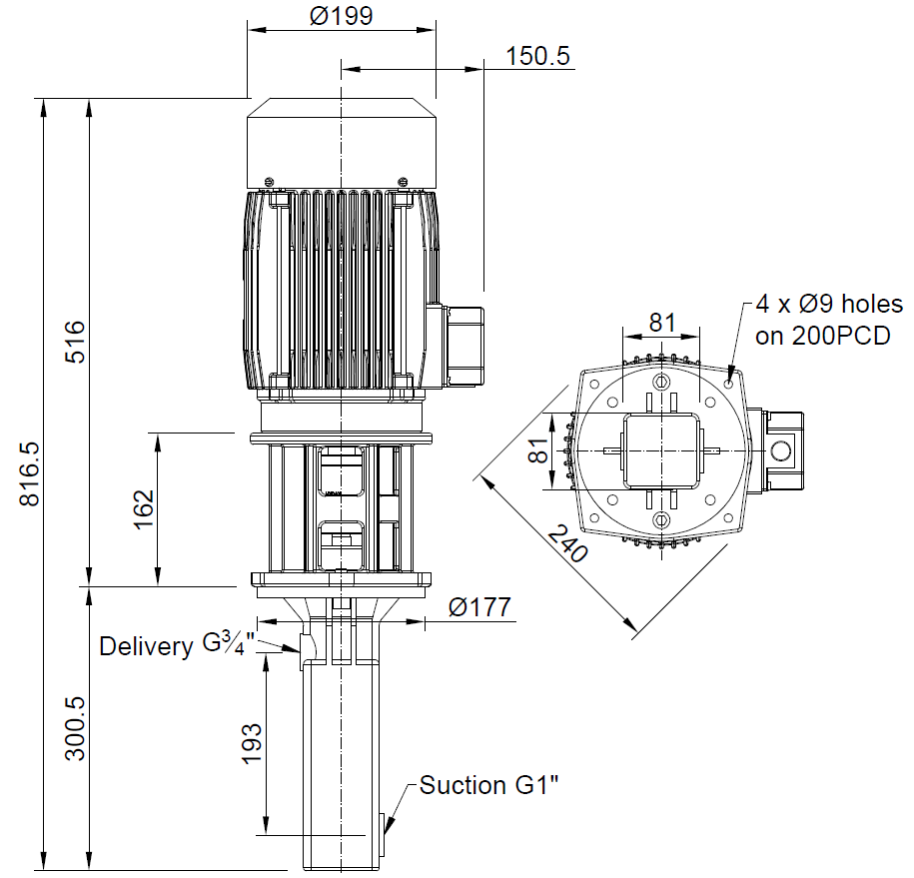

HQ Performance

