Sheet1
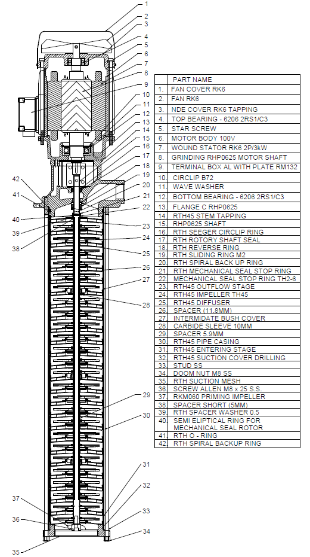
Model: | RHP0625/690 |  |  | Speciality (if Any):
 |  |  |  | Special Code:
 |  |  |  | Description of Speciality

Technical Data
Power (kW) |  | 2.6 | Rated Current (A) |  | 12.7 / 5.7
Voltage (V) |  | 220-240 / 400-440 | Efficiency Level |  | IE2
Frequency (Hz) |  | 50 | Insulation Class |  | F
RPM |  | 2800 | Duty |  | S1
Outlet Size |  | G1" BSPP | Flow (LPM) @Head(M) |  | 25 LPM @ 200 M
Material Of Construction
Impeller |  | SS316 | Mechanical seal |  | SiC
Impeller cover |  | SS316 | Bush Bearings |  | CERAMIC
Stem (pump body) |  | C.I. | Shaft |  | SS304

Operating conditions
Max Ambient Temp. |  | 45℃ | Installation |  |  | VERTICAL
Max. Liquid Temp |  | 80℃ | Min. Filtration level |  |  | 200 MICRONS
Max On/Off Cycle |  | 30 per hour | Max. Viscocity (for given motor rating) (For higher viscosity contact factory) |  |  | 15 CST
(Please Check with factory for more information on this)
Dimensional Details
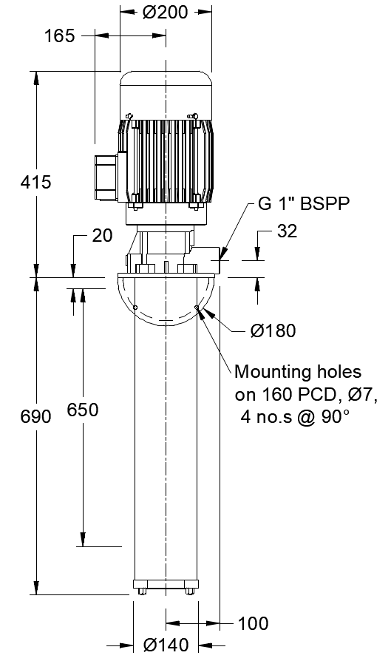

HQ Performance Curve
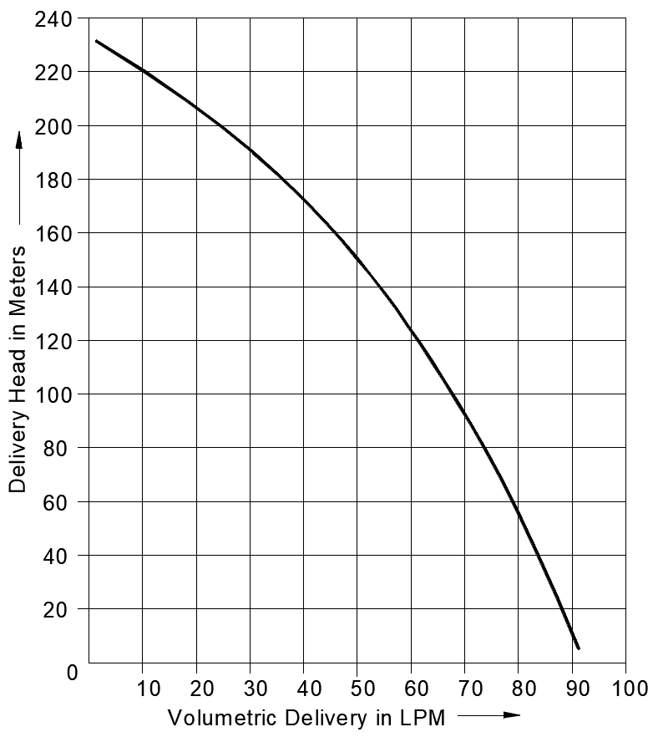

Parts List- Cross Section View (2D)

