Sheet1
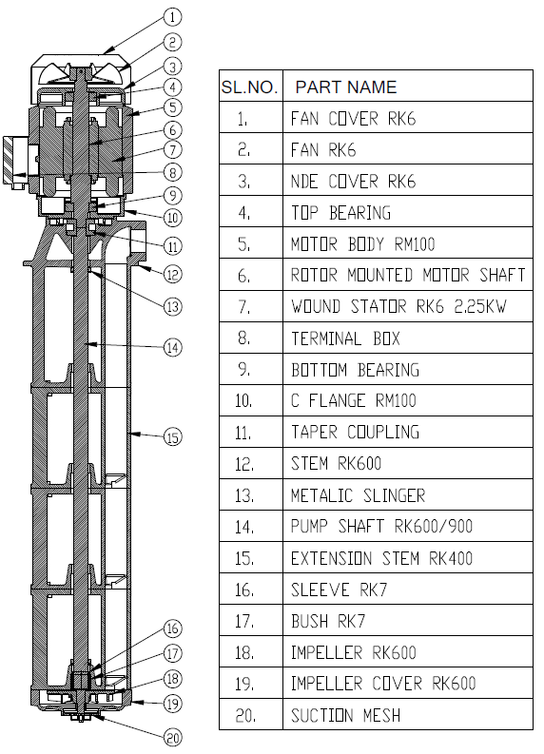
Model: | RK600/900 |  |  | Speciality (if Any):
 |  |  |  | Special Code: |  | 01 or 48
 |  |  |  | Description of Speciality
 |  |  |  | 1 - IMMERSION DEPTH NON STANDARD, EN8 BUSH /CERAMIC COATED SLEEVE 48 - IMMERSION DEPTH NON STANDARD, CARBIDE BUSH SLEEVE

Technical Data
Power (kW) |  | 2.25 | Rated Current (A) |  | 4.5
Voltage (V) |  | 415 | Efficiency Level |  | IE2
Frequency (Hz) |  | 50 | Insulation Class |  | F
RPM |  | 2800 | Duty |  | S1
Outlet Size |  | 2" BSPP | Flow (LPM) @Head(M) |  | 600 LPM @ 2M
Material Of Construction
Impeller |  | C.I. | Mechanical seal |  | NA
Impeller cover |  | C.I. | Bush Bearings |  | CARBIDE
Stem (pump body) |  | C.I. | Shaft |  | EN8

Operating conditions
Max Ambient Temp. |  | 45℃ | Installation |  |  | Vertical
Max. Liquid Temp |  | 80℃ | Min. Filtration level |  |  | 1000 microns
Max On/Off Cycle |  | 40 per Hour | Max. Viscocity (for given motor rating) |  |  | 90 mm Sq / Sec
(Please Check with factory for more information on this)
Dimensional Details
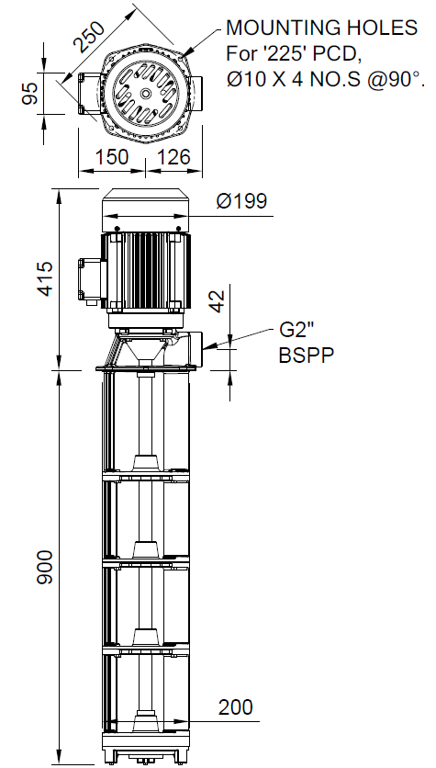

HQ Performance Curve
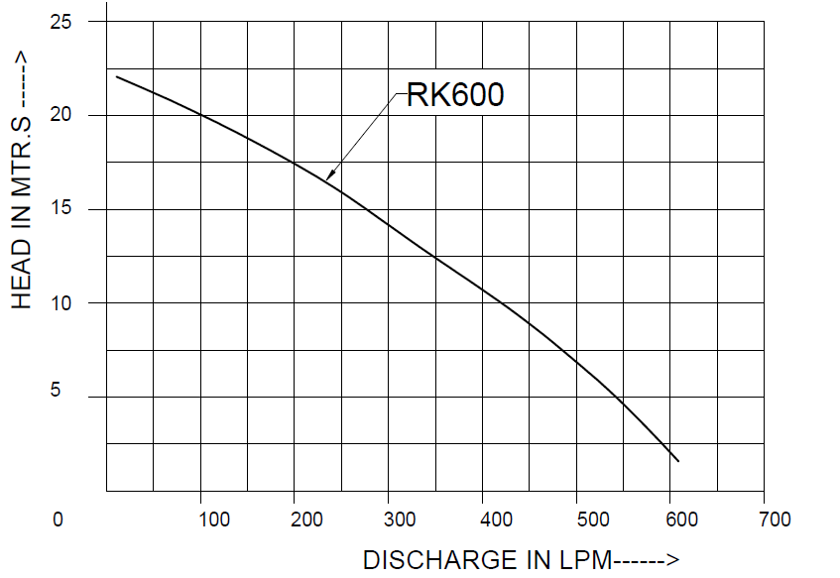

Parts List- Cross Section View (2D)

