Sheet1
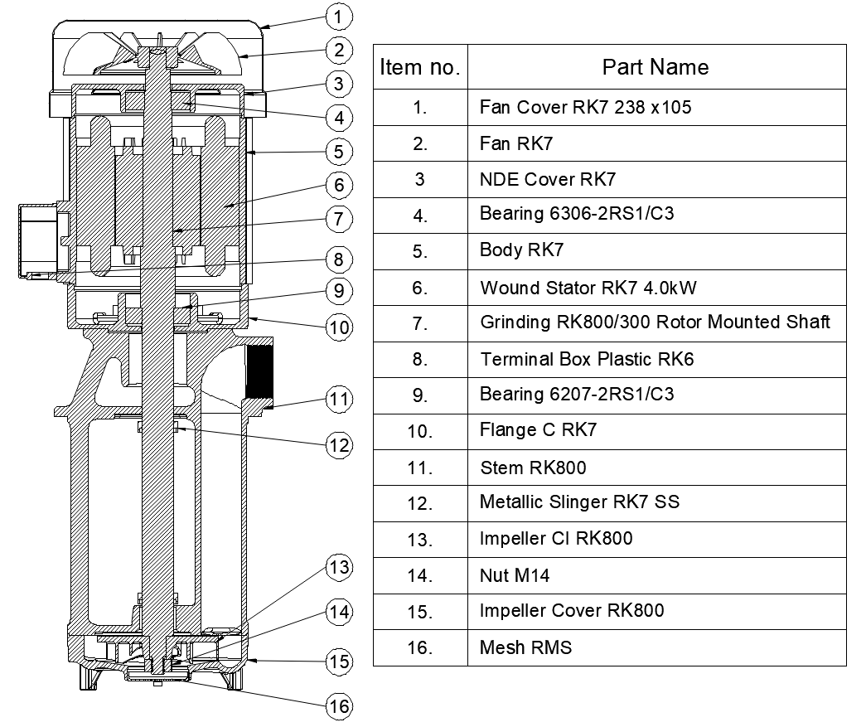
Model: | RK800/300 |  |  | Speciality (if Any):
 |  |  |  | Special Code:
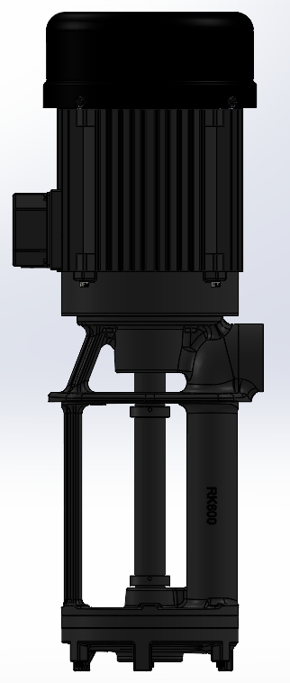 |  |  |  | Description of Speciality

Technical Data
Power (kW) |  | 3.7 | Rated Current (A) |  | 7.5
Voltage (V) |  | 415 | Efficiency Level |  | IE2
Frequency (Hz) |  | 50 | Insulation Class |  | F
RPM |  | 2880 | Duty |  | S1
Outlet Size |  | G 2 " BSPP | Flow (LPM) @Head(M) |  | 800LPM @ 2 M
Material Of Construction
Impeller |  | C.I. | Mechanical seal |  | NA
Impeller cover |  | C.I. | Bush Bearings |  | NA
Stem (pump body) |  | C.I. | Shaft |  | EN8

Operating conditions
Max Ambient Temp. |  | 45℃ | Installation |  |  | Vertical
Max. Liquid Temp |  | 80℃ | Min. Filtration level |  |  | 500 microns
Max On/Off Cycle |  | 40 per Hour | Max. Viscocity (for given motor rating) |  |  | 15 CST
(Please Check with factory for more information on this)
Dimensional Details
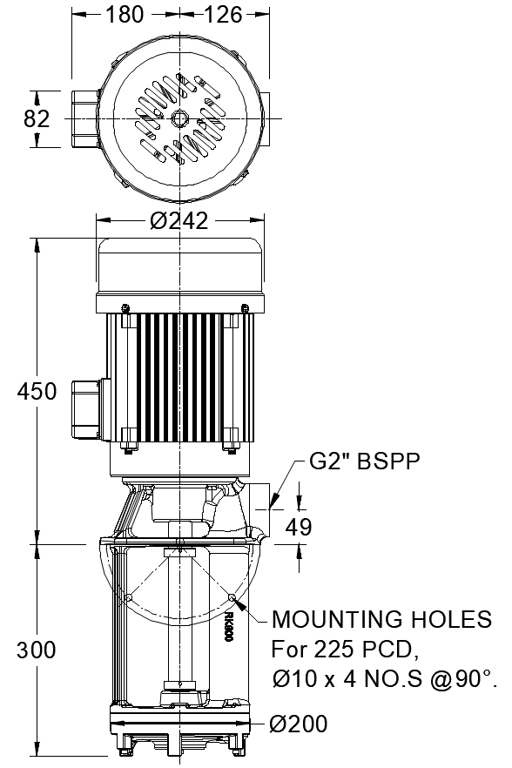

HQ Performance Curve
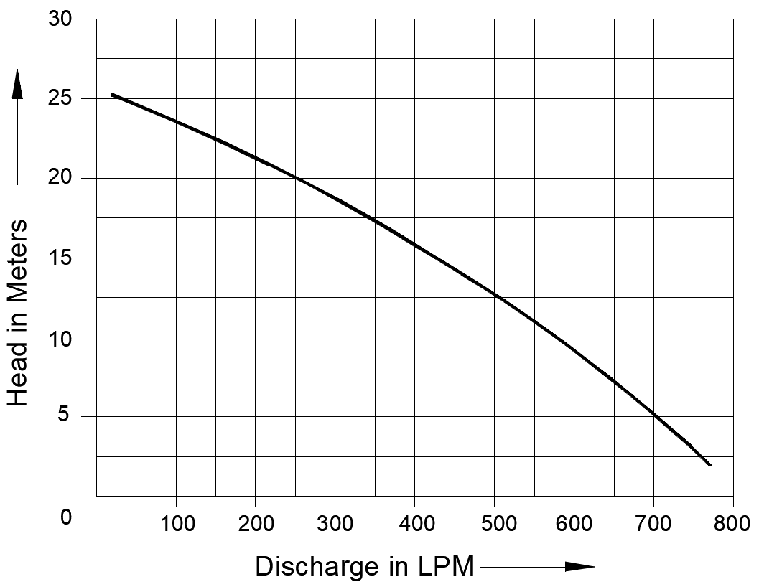

Parts List- Cross Section View (2D)

