Sheet1
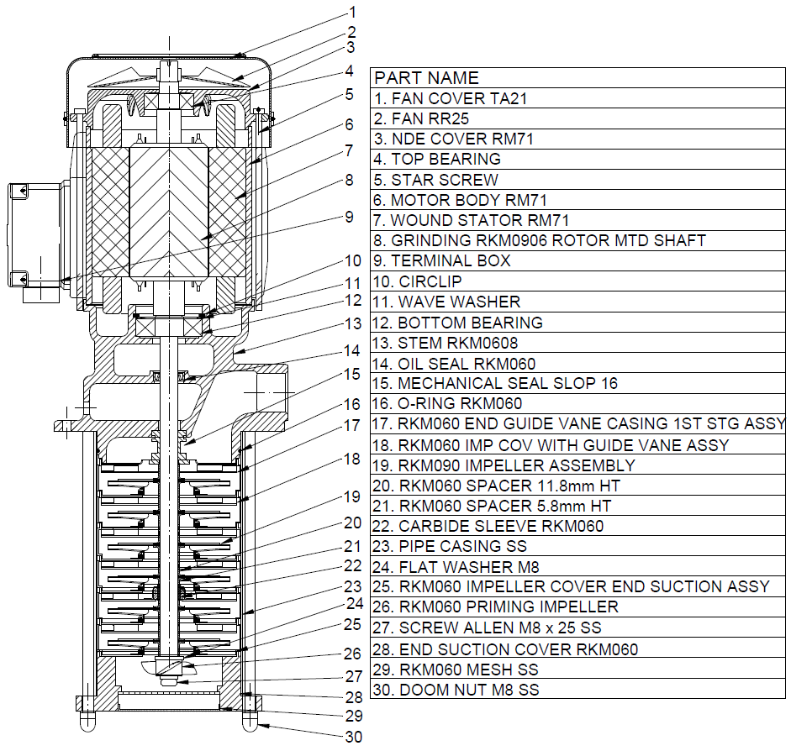
Model: | RKM0906 |  |  | Speciality (if Any):
 |  |  |  | Special Code:
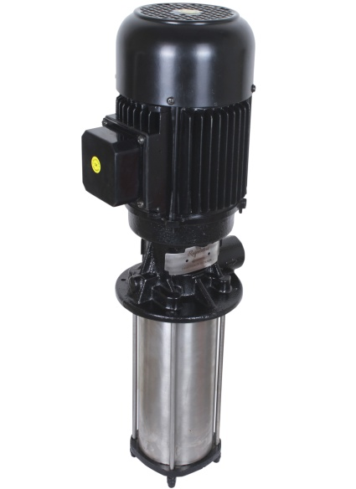 |  |  |  | Description of Speciality

Technical Data
Power (kW) |  | 1.1 | Rated Current (A) |  | 2.2
Voltage (V) |  | 415 | Efficiency Level |  | IE2
Frequency (Hz) |  | 50 | Insulation Class |  | F
RPM |  | 2800 | Duty |  | S1
Outlet Size |  | 1" | Flow (LPM) @Head(M) |  | 100 LPM@ 35M
Material Of Construction
Impeller |  | SS | Mechanical seal |  | M2
Impeller cover |  | SS | Bush Bearings |  | Ceramic
Stem (pump body) |  | S.S | Shaft |  | SS410
Operating conditions
Max Ambient Temp. |  | 40℃ | Installation |  |  | VERTICAL
Max. Liquid Temp |  | 80℃ | Min. Filtration level |  |  | < 0.2MM / < 1% BY COOLANT VOLUME
Max On/Off Cycle |  | 40 /Hr | Max. Viscocity (for given motor rating) |  |  | 45 CST
(Please Check with factory for more information on this)
Dimensional Details
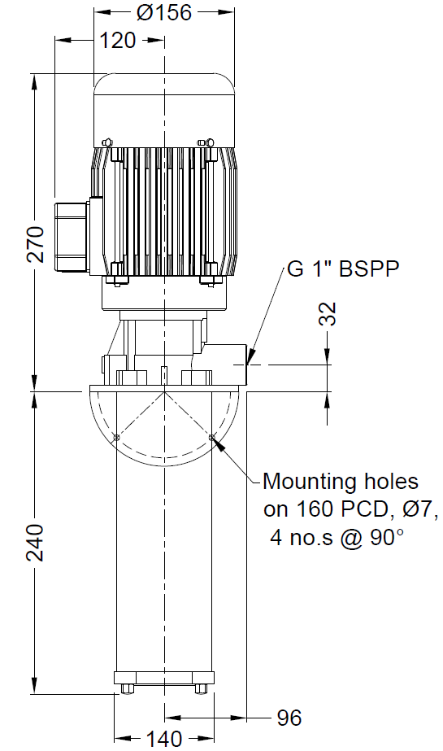

HQ Performance Curve
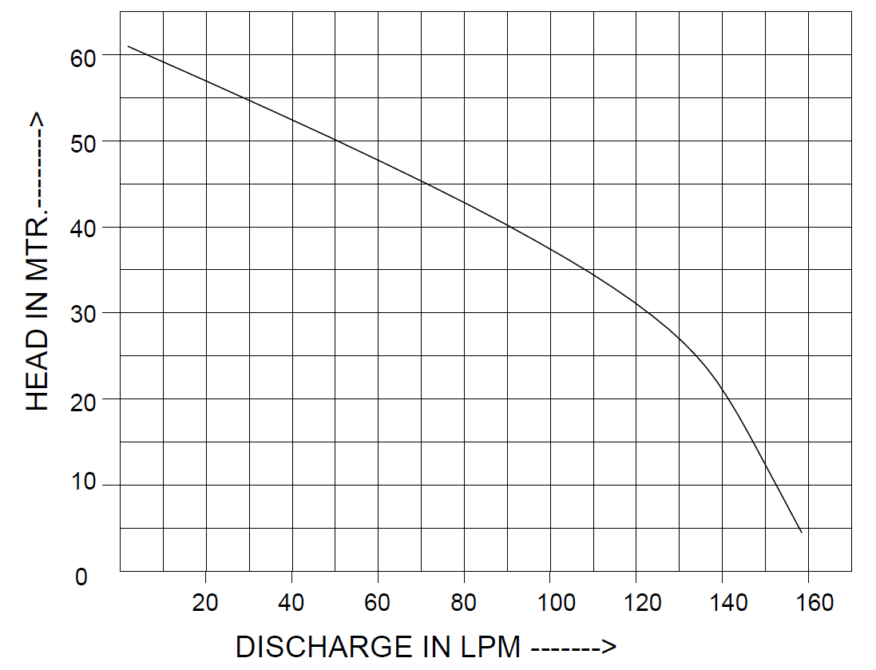

Parts List- Cross Section View (2D)

