Sheet1
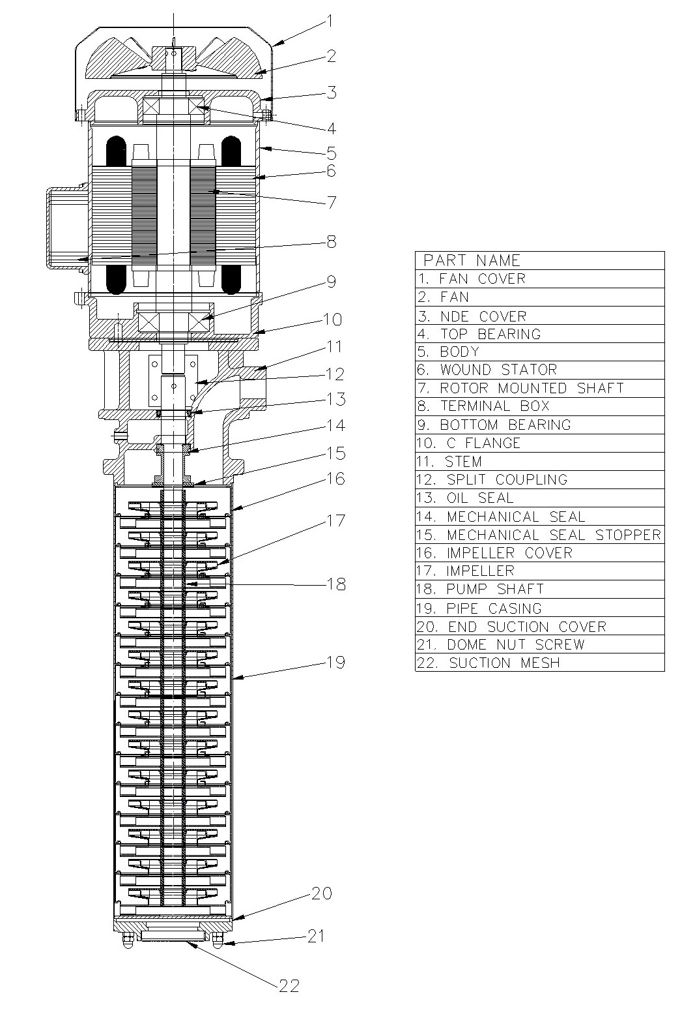
Model: | RKM214 |  |  | Speciality (if Any):
 |  |  |  | Special Code:
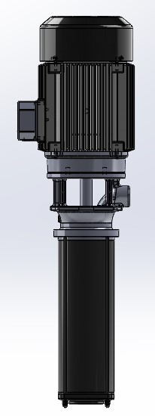
 |  |  |  | 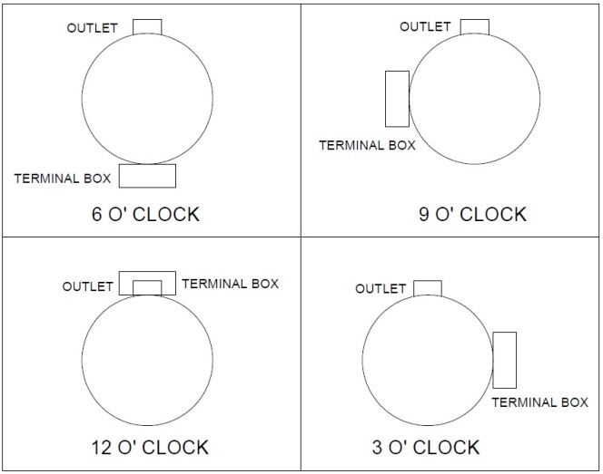

Technical Data
Power (kW) |  | 4 | Rated Current (A) |  | 8
Voltage (V) |  | 415V | Efficiency Level |  | IE2
Frequency (Hz) |  | 50 | Insulation Class |  | F
RPM |  | 2800 | Duty |  | S1
Outlet Size |  | G1" | Flow (LPM) @Head(M) |  | 75LPM@80M
Terminal box w.r.t outlet |  | Standard 6 "O" clock | For special mention in purchase order |  | 3"O" CLOCK / 9"O" CLOCK / 12 "O" CLOCK
Material Of Construction
Impeller |  | S.S./C.I | Mechanical seal |  | SiC / SiC
Impeller cover |  | C.I | Bush Bearings |  | Carbide
Stem (pump body) |  | C.I | Shaft |  | EN8
Operating conditions
Max Ambient Temp. |  | 40 0C | Installation |  |  | VERTICAL
Max. Liquid Temp |  | 80 0C | Min. Filtration level |  |  | 200 MICRONS
Max On/Off Cycle |  | 30/Hr | Max. Viscocity (for given motor rating) |  |  | 45CST
(Please Check with factory for more information on this)
Dimensional Details
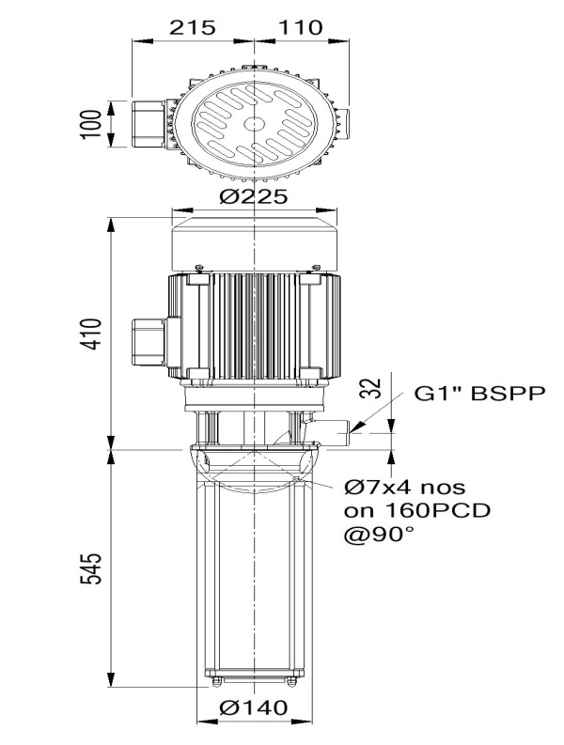

HQ Performance Curve
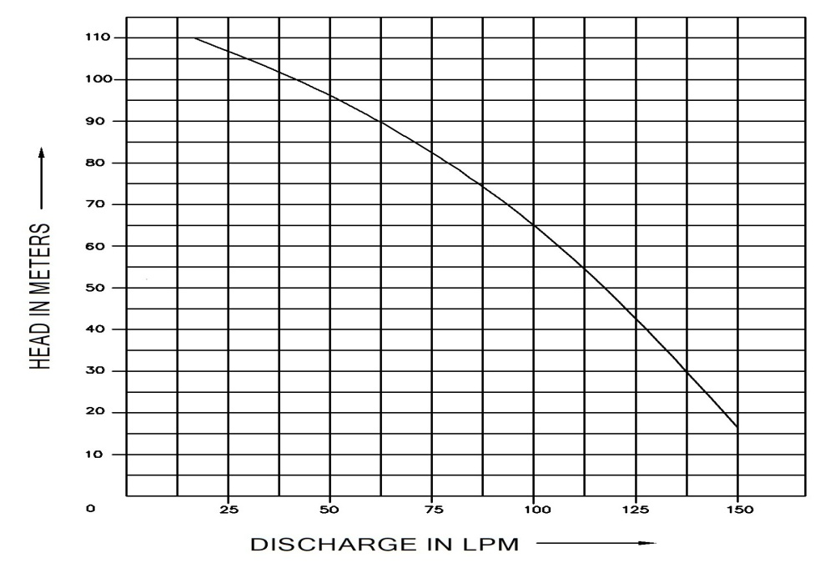

Parts List- Cross Section View (2D)

