Sheet1
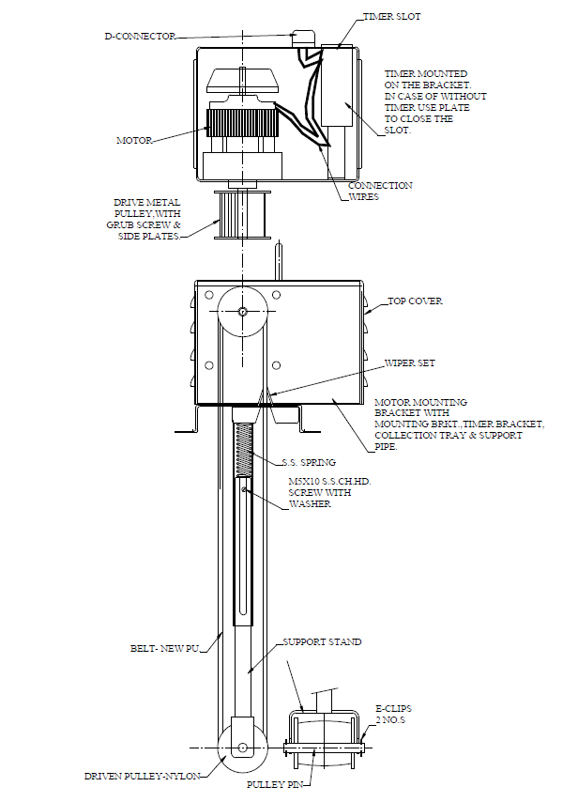
Model: | ROS1-40-225 |  |  | Speciality (if Any):
 |  |  |  | Special Code: |  | NA
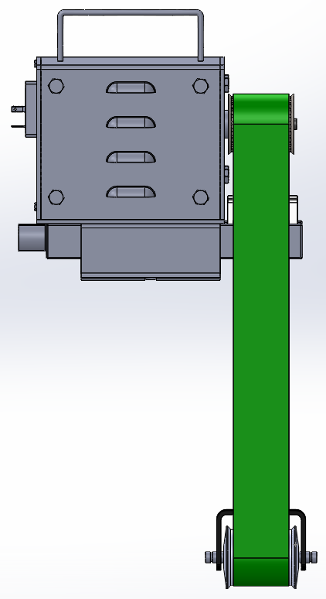

Technical Data
Power (W) |  | 40 | Rated Current (A) |  | 0.2
Voltage (V) |  | 230 | Efficiency Level |  | NA
Frequency (Hz) |  | 50 / 60 | Insulation Class |  | F
Motor RPM |  | 1440 | Duty |  | S1
Gear box RPM |  | 17 | Belt width / Immersion depth |  | 40 / 225
Material Of Construction
Belt |  | PU | Mechanical seal |  | NA
cabin |  | MS / Powder coated | Bush Bearings |  | NA
Gear |  | Metal | Shaft |  | SS410
Operating conditions
Max Liquid Temp. |  | 50℃ for PU belt | Installation |  |  | On top of the tank
Max. Liquid Temp |  | 100℃ for SS belt | Min. Filtration level |  |  | NA
Max On/Off Cycle |  | NA | Max. Viscocity (for given motor rating) |  |  | NA
(Please Check with factory for more information on this)
Dimensional Details
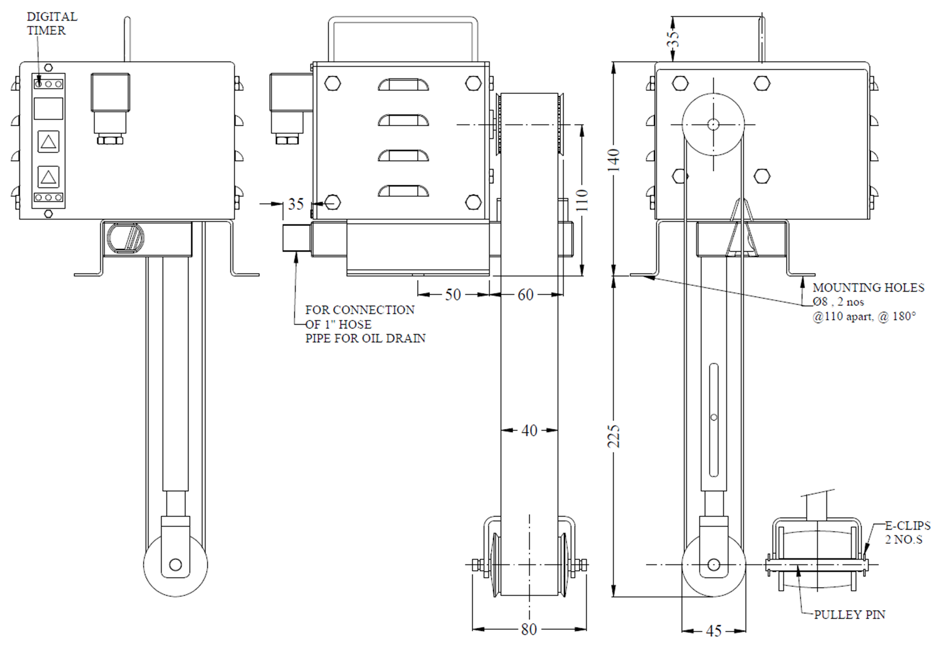

Parts List- Cross Section View (2D)

