Sheet1
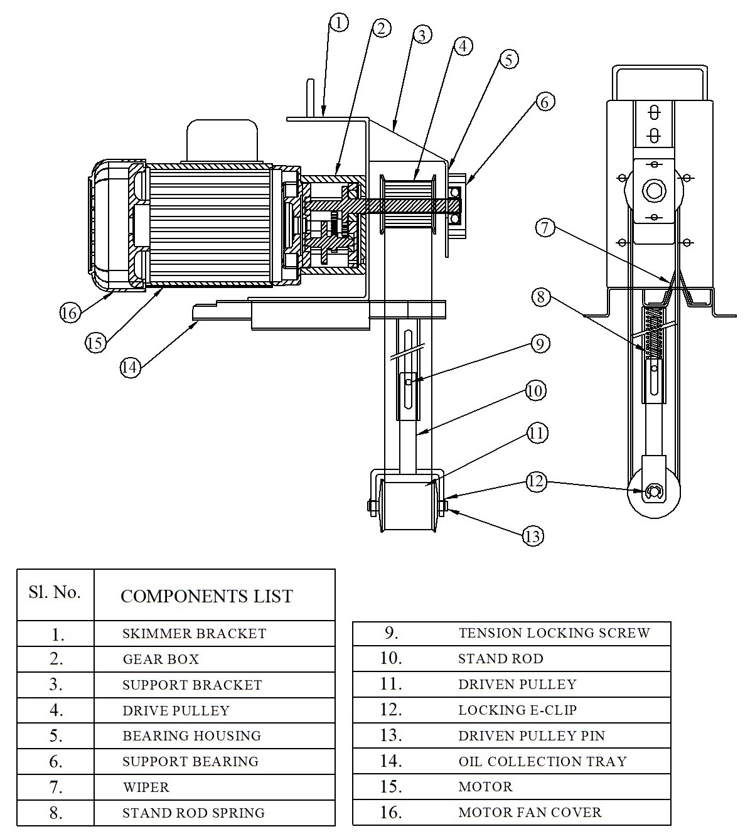
Model: | ROS3-40-300 |  |  | Speciality (if Any):
 |  |  |  | Special Code:
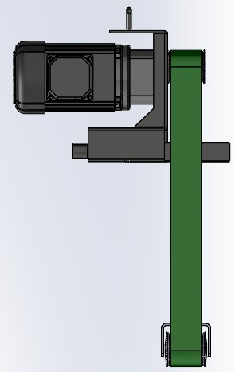
 |  |  |  | 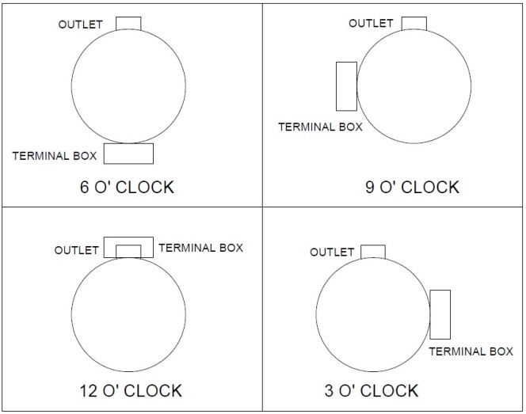

Technical Data
Power (kW) |  | 0.04 | Rated Current (A) |  | 0.3
Voltage (V) |  | 415 | Efficiency Level |  | NA
Frequency (Hz) |  | 50 | Insulation Class |  | F
Motor RPM |  | 1440 | Duty |  | S1
Gear box RPM |  | 18 | Flow (LPM) @Head(M)
Terminal box w.r.t outlet |  | Standard 6 "O" clock | For special mention in purchase order |  | 3"O" CLOCK / 9"O" CLOCK / 12 "O" CLOCK
Material Of Construction
Belt |  | PU | Mechanical seal |  | NA
cabin |  | MS / Powder coated | Bush Bearings |  | NA
Gear |  | Metal | Shaft |  | SS410
Operating conditions
Max Liquid Temp. |  | 50 Deg cel for P.U Belt | Installation |  |  | On top of tank
Max. Liquid Temp |  | 100 Deg cel for S.S Belt | Min. Filtration level |  |  | NA
Max On/Off Cycle |  |  | Max. Viscocity (for given motor rating) |  |  | NA
(Please Check with factory for more information on this)
Dimensional Details
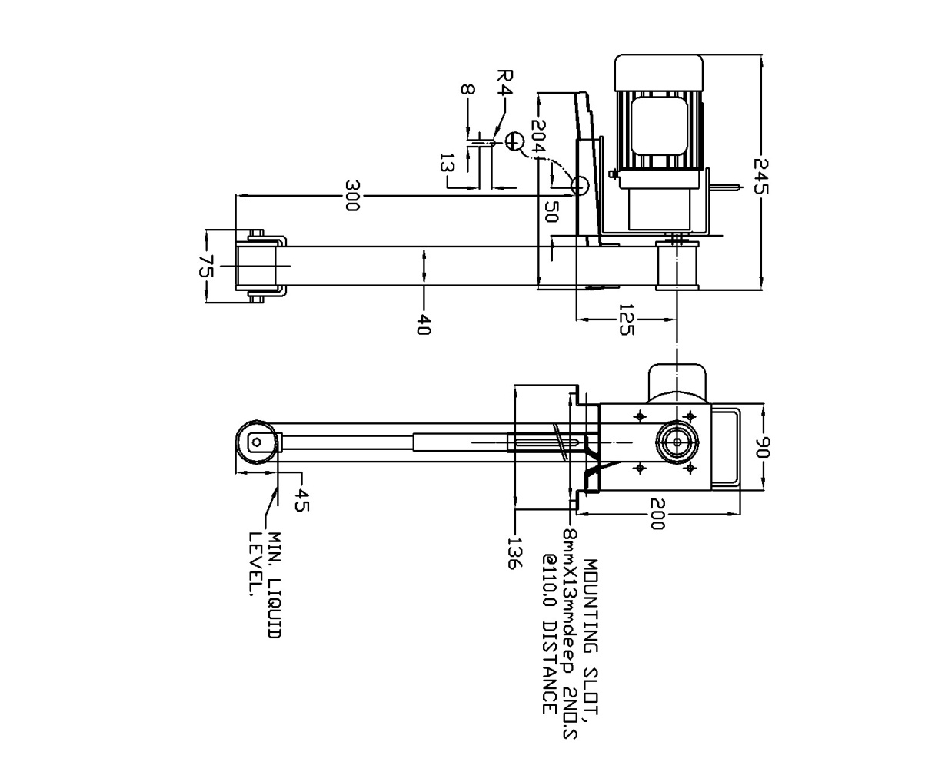

Parts List- Cross Section View (2D)

